LED
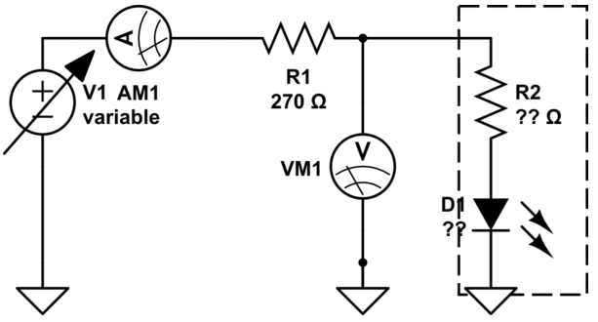
R1 пробен | 330 | Ohm | Vcc | 5 | V
Цвят | Vd(V) (VM1) | VR1(V) | I(mA) | Rd(Ohm) (R2) | Rlimit(Ohm)
Син прозрачен | 3.16 | 5.5 | 20 | 155 | 90
Зелен | 2.03 | 5.53 | 20 | 99 | 145
Червен | 2.07 | 5.5 | 20 | 102 | 144
Зелен Червен | 2.2 | 6.5 | 20 | 112 | 142
 | 1.2 | 6.7 | 20 | 59 | 187
Зелен мигащ | 5 | 0.4 | 1 | 4125 | 0
 |  |  | 0 | #DIV/0! | #DIV/0!
 |  |  | 0 | #DIV/0! | #DIV/0!
 |  |  | 0 | #DIV/0! | #DIV/0!
 |  |  | 0 | #DIV/0! | #DIV/0!
 |  |  | 0 | #DIV/0! | #DIV/0!
 |  |  | 0 | #DIV/0! | #DIV/0!
 |  |  | 0 | #DIV/0! | #DIV/0!

$$R_{limit}=\frac{V_{cc−}V_{d}}{I}$$

