Sheet2
Main
 | Clinical Trials
 |  | Phase II "CRDF-004"
 |  | 64% vs. 50% vs. 33%
 |  | (7/11, 5/10, 3/9)

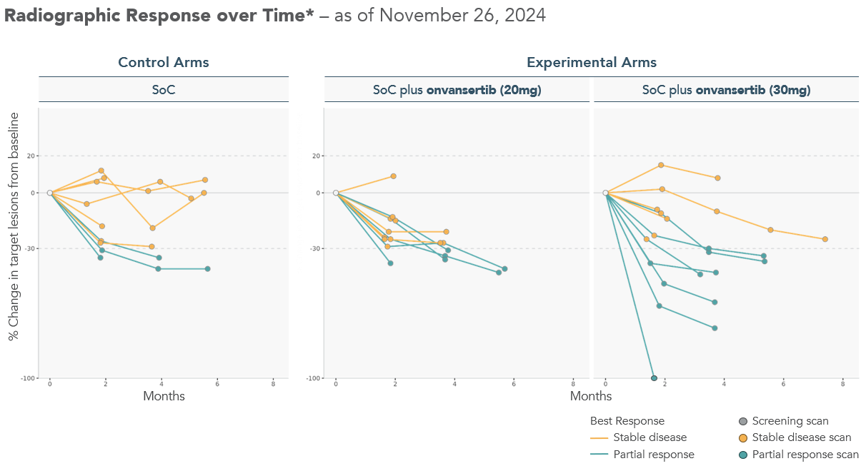
 |  | control | 20mg | 30mg
 | prior | 3 | 5 | 7
 |  | 9 | 10 | 11
 |  | 33% | 50% | 64%
 | now | 16 | 18 | 22
 |  | 37 | 36 | 37
 |  | 43% | 50% | 59%
 | delta | 13 | 13 | 15
 |  | 28 | 26 | 26
 |  | 46% | 50% | 58%

