233i
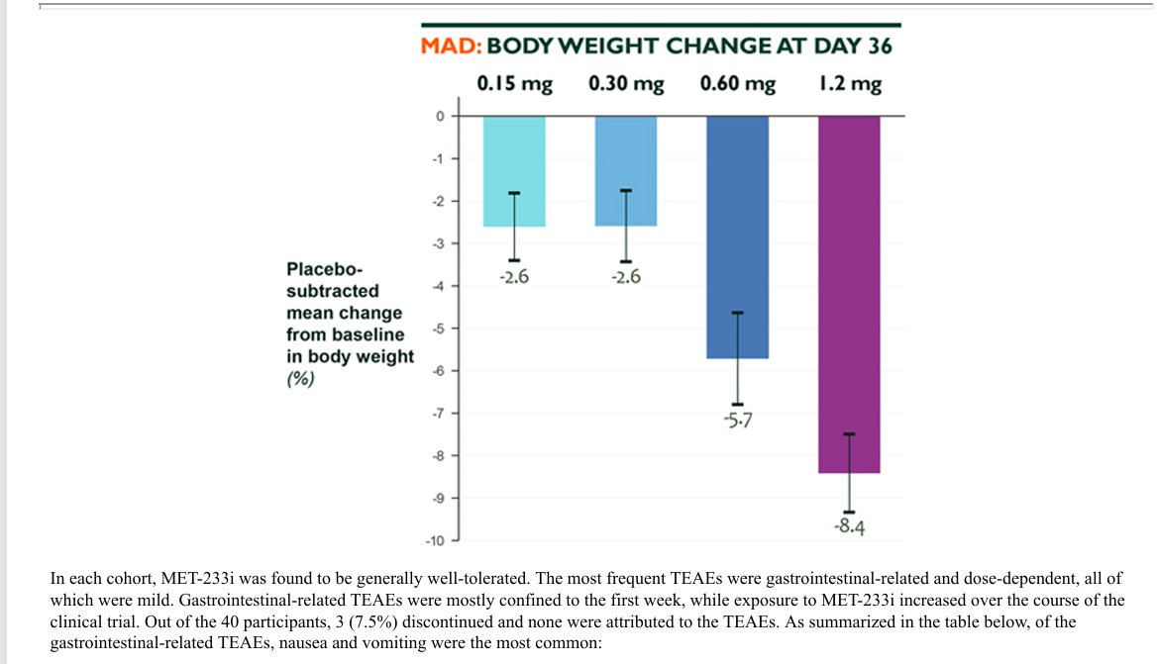
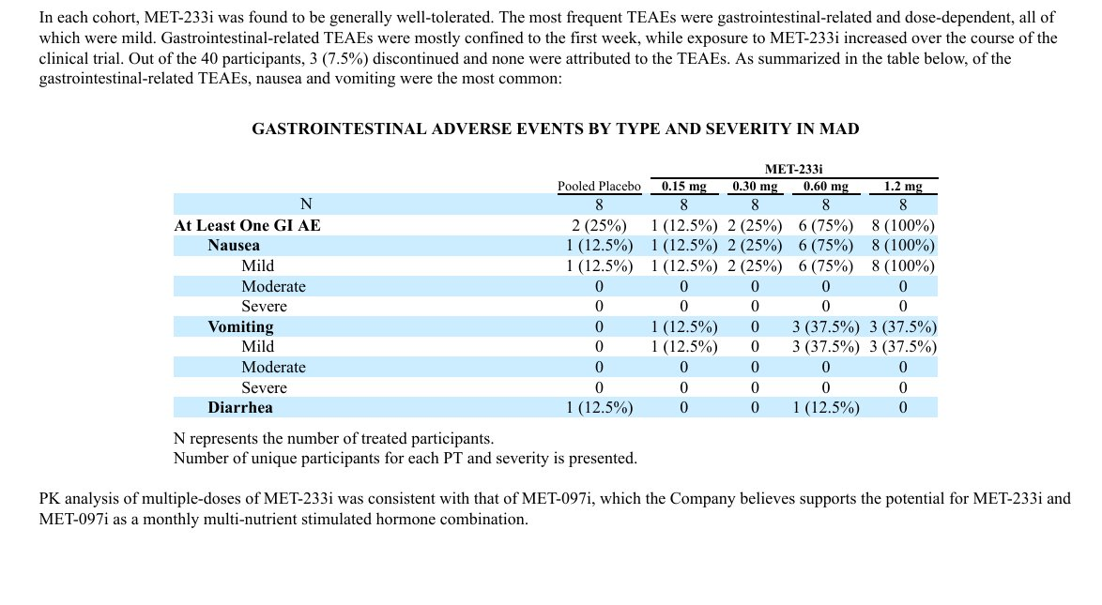
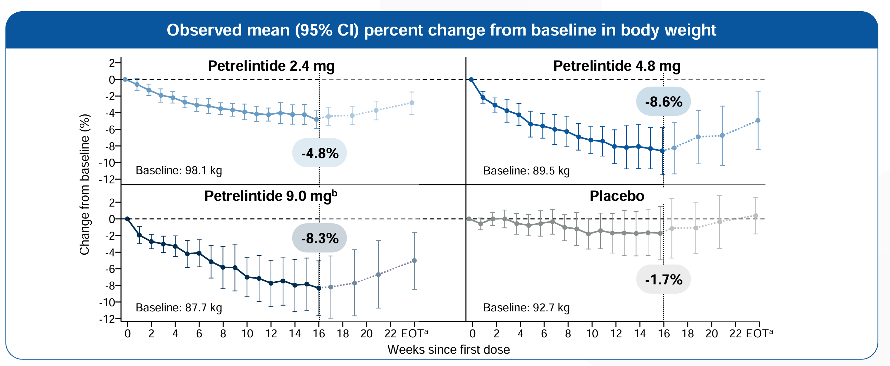
Main
 | Brand | MSTR 233i
 | Generic
 | Indication | T2D/Obesity
 | MOA | amylin
 | Competition | petrelintide

