ulixacaltamide
Main
 | Brand | PRAX-944
 | Generic | ulixacaltamide
 | Indication | Essential Tremor
 |  |  | up to 7m US patients
 | Regulatory | 1/29/27 PDUFA
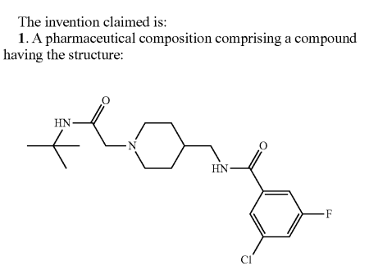
 | IP | 2029?
 |  | 11767325 filed 11/25/2020, issued 9/26/2023
 |  | 11014931 filed 11/24/2020, issued 5/25/2021
 |  | 11918571 filed 3/4/2022, issued 3/5/2024
 |  | 9096522 filed 8/29/2013 by Zalicus, issued 8/4/2015
 |  | 8377968 filed by Zalicus
 |  | 2021-188839 application filed 11/28/2017
 |  | US20220241258A1 dosing patent maturing
 | MOA | selective inhibitor of T-type calcium channels
 |  |  | propranolol, primidone used
 | R&D | spent $2.3m in 2018, $4.0m in 2019.
 |  |  | Phase IIa in 2019
 | Clinical Trials
 |  | Phase III Essential3 - 10/16/25 PR results - NCT06087276
 |  | Study 1 (parallel design) n=199 ulix, n=233 placebo
 |  |  | Day 56 CFB mADL11 -4.3 vs. -1.7 for placebo; p<0.0001 |  |  |  | 2.6
 |  |  | Day 84 CFB mADL11 -3.4 vs. -1.9 for placebo; p<0.0049 |  |  |  | 1.5

 |  | Study 2 (randomized withdrawal) p=0.0369

 |  | Phase IIa POC open-label AUS/NZ

 |  | n=100 healthy volunteers across 4 trials
 |  | PD effect using EEG

 |  | HEK CELLS |  |  | RAT DRG NEURONS
 |  | Channel |  | IC50 (nM) | Channel | IC50 (nM)
 |  | hCaV3.1 |  | 202 | T-Type | 50
 |  | hCaV3.2 |  | 240 | N-Type | 10,000
 |  | hCaV3.3 |  | 188
 |  | rCaV1.2 (L-Type) |  | 32,000
 |  | rCaV2.2 (N-Type) |  | 11,000
 |  | hNaV1.5 |  | 100,000
 |  | hERG |  | 7,800

