deramiocel
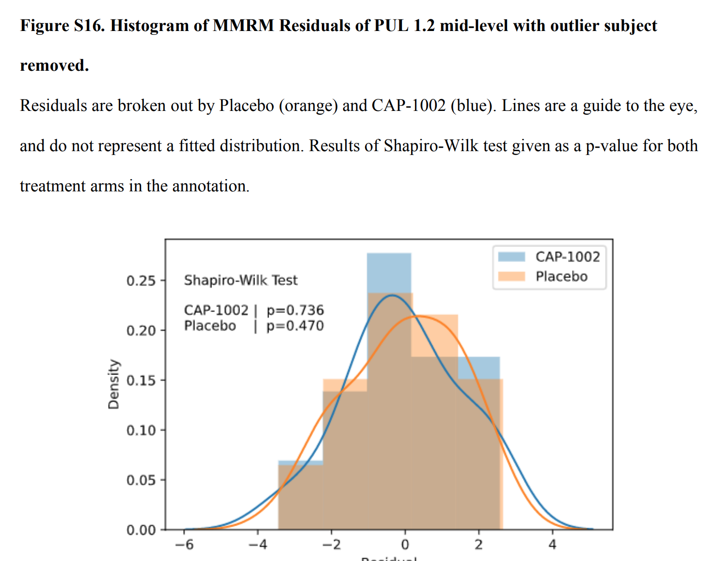
Main
 | Brand | dermaiocel, fka CAP-1002
 | MOA | allogeneic exosomes/"CDCs"
 |  | CDCs secrete exosomes which have miR-146a and miR-181b and Y RNA fragments
 |  | Theoretically these RNA change gene expression in macrophages
 | Administration | IV
 | Manufacturing | two donor hearts, culture myocardial tissue to create CDCs. 12 lots of CDCs are formulated as CAP-1002.
 |  | CDCs are identified by high CD105 and low CD45 expression.
 | PK | 6-9B heart cells, 2-3B cardiomyocytes
 |  | 150m cells by IV --> only 0.15% ever reach the heart? T1/2 = 24h?
 | Clinical Trials
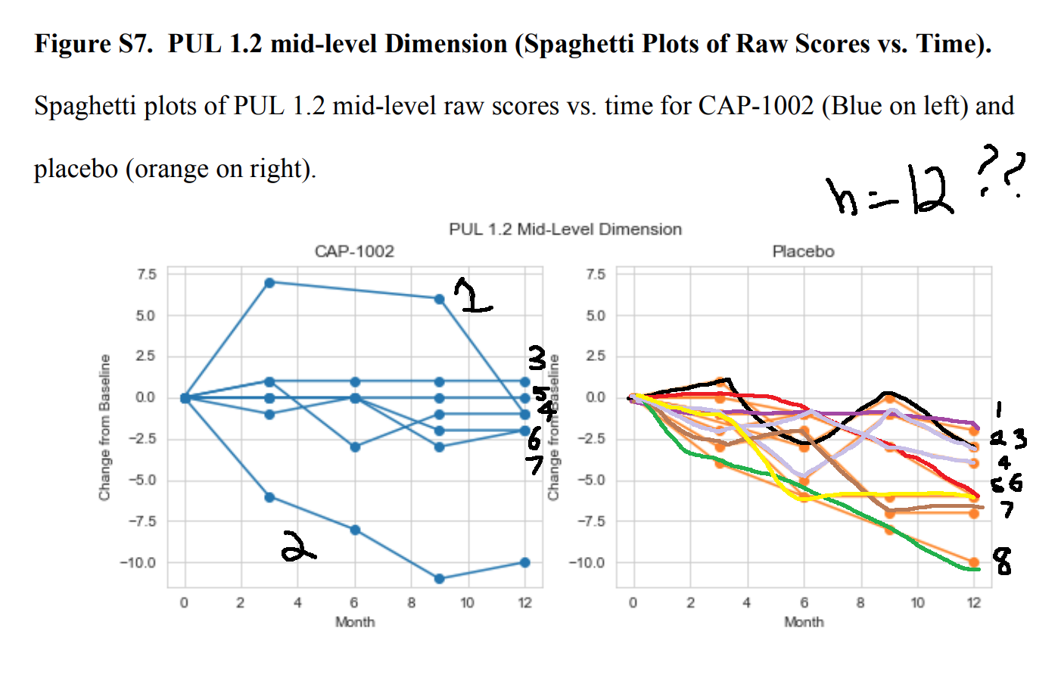
 |  | Phase II "HOPE-2" n=20 late-stage DMD - NCT03406780, Lancet 2022.
 |  | 3/1/18 to 3/21/20 enrollment, 7 sites (UC Davis, CHOP, NCH). 10MW >10sec or non-ambulatory
 |  | 26 screened, 20 assigned/randomized, 19 had a post-treatment PUL 1.2 assessment (8 CAP, 11 placebo)
 |  | planned for 84 patients, FDA recommended transitioning to a phase 3.
 |  | interim analysis for futility was looked at and enrollment paused by Capricor due to 'funding constraints'
 |  | PE: Performance of Upper Limb. Baseline was 2-5.
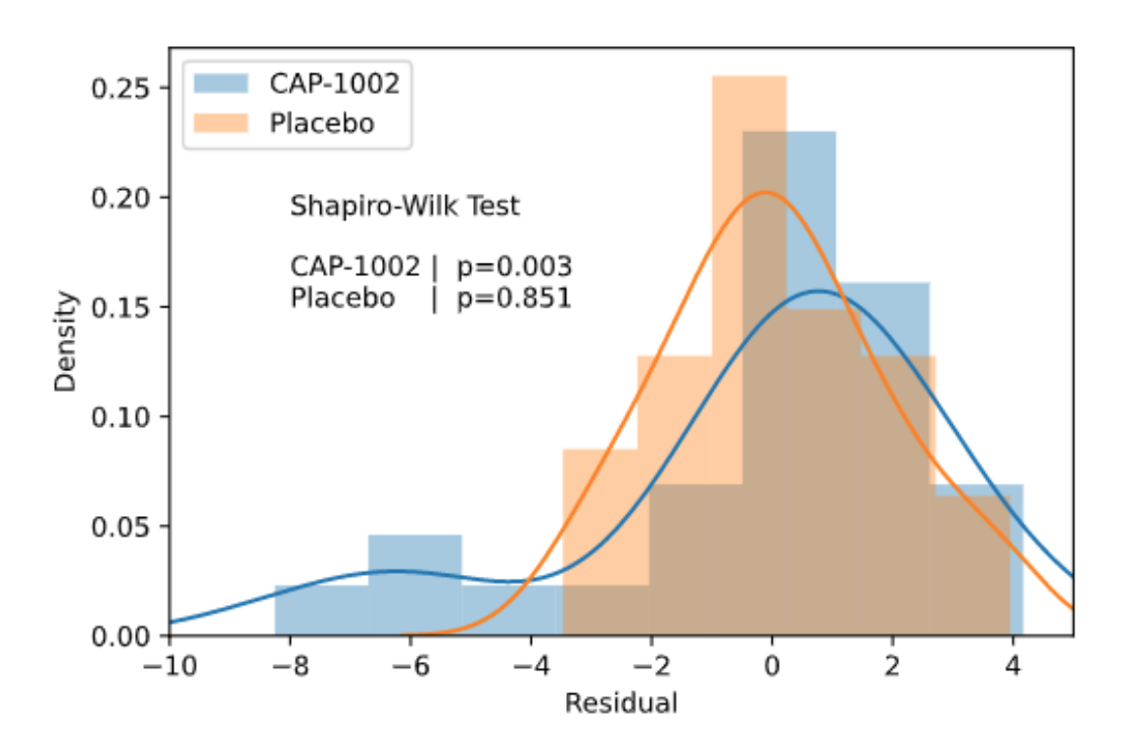
 |  | 4 dose course, every 3 months.
 |  | 3 IV hypersensitivity reactions, 1 discontinuation after receiving a partial infusion at month 3, resulting in 7 followed for full 12 months.
 |  | 3 patients in the placebo arm discontinued: n=2 after 2 infusions and n=1 after 1 infusion, resulting in 9 followed for full 12 months.
 |  | Mean 12-month change from baseline was 36.2% percentile difference, or 2.6 points, p=0.014.

 |  | placebo at 12 months: 29.3 (9.2 SE, 32 SD) - -3.36
 |  | CAP-1002 at 12 months: 65.5 (10.8 SE, 31SD) -0.75 (2.6 delta)
 |  | 3 months: 1.2, 6 months: 1.5, 9 months: 1.5, 12 months: 2.6

 | 0 | 1.2 | 1.5 | 1.5 | 2.6

 |  | Phase I "HOPE" n=13 DMD
 |  | one-time administration delivered via coronary artery catheterisation

