orforglipron
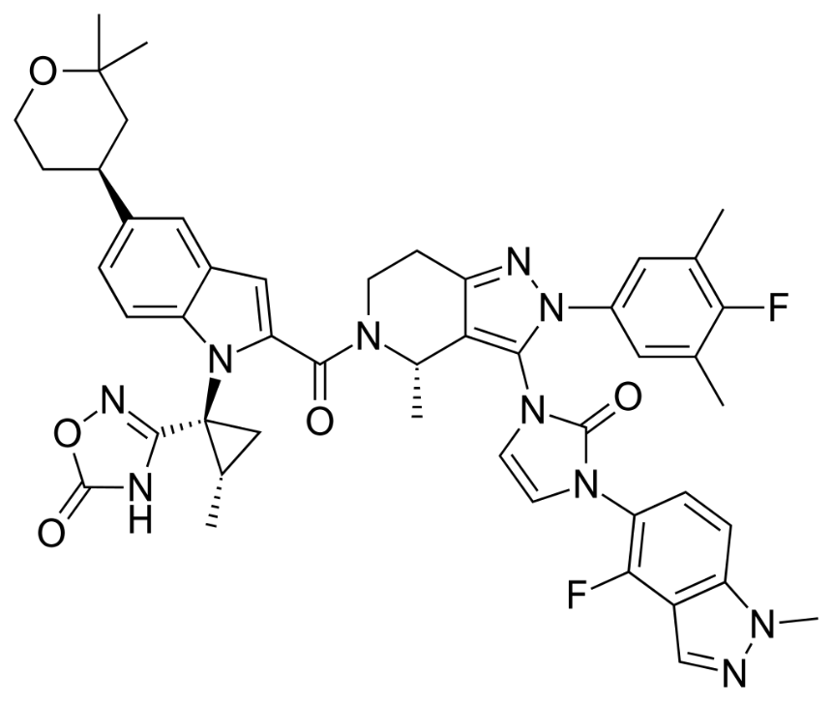
Main
 | Brand | LY3502970
 | Generic | orforglipron
 | Indication | Obesity
 | MOA | GLP-1R agonist
 | Economics | $50m upfront to Chugai. Created with ConfometRx

 |  | Phase III "ACHIEVE-5" n=520 T2D
 |  | PE: week 40 HbA1C

 |  | Phase III "ACHIEVE-4" vs. insulin glargine n=2749 T2D and overweight

 |  | Phase III "ACHIEVE-3" vs. semaglutide n=1576 T2D

 |  | Phase III "ACHIEVE-2" vs. dapagliflozin n=888 T2D - NCT06192108

 |  | Phase III "ACHIEVE-1" n=520 T2D - NCT05971940

 |  | Phase III "ATTAIN-1" n=1500 Obesity vs. placebo - NCT05869903

 |  | Phase III "ATTAIN-2" n=x Obesity+T2D - NCT05872620

 |  | Phase II n=272 - NEJM 2023 - NCT05051579
 |  | 9 to 13% weight loss at week 26 vs. 2% for placebo
 |  | 9 to 15% weight loss at week 36 vs 2% for placebo

Kisunla
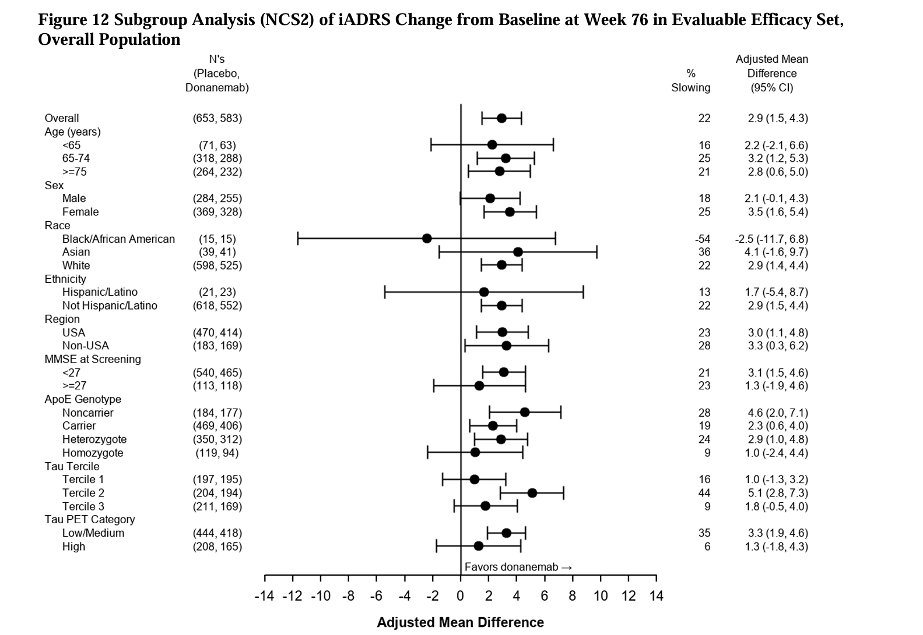
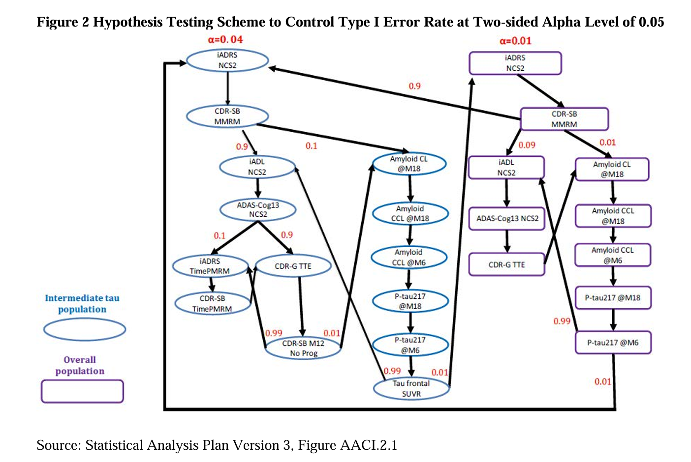
Main
 | Brand Name | Kisunla, LY3002813
 | Generic Name | donanemab
 | MOA | N3pG (pyroglutamate epitope) amyloid beta mab
 | Regulatory | FDA rejected accelerated application 1/18/2023, approved full application 7/2/2024
 |  | IND 109157 opened 2/5/2013
 |  | Japan approved 9/2024
 |  | MHRA approved 10/2024
 |  | China approved 12/2024
 | Clinical Trials
 |  | Phase III "TRAILBLAZER-ALZ 2" n=1736 early symptomatic AD "AACI" - NCT04437511, JAMA
 |  | iADRS 2.92 vs. placebo in combined population
 |  | iADRS 3.25 vs. placebo in low/medium population
 |  | 72 week treatment period
 |  | Database lock 4/28/2023
 |  | https://www.accessdata.fda.gov/drugsatfda_docs/nda/2024/761248Orig1s000StatR.pdf

 |  | Phase II "TRAILBLAZER-ALZ" n=272 - AACG - NCT03367403
 |  | iADRS was not SS according to predefined heirarchy p=0.042
 |  | 72 week treatment period

 |  | Phase III "TRAILBLAZER-ALZ-3" - preclinical AD
 |  | TRAILBLAZER-ALZ-5 - China/Korea

 |  | Phase III TRAILBLAZER-ALZ-6 - ARIA

