rezpegaldesleukin
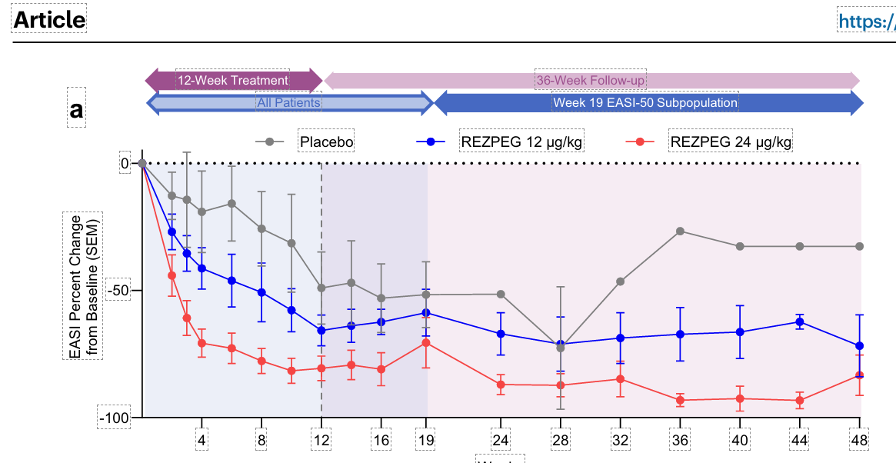
Main
 | Brand
 | Generic | rezpegaldesleukin
 | Indication | Atopic Dermatitis
 | Mechanism | IL-2

 | Dupixent | EASI75 | 300mg q2w | 51%
 | Dupixent | EASI75 | 300mg qw | 53%
 | Placebo | EASI75 | placebo | 15%
 | Dupixent | EASI75 | 300mg q2w | 47%
 | Dupixent | EASI75 | 300mg qw | 44%
 | Placebo | EASI75 | placebo | 12%
 | upadacitinib 15mg | EASI75 |  | 60%
 | upadacitinib 30mg | EASI75 |  | 73%
 | placebo | EASI75 |  | 13%
 |  | EASI50 | placebo | 30%
 |  | EASI50 | low dose | 69%
 |  | EASI50 | high dose | 71%
 |  | EASI75 | placebo | 20%
 |  | EASI75 | low dose | 25%
 |  | EASI75 | high dose | 41%
 |  | EASI90 | placebo | 20%
 |  | EASI90 | low dose | 13%
 |  | EASI90 | high dose | 24%

