pegipanermin
Main
 | Brand | IB103, XPro1595
 | Generic | pegipanermin
 | Indication | AD, TRD
 | Regulatory | IND on clinical hold
 | MOA | TNF 157aa (17kDa) - 2umol
 |  | binds TNFR1 (p55) and TNFR2 (p75)
 | PK | 37 kDa with PEGylation
 | Clinical Trials
 |  | Phase II n=201 Alzheimer's - NCT0531976
 |  | n=41 trial sites | 2:1 drug:placebo
 |  | 1.0mg/kg qw for 23 weeks
 |  | EMACC at 24 weeks, 87% power for 0.15 units (SD=0.36)
 |  | CDR-SB 0.35, SD=1

 |  | At 28 weeks, EMACC -0.07 from baseline for placebo in TANGO.
 |  | At 28 weeks, EMACC -0.10 to -0.14 from baseline for drug, which was placebo-like in TANGO.

 | https://pubmed.ncbi.nlm.nih.gov/28237313/ |  |  | https://pubmed.ncbi.nlm.nih.gov/14512626/
 | https://pubmed.ncbi.nlm.nih.gov/39954745/ |  |  | https://jneuroinflammation.biomedcentral.com/articles/10.1186/s12974-014-0159-6
 | https://pmc.ncbi.nlm.nih.gov/articles/PMC4451045/ |  |  | https://www.neurologylive.com/view/neurovoices-rj-tesi-xpro1595-role-tnf-inhibitors-alzheimer-field
 | https://pubmed.ncbi.nlm.nih.gov/28422748/
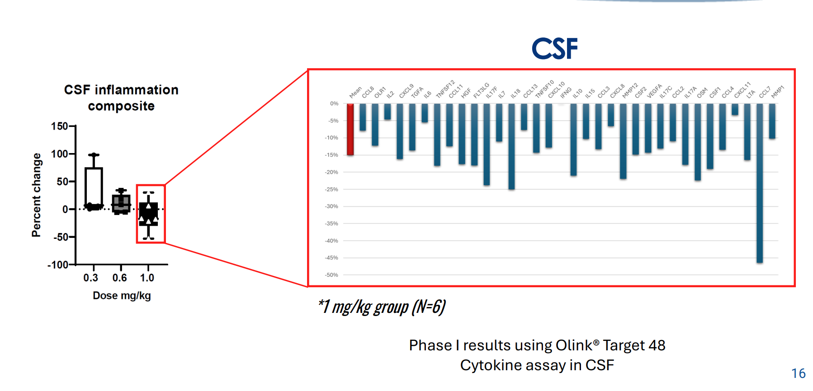
 | https://clinicaltrials.gov/study/NCT03943264?term=inmune&page=2&rank=14

 | Role of neuroinflammation in neurodegeneration development. Zhang et al. Sign Trans Targ Therapy

 |  | Phase I n=18 (n=20, 3 dropout)
 |  | 0.3mg/kg, 0.6mg/kg, 1.0mg/kg
 |  | n=5 0.3mg/kg
 |  | n=6 0.6mg/kg
 |  | n=9 1.0mg/kg

