SION-719
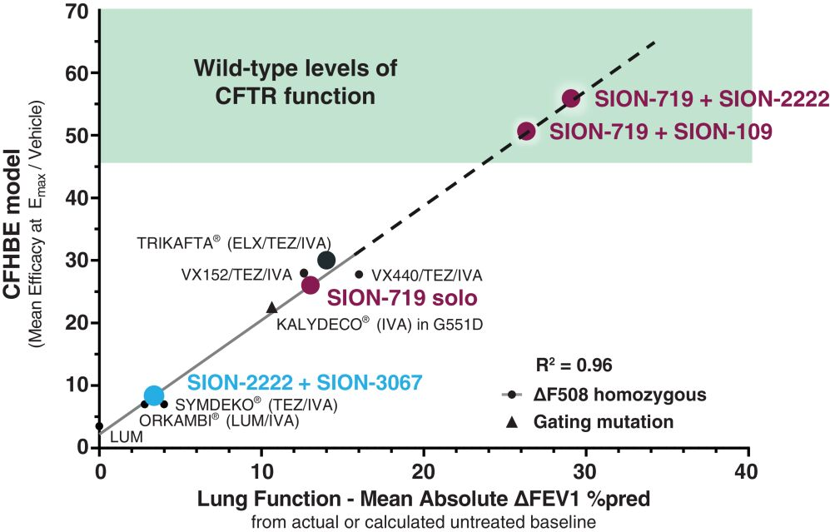
Main
 | Name | SION-719

