Elevidys
Main
 | Brand | Elevidys, fka SRP-9001
 | Generic | delandistrogene moxeparvovec
 | Indication | ambulatory Duchenne Muscular Dystrophy
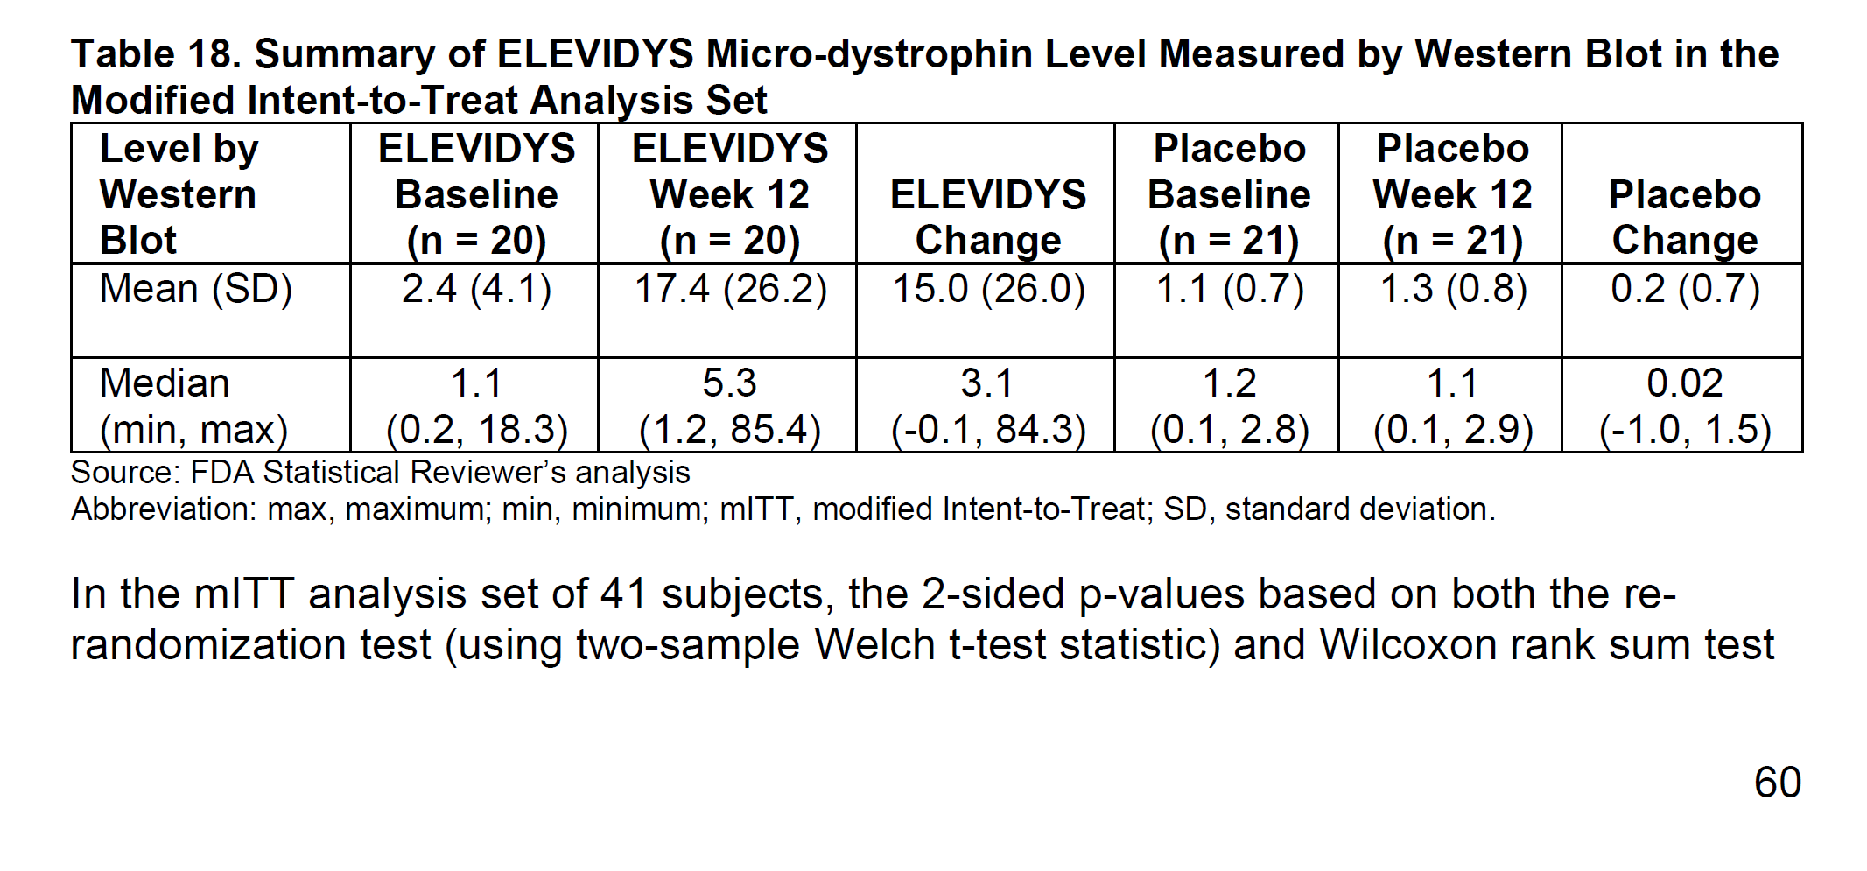
 | Mechanism | AAVrh74 micro-dystrophin, MHCK7 promoter. 138kDa payload (427 kDa wildtype)
 | Regulatory | First BLA 125781 filed 9/28/22
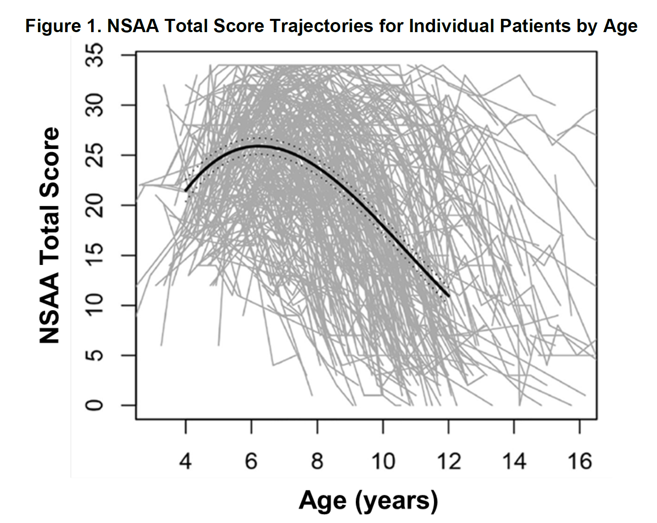
 |  | sBLA 125781 filed 12/21/22, approved 6/22/23
 |  | Japan approval 5/13/25
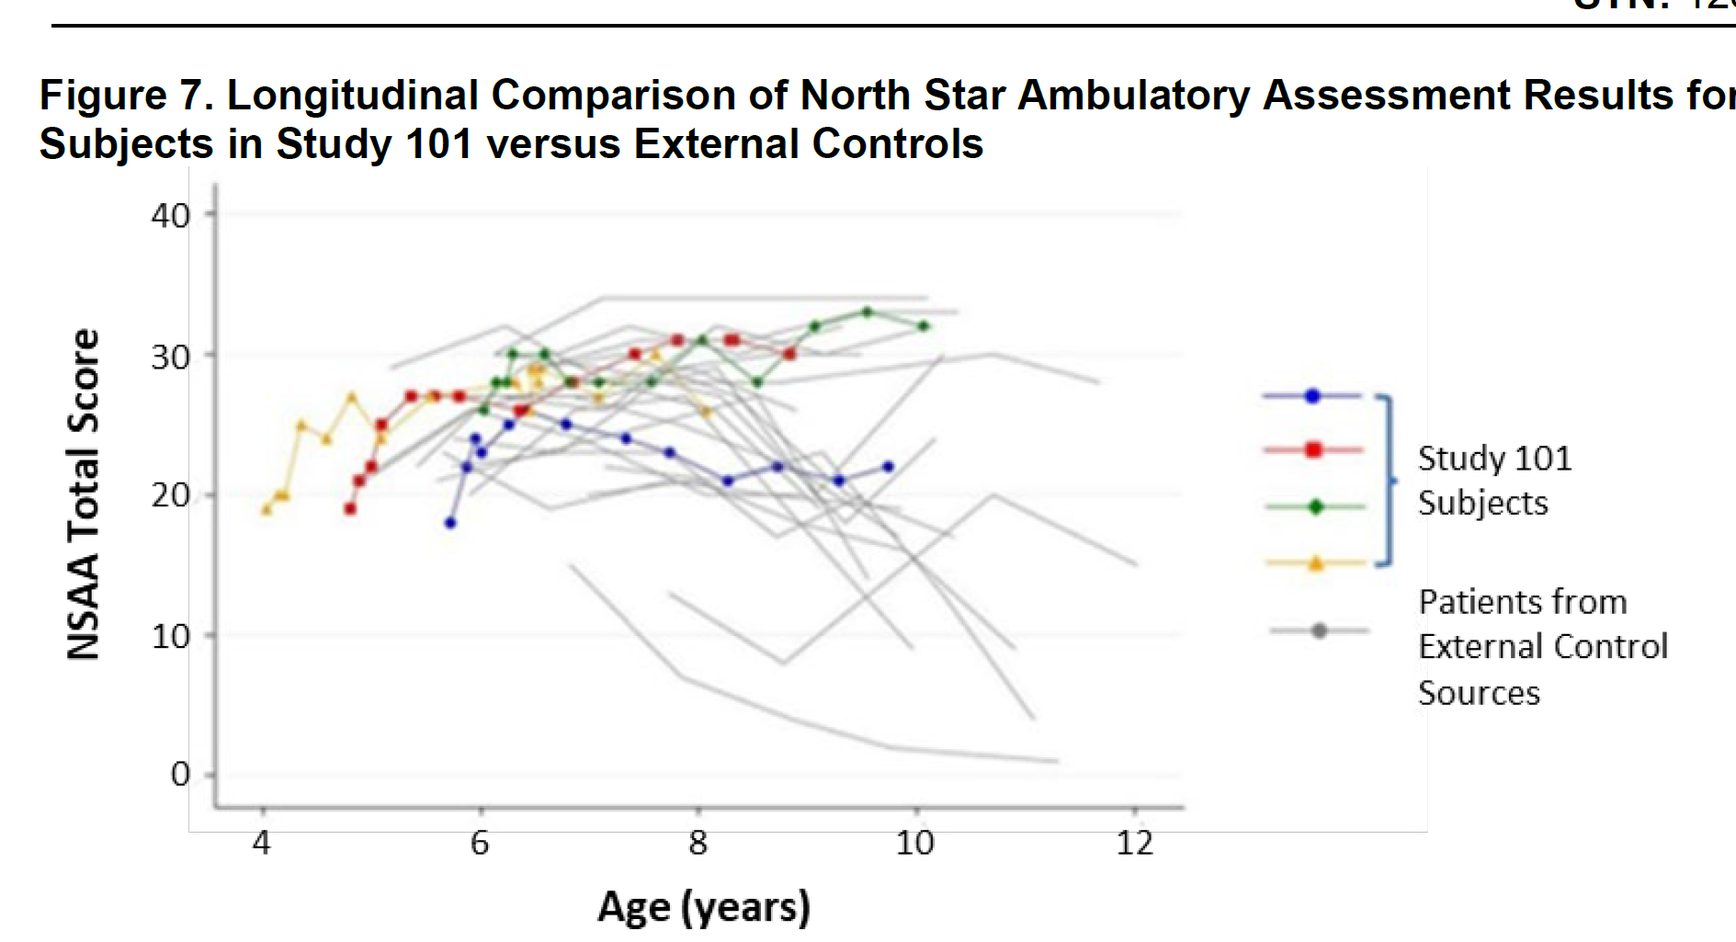
 | Price | $3.2m
 | Commercial | >600 patients dosed 1/2025, 100 non-ambulatory (JPM)
 |  | $500m peak sales royalty for ex-US - 1/2025
 |  | antibody-positive treatments increase opportunity
 |  | redosing opportunity
 | Comparisons | Vyjuvek, Zevaskyn, Zolgensma, Roctavian, Luxturna, Hemgenix, Upstaza
 | Manufacturing | COGS can move to 10% (90% GM)
 | Clinical Trials
 |  | Phase II "EMBARK" n=126 ambulatory RCT ages 4-7yo (9001-103?)
 |  | 2-year topline data vs. EC
 |  | 3-year pooled functional analysis vs. EC

 |  | Study 101 open-label n=4 DMD - NCT03375164
 |  | Used Process A product - ages 4-7

 |  | Study 102 n=41 ambulatory DMD 4-7yo RCT - NCT03769116
 |  | used Process A product
 |  | Part I RCT n=40
 |  |  | n=8 1.33E14 |  | p=0.37
 |  |  | n=6 6.29E13
 |  |  | n=5 8.94E13
 |  |  | n=21 placebo
 |  | Part II open-label
 |  | PE: expression at week 12, change in NSAA at week 48

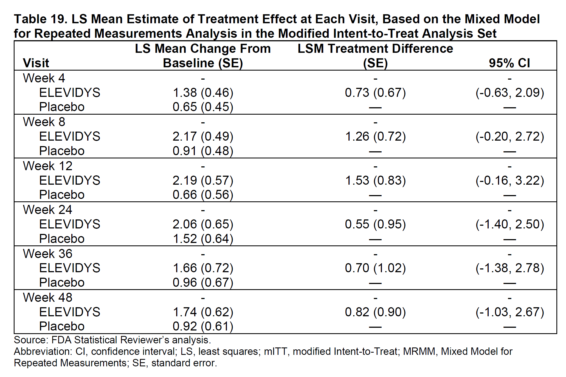
 |  | Phase Ib "Study 103" "ENDEAVOR" open-label n=55 DMD - NCT04626674
 |  | 7 cohorts, used Process B product
 |  | PE: expression at week 12

 |  | Week 12 muscle biopsy tissue samples
 |  | micro-dystrophin expression
 |  | western blot
 |  | IF staining assay (IF fiber intensity, %u-D+ fiber)

 |  | values were adjusted by muscle content
 |  | expressed as a % of control level
 |  | "High inter-subject variability was observed in expression"

 |  | Cohort 4 n=7 3 year old patients
 |  | 99.64% mean protein levels by Western

 |  | Cohort 6 n=6 12-week biopsy data
 |  | 93.87% mean expression of normal by western
 |  | 79.9% dystrophin positive fibers by IF
 |  | elevated liver enzymes n=2, resolved with steroids

 |  | Phase III (9001-301?) - THIS IS ENVISION!?!?
 |  | n=124 (4-8yo, ambulatory)
 |  | Part 1 placebo controlled n=63 drug vs. n=61 placebo
 |  | PE: NSAA at week 52
 |  |  | LSM change in the NSAA total score
 |  |  |  | 2.57 points (95 percent CI: 1.80, 3.34) for the ELEVIDYS group
 |  |  |  | 1.92 points (95 percent CI: 1.14, 2.70) for the placebo group.
 |  |  |  | difference was 0.65 points (95 percent CI: -0.45, 1.74), (p=0.2441).

 |  | Phase III "ENVISION" "9001-303" n=148 amb/non-amb
 |  | enrollment complete?

 |  | ENVOL n=21 under 4yo
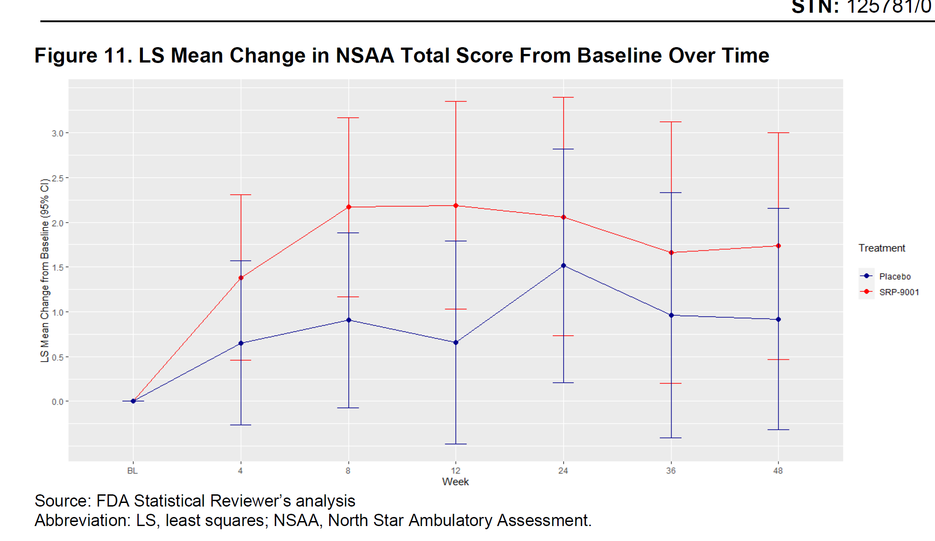

 |  | Phase I 9001-104 n=6 with imlifidase for rAAVrh74 antibodies

 |  | Phase I 9001-105 n=16 with plasmapheresis for rAAVrh74 antibodies

 |  | Phase IV "EXPEDITION" LTFU

 |  | Phase III "ENDURE" real world study?

