vepdegestrant
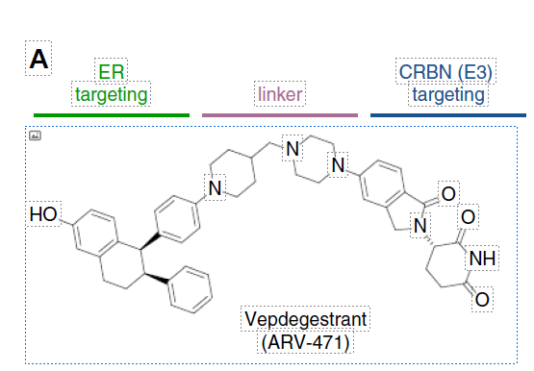
Main
 | Brand | ARV-471, PF-07850327
 | Generic | vepdegestrant
 | Indication
 | MOA | Estrogen Receptor PROTAC (cereblon)
 |  | ER driver of breast cancer in 75% of cases.
 |  | >80% degradation within 4 hours
 |  | lasofoxifene scaffold
 | Economics | PFE
 | Competition | imlunestrant, camizestrant, amcenestrant, fulvestrant.
 |  | fulvestrant binds and immobilizes the ER, but only 50-60% degradation, partially because of poor PK (IM administration)
 | Clinical Trials
 |  | Phase III "VERITAC-2" 2L ER+ mBC monotherapy - Q125 results |  |  |  | 26075522
 |  |  |  |  |  | 35923930
 |  |  |  |  |  | 32829249
 |  |  |  |  |  | 31780851
 |  | Phase Ib "ARV-471-mBC-101" with Ibrance n=46 or n=217 - NCT04072952 |  |  |  | 39585895
 |  | Study Start: 8/5/2019 |  |  |  | 35042991
 |  | "heavily pre-treated": median 4 prior therapies, 3 in metastatic setting, 87% prior CDK4/6, 80% prior fulvestrant, 48% chemo in metastatic setting |  |  |  | 34212149
 |  | 5/16/24 (ESMO Breast 2024) update: 13.9 months mPFS at 200mg, the recommended Phase III dose |  |  |  | 35671157
 |  | December 2023 (SABCS) update: |  |  |  | 33839157

 |  | CBR: 63%, ORR: 42%, mPFS 11.2mo |  |  | n=21 200mg, CBR 67%, mutant ESR1: 79% (n=14), wildtype: 43% (n=7)
 |  | n=29 mutant ESR1: 72% CBR |  |  | n=2 180mg
 |  | n=15 wild-type ESR1: 53% CBR |  |  | n=3 400mg, n=20 500mg |  | All dosing 21 days on, 7 days off.

 |  | Phase I portion was 40% CBR n=47, only 3 PRs?

 |  | PALBOCOMP |  | PALOMA-3
 |  | 46% CBR, 6.0m PFS |  | 9.2m PFS

 |  | NCT06645938 | PK | 2024-10-16 | 12
 |  | NCT06347861 | PK | 2024-04-02 | 52
 |  | NCT06275841 | DDI | 2024-02-23 | 12
 |  | NCT06256510 | DDI | 2024-02-08 | 15
 |  | NCT06005688 | PK | 2023-08-18 | 12
 |  | NCT05930925 | PK | 2023-06-12 | 12
 |  | NCT05673889 | DDI | 2023-01-27 | 24
 |  | NCT05652660 | DDI | 2022-12-09
 |  | NCT05538312 | DDI | 2023-02-23

 |  | NCT05654623 | Phase III "VERITAC-2" 2L monotherapy | 2023-03-03 | 624
 |  | NCT05909397 | Phase III "VERITAC-3" 1L with palbociclib vs. letrozole+palbociclib | 2023-08-09 | 1180
 |  | NCT05549505 | neoadjuvant vs. anastrozole? | 2023-02-15 | 152
 |  | NCT04072952 | with palbociclib | 2019-08-05 | 217

 |  | NCT05732428 | China | 2023-02-20 | 9
 |  | NCT05463952 | Japan, Phase I, 200mg with food in Japan. 4/6 progressive disease, 0 DLTs | 2022-08-16 | 6
 |  | NCT05573555 | TACTIVE-U B (ribociclib) | 2023-03-01 | 47
 |  | NCT06125522 | TACTIVE-U C (samuraciclib) | 2024-01-10 | 67
 |  | NCT05548127 | TACTIVE-U A (abemaciclib) | 2023-02-23 | 37
 |  | NCT06206837 | combination with PF-07220060 | 2024-02-19 | 65
 |  | NCT05501769 | Phase Ib "TACTIVE-E" n=32 with everolimus | 2022-09-08 | 32

