MissingData
Year | S OE | S CE | PIT OE | PIT CE | CIT OE | CIT CE |  |  | years with missing data | States with missing data | year | year | year | year | year | year | States with no tax
1990 |  |  |  |  | AL, AK | AL, AK |  | WA CIT? | 1990 | AK | 1990 | 1997 |  |  |  |  | Sales | PIT | CIT
1991 |  |  |  |  |  |  |  | WA CIT? | 1995 | AL | 1990 |  |  |  |  |  | AK | AK | NV
1992 |  |  |  |  |  |  |  | WA CIT? | 1996 | CA | 2001 | 2009 |  |  |  |  | DE | FL | SD
1993 |  |  |  |  |  |  | TX CIT? | WA CIT? | 1997 | GA | 1999 | 2000 | 2001 | 2002 | 2003 | 2004 | MT | NH | TX
1994 |  |  |  |  |  |  | TX CIT? | WA CIT? | 1999 | LA | 2005 |  |  |  |  |  | NH | NV | WA
1995 |  |  |  |  |  | NH | TX CIT? | WA CIT? | 2000 | MO | 2002 |  |  |  |  |  | OR | SD | WY
1996 |  |  |  |  | NH | NH | TX CIT? | WA CIT? | 2001 | NH | 1995 | 1996 | 1997 | 2000 | 2005 |  |  | TX
1997 | TX; AK | AK |  |  | NH | NH | TX CIT? | WA CIT? | 2002 | NJ | 2009 |  |  |  |  |  |  | WA
1998 |  |  |  |  |  |  | Check TX CIT |  | 2003 | NV | 2009 |  |  |  |  |  |  | WY
1999 | TX | TX |  |  | GA (see notes) | GA (see notes) |  |  | 2004 | RI | 2003 | 2004 | 2005 | 2006
2000 |  |  |  |  | GA; NH | GA; NH | Check TX CIT |  | 2005 | TX | 1997 | 1999 |  |  |  |  |  | TN*
2001 | WY | CA, WY |  | CA | GA | CA; GA |  |  | 2006 | WY | 2001
2002 |  |  |  |  | GA | GA, MO |  |  | 2009
2003 |  | RI |  | RI | GA | GA; RI
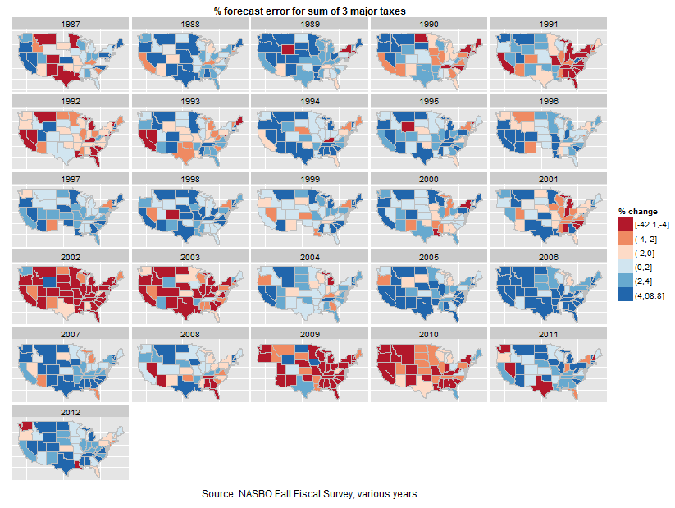
2004 |  | RI |  | RI | GA | GA; RI
2005 | LA | LA, RI | LA | LA, RI | LA; NH | LA, RI; NH
2006 |  | RI |  | RI |  | RI
2007
2008
2009 |  | CA; NV; NJ |  | CA; NJ |  | CA; NJ
2010
2011
2012

