2013.SGF003CensusTabulation
TOC
SGF003: State Government Finances: 2013
2013 Annual Survey of State Government Finances
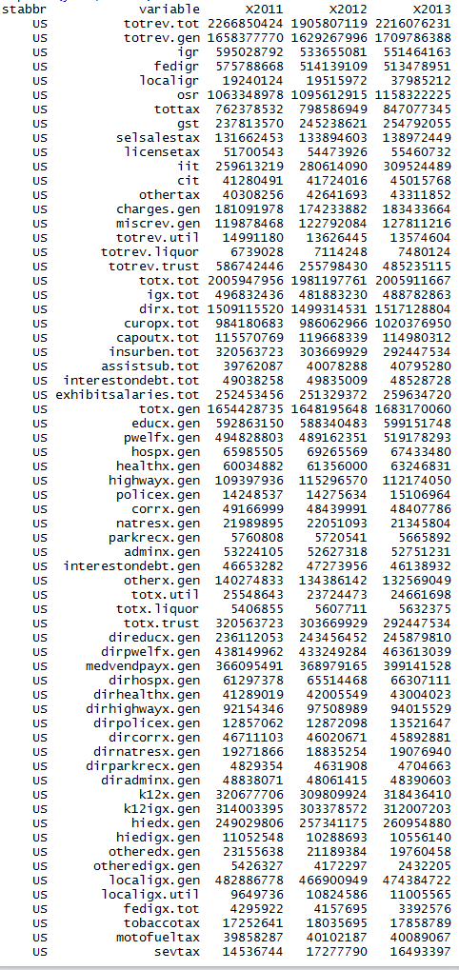
 | (Amounts in thousands)
Item |  | United States | Alabama | Alaska | Arizona | Arkansas | California | Colorado | Connecticut | Delaware | Florida | Georgia | Hawaii | Idaho | Illinois | Indiana | Iowa | Kansas | Kentucky | Louisiana | Maine | Maryland | Massachusetts | Michigan | Minnesota | Mississippi | Missouri | Montana | Nebraska | Nevada | New Hampshire | New Jersey | New Mexico | New York | North Carolina | North Dakota | Ohio | Oklahoma | Oregon | Pennsylvania | Rhode Island | South Carolina | South Dakota | Tennessee | Texas | Utah | Vermont | Virginia | Washington | West Virginia | Wisconsin | Wyoming
Total Revenue |  | 2,216,076,231 | 29,092,950 | 14,018,474 | 36,947,686 | 21,541,707 | 315,358,675 | 30,986,766 | 31,851,296 | 8,908,038 | 95,693,798 | 53,486,765 | 12,944,952 | 9,391,142 | 84,493,376 | 38,141,709 | 23,102,534 | 18,013,265 | 28,637,166 | 31,238,181 | 9,571,311 | 41,802,233 | 55,437,787 | 66,400,989 | 45,593,764 | 21,865,219 | 37,529,136 | 7,982,053 | 11,484,492 | 17,040,569 | 8,163,713 | 67,918,016 | 17,808,300 | 212,858,793 | 60,004,493 | 8,830,465 | 90,343,990 | 26,344,587 | 32,914,634 | 87,910,876 | 8,681,540 | 29,638,637 | 5,759,268 | 32,356,348 | 136,486,968 | 18,442,207 | 6,295,755 | 50,851,769 | 47,862,480 | 14,581,453 | 45,891,806 | 7,574,100
General Revenue |  | 1,709,786,388 | 22,759,645 | 12,280,315 | 29,176,274 | 17,310,068 | 219,692,720 | 23,129,280 | 25,446,414 | 7,793,920 | 74,725,923 | 38,391,794 | 10,825,114 | 7,340,263 | 65,561,519 | 33,499,152 | 18,533,679 | 15,245,978 | 22,926,606 | 25,255,359 | 7,990,979 | 34,779,321 | 46,180,318 | 54,343,294 | 34,651,478 | 17,510,532 | 26,662,036 | 5,767,554 | 9,819,327 | 11,402,396 | 6,132,439 | 53,863,834 | 14,295,361 | 165,200,561 | 47,574,530 | 8,059,929 | 60,945,518 | 20,799,702 | 22,833,016 | 69,755,731 | 6,933,496 | 22,160,859 | 4,035,680 | 27,401,810 | 112,935,910 | 14,810,655 | 5,635,209 | 41,140,409 | 35,669,826 | 12,390,766 | 32,280,837 | 5,929,052
Intergovernmental Revenue |  | 551,464,163 | 8,338,033 | 2,754,412 | 10,580,523 | 5,724,598 | 58,096,373 | 6,508,932 | 5,962,699 | 1,996,011 | 23,880,229 | 14,619,221 | 2,331,449 | 2,541,438 | 17,312,790 | 11,267,810 | 5,991,401 | 3,845,073 | 8,083,482 | 10,660,261 | 2,830,353 | 10,325,181 | 13,706,498 | 18,007,780 | 9,315,259 | 7,649,292 | 10,497,449 | 2,161,997 | 3,212,304 | 3,080,240 | 1,883,424 | 14,471,986 | 5,416,068 | 71,682,137 | 15,769,950 | 1,572,480 | 21,113,847 | 7,159,511 | 8,003,252 | 21,412,638 | 2,369,822 | 7,202,824 | 1,605,537 | 10,900,626 | 37,580,061 | 4,304,061 | 1,872,013 | 9,959,041 | 10,030,961 | 4,325,052 | 9,228,907 | 2,318,877
From Federal |  | 513,478,914 | 8,226,967 | 2,747,308 | 10,166,478 | 5,689,390 | 54,827,525 | 6,427,852 | 5,949,159 | 1,929,185 | 23,506,254 | 14,323,163 | 2,326,602 | 2,522,766 | 16,973,577 | 11,192,452 | 5,915,221 | 3,788,962 | 8,047,093 | 10,592,657 | 2,821,145 | 9,952,960 | 13,233,244 | 17,829,882 | 9,141,995 | 7,509,589 | 10,188,272 | 2,158,227 | 3,154,670 | 2,844,973 | 1,659,853 | 13,755,548 | 5,228,141 | 46,272,851 | 15,470,808 | 1,529,135 | 20,482,575 | 7,028,696 | 7,987,139 | 21,219,116 | 2,331,473 | 6,698,952 | 1,575,212 | 10,819,977 | 36,844,736 | 4,298,917 | 1,869,831 | 9,412,343 | 9,737,429 | 4,230,663 | 8,952,020 | 2,085,931
From Local |  | 37,985,249 | 111,066 | 7,104 | 414,045 | 35,208 | 3,268,848 | 81,080 | 13,540 | 66,826 | 373,975 | 296,058 | 4,847 | 18,672 | 339,213 | 75,358 | 76,180 | 56,111 | 36,389 | 67,604 | 9,208 | 372,221 | 473,254 | 177,898 | 173,264 | 139,703 | 309,177 | 3,770 | 57,634 | 235,267 | 223,571 | 716,438 | 187,927 | 25,409,286 | 299,142 | 43,345 | 631,272 | 130,815 | 16,113 | 193,522 | 38,349 | 503,872 | 30,325 | 80,649 | 735,325 | 5,144 | 2,182 | 546,698 | 293,532 | 94,389 | 276,887 | 232,946
Total Taxes |  | 847,077,345 | 9,267,567 | 5,132,811 | 13,471,690 | 8,586,407 | 133,184,246 | 11,245,662 | 16,189,525 | 3,346,316 | 35,377,566 | 17,794,152 | 6,092,893 | 3,579,093 | 38,729,322 | 16,930,731 | 8,374,376 | 7,620,282 | 10,815,954 | 9,223,829 | 3,884,450 | 18,118,191 | 23,901,047 | 24,936,087 | 21,031,809 | 7,402,725 | 11,139,394 | 2,644,610 | 4,718,944 | 7,026,626 | 2,349,693 | 29,076,881 | 5,201,576 | 73,667,171 | 23,768,578 | 5,298,770 | 27,516,947 | 8,892,503 | 9,160,887 | 33,965,626 | 2,940,433 | 8,721,305 | 1,533,663 | 12,366,891 | 51,714,295 | 6,325,126 | 2,878,930 | 19,186,853 | 18,667,044 | 5,378,122 | 16,513,692 | 2,186,054
General Sales and Gross Receipts Taxes |  | 254,792,055 | 2,331,676 | 0 | 6,472,777 | 2,837,788 | 33,915,885 | 2,416,731 | 3,855,861 | 0 | 20,785,507 | 5,277,211 | 2,944,487 | 1,324,182 | 8,159,003 | 6,793,923 | 2,520,072 | 2,897,033 | 3,021,794 | 2,825,752 | 1,071,886 | 4,114,296 | 5,184,312 | 8,465,895 | 5,009,508 | 3,191,683 | 3,154,531 | 0 | 1,669,380 | 3,637,356 | 0 | 8,454,788 | 1,968,571 | 12,117,579 | 5,592,560 | 1,268,695 | 8,626,426 | 2,518,598 | 0 | 9,243,355 | 881,458 | 3,199,752 | 853,570 | 6,629,923 | 26,127,421 | 1,884,170 | 347,273 | 3,708,389 | 11,122,868 | 1,255,377 | 4,410,130 | 702,623
Selective Sales and Gross Receipts Taxes |  | 138,972,449 | 2,376,842 | 249,586 | 1,733,931 | 1,181,415 | 14,158,695 | 1,862,813 | 2,920,197 | 487,202 | 8,530,234 | 2,131,211 | 987,733 | 449,088 | 6,560,738 | 3,504,568 | 1,088,919 | 845,883 | 2,088,662 | 2,148,890 | 707,987 | 3,232,752 | 2,271,014 | 3,832,174 | 3,280,272 | 1,379,611 | 1,636,512 | 558,961 | 528,608 | 1,831,007 | 945,290 | 3,743,345 | 683,054 | 11,099,912 | 4,121,657 | 494,742 | 5,195,619 | 1,329,853 | 1,369,266 | 7,862,945 | 634,965 | 1,277,230 | 374,692 | 2,498,252 | 13,150,162 | 855,746 | 635,953 | 2,484,277 | 3,524,305 | 1,323,634 | 2,678,281 | 123,764
License Taxes |  | 55,460,732 | 490,430 | 135,720 | 412,769 | 356,920 | 8,743,748 | 637,707 | 453,112 | 1,259,277 | 1,993,965 | 744,401 | 230,189 | 306,627 | 2,583,108 | 699,373 | 798,137 | 382,944 | 462,726 | 369,930 | 260,918 | 805,292 | 945,922 | 1,464,607 | 1,184,465 | 530,010 | 549,473 | 320,858 | 130,762 | 586,801 | 252,442 | 1,516,432 | 255,968 | 1,952,367 | 1,543,201 | 207,482 | 3,445,620 | 1,010,430 | 923,123 | 2,585,202 | 138,518 | 439,843 | 257,220 | 1,421,174 | 7,788,864 | 290,388 | 106,509 | 806,572 | 1,359,685 | 137,437 | 1,026,823 | 155,241
Individual Income Taxes |  | 309,524,489 | 3,202,520 | 0 | 3,397,707 | 2,649,577 | 66,809,000 | 5,528,485 | 7,811,949 | 1,130,501 | 0 | 8,772,227 | 1,735,718 | 1,292,562 | 16,538,662 | 4,976,375 | 3,436,758 | 2,956,588 | 3,722,964 | 2,739,983 | 1,531,504 | 7,693,324 | 12,876,192 | 8,126,352 | 8,950,755 | 1,755,424 | 5,380,651 | 1,045,500 | 2,101,694 | 0 | 99,027 | 12,108,615 | 1,240,945 | 40,230,379 | 11,068,166 | 641,766 | 9,869,545 | 2,916,615 | 6,260,161 | 10,777,334 | 1,088,992 | 3,357,518 | 0 | 262,842 | 0 | 2,852,088 | 663,027 | 10,900,860 | 0 | 1,795,947 | 7,227,690 | 0
Corporation Net Income Taxes |  | 45,015,768 | 382,202 | 630,941 | 662,026 | 402,874 | 7,462,000 | 652,180 | 572,628 | 309,644 | 2,071,710 | 797,255 | 123,661 | 200,340 | 4,462,627 | 781,585 | 428,554 | 384,553 | 646,875 | 252,430 | 171,987 | 952,092 | 1,888,449 | 895,183 | 1,363,128 | 415,980 | 377,258 | 170,999 | 275,563 | 0 | 553,197 | 2,282,055 | 267,457 | 4,920,605 | 1,285,907 | 225,719 | 262,226 | 585,146 | 459,744 | 2,208,163 | 144,310 | 386,669 | 37,172 | 1,256,173 | 0 | 330,684 | 105,635 | 772,001 | 0 | 242,429 | 955,752 | 0
All Other Taxes |  | 43,311,852 | 483,897 | 4,116,564 | 792,480 | 1,157,833 | 2,094,918 | 147,746 | 575,778 | 159,692 | 1,996,150 | 71,847 | 71,105 | 6,294 | 425,184 | 174,907 | 101,936 | 153,281 | 872,933 | 886,844 | 140,168 | 1,320,435 | 735,158 | 2,151,876 | 1,243,681 | 130,017 | 40,969 | 548,292 | 12,937 | 971,462 | 499,737 | 971,646 | 785,581 | 3,346,329 | 157,087 | 2,460,366 | 117,511 | 531,861 | 148,593 | 1,288,627 | 52,190 | 60,293 | 11,009 | 298,527 | 4,647,848 | 112,050 | 1,020,533 | 514,754 | 2,660,186 | 623,298 | 215,016 | 1,204,426
Current Charges |  | 183,433,664 | 3,965,673 | 623,797 | 3,381,853 | 2,136,390 | 18,354,538 | 3,196,792 | 1,797,331 | 1,134,009 | 9,018,813 | 3,676,613 | 1,626,827 | 717,549 | 4,913,942 | 3,429,363 | 2,908,758 | 2,781,722 | 2,881,246 | 2,967,466 | 737,693 | 3,428,410 | 4,606,589 | 7,391,002 | 2,268,867 | 1,830,894 | 2,715,431 | 540,793 | 1,028,061 | 673,634 | 933,371 | 5,900,251 | 1,370,093 | 8,510,037 | 5,149,449 | 764,567 | 7,950,754 | 2,491,130 | 3,720,003 | 9,691,460 | 744,765 | 4,193,046 | 344,499 | 2,016,428 | 12,641,609 | 3,181,111 | 527,620 | 8,138,597 | 4,719,060 | 1,504,885 | 4,011,774 | 195,099
Miscellaneous General Revenue |  | 127,811,216 | 1,188,372 | 3,769,295 | 1,742,208 | 862,673 | 10,057,563 | 2,177,894 | 1,496,859 | 1,317,584 | 6,449,315 | 2,301,808 | 773,945 | 502,183 | 4,605,465 | 1,871,248 | 1,259,144 | 998,901 | 1,145,924 | 2,403,803 | 538,483 | 2,907,539 | 3,966,184 | 4,008,425 | 2,035,543 | 627,621 | 2,309,762 | 420,154 | 860,018 | 621,896 | 965,951 | 4,414,716 | 2,307,624 | 11,341,216 | 2,886,553 | 424,112 | 4,363,970 | 2,256,558 | 1,948,874 | 4,686,007 | 878,476 | 2,043,684 | 551,981 | 2,117,865 | 10,999,945 | 1,000,357 | 356,646 | 3,855,918 | 2,252,761 | 1,182,707 | 2,526,464 | 1,229,022
Utility Revenue |  | 13,574,604 | 0 | 16,937 | 32,894 | 0 | 1,021,277 | 0 | 36,756 | 17,025 | 23,872 | 7,118 | 0 | 0 | 0 | 0 | 0 | 0 | 0 | 7,098 | 9,129 | 137,952 | 783,775 | 0 | 0 | 0 | 0 | 0 | 0 | 79,165 | 0 | 988,882 | 0 | 7,900,199 | 2 | 0 | 0 | 601,877 | 13 | 0 | 33,239 | 1,874,959 | 0 | 0 | 0 | 0 | 0 | 0 | 0 | 2,435 | 0 | 0
Liquor Stores Revenue |  | 7,480,124 | 278,248 | 0 | 0 | 0 | 0 | 0 | 0 | 0 | 0 | 0 | 0 | 136,717 | 0 | 0 | 258,676 | 0 | 0 | 0 | 33 | 0 | 0 | 912,112 | 0 | 282,183 | 0 | 82,147 | 0 | 0 | 588,729 | 0 | 0 | 0 | 0 | 0 | 928,987 | 0 | 497,674 | 1,731,463 | 0 | 0 | 0 | 0 | 0 | 290,757 | 50,950 | 636,653 | 612,000 | 90,403 | 0 | 102,392
Insurance Trust Revenue (1) |  | 485,235,115 | 6,055,057 | 1,721,222 | 7,738,518 | 4,231,639 | 94,644,678 | 7,857,486 | 6,368,126 | 1,097,093 | 20,944,003 | 15,087,853 | 2,119,838 | 1,914,162 | 18,931,857 | 4,642,557 | 4,310,179 | 2,767,287 | 5,710,560 | 5,975,724 | 1,571,170 | 6,884,960 | 8,473,694 | 11,145,583 | 10,942,286 | 4,072,504 | 10,867,100 | 2,132,352 | 1,665,165 | 5,559,008 | 1,442,545 | 13,065,300 | 3,512,939 | 39,758,033 | 12,429,961 | 770,536 | 28,469,485 | 4,943,008 | 9,583,931 | 16,423,682 | 1,714,805 | 5,602,819 | 1,723,588 | 4,954,538 | 23,551,058 | 3,340,795 | 609,596 | 9,074,707 | 11,580,654 | 2,097,849 | 13,610,969 | 1,542,656
Unemployment Compensation Systems |  | 21,283,764 | 3,231 | 7,035 | 111,381 | 168,052 | 8,585,318 | 14,134 | 574,311 | 71,538 | 2,973 | 396,765 | 2,938 | 7,429 | 15,344 | 1,377,294 | 17,686 | 51,699 | 624,869 | 20,079 | 7,032 | 20,955 | 22,318 | 24,905 | 11,287 | 12,128 | 308,545 | 4,197 | 8,680 | 573,956 | 4,636 | 351,380 | 1,897 | 2,683,263 | 2,155,595 | 3,785 | 1,554,536 | 19,941 | 36,322 | 8,135 | 155,333 | 531,557 | 1,294 | 15,651 | 31,716 | 12,966 | 53,480 | 2,395 | 70,505 | 3,022 | 534,538 | 5,738
State-Administered Pension Systems |  | 441,373,943 | 6,051,826 | 1,708,989 | 7,111,368 | 4,046,444 | 78,351,079 | 7,284,177 | 5,756,286 | 1,017,684 | 20,937,387 | 14,596,071 | 1,947,765 | 1,882,690 | 18,878,373 | 3,258,949 | 4,283,725 | 2,486,223 | 4,975,608 | 5,746,244 | 1,257,305 | 6,703,884 | 8,353,962 | 11,037,769 | 10,925,790 | 4,017,995 | 10,349,412 | 2,120,338 | 1,656,485 | 4,985,052 | 1,230,537 | 12,180,125 | 563,414 | 37,074,770 | 10,041,050 | -1,456,198 | 26,589,076 | 4,372,015 | 9,278,840 | 16,399,172 | 1,278,814 | 5,071,159 | 1,722,294 | 3,779,674 | 23,273,372 | 3,327,829 | 551,380 | 6,570,663 | 11,389,898 | 2,090,972 | 12,779,289 | 1,536,918
Workers' Compensation Systems |  | 15,295,670 | 0 | 5,198 | 515,769 | 17,143 | 1,748,829 | 418,255 | 37,529 | 7,871 | 3,643 |  | 169,135 | 24,043 | 6,274 | 6,314 | 8,768 | 229,365 | 110,083 | 14,359 | 306,833 | 67,054 | 10,931 | 82,909 | 5,209 | 42,381 | 209,143 | 63 |  |  | 207,372 | 30,413 | 2,944,599 | 0 | 233,316 | 2,222,949 | 325,873 | 551,052 | 268,769 | 16,375 | 114,932 | 103 | 0 | 1,159,213 | 245,970 |  | 4,736 | 2,501,649 | 120,251 | 3,855 | 297,142 | 0
Other Insurance Trust Systems |  | 7,281,738 | 0 | 0 | 0 | 0 | 5,959,452 | 140,920 | 0 | 0 | 0 | 95,017 | 0 | 0 | 31,866 | 0 | 0 | 0 | 0 | 195,042 | 0 | 93,067 | 86,483 | 0 | 0 | 0 | 0 | 7,754 | 0 | 0 | 0 | 503,382 | 3,029 | 0 | 0 | 0 | 0 | 0 | 0 | 0 | 165,726 | 0 | 0 | 0 | 0 | 0 | 0 | 0 | 0 | 0 | 0 | 0

Total Expenditure |  | 2,005,911,667 | 28,203,758 | 12,214,598 | 31,968,081 | 19,522,252 | 283,572,491 | 28,743,913 | 29,302,715 | 8,648,250 | 80,436,036 | 45,483,779 | 11,477,711 | 8,530,858 | 75,324,720 | 36,793,639 | 20,517,934 | 16,436,706 | 28,887,783 | 32,037,578 | 8,950,407 | 39,556,993 | 56,772,774 | 62,945,494 | 39,943,492 | 20,101,926 | 30,451,378 | 7,075,417 | 9,880,837 | 13,273,807 | 7,420,420 | 67,362,610 | 17,200,474 | 184,040,200 | 53,625,862 | 6,410,161 | 76,291,671 | 22,920,374 | 26,850,084 | 87,532,654 | 8,189,015 | 28,245,704 | 4,476,725 | 30,586,320 | 124,929,538 | 16,822,502 | 6,018,247 | 47,614,065 | 45,725,863 | 13,234,155 | 37,524,804 | 5,834,892
Intergovernmental Expenditure |  | 488,782,863 | 6,476,073 | 2,032,061 | 8,209,708 | 4,937,560 | 95,069,461 | 6,291,390 | 4,908,546 | 1,271,359 | 17,809,542 | 10,361,359 | 220,844 | 1,981,659 | 15,549,167 | 9,292,344 | 4,753,646 | 4,057,504 | 4,802,691 | 6,241,308 | 1,238,618 | 8,641,281 | 9,401,248 | 19,249,754 | 12,975,915 | 5,053,070 | 5,771,802 | 1,373,069 | 2,170,630 | 4,214,581 | 1,300,770 | 11,102,269 | 4,500,634 | 56,236,537 | 13,172,640 | 1,632,316 | 16,517,064 | 4,213,211 | 5,495,337 | 18,834,325 | 1,170,440 | 5,454,008 | 740,104 | 7,074,682 | 27,590,295 | 3,069,082 | 1,501,657 | 11,255,705 | 9,777,797 | 2,469,535 | 9,637,247 | 1,681,018
Direct Expenditure |  | 1,517,128,804 | 21,727,685 | 10,182,537 | 23,758,373 | 14,584,692 | 188,503,030 | 22,452,523 | 24,394,169 | 7,376,891 | 62,626,494 | 35,122,420 | 11,256,867 | 6,549,199 | 59,775,553 | 27,501,295 | 15,764,288 | 12,379,202 | 24,085,092 | 25,796,270 | 7,711,789 | 30,915,712 | 47,371,526 | 43,695,740 | 26,967,577 | 15,048,856 | 24,679,576 | 5,702,348 | 7,710,207 | 9,059,226 | 6,119,650 | 56,260,341 | 12,699,840 | 127,803,663 | 40,453,222 | 4,777,845 | 59,774,607 | 18,707,163 | 21,354,747 | 68,698,329 | 7,018,575 | 22,791,696 | 3,736,621 | 23,511,638 | 97,339,243 | 13,753,420 | 4,516,590 | 36,358,360 | 35,948,066 | 10,764,620 | 27,887,557 | 4,153,874
Current Operations |  | 1,020,376,950 | 15,061,164 | 6,962,794 | 16,816,013 | 10,892,041 | 118,110,030 | 14,204,199 | 15,752,174 | 5,254,757 | 44,962,402 | 24,073,754 | 8,491,719 | 4,653,245 | 36,944,818 | 19,786,809 | 10,900,406 | 8,991,368 | 16,123,500 | 18,265,363 | 5,852,116 | 20,952,583 | 31,853,811 | 30,360,266 | 18,908,308 | 10,814,367 | 17,463,592 | 3,883,434 | 5,891,144 | 5,368,958 | 4,385,046 | 34,168,935 | 9,093,983 | 86,853,934 | 28,260,807 | 3,055,372 | 35,493,425 | 13,302,644 | 14,100,769 | 44,347,538 | 4,518,481 | 15,772,341 | 2,433,676 | 17,700,839 | 68,361,537 | 9,766,636 | 3,710,721 | 25,953,846 | 22,335,778 | 7,755,238 | 18,591,474 | 2,818,795
Capital Outlay |  | 114,980,312 | 2,358,894 | 1,460,784 | 1,568,048 | 1,073,644 | 9,367,080 | 1,485,834 | 1,827,444 | 780,520 | 5,190,234 | 2,659,934 | 897,975 | 551,740 | 3,962,519 | 2,427,613 | 1,619,526 | 1,089,440 | 1,968,741 | 1,998,074 | 433,151 | 2,493,037 | 3,290,261 | 2,148,561 | 1,581,068 | 1,190,761 | 1,457,994 | 630,469 | 879,194 | 632,219 | 484,826 | 4,102,039 | 872,853 | 9,493,079 | 3,466,699 | 841,567 | 4,611,905 | 1,883,892 | 1,138,779 | 7,054,683 | 404,000 | 1,663,802 | 639,183 | 1,618,748 | 8,045,756 | 1,324,378 | 204,307 | 3,059,704 | 3,380,742 | 1,074,774 | 2,086,899 | 502,938
Insurance Benefits and Repayments |  | 292,447,534 | 3,335,438 | 1,298,440 | 4,182,959 | 1,962,506 | 49,248,058 | 5,539,020 | 4,831,889 | 730,646 | 9,196,389 | 6,743,993 | 1,374,043 | 1,048,593 | 14,102,769 | 3,343,517 | 2,440,770 | 1,920,842 | 4,403,821 | 4,232,506 | 1,049,864 | 4,453,735 | 8,123,132 | 8,513,291 | 4,875,923 | 2,488,249 | 4,412,372 | 931,996 | 696,384 | 2,550,727 | 744,130 | 14,532,854 | 2,185,230 | 24,088,890 | 7,450,937 | 623,759 | 16,434,097 | 2,527,396 | 5,113,960 | 13,702,203 | 1,471,624 | 3,687,516 | 465,639 | 2,755,113 | 16,904,612 | 1,659,853 | 358,256 | 4,570,249 | 7,344,585 | 1,446,341 | 5,637,912 | 710,506
Assistance and Subsidies |  | 40,795,280 | 617,154 | 192,835 | 691,319 | 518,755 | 4,285,537 | 362,907 | 547,167 | 257,805 | 1,963,673 | 979,446 | 144,068 | 133,844 | 1,262,268 | 981,692 | 557,861 | 162,307 | 896,380 | 451,268 | 143,592 | 1,914,736 | 840,410 | 1,233,603 | 1,120,702 | 280,220 | 554,905 | 115,506 | 173,474 | 315,805 | 148,436 | 1,292,133 | 259,745 | 1,636,851 | 655,108 | 159,841 | 2,003,369 | 453,666 | 577,064 | 2,147,773 | 150,354 | 1,017,174 | 83,929 | 1,172,474 | 2,297,935 | 731,866 | 149,104 | 1,615,558 | 1,597,316 | 234,604 | 641,349 | 70,392
Interest on Debt |  | 48,528,728 | 355,035 | 267,684 | 500,034 | 137,746 | 7,492,325 | 860,563 | 1,435,495 | 353,163 | 1,313,796 | 665,293 | 349,062 | 161,777 | 3,503,179 | 961,664 | 245,725 | 215,245 | 692,650 | 849,059 | 233,066 | 1,101,621 | 3,263,912 | 1,440,019 | 481,576 | 275,259 | 790,713 | 140,943 | 70,011 | 191,517 | 357,212 | 2,164,380 | 288,029 | 5,730,909 | 619,671 | 97,306 | 1,231,811 | 539,565 | 424,175 | 1,446,132 | 474,116 | 650,863 | 114,194 | 264,464 | 1,729,403 | 270,687 | 94,202 | 1,159,003 | 1,289,645 | 253,663 | 929,923 | 51,243
Exhibit: Salaries and Wages |  | 259,634,720 | 4,511,760 | 1,886,305 | 3,283,193 | 2,981,327 | 28,083,907 | 4,034,587 | 4,272,596 | 2,473,124 | 8,926,358 | 5,931,608 | 2,310,366 | 1,090,045 | 8,904,708 | 4,314,917 | 2,682,143 | 3,644,550 | 3,969,946 | 4,050,956 | 756,435 | 4,857,463 | 6,268,290 | 7,727,625 | 5,209,914 | 2,518,296 | 3,794,857 | 1,026,453 | 2,372,694 | 1,563,233 | 900,538 | 10,349,020 | 2,662,738 | 22,974,180 | 9,281,523 | 1,108,571 | 9,396,073 | 3,162,736 | 4,797,424 | 8,090,451 | 1,176,761 | 3,596,657 | 956,329 | 3,766,072 | 16,384,939 | 2,925,621 | 789,408 | 6,777,430 | 10,114,009 | 1,868,736 | 4,369,544 | 738,304

General Expenditure |  | 1,683,170,060 | 24,601,701 | 10,707,194 | 27,750,523 | 17,559,746 | 233,454,218 | 23,189,078 | 23,719,309 | 7,782,971 | 71,097,679 | 38,702,490 | 10,098,104 | 7,378,235 | 61,221,951 | 33,450,122 | 17,901,551 | 14,515,864 | 24,457,976 | 27,799,897 | 7,876,981 | 34,170,869 | 46,360,151 | 53,549,642 | 35,058,976 | 17,386,707 | 26,039,006 | 6,060,601 | 9,184,453 | 10,639,400 | 6,207,431 | 50,052,284 | 15,015,244 | 147,156,113 | 46,102,728 | 5,786,402 | 59,501,507 | 19,579,099 | 21,465,429 | 72,244,141 | 6,562,768 | 22,331,442 | 4,011,086 | 27,831,207 | 108,024,926 | 14,956,224 | 5,607,879 | 42,529,852 | 37,864,966 | 11,708,850 | 31,878,459 | 5,036,628
Intergovernmental General Expenditure |  | 488,782,863 | 6,476,073 | 2,032,061 | 8,209,708 | 4,937,560 | 95,069,461 | 6,291,390 | 4,908,546 | 1,271,359 | 17,809,542 | 10,361,359 | 220,844 | 1,981,659 | 15,549,167 | 9,292,344 | 4,753,646 | 4,057,504 | 4,802,691 | 6,241,308 | 1,238,618 | 8,641,281 | 9,401,248 | 19,249,754 | 12,975,915 | 5,053,070 | 5,771,802 | 1,373,069 | 2,170,630 | 4,214,581 | 1,300,770 | 11,102,269 | 4,500,634 | 56,236,537 | 13,172,640 | 1,632,316 | 16,517,064 | 4,213,211 | 5,495,337 | 18,834,325 | 1,170,440 | 5,454,008 | 740,104 | 7,074,682 | 27,590,295 | 3,069,082 | 1,501,657 | 11,255,705 | 9,777,797 | 2,469,535 | 9,637,247 | 1,681,018
Direct General Expenditure |  | 1,194,387,197 | 18,125,628 | 8,675,133 | 19,540,815 | 12,622,186 | 138,384,757 | 16,897,688 | 18,810,763 | 6,511,612 | 53,288,137 | 28,341,131 | 9,877,260 | 5,396,576 | 45,672,784 | 24,157,778 | 13,147,905 | 10,458,360 | 19,655,285 | 21,558,589 | 6,638,363 | 25,529,588 | 36,958,903 | 34,299,888 | 22,083,061 | 12,333,637 | 20,267,204 | 4,687,532 | 7,013,823 | 6,424,819 | 4,906,661 | 38,950,015 | 10,514,610 | 90,919,576 | 32,930,088 | 4,154,086 | 42,984,443 | 15,365,888 | 15,970,092 | 53,409,816 | 5,392,328 | 16,877,434 | 3,270,982 | 20,756,525 | 80,434,631 | 11,887,142 | 4,106,222 | 31,274,147 | 28,087,169 | 9,239,315 | 22,241,212 | 3,355,610

General Expenditure, by Function:
Education |  | 599,151,748 | 10,616,535 | 2,806,879 | 9,423,140 | 7,518,389 | 80,195,847 | 9,478,848 | 7,019,066 | 2,745,343 | 23,904,253 | 17,337,702 | 3,404,040 | 2,658,667 | 17,272,058 | 14,613,475 | 6,469,134 | 6,057,156 | 9,453,475 | 8,881,174 | 2,019,094 | 11,398,463 | 13,010,482 | 22,972,166 | 15,026,229 | 5,456,159 | 8,952,460 | 1,856,783 | 3,367,219 | 4,365,150 | 2,068,121 | 16,426,314 | 5,406,138 | 41,151,716 | 19,250,605 | 1,931,216 | 21,606,929 | 7,321,724 | 7,172,341 | 22,628,667 | 1,986,630 | 8,352,080 | 1,266,106 | 9,810,510 | 47,479,191 | 6,874,554 | 2,407,364 | 15,214,402 | 15,582,462 | 4,333,893 | 10,877,543 | 1,723,856
Public Welfare |  | 519,178,293 | 6,386,764 | 2,084,000 | 8,494,905 | 5,139,921 | 80,014,405 | 5,840,287 | 7,318,979 | 1,971,064 | 22,528,115 | 11,518,235 | 2,098,924 | 2,190,795 | 20,424,637 | 10,748,417 | 5,265,106 | 3,386,863 | 7,083,731 | 7,165,251 | 2,892,491 | 10,044,675 | 15,560,077 | 14,985,940 | 11,323,904 | 5,816,559 | 7,988,161 | 1,421,146 | 2,517,272 | 2,400,389 | 1,682,499 | 14,701,447 | 3,946,347 | 58,009,518 | 12,977,012 | 943,371 | 19,186,691 | 6,258,083 | 6,575,475 | 23,078,652 | 2,394,541 | 6,050,877 | 971,649 | 10,959,849 | 30,780,705 | 3,017,968 | 1,629,482 | 9,855,058 | 8,389,040 | 3,526,796 | 8,849,077 | 783,143
Hospitals |  | 67,433,480 | 2,132,163 | 79,817 | 683,817 | 936,138 | 9,107,869 | 710,618 | 1,288,711 | 47,575 | 820,601 | 948,316 | 799,790 | 52,453 | 1,345,563 | 160,643 | 1,519,773 | 1,556,542 | 1,132,362 | 1,930,770 | 111,922 | 517,097 | 489,640 | 3,080,402 | 265,135 | 1,131,700 | 1,683,129 | 49,673 | 261,809 | 265,446 | 49,410 | 2,106,102 | 953,684 | 4,750,662 | 2,020,269 | 53,709 | 3,125,123 | 258,175 | 1,548,755 | 3,789,791 | 66,449 | 1,444,046 | 21,930 | 404,978 | 5,237,650 | 1,180,848 | 287 | 3,598,411 | 2,160,922 | 126,185 | 1,422,217 | 4,403
Health |  | 63,246,831 | 558,857 | 348,730 | 1,924,080 | 297,457 | 8,785,009 | 1,055,306 | 950,351 | 449,699 | 3,763,817 | 1,204,357 | 494,927 | 178,448 | 2,240,614 | 495,892 | 256,786 | 356,630 | 691,179 | 523,905 | 484,261 | 2,149,504 | 1,151,865 | 1,329,434 | 431,809 | 403,671 | 1,585,857 | 175,007 | 476,668 | 275,542 | 140,321 | 1,260,358 | 491,298 | 9,215,195 | 1,368,833 | 161,118 | 2,493,472 | 861,552 | 792,133 | 3,080,531 | 158,767 | 1,011,767 | 178,414 | 672,883 | 2,774,086 | 390,835 | 235,775 | 1,343,432 | 2,185,121 | 345,537 | 771,081 | 274,660
Highways |  | 112,174,050 | 1,753,303 | 1,152,768 | 1,971,558 | 1,219,251 | 13,193,489 | 1,448,635 | 1,056,211 | 595,377 | 5,869,267 | 2,170,602 | 409,269 | 691,516 | 4,969,276 | 2,530,006 | 1,658,218 | 1,181,586 | 2,365,583 | 1,716,072 | 614,592 | 1,949,117 | 2,005,325 | 2,419,026 | 2,464,343 | 1,376,640 | 1,595,271 | 683,224 | 754,226 | 721,780 | 557,978 | 3,192,396 | 756,210 | 4,238,973 | 3,688,451 | 1,051,899 | 3,678,390 | 1,802,547 | 1,312,821 | 7,601,344 | 318,630 | 923,605 | 653,007 | 1,752,119 | 7,536,463 | 961,772 | 455,461 | 3,912,825 | 3,183,817 | 1,102,651 | 2,409,285 | 547,875
Police Protection |  | 15,106,964 | 160,779 | 166,917 | 232,360 | 109,098 | 1,600,910 | 172,792 | 232,639 | 126,436 | 514,377 | 319,687 | 34,307 | 54,577 | 467,598 | 237,564 | 96,322 | 105,054 | 197,374 | 356,701 | 75,602 | 550,989 | 829,770 | 401,026 | 382,588 | 112,169 | 214,524 | 51,138 | 86,623 | 101,604 | 56,132 | 818,347 | 134,511 | 995,306 | 703,083 | 35,210 | 318,780 | 233,623 | 183,495 | 911,672 | 71,704 | 183,055 | 38,321 | 232,868 | 799,712 | 143,594 | 91,112 | 559,409 | 356,847 | 75,101 | 122,600 | 50,957
Correction |  | 48,407,786 | 533,083 | 335,234 | 829,019 | 403,821 | 7,844,627 | 975,698 | 669,700 | 282,015 | 2,145,818 | 1,487,452 | 200,984 | 251,160 | 1,327,176 | 688,283 | 334,893 | 347,040 | 532,134 | 701,296 | 136,811 | 1,396,307 | 1,095,858 | 1,857,508 | 514,959 | 376,455 | 736,445 | 191,150 | 246,519 | 283,918 | 112,422 | 1,436,484 | 400,947 | 3,438,227 | 1,210,318 | 96,683 | 1,543,631 | 569,140 | 730,873 | 2,119,602 | 182,888 | 490,627 | 116,535 | 889,870 | 3,701,789 | 310,560 | 135,127 | 1,706,864 | 954,986 | 300,693 | 1,090,920 | 143,237
Natural Resources |  | 21,345,804 | 276,034 | 331,740 | 263,092 | 248,511 | 4,102,500 | 321,265 | 164,033 | 73,337 | 1,100,119 | 454,830 | 113,135 | 217,916 | 237,443 | 335,053 | 295,335 | 231,678 | 333,797 | 801,023 | 171,924 | 447,136 | 343,750 | 318,918 | 607,961 | 291,359 | 339,286 | 322,807 | 251,065 | 116,153 | 76,860 | 581,243 | 182,694 | 423,976 | 511,455 | 329,500 | 390,327 | 231,332 | 449,716 | 642,051 | 59,205 | 196,531 | 178,255 | 291,223 | 1,040,736 | 172,571 | 81,883 | 248,919 | 861,649 | 225,833 | 664,438 | 394,207
Parks and Recreation |  | 5,665,892 | 20,371 | 29,247 | 78,339 | 58,214 | 523,095 | 83,055 | 62,093 | 44,014 | 104,619 | 196,605 | 95,856 | 38,477 | 262,417 | 77,161 | 31,074 | 39,481 | 99,115 | 359,434 | 24,992 | 161,979 | 282,624 | 113,369 | 249,254 | 89,791 | 41,386 | 17,486 | 45,105 | 19,216 | 22,998 | 190,647 | 50,999 | 550,477 | 171,930 | 39,872 | 83,384 | 81,657 | 81,087 | 327,664 | 29,055 | 86,910 | 46,133 | 85,428 | 166,995 | 37,823 | 13,837 | 118,354 | 124,187 | 51,269 | 28,419 | 28,898
Governmental Administration |  | 52,751,231 | 584,862 | 663,166 | 649,188 | 605,998 | 7,362,510 | 806,029 | 1,189,621 | 483,713 | 2,564,023 | 827,540 | 413,238 | 335,282 | 1,374,685 | 560,115 | 550,671 | 411,604 | 878,640 | 944,961 | 289,001 | 1,644,697 | 1,725,580 | 945,893 | 923,991 | 448,806 | 523,093 | 380,054 | 196,763 | 296,341 | 254,442 | 1,691,288 | 597,546 | 5,524,280 | 1,296,416 | 157,626 | 1,796,127 | 747,200 | 1,109,197 | 2,958,712 | 351,759 | 551,247 | 166,448 | 868,161 | 1,818,589 | 650,991 | 167,830 | 1,314,461 | 747,190 | 438,545 | 717,793 | 245,318
Interest on General Debt |  | 46,138,932 | 355,035 | 263,066 | 498,304 | 137,746 | 7,228,325 | 846,807 | 1,435,495 | 353,163 | 1,313,796 | 665,293 | 349,062 | 161,777 | 3,503,179 | 961,664 | 245,725 | 215,245 | 692,650 | 849,059 | 233,066 | 1,101,621 | 2,899,752 | 1,440,019 | 481,576 | 275,259 | 790,713 | 140,943 | 70,011 | 189,309 | 357,212 | 2,161,780 | 288,029 | 4,291,315 | 619,671 | 97,306 | 1,231,811 | 460,984 | 424,175 | 1,446,132 | 474,116 | 432,314 | 114,194 | 264,464 | 1,729,403 | 270,687 | 94,202 | 1,159,003 | 1,289,645 | 253,663 | 929,923 | 51,243
Other and Unallocable |  | 132,569,049 | 1,223,915 | 2,445,630 | 2,702,721 | 885,202 | 13,495,632 | 1,449,738 | 2,332,410 | 611,235 | 6,468,874 | 1,571,871 | 1,684,572 | 547,167 | 7,797,305 | 2,041,849 | 1,178,514 | 626,985 | 997,936 | 3,570,251 | 823,225 | 2,809,284 | 6,965,428 | 3,685,941 | 2,387,227 | 1,608,139 | 1,588,681 | 771,190 | 911,173 | 1,604,552 | 829,036 | 5,485,878 | 1,806,841 | 14,566,468 | 2,284,685 | 888,892 | 4,046,842 | 753,082 | 1,085,361 | 3,659,323 | 469,024 | 2,608,383 | 260,094 | 1,598,854 | 4,959,607 | 944,021 | 295,519 | 3,498,714 | 2,029,100 | 928,684 | 3,995,163 | 788,831
Utility Expenditure |  | 24,661,698 | 0 | 208,964 | 34,599 | 0 | 870,215 | 15,815 | 751,517 | 134,633 | 141,968 | 37,296 | 5,564 | 0 | 0 | 0 | 0 | 0 | 25,986 | 5,175 | 23,562 | 932,389 | 2,289,491 | 139,900 | 8,593 | 0 | 0 | 11,934 | 0 | 83,680 | 6,301 | 2,777,472 | 0 | 12,795,197 | 72,197 | 0 | 0 | 813,879 | 27,393 | 10 | 154,623 | 2,226,746 | 0 | 0 | 0 | 0 | 0 | 0 | 53,312 | 4,854 | 8,433 | 0
Liquor Stores Expenditure |  | 5,632,375 | 266,619 | 0 | 0 | 0 | 0 | 0 | 0 | 0 | 0 | 0 | 0 | 104,030 | 0 | 0 | 175,613 | 0 | 0 | 0 | 0 | 0 | 0 | 742,661 | 0 | 226,970 | 0 | 70,886 | 0 | 0 | 462,558 | 0 | 0 | 0 | 0 | 0 | 356,067 | 0 | 243,302 | 1,586,300 | 0 | 0 | 0 | 0 | 0 | 206,425 | 52,112 | 513,964 | 463,000 | 74,110 | 0 | 87,758
Insurance Trust Expenditure |  | 292,447,534 | 3,335,438 | 1,298,440 | 4,182,959 | 1,962,506 | 49,248,058 | 5,539,020 | 4,831,889 | 730,646 | 9,196,389 | 6,743,993 | 1,374,043 | 1,048,593 | 14,102,769 | 3,343,517 | 2,440,770 | 1,920,842 | 4,403,821 | 4,232,506 | 1,049,864 | 4,453,735 | 8,123,132 | 8,513,291 | 4,875,923 | 2,488,249 | 4,412,372 | 931,996 | 696,384 | 2,550,727 | 744,130 | 14,532,854 | 2,185,230 | 24,088,890 | 7,450,937 | 623,759 | 16,434,097 | 2,527,396 | 5,113,960 | 13,702,203 | 1,471,624 | 3,687,516 | 465,639 | 2,755,113 | 16,904,612 | 1,659,853 | 358,256 | 4,570,249 | 7,344,585 | 1,446,341 | 5,637,912 | 710,506
Unemployment Compensation Systems |  | 71,181,425 | 413,921 | 296,771 | 664,539 | 518,026 | 11,866,557 | 1,040,083 | 1,523,821 | 195,916 | 2,384,990 | 1,507,086 | 333,558 | 236,281 | 3,806,108 | 1,077,745 | 553,501 | 521,420 | 872,292 | 332,719 | 254,733 | 1,206,249 | 2,610,602 | 2,332,122 | 1,107,095 | 350,592 | 849,753 | 176,704 | 185,939 | 843,281 | 142,346 | 4,804,523 | 366,662 | 6,076,382 | 2,536,204 | 101,747 | 2,052,382 | 368,982 | 1,193,646 | 4,628,186 | 391,284 | 547,255 | 37,417 | 796,891 | 3,910,907 | 312,383 | 110,789 | 812,126 | 2,055,288 | 365,722 | 1,400,501 | 107,398
State-Administered Pension Systems |  | 203,454,835 | 2,921,517 | 997,064 | 3,366,945 | 1,428,328 | 31,030,161 | 3,950,747 | 3,277,160 | 528,464 | 6,680,146 | 5,137,645 | 1,040,485 | 692,990 | 10,231,516 | 2,259,973 | 1,881,704 | 1,394,845 | 3,354,164 | 3,676,068 | 795,131 | 3,019,286 | 4,599,882 | 6,168,265 | 3,711,538 | 2,137,657 | 3,520,125 | 627,698 | 509,367 | 1,707,446 | 601,784 | 9,009,508 | 1,775,173 | 15,661,254 | 4,914,733 | 249,723 | 13,244,997 | 1,935,768 | 3,573,500 | 8,720,658 | 914,772 | 3,025,971 | 426,612 | 1,958,222 | 12,670,049 | 1,158,491 | 247,467 | 3,754,079 | 3,303,199 | 990,402 | 4,234,714 | 437,442
Workers' Compensation Systems |  | 10,894,581 | 0 | 4,605 | 151,475 | 16,152 | 1,494,297 | 435,372 | 30,908 | 6,266 | 131,253 | 0 | 0 | 119,322 | 12,599 | 5,799 | 5,565 | 4,577 | 177,365 | 64,494 | 0 | 183,064 | 48,558 | 12,904 | 57,290 | 0 | 42,494 | 114,644 | 1,078 | 0 | 0 | 195,227 | 17,017 | 2,351,254 | 0 | 272,289 | 1,136,718 | 222,646 | 346,814 | 353,359 | 1,919 | 114,290 | 1,610 | 0 | 323,656 | 188,979 | 0 | 4,044 | 1,986,098 | 90,217 | 2,697 | 165,666
Other Insurance Trust Systems |  | 6,916,693 | 0 | 0 | 0 | 0 | 4,857,043 | 112,818 | 0 | 0 | 0 | 99,262 | 0 | 0 | 52,546 | 0 | 0 | 0 | 0 | 159,225 | 0 | 45,136 | 864,090 | 0 | 0 | 0 | 0 | 12,950 | 0 | 0 | 0 | 523,596 | 26,378 | 0 | 0 | 0 | 0 | 0 | 0 | 0 | 163,649 | 0 | 0 | 0 | 0 | 0 | 0 | 0 | 0 | 0 | 0 | 0

Debt Outstanding, Long Term and Short Term |  | 1,137,363,585 | 9,055,227 | 6,218,363 | 13,723,166 | 3,947,169 | 152,186,012 | 16,309,217 | 32,356,807 | 5,754,587 | 37,892,165 | 13,292,965 | 8,318,403 | 3,647,841 | 63,660,340 | 22,564,017 | 6,647,699 | 6,825,293 | 14,983,712 | 18,589,438 | 5,374,528 | 26,066,617 | 76,160,503 | 30,377,220 | 13,572,769 | 7,112,560 | 19,307,770 | 3,558,343 | 1,846,583 | 3,609,752 | 8,763,339 | 64,264,050 | 7,232,938 | 136,014,460 | 19,054,585 | 1,834,319 | 33,132,906 | 9,514,281 | 13,598,468 | 47,020,552 | 9,568,297 | 14,723,546 | 3,425,424 | 6,191,955 | 39,624,672 | 7,049,552 | 3,330,238 | 28,022,656 | 30,474,333 | 7,355,630 | 23,187,772 | 1,020,546

Cash and Security Holdings |  | 3,837,746,513 | 41,204,130 | 80,063,967 | 52,506,749 | 27,941,835 | 559,096,417 | 68,212,593 | 42,600,027 | 13,395,948 | 196,509,097 | 86,022,569 | 16,242,691 | 20,043,910 | 128,340,625 | 59,309,263 | 40,606,486 | 19,908,397 | 38,512,998 | 56,741,724 | 17,672,368 | 61,077,592 | 86,422,694 | 70,534,543 | 66,050,563 | 28,226,936 | 62,864,144 | 17,769,784 | 15,788,836 | 31,311,152 | 13,888,712 | 113,530,613 | 46,720,845 | 318,155,785 | 101,336,221 | 20,325,841 | 220,914,699 | 40,244,056 | 69,418,893 | 124,835,296 | 15,099,812 | 41,024,628 | 14,201,763 | 47,293,346 | 303,265,809 | 29,360,710 | 7,476,113 | 76,702,692 | 92,193,109 | 21,396,404 | 87,570,671 | 27,812,457
 | For more information on the Annual Survey of State Government Finances, please see About the Survey. Finances are classified according to the Census Bureau's classification methodology as outlined in the Government Finance and Employment Classification Manual.

 | (1) Within insurance trust revenue, net earnings of state-administered pension systems is a calculated statistic (the item code in the data file is X08), and thus can be positive or negative. Net earnings is the sum of earnings on investments plus gains on investments minus losses on investments. The change made in 2002 for asset valuation from book to market value in accordance with Statement 34 of the Governmental Accounting Standards Board is reflected in the calculated statistics. The statistics reflect state government fiscal years that end on June 30, except for four states with other ending dates: Alabama and Michigan (September 30), New York (March 31), and Texas (August 31). Data are released on a flow basis and will be replaced when updated data are available. For more information, see the Federal, State, and Local Governments release schedule. Source: U.S. Census Bureau, 2013 Census of Governments: Finance - Survey of State Government Finances. Note: Data users who create their own estimates using these data should cite only the U.S. Census Bureau as the source of the original data. Data in this table are based on information from public records and contain no confidential data. Although the data in this table come from a census of governmental units and are not subject to sampling error, the census results may contain nonsampling error. Additional information on nonsampling error, response rates, and definitions may be found within the survey methodology and technical documentation.

2012.SGF001CensusTabulation
TOC
SGF001: State Government Finances: 2012
2012 Annual Survey of State Government Finances
 | (Amounts in thousands)
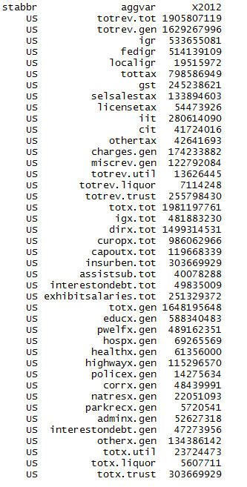
Item |  | United States | Alabama | Alaska | Arizona | Arkansas | California | Colorado | Connecticut | Delaware | Florida | Georgia | Hawaii | Idaho | Illinois | Indiana | Iowa | Kansas | Kentucky | Louisiana | Maine | Maryland | Massachusetts | Michigan | Minnesota | Mississippi | Missouri | Montana | Nebraska | Nevada | New Hampshire | New Jersey | New Mexico | New York | North Carolina | North Dakota | Ohio | Oklahoma | Oregon | Pennsylvania | Rhode Island | South Carolina | South Dakota | Tennessee | Texas | Utah | Vermont | Virginia | Washington | West Virginia | Wisconsin | Wyoming
Total Revenue |  | 1,905,807,119 | 28,970,151 | 14,983,391 | 32,134,279 | 18,442,541 | 250,971,451 | 25,687,893 | 27,327,938 | 7,948,610 | 83,669,700 | 40,644,118 | 10,600,634 | 8,308,086 | 68,901,523 | 35,959,819 | 21,079,797 | 16,144,318 | 25,683,865 | 26,894,374 | 8,418,007 | 36,104,189 | 49,237,223 | 63,986,268 | 38,553,800 | 18,765,204 | 31,065,599 | 6,572,074 | 9,814,709 | 14,317,867 | 7,149,983 | 57,582,037 | 15,264,927 | 179,604,728 | 56,469,252 | 7,772,601 | 72,470,829 | 23,248,146 | 25,087,703 | 78,467,061 | 7,987,246 | 26,132,172 | 4,351,612 | 30,835,976 | 130,720,023 | 15,600,626 | 6,348,888 | 43,137,517 | 40,665,949 | 13,247,295 | 35,880,592 | 6,599,126
General Revenue |  | 1,629,267,996 | 22,226,197 | 14,324,470 | 28,510,923 | 17,124,473 | 199,358,854 | 21,883,601 | 24,508,075 | 7,350,589 | 72,076,083 | 36,379,240 | 9,988,555 | 7,104,084 | 60,986,400 | 32,300,827 | 18,357,465 | 15,068,811 | 22,574,396 | 25,333,506 | 7,975,785 | 33,261,558 | 44,857,467 | 52,875,694 | 34,160,246 | 17,034,877 | 26,487,433 | 5,651,421 | 9,180,653 | 10,982,789 | 5,834,992 | 51,103,196 | 14,194,176 | 148,573,219 | 45,698,898 | 7,067,401 | 59,317,271 | 20,699,879 | 21,727,589 | 66,792,105 | 6,844,076 | 21,269,235 | 3,991,583 | 27,335,625 | 108,125,353 | 14,176,005 | 5,474,067 | 39,439,029 | 34,073,722 | 12,294,552 | 31,410,686 | 5,900,865
Intergovernmental Revenue |  | 533,655,081 | 8,227,630 | 2,866,427 | 10,752,958 | 5,909,693 | 57,426,009 | 6,396,060 | 5,798,580 | 1,881,424 | 23,256,254 | 14,082,843 | 2,357,724 | 2,497,542 | 15,999,360 | 10,515,088 | 6,362,157 | 4,099,551 | 8,088,953 | 11,210,904 | 2,893,782 | 10,374,497 | 13,254,946 | 18,054,809 | 9,725,219 | 7,809,467 | 10,814,599 | 2,206,636 | 3,194,260 | 3,018,419 | 1,871,733 | 14,069,932 | 5,353,495 | 56,075,971 | 15,498,419 | 1,797,141 | 21,275,467 | 7,500,174 | 7,846,393 | 20,626,997 | 2,345,553 | 7,327,090 | 1,657,561 | 11,268,836 | 37,985,130 | 4,487,061 | 1,908,390 | 9,784,138 | 10,010,901 | 4,359,169 | 9,087,593 | 2,442,146
From Federal |  | 514,139,109 | 8,112,509 | 2,860,509 | 10,394,549 | 5,900,988 | 54,145,284 | 6,310,538 | 5,781,844 | 1,814,112 | 22,850,620 | 13,794,726 | 2,352,114 | 2,479,094 | 15,646,844 | 10,441,125 | 6,073,376 | 4,061,217 | 8,056,691 | 11,136,334 | 2,883,526 | 10,030,264 | 12,920,153 | 17,849,942 | 9,608,018 | 7,725,294 | 10,440,927 | 2,202,444 | 3,141,413 | 2,798,426 | 1,693,289 | 13,412,759 | 5,171,367 | 48,698,785 | 15,192,577 | 1,750,134 | 20,687,909 | 7,363,043 | 7,830,552 | 20,440,103 | 2,310,656 | 6,892,660 | 1,630,220 | 11,198,575 | 37,310,756 | 4,481,494 | 1,904,382 | 9,278,113 | 9,743,127 | 4,267,399 | 8,855,079 | 2,213,249
From Local |  | 19,515,972 | 115,121 | 5,918 | 358,409 | 8,705 | 3,280,725 | 85,522 | 16,736 | 67,312 | 405,634 | 288,117 | 5,610 | 18,448 | 352,516 | 73,963 | 288,781 | 38,334 | 32,262 | 74,570 | 10,256 | 344,233 | 334,793 | 204,867 | 117,201 | 84,173 | 373,672 | 4,192 | 52,847 | 219,993 | 178,444 | 657,173 | 182,128 | 7,377,186 | 305,842 | 47,007 | 587,558 | 137,131 | 15,841 | 186,894 | 34,897 | 434,430 | 27,341 | 70,261 | 674,374 | 5,567 | 4,008 | 506,025 | 267,774 | 91,770 | 232,514 | 228,897
Total Taxes |  | 798,586,949 | 9,049,294 | 7,049,398 | 12,996,421 | 8,287,744 | 115,178,568 | 10,262,977 | 15,421,035 | 3,280,185 | 33,842,727 | 16,715,216 | 5,516,146 | 3,374,304 | 36,257,762 | 16,329,595 | 7,932,494 | 7,418,341 | 10,505,794 | 8,994,053 | 3,777,130 | 17,094,560 | 22,820,892 | 23,919,741 | 20,560,540 | 6,953,365 | 10,802,052 | 2,459,324 | 4,366,217 | 6,775,112 | 2,205,045 | 27,456,175 | 5,162,396 | 71,545,745 | 22,712,199 | 4,146,149 | 25,929,094 | 8,823,958 | 8,728,095 | 32,949,917 | 2,868,188 | 8,062,639 | 1,521,928 | 12,015,213 | 48,596,548 | 5,809,955 | 2,757,370 | 18,144,897 | 17,624,715 | 5,285,773 | 15,995,335 | 2,304,628
General Sales and Gross Receipts Taxes |  | 245,238,621 | 2,274,658 | 0 | 6,210,756 | 2,809,416 | 31,253,629 | 2,302,333 | 3,783,635 | 0 | 19,403,788 | 5,303,524 | 2,697,951 | 1,224,656 | 8,034,466 | 6,621,954 | 2,523,266 | 2,825,880 | 3,052,236 | 2,815,919 | 1,064,342 | 4,076,578 | 5,079,105 | 8,933,937 | 4,942,140 | 3,072,243 | 3,103,410 | 0 | 1,570,450 | 3,433,958 | 0 | 8,099,549 | 1,990,535 | 11,904,357 | 5,573,658 | 1,122,783 | 8,277,130 | 2,415,964 | 0 | 9,166,842 | 848,547 | 2,926,177 | 838,240 | 6,545,229 | 24,500,909 | 1,857,035 | 342,085 | 3,487,343 | 10,614,137 | 1,277,328 | 4,288,739 | 747,804
Selective Sales and Gross Receipts Taxes |  | 133,894,603 | 2,351,699 | 248,432 | 1,855,368 | 1,173,416 | 10,087,559 | 1,788,312 | 2,910,937 | 491,044 | 8,709,123 | 2,088,343 | 883,701 | 439,959 | 6,261,222 | 3,258,885 | 1,109,651 | 859,715 | 1,982,341 | 2,072,935 | 684,473 | 3,096,937 | 2,233,787 | 3,720,610 | 4,197,014 | 1,324,426 | 1,661,530 | 544,733 | 522,923 | 1,798,004 | 875,037 | 3,910,003 | 661,116 | 10,964,970 | 3,966,787 | 471,746 | 4,847,006 | 1,292,976 | 1,398,998 | 7,984,791 | 626,000 | 1,248,449 | 359,327 | 2,449,833 | 12,931,057 | 865,093 | 626,218 | 2,373,234 | 3,557,306 | 1,282,258 | 2,719,283 | 126,036
License Taxes |  | 54,473,926 | 517,676 | 135,055 | 393,378 | 359,012 | 8,658,041 | 629,101 | 416,396 | 1,230,384 | 2,205,376 | 505,618 | 258,795 | 299,443 | 2,602,296 | 704,180 | 751,627 | 315,411 | 463,793 | 402,212 | 252,404 | 730,878 | 899,682 | 1,414,986 | 1,186,734 | 517,983 | 563,570 | 315,571 | 183,035 | 583,829 | 262,399 | 1,425,441 | 251,311 | 1,926,804 | 1,473,656 | 187,847 | 3,581,459 | 1,032,981 | 934,874 | 2,646,493 | 129,209 | 488,588 | 250,572 | 1,392,523 | 7,509,000 | 255,679 | 101,161 | 777,187 | 994,819 | 137,670 | 1,077,742 | 140,045
Individual Income Taxes |  | 280,614,090 | 3,017,437 | 0 | 3,093,904 | 2,401,902 | 55,024,435 | 4,875,627 | 7,371,189 | 1,126,014 | 0 | 8,142,371 | 1,540,746 | 1,213,335 | 15,512,310 | 4,765,566 | 3,029,709 | 2,891,743 | 3,512,075 | 2,474,606 | 1,441,926 | 7,116,605 | 11,954,838 | 6,921,033 | 7,988,084 | 1,501,267 | 5,131,686 | 900,180 | 1,838,344 | 0 | 81,557 | 11,128,418 | 1,150,468 | 38,771,968 | 10,383,796 | 432,527 | 9,029,349 | 2,774,376 | 5,825,797 | 10,102,113 | 1,068,466 | 3,096,834 | 0 | 182,251 | 0 | 2,466,495 | 598,450 | 10,216,148 | 0 | 1,755,746 | 6,762,399 | 0
Corporation Net Income Taxes |  | 41,724,016 | 413,253 | 663,144 | 647,809 | 404,083 | 7,949,000 | 492,224 | 628,882 | 262,378 | 2,003,490 | 590,676 | 80,256 | 188,589 | 3,494,539 | 794,508 | 425,776 | 317,578 | 575,164 | 290,389 | 232,118 | 880,356 | 2,001,780 | 804,037 | 1,066,022 | 395,679 | 301,681 | 132,361 | 234,296 | 0 | 521,309 | 1,929,133 | 281,047 | 4,567,889 | 1,220,072 | 215,622 | 117,446 | 446,009 | 433,126 | 1,837,374 | 136,362 | 252,904 | 59,837 | 1,115,383 | 0 | 258,578 | 96,579 | 838,790 | 0 | 192,385 | 934,103 | 0
All Other Taxes |  | 42,641,693 | 474,571 | 6,002,767 | 795,206 | 1,139,915 | 2,205,904 | 175,380 | 309,996 | 170,365 | 1,520,950 | 84,684 | 54,697 | 8,322 | 352,929 | 184,502 | 92,465 | 208,014 | 920,185 | 937,992 | 101,867 | 1,193,206 | 651,700 | 2,125,138 | 1,180,546 | 141,767 | 40,175 | 566,479 | 17,169 | 959,321 | 464,743 | 963,631 | 827,919 | 3,409,757 | 94,230 | 1,715,624 | 76,704 | 861,652 | 135,300 | 1,212,304 | 59,604 | 49,687 | 13,952 | 329,994 | 3,655,582 | 107,075 | 992,877 | 452,195 | 2,458,453 | 640,386 | 213,069 | 1,290,743
Current Charges |  | 174,233,882 | 3,787,625 | 602,391 | 3,207,779 | 2,048,850 | 16,705,152 | 3,010,443 | 1,767,855 | 1,068,756 | 9,009,015 | 3,568,738 | 1,580,859 | 719,731 | 4,557,452 | 3,531,471 | 2,816,563 | 2,593,796 | 2,788,564 | 2,705,654 | 738,923 | 3,236,327 | 4,433,748 | 7,060,490 | 2,183,747 | 1,694,539 | 2,591,942 | 521,596 | 952,322 | 638,184 | 873,480 | 5,380,279 | 1,377,198 | 8,901,871 | 4,746,914 | 720,241 | 7,681,122 | 2,390,357 | 3,450,121 | 9,029,379 | 722,482 | 3,966,679 | 319,784 | 1,949,934 | 11,902,258 | 2,956,494 | 520,739 | 7,605,019 | 4,219,538 | 1,406,361 | 3,815,868 | 175,252
Miscellaneous General Revenue |  | 122,792,084 | 1,161,648 | 3,806,254 | 1,553,765 | 878,186 | 10,049,125 | 2,214,121 | 1,520,605 | 1,120,224 | 5,968,087 | 2,012,443 | 533,826 | 512,507 | 4,171,826 | 1,924,673 | 1,246,251 | 957,123 | 1,191,085 | 2,422,895 | 565,950 | 2,556,174 | 4,347,881 | 3,840,654 | 1,690,740 | 577,506 | 2,278,840 | 463,865 | 667,854 | 551,074 | 884,734 | 4,196,810 | 2,301,087 | 12,049,632 | 2,741,366 | 403,870 | 4,431,588 | 1,985,390 | 1,702,980 | 4,185,812 | 907,853 | 1,912,827 | 492,310 | 2,101,642 | 9,641,417 | 922,495 | 287,568 | 3,904,975 | 2,218,568 | 1,243,249 | 2,511,890 | 978,839
Utility Revenue |  | 13,626,445 | 0 | 16,357 | 29,836 | 0 | 1,043,360 | 0 | 36,647 | 16,822 | 21,381 | 9,550 | 0 | 0 | 0 | 0 | 0 | 0 | 0 | 7,269 | 0 | 135,448 | 673,413 | 0 | 0 | 0 | 0 | 0 | 0 | 90,366 | 0 | 1,003,154 | 0 | 8,022,159 | 56 | 0 | 0 | 583,211 | 0 | 0 | 33,338 | 1,901,172 | 0 | 0 | 0 | 0 | 0 | 0 | 0 | 2,906 | 0 | 0
Liquor Stores Revenue |  | 7,114,248 | 267,388 | 0 | 0 | 0 | 0 | 0 | 0 | 0 | 0 | 0 | 0 | 127,622 | 0 | 0 | 245,991 | 0 | 0 | 0 | 32 | 0 | 0 | 856,717 | 0 | 271,202 | 0 | 78,406 | 0 | 0 | 558,188 | 0 | 0 | 0 | 0 | 0 | 864,124 | 0 | 465,630 | 1,657,205 | 0 | 0 | 0 | 0 | 0 | 269,638 | 48,996 | 609,478 | 612,106 | 88,321 | 0 | 93,204
Insurance Trust Revenue (1) |  | 255,798,430 | 6,476,566 | 642,564 | 3,593,520 | 1,318,068 | 50,569,237 | 3,804,292 | 2,783,216 | 581,199 | 11,572,236 | 4,255,328 | 612,079 | 1,076,380 | 7,915,123 | 3,658,992 | 2,476,341 | 1,075,507 | 3,109,469 | 1,553,599 | 442,190 | 2,707,183 | 3,706,343 | 10,253,857 | 4,393,554 | 1,459,125 | 4,578,166 | 842,247 | 634,056 | 3,244,712 | 756,803 | 5,475,687 | 1,070,751 | 23,009,350 | 10,770,298 | 705,200 | 12,289,434 | 1,965,056 | 2,894,484 | 10,017,751 | 1,109,832 | 2,961,765 | 360,029 | 3,500,351 | 22,594,670 | 1,154,983 | 825,825 | 3,089,010 | 5,980,121 | 861,516 | 4,469,906 | 605,057
Unemployment Compensation Systems |  | 80,109,746 | 515,928 | 213,531 | 671,671 | 748,504 | 15,170,427 | 831,826 | 1,497,753 | 153,187 | 2,875,627 | 1,584,334 | 317,821 | 334,012 | 4,382,043 | 2,518,931 | 669,372 | 434,605 | 1,464,244 | 273,116 | 186,720 | 1,132,589 | 1,943,027 | 1,927,518 | 1,346,927 | 291,326 | 1,251,627 | 161,459 | 213,693 | 1,210,754 | 232,865 | 4,003,069 | 218,975 | 6,130,074 | 3,586,074 | 100,485 | 3,304,851 | 556,339 | 1,077,729 | 5,678,289 | 479,978 | 1,326,053 | 50,790 | 786,893 | 2,817,933 | 357,035 | 208,650 | 777,899 | 1,533,450 | 237,208 | 2,183,194 | 139,341
State-Administered Pension Systems |  | 152,590,817 | 5,960,638 | 424,143 | 2,556,104 | 549,323 | 27,230,689 | 2,393,078 | 1,253,342 | 419,939 | 8,691,353 | 2,575,550 | 294,258 | 574,259 | 3,479,007 | 1,135,215 | 1,800,587 | 632,134 | 1,363,500 | 976,346 | 244,455 | 1,202,664 | 1,586,199 | 8,315,408 | 2,958,760 | 1,162,468 | 3,284,825 | 471,014 | 420,266 | 2,033,958 | 523,938 | 793,136 | 820,090 | 14,271,557 | 7,184,224 | 444,490 | 6,263,697 | 1,109,538 | 1,312,954 | 4,041,357 | 448,640 | 1,518,610 | 306,014 | 2,713,458 | 18,805,941 | 584,349 | 617,175 | 2,306,328 | 1,529,043 | 530,477 | 2,283,883 | 197,034
Workers' Compensation Systems |  | 15,526,364 | 0 | 4,890 | 365,745 | 20,241 | 1,912,778 | 463,194 | 32,121 | 8,073 | 5,256 | 0 | 0 | 168,109 | 24,043 | 4,846 | 6,382 | 8,768 | 281,725 | 65,446 | 11,015 | 256,173 | 88,864 | 10,931 | 87,867 | 5,331 | 41,714 | 202,978 | 97 | 0 | 0 | 221,698 | 30,413 | 2,607,719 | 0 | 160,225 | 2,720,886 | 299,179 | 503,801 | 298,105 | 15,276 | 117,102 | 3,225 | 0 | 970,796 | 213,599 | 0 | 4,783 | 2,917,628 | 93,831 | 2,829 | 268,682
Other Insurance Trust Systems |  | 7,571,503 | 0 | 0 | 0 | 0 | 6,255,343 | 116,194 | 0 | 0 | 0 | 95,444 | 0 | 0 | 30,030 | 0 | 0 | 0 | 0 | 238,691 | 0 | 115,757 | 88,253 | 0 | 0 | 0 | 0 | 6,796 | 0 | 0 | 0 | 457,784 | 1,273 | 0 | 0 | 0 | 0 | 0 | 0 | 0 | 165,938 | 0 | 0 | 0 | 0 | 0 | 0 | 0 | 0 | 0 | 0 | 0

Total Expenditure |  | 1,981,197,761 | 27,686,973 | 11,729,460 | 31,888,001 | 19,618,284 | 269,054,703 | 28,238,168 | 28,370,101 | 8,315,681 | 79,482,176 | 44,751,105 | 11,565,554 | 8,301,262 | 72,622,240 | 35,834,759 | 20,407,524 | 16,747,356 | 29,349,094 | 31,679,177 | 9,128,086 | 41,139,083 | 56,684,677 | 61,726,982 | 38,612,582 | 20,051,298 | 31,102,862 | 7,062,896 | 9,525,518 | 13,477,122 | 7,423,747 | 68,121,744 | 17,059,410 | 181,226,180 | 53,624,402 | 6,315,436 | 76,524,453 | 22,598,865 | 26,862,451 | 87,339,608 | 8,325,783 | 27,668,441 | 4,424,154 | 31,497,959 | 125,952,731 | 17,109,026 | 5,959,250 | 46,759,950 | 45,501,471 | 13,222,912 | 37,753,491 | 5,773,573
Intergovernmental Expenditure |  | 481,883,230 | 6,563,313 | 1,897,331 | 8,023,697 | 5,047,345 | 85,425,616 | 6,105,130 | 4,614,954 | 1,161,381 | 17,340,127 | 10,223,211 | 194,791 | 1,956,717 | 15,866,914 | 9,313,044 | 4,804,976 | 3,953,778 | 5,029,106 | 6,387,767 | 1,286,233 | 8,380,215 | 9,291,231 | 19,021,267 | 10,833,320 | 5,138,081 | 5,877,847 | 1,316,548 | 2,170,016 | 4,120,103 | 1,226,012 | 11,789,109 | 4,450,387 | 57,406,012 | 13,514,695 | 1,643,402 | 17,932,406 | 4,230,427 | 5,657,912 | 18,526,116 | 1,143,486 | 5,312,018 | 753,622 | 7,181,421 | 29,860,716 | 3,029,283 | 1,636,024 | 11,653,818 | 9,530,116 | 2,618,032 | 9,741,343 | 1,702,814
Direct Expenditure |  | 1,499,314,531 | 21,123,660 | 9,832,129 | 23,864,304 | 14,570,939 | 183,629,087 | 22,133,038 | 23,755,147 | 7,154,300 | 62,142,049 | 34,527,894 | 11,370,763 | 6,344,545 | 56,755,326 | 26,521,715 | 15,602,548 | 12,793,578 | 24,319,988 | 25,291,410 | 7,841,853 | 32,758,868 | 47,393,446 | 42,705,715 | 27,779,262 | 14,913,217 | 25,225,015 | 5,746,348 | 7,355,502 | 9,357,019 | 6,197,735 | 56,332,635 | 12,609,023 | 123,820,168 | 40,109,707 | 4,672,034 | 58,592,047 | 18,368,438 | 21,204,539 | 68,813,492 | 7,182,297 | 22,356,423 | 3,670,532 | 24,316,538 | 96,092,015 | 14,079,743 | 4,323,226 | 35,106,132 | 35,971,355 | 10,604,880 | 28,012,148 | 4,070,759
Current Operations |  | 986,062,966 | 14,722,827 | 6,762,269 | 16,521,095 | 10,898,596 | 111,385,472 | 13,554,526 | 15,050,749 | 5,000,289 | 44,182,071 | 23,083,929 | 8,434,789 | 4,343,634 | 33,633,967 | 17,981,254 | 10,586,846 | 9,155,836 | 16,111,059 | 17,537,664 | 5,897,204 | 20,703,937 | 30,853,504 | 29,062,055 | 19,329,154 | 10,643,190 | 17,536,408 | 3,821,986 | 5,586,738 | 5,148,341 | 4,455,594 | 34,014,984 | 8,908,533 | 81,421,946 | 27,649,924 | 2,928,119 | 34,294,120 | 12,855,461 | 13,613,087 | 43,222,274 | 4,496,840 | 15,648,438 | 2,374,889 | 18,077,737 | 67,200,014 | 9,338,265 | 3,424,462 | 24,277,675 | 22,184,045 | 7,477,840 | 17,893,494 | 2,775,836
Capital Outlay |  | 119,668,339 | 2,019,406 | 1,295,382 | 1,625,510 | 1,115,511 | 10,150,635 | 1,591,023 | 1,647,811 | 793,227 | 4,814,086 | 2,691,415 | 997,741 | 569,633 | 3,932,732 | 2,650,794 | 1,753,138 | 1,098,784 | 1,943,755 | 2,434,760 | 455,832 | 4,670,026 | 3,591,002 | 2,269,554 | 1,363,270 | 1,252,894 | 1,770,863 | 758,287 | 778,742 | 896,496 | 456,030 | 3,543,167 | 890,385 | 10,627,292 | 3,483,363 | 983,799 | 3,810,578 | 1,891,484 | 1,240,580 | 7,112,341 | 432,127 | 1,275,224 | 640,638 | 1,708,629 | 7,763,901 | 2,018,335 | 253,942 | 3,537,360 | 3,016,839 | 1,213,167 | 2,348,345 | 488,504
Insurance Benefits and Repayments |  | 303,669,929 | 3,475,004 | 1,300,476 | 4,380,656 | 1,879,946 | 50,276,570 | 5,766,768 | 4,986,309 | 871,331 | 9,816,186 | 7,027,126 | 1,455,921 | 1,124,561 | 14,554,052 | 3,896,762 | 2,474,679 | 2,097,277 | 4,704,138 | 3,920,302 | 1,079,610 | 4,490,104 | 8,667,340 | 9,110,861 | 5,196,331 | 2,458,854 | 4,530,544 | 915,662 | 737,666 | 2,828,506 | 740,997 | 15,343,529 | 2,242,763 | 24,457,501 | 7,753,407 | 495,109 | 17,172,121 | 2,656,269 | 5,361,581 | 14,602,230 | 1,598,412 | 3,779,261 | 446,152 | 3,097,029 | 17,245,846 | 1,695,317 | 376,753 | 4,625,604 | 7,896,071 | 1,436,585 | 5,946,605 | 677,245
Assistance and Subsidies |  | 40,078,288 | 564,146 | 186,508 | 661,815 | 527,793 | 4,138,422 | 347,431 | 539,191 | 231,659 | 1,931,531 | 1,037,245 | 143,717 | 140,238 | 1,291,030 | 1,016,336 | 534,080 | 171,459 | 852,460 | 497,590 | 165,786 | 1,796,653 | 829,308 | 1,258,056 | 1,091,694 | 258,895 | 547,914 | 108,170 | 163,402 | 280,509 | 152,745 | 1,250,646 | 263,476 | 1,621,943 | 584,221 | 164,208 | 2,005,401 | 427,500 | 541,624 | 2,212,477 | 146,685 | 951,486 | 84,729 | 1,180,159 | 2,162,739 | 743,163 | 142,926 | 1,540,755 | 1,524,623 | 226,909 | 763,464 | 73,371
Interest on Debt |  | 49,835,009 | 342,277 | 287,494 | 675,228 | 149,093 | 7,677,988 | 873,290 | 1,531,087 | 257,794 | 1,398,175 | 688,179 | 338,595 | 166,479 | 3,343,545 | 976,569 | 253,805 | 270,222 | 708,576 | 901,094 | 243,421 | 1,098,148 | 3,452,292 | 1,005,189 | 798,813 | 299,384 | 839,286 | 142,243 | 88,954 | 203,167 | 392,369 | 2,180,309 | 303,866 | 5,691,486 | 638,792 | 100,799 | 1,309,827 | 537,724 | 447,667 | 1,664,170 | 508,233 | 702,014 | 124,124 | 252,984 | 1,719,515 | 284,663 | 125,143 | 1,124,738 | 1,349,777 | 250,379 | 1,060,240 | 55,803
Exhibit: Salaries and Wages |  | 251,329,372 | 4,467,260 | 1,830,954 | 3,294,463 | 3,006,391 | 29,064,238 | 3,885,321 | 4,351,780 | 2,437,113 | 8,958,045 | 5,931,608 | 2,264,476 | 1,054,355 | 8,959,366 | 3,979,707 | 2,630,298 | 3,527,202 | 3,908,659 | 4,229,417 | 766,398 | 4,825,276 | 5,930,456 | 7,503,809 | 5,167,138 | 2,414,722 | 3,768,542 | 992,277 | 2,332,695 | 1,539,793 | 898,655 | 10,398,577 | 2,615,178 | 17,502,318 | 8,406,717 | 1,055,163 | 9,184,899 | 3,093,136 | 4,696,695 | 8,309,428 | 1,168,436 | 3,551,541 | 941,805 | 3,633,609 | 15,909,359 | 2,820,049 | 755,761 | 6,519,862 | 9,892,412 | 1,832,088 | 4,381,071 | 740,854

General Expenditure |  | 1,648,195,648 | 23,963,102 | 10,262,809 | 27,475,756 | 17,738,338 | 217,146,079 | 22,430,489 | 22,776,282 | 7,308,545 | 69,519,188 | 37,682,147 | 10,097,693 | 7,079,308 | 58,068,188 | 31,937,997 | 17,767,423 | 14,650,079 | 24,644,956 | 27,753,643 | 8,044,046 | 35,730,453 | 45,655,014 | 51,919,398 | 33,409,515 | 17,373,134 | 26,572,318 | 6,066,330 | 8,787,852 | 10,558,678 | 6,201,949 | 50,460,374 | 14,816,647 | 144,244,674 | 45,811,246 | 5,820,327 | 58,833,243 | 19,275,845 | 21,245,041 | 71,196,967 | 6,577,646 | 22,182,824 | 3,978,002 | 28,400,930 | 108,706,885 | 15,218,791 | 5,531,949 | 41,645,194 | 37,110,192 | 11,709,303 | 31,794,538 | 5,014,321
Intergovernmental General Expenditure |  | 481,883,230 | 6,563,313 | 1,897,331 | 8,023,697 | 5,047,345 | 85,425,616 | 6,105,130 | 4,614,954 | 1,161,381 | 17,340,127 | 10,223,211 | 194,791 | 1,956,717 | 15,866,914 | 9,313,044 | 4,804,976 | 3,953,778 | 5,029,106 | 6,387,767 | 1,286,233 | 8,380,215 | 9,291,231 | 19,021,267 | 10,833,320 | 5,138,081 | 5,877,847 | 1,316,548 | 2,170,016 | 4,120,103 | 1,226,012 | 11,789,109 | 4,450,387 | 57,406,012 | 13,514,695 | 1,643,402 | 17,932,406 | 4,230,427 | 5,657,912 | 18,526,116 | 1,143,486 | 5,312,018 | 753,622 | 7,181,421 | 29,860,716 | 3,029,283 | 1,636,024 | 11,653,818 | 9,530,116 | 2,618,032 | 9,741,343 | 1,702,814
Direct General Expenditure |  | 1,166,312,418 | 17,399,789 | 8,365,478 | 19,452,059 | 12,690,993 | 131,720,463 | 16,325,359 | 18,161,328 | 6,147,164 | 52,179,061 | 27,458,936 | 9,902,902 | 5,122,591 | 42,201,274 | 22,624,953 | 12,962,447 | 10,696,301 | 19,615,850 | 21,365,876 | 6,757,813 | 27,350,238 | 36,363,783 | 32,898,131 | 22,576,195 | 12,235,053 | 20,694,471 | 4,749,782 | 6,617,836 | 6,438,575 | 4,975,937 | 38,671,265 | 10,366,260 | 86,838,662 | 32,296,551 | 4,176,925 | 40,900,837 | 15,045,418 | 15,587,129 | 52,670,851 | 5,434,160 | 16,870,806 | 3,224,380 | 21,219,509 | 78,846,169 | 12,189,508 | 3,895,925 | 29,991,376 | 27,580,076 | 9,091,271 | 22,053,195 | 3,311,507
 |  | 2,900,498
General Expenditure, by Function: |  | 8508209
Education |  | 588,340,483 | 10,266,418 | 2,595,207 | 9,113,877 | 7,603,248 | 72,709,788 | 9,364,476 | 6,721,227 | 2,513,271 | 22,977,169 | 17,230,061 | 3,502,973 | 2,641,571 | 17,242,182 | 14,771,969 | 6,273,695 | 6,027,749 | 9,539,824 | 8,998,450 | 2,079,722 | 11,532,059 | 12,945,708 | 22,912,611 | 12,658,510 | 5,561,568 | 9,059,827 | 1,818,019 | 3,301,868 | 4,265,283 | 2,109,971 | 16,770,319 | 5,337,423 | 41,988,956 | 19,600,485 | 1,843,777 | 21,068,295 | 7,393,658 | 7,236,153 | 22,021,320 | 1,952,295 | 8,112,243 | 1,216,415 | 9,862,265 | 49,004,218 | 6,802,778 | 2,341,488 | 15,063,078 | 15,147,114 | 4,335,500 | 11,220,247 | 1,684,155
Public Welfare |  | 489,162,351 | 6,383,487 | 2,018,001 | 8,287,322 | 5,170,079 | 69,087,772 | 5,474,323 | 6,726,928 | 1,865,564 | 21,613,069 | 10,639,946 | 1,988,186 | 2,018,744 | 17,259,799 | 8,571,389 | 5,109,297 | 3,447,299 | 7,277,235 | 6,300,387 | 2,918,615 | 9,823,911 | 15,183,735 | 14,815,977 | 12,061,690 | 5,440,263 | 8,153,718 | 1,356,335 | 2,268,148 | 2,255,459 | 1,761,943 | 14,800,551 | 3,925,202 | 52,276,732 | 12,830,133 | 909,335 | 19,062,009 | 5,800,012 | 6,151,377 | 22,498,613 | 2,328,052 | 5,896,867 | 933,462 | 10,894,369 | 31,158,127 | 2,924,560 | 1,497,934 | 9,223,748 | 8,337,257 | 3,293,863 | 8,380,447 | 761,080
Hospitals |  | 69,265,569 | 1,919,745 | 77,000 | 694,614 | 922,948 | 11,272,752 | 665,485 | 1,292,405 | 49,911 | 965,624 | 963,795 | 753,463 | 50,468 | 1,339,012 | 163,335 | 1,508,973 | 1,413,684 | 1,161,717 | 1,949,705 | 128,578 | 498,376 | 483,248 | 2,722,246 | 536,623 | 1,051,451 | 1,653,255 | 46,671 | 254,981 | 258,807 | 45,336 | 2,143,974 | 945,585 | 6,333,165 | 1,693,182 | 52,580 | 2,949,601 | 281,726 | 1,570,228 | 3,551,268 | 69,926 | 1,514,075 | 21,840 | 408,545 | 4,862,605 | 1,066,021 | 16,292 | 3,381,237 | 2,157,319 | 125,062 | 1,270,327 | 6,803
Health |  | 61,356,000 | 622,944 | 348,287 | 1,981,599 | 290,129 | 7,827,685 | 977,094 | 941,149 | 433,897 | 3,767,515 | 1,181,602 | 492,387 | 170,951 | 2,500,639 | 556,471 | 250,487 | 401,351 | 702,858 | 567,016 | 503,202 | 2,097,882 | 1,116,922 | 1,302,362 | 344,840 | 418,887 | 1,499,487 | 168,359 | 451,811 | 252,479 | 94,448 | 1,227,773 | 471,493 | 9,082,315 | 1,403,801 | 127,997 | 2,364,838 | 890,129 | 766,221 | 2,986,776 | 160,332 | 997,756 | 172,897 | 960,344 | 2,687,506 | 353,963 | 183,664 | 1,061,482 | 1,795,863 | 361,623 | 755,964 | 278,523
Highways |  | 115,296,570 | 1,642,445 | 1,071,272 | 1,943,212 | 1,174,098 | 13,281,731 | 1,345,411 | 1,078,761 | 582,475 | 5,378,094 | 1,893,534 | 405,475 | 705,454 | 4,970,483 | 2,955,658 | 1,770,222 | 1,297,323 | 2,236,818 | 1,922,374 | 617,960 | 4,189,223 | 2,061,171 | 2,398,563 | 2,112,104 | 1,452,220 | 1,867,327 | 843,081 | 688,560 | 981,835 | 530,257 | 2,967,408 | 708,833 | 4,709,126 | 3,520,731 | 1,108,376 | 3,741,503 | 1,881,831 | 1,436,177 | 7,581,761 | 350,933 | 1,216,035 | 662,604 | 1,889,972 | 6,789,751 | 1,541,919 | 554,394 | 3,875,133 | 3,228,413 | 1,217,378 | 2,341,449 | 575,702
Police Protection |  | 14,275,634 | 165,180 | 146,284 | 240,861 | 101,256 | 1,542,994 | 141,659 | 220,419 | 119,254 | 532,611 | 323,141 | 30,364 | 51,424 | 451,168 | 230,805 | 99,515 | 99,829 | 184,188 | 368,657 | 71,576 | 507,670 | 783,475 | 306,532 | 361,972 | 113,297 | 241,555 | 55,339 | 91,227 | 107,004 | 57,320 | 669,304 | 135,073 | 945,549 | 532,446 | 30,285 | 307,881 | 216,499 | 169,893 | 913,085 | 66,541 | 168,659 | 36,048 | 217,188 | 762,129 | 143,050 | 87,692 | 537,402 | 322,752 | 81,483 | 138,527 | 47,572
Correction |  | 48,439,991 | 553,060 | 312,646 | 927,931 | 414,013 | 8,753,375 | 1,019,793 | 694,938 | 282,052 | 2,238,044 | 1,446,530 | 198,207 | 234,723 | 1,351,538 | 647,444 | 378,954 | 331,421 | 512,669 | 729,887 | 137,719 | 1,408,032 | 1,056,190 | 1,643,230 | 485,334 | 360,649 | 723,635 | 189,232 | 246,388 | 276,142 | 112,251 | 1,426,761 | 383,265 | 2,869,707 | 1,324,737 | 102,427 | 1,541,419 | 527,852 | 724,927 | 1,999,636 | 181,936 | 483,177 | 116,282 | 850,113 | 3,613,756 | 299,588 | 127,496 | 1,678,143 | 967,277 | 288,148 | 1,119,898 | 147,419
Natural Resources |  | 22,051,093 | 262,363 | 318,248 | 268,238 | 258,107 | 4,123,922 | 331,832 | 174,134 | 94,707 | 1,121,508 | 463,563 | 95,578 | 195,371 | 274,308 | 323,999 | 340,824 | 235,711 | 325,438 | 705,161 | 164,932 | 507,069 | 321,229 | 292,562 | 559,702 | 290,930 | 348,386 | 257,857 | 245,433 | 123,990 | 70,314 | 650,516 | 210,846 | 517,719 | 598,115 | 418,022 | 376,232 | 224,786 | 444,187 | 647,830 | 62,513 | 196,427 | 160,282 | 346,760 | 1,156,873 | 147,787 | 87,543 | 685,750 | 740,053 | 260,494 | 633,582 | 389,360
Parks and Recreation |  | 5,720,541 | 30,174 | 20,181 | 93,719 | 60,092 | 632,621 | 108,474 | 70,102 | 38,427 | 94,998 | 188,350 | 92,298 | 33,685 | 214,474 | 75,550 | 28,693 | 33,341 | 97,273 | 336,734 | 24,247 | 187,065 | 219,135 | 96,729 | 236,506 | 84,340 | 40,000 | 15,232 | 35,844 | 18,667 | 24,992 | 278,232 | 56,493 | 488,554 | 172,875 | 35,321 | 74,750 | 89,040 | 85,962 | 299,068 | 28,552 | 78,888 | 44,361 | 88,309 | 191,942 | 41,283 | 14,401 | 190,391 | 118,643 | 55,674 | 26,295 | 29,564
Governmental Administration |  | 52,627,318 | 567,410 | 681,270 | 633,008 | 622,281 | 7,871,385 | 866,159 | 1,219,799 | 449,783 | 2,529,744 | 838,701 | 387,954 | 281,262 | 1,397,585 | 599,023 | 522,486 | 446,830 | 861,261 | 895,022 | 283,186 | 1,316,538 | 1,677,672 | 817,689 | 816,400 | 391,991 | 484,422 | 376,209 | 209,803 | 284,100 | 229,143 | 1,706,730 | 545,924 | 5,732,237 | 1,177,029 | 147,512 | 1,746,852 | 607,197 | 1,062,849 | 3,115,541 | 325,387 | 556,154 | 176,030 | 837,157 | 1,780,887 | 702,523 | 135,039 | 1,281,124 | 1,005,088 | 443,170 | 742,144 | 242,628
Interest on General Debt |  | 47,273,956 | 342,277 | 282,462 | 673,269 | 149,093 | 7,320,988 | 839,566 | 1,531,087 | 257,794 | 1,398,175 | 688,179 | 338,595 | 166,479 | 3,343,545 | 976,569 | 253,805 | 270,222 | 708,576 | 901,094 | 243,421 | 1,098,148 | 3,086,263 | 1,005,189 | 798,813 | 299,384 | 839,286 | 142,243 | 88,954 | 200,676 | 392,369 | 2,177,356 | 303,866 | 4,213,731 | 638,792 | 100,799 | 1,309,827 | 451,344 | 447,667 | 1,664,170 | 508,233 | 474,284 | 124,124 | 252,984 | 1,719,515 | 284,663 | 125,143 | 1,124,738 | 1,349,777 | 250,379 | 1,060,240 | 55,803
Other and Unallocable |  | 134,386,142 | 1,207,599 | 2,391,951 | 2,618,106 | 972,994 | 12,721,066 | 1,296,217 | 2,105,333 | 621,410 | 6,902,637 | 1,824,745 | 1,812,213 | 529,176 | 7,723,455 | 2,065,785 | 1,230,472 | 645,319 | 1,037,099 | 4,079,156 | 870,888 | 2,564,480 | 6,720,266 | 3,605,708 | 2,437,021 | 1,908,154 | 1,661,420 | 797,753 | 904,835 | 1,534,236 | 773,605 | 5,641,450 | 1,792,644 | 15,086,883 | 2,318,920 | 943,896 | 4,290,036 | 911,771 | 1,149,400 | 3,917,899 | 542,946 | 2,488,259 | 313,657 | 1,792,924 | 4,979,576 | 910,656 | 360,863 | 3,542,968 | 1,940,636 | 996,529 | 4,105,418 | 795,712
Utility Expenditure |  | 23,724,473 | 0 | 166,175 | 31,589 | 0 | 1,632,054 | 40,911 | 607,510 | 135,805 | 146,802 | 41,832 | 11,940 | 0 | 0 | 0 | 0 | 0 | 0 | 5,232 | 4,430 | 918,526 | 2,362,323 | 0 | 6,736 | 0 | 0 | 13,147 | 0 | 89,938 | 7,097 | 2,317,841 | 0 | 12,524,005 | 59,749 | 0 | 0 | 666,751 | 28,911 | 0 | 149,725 | 1,706,356 | 0 | 0 | 0 | 0 | 1 | 0 | 32,629 | 4,110 | 12,348 | 0
Liquor Stores Expenditure |  | 5,607,711 | 248,867 | 0 | 0 | 0 | 0 | 0 | 0 | 0 | 0 | 0 | 0 | 97,393 | 0 | 0 | 165,422 | 0 | 0 | 0 | 0 | 0 | 0 | 696,723 | 0 | 219,310 | 0 | 67,757 | 0 | 0 | 473,704 | 0 | 0 | 0 | 0 | 0 | 519,089 | 0 | 226,918 | 1,540,411 | 0 | 0 | 0 | 0 | 0 | 194,918 | 50,547 | 489,152 | 462,579 | 72,914 | 0 | 82,007
Insurance Trust Expenditure |  | 303,669,929 | 3,475,004 | 1,300,476 | 4,380,656 | 1,879,946 | 50,276,570 | 5,766,768 | 4,986,309 | 871,331 | 9,816,186 | 7,027,126 | 1,455,921 | 1,124,561 | 14,554,052 | 3,896,762 | 2,474,679 | 2,097,277 | 4,704,138 | 3,920,302 | 1,079,610 | 4,490,104 | 8,667,340 | 9,110,861 | 5,196,331 | 2,458,854 | 4,530,544 | 915,662 | 737,666 | 2,828,506 | 740,997 | 15,343,529 | 2,242,763 | 24,457,501 | 7,753,407 | 495,109 | 17,172,121 | 2,656,269 | 5,361,581 | 14,602,230 | 1,598,412 | 3,779,261 | 446,152 | 3,097,029 | 17,245,846 | 1,695,317 | 376,753 | 4,625,604 | 7,896,071 | 1,436,585 | 5,946,605 | 677,245
Unemployment Compensation Systems |  | 95,317,830 | 712,100 | 350,001 | 1,050,005 | 614,582 | 15,434,773 | 1,541,617 | 1,863,052 | 377,996 | 3,425,599 | 2,136,358 | 465,490 | 357,836 | 4,950,531 | 1,733,492 | 711,443 | 740,788 | 1,307,669 | 524,806 | 308,253 | 1,517,511 | 3,368,373 | 3,191,214 | 1,550,185 | 439,055 | 1,258,887 | 213,981 | 265,201 | 1,247,512 | 181,786 | 6,028,698 | 564,149 | 7,278,677 | 3,275,887 | 78,467 | 3,115,505 | 519,740 | 1,692,051 | 5,880,677 | 540,697 | 949,666 | 45,764 | 1,293,332 | 5,378,983 | 438,983 | 142,570 | 1,130,350 | 2,847,969 | 352,252 | 1,799,633 | 123,684
State-Administered Pension Systems |  | 190,622,956 | 2,762,904 | 946,023 | 3,190,009 | 1,249,704 | 28,574,208 | 3,733,386 | 3,091,354 | 486,764 | 6,219,295 | 4,790,856 | 990,431 | 645,450 | 9,542,082 | 2,158,239 | 1,757,619 | 1,351,912 | 3,207,677 | 3,218,454 | 771,357 | 2,718,564 | 4,454,757 | 5,906,743 | 3,614,343 | 2,019,799 | 3,234,508 | 572,767 | 471,361 | 1,580,994 | 559,211 | 8,601,864 | 1,646,379 | 14,865,358 | 4,477,520 | 227,818 | 12,539,816 | 1,902,134 | 3,329,730 | 8,466,400 | 894,156 | 2,662,618 | 397,248 | 1,803,697 | 11,570,945 | 1,088,687 | 234,183 | 3,490,700 | 3,118,616 | 955,411 | 4,136,885 | 392,020
Workers' Compensation Systems |  | 10,923,109 | 0 | 4,452 | 140,642 | 15,660 | 1,421,027 | 371,749 | 31,903 | 6,571 | 171,292 | 0 | 0 | 121,275 | 12,599 | 5,031 | 5,617 | 4,577 | 188,792 | 44,558 | 0 | 191,325 | 52,378 | 12,904 | 31,803 | 0 | 37,149 | 118,029 | 1,104 | 0 | 0 | 196,400 | 17,348 | 2,313,466 | 0 | 188,824 | 1,516,800 | 234,395 | 339,800 | 255,153 | 2,214 | 166,977 | 3,140 | 0 | 295,918 | 167,647 | 0 | 4,554 | 1,929,486 | 128,922 | 10,087 | 161,541
Other Insurance Trust Systems |  | 6,806,034 | 0 | 0 | 0 | 0 | 4,846,562 | 120,016 | 0 | 0 | 0 | 99,912 | 0 | 0 | 48,840 | 0 | 0 | 0 | 0 | 132,484 | 0 | 62,704 | 791,832 | 0 | 0 | 0 | 0 | 10,885 | 0 | 0 | 0 | 516,567 | 14,887 | 0 | 0 | 0 | 0 | 0 | 0 | 0 | 161,345 | 0 | 0 | 0 | 0 | 0 | 0 | 0 | 0 | 0 | 0 | 0

Debt Outstanding, Long Term and Short Term |  | 1,148,934,238 | 8,719,430 | 5,909,456 | 14,507,370 | 3,655,727 | 153,528,617 | 15,999,530 | 31,965,511 | 5,796,853 | 38,171,049 | 13,400,514 | 8,398,012 | 3,945,615 | 64,301,765 | 22,511,518 | 6,166,080 | 6,860,094 | 15,103,515 | 18,728,928 | 5,605,606 | 25,812,859 | 79,523,608 | 30,823,672 | 13,230,223 | 7,194,251 | 20,385,537 | 3,995,366 | 2,073,385 | 3,896,718 | 8,029,849 | 64,851,557 | 7,550,084 | 135,884,070 | 18,291,688 | 2,083,611 | 33,602,457 | 9,979,234 | 13,826,154 | 46,198,646 | 9,211,790 | 14,854,263 | 3,607,615 | 6,167,659 | 45,626,393 | 7,067,149 | 3,390,961 | 27,785,849 | 29,090,132 | 7,306,756 | 22,995,708 | 1,321,804

Cash and Security Holdings |  | 3,667,671,249 | 38,263,061 | 72,593,198 | 48,451,563 | 26,847,537 | 519,751,463 | 64,711,434 | 39,168,280 | 15,055,631 | 188,199,789 | 78,417,567 | 15,991,100 | 19,098,509 | 124,221,333 | 57,994,974 | 37,989,795 | 19,264,960 | 38,822,966 | 54,192,018 | 17,068,739 | 58,040,341 | 84,793,434 | 67,777,413 | 61,022,727 | 25,682,531 | 69,725,939 | 17,923,370 | 14,397,561 | 28,228,947 | 12,442,797 | 109,069,871 | 42,997,175 | 320,854,207 | 93,964,937 | 17,866,252 | 204,735,421 | 38,413,999 | 69,404,486 | 119,210,539 | 16,036,376 | 38,146,746 | 12,886,503 | 44,860,943 | 297,116,886 | 26,645,247 | 3,973,934 | 71,284,646 | 81,890,999 | 19,706,538 | 97,410,118 | 25,056,449
 | For more information on the Annual Survey of State Government Finances, please see About the Survey. Finances are classified according to the Census Bureau's classification methodology as outlined in the Government Finance and Employment Classification Manual.

 | (1) Within insurance trust revenue, net earnings of state-administered pension systems is a calculated statistic (the item code in the data file is X08), and thus can be positive or negative. Net earnings is the sum of earnings on investments plus gains on investments minus losses on investments. The change made in 2002 for asset valuation from book to market value in accordance with Statement 34 of the Governmental Accounting Standards Board is reflected in the calculated statistics. The statistics reflect state government fiscal years that end on June 30, except for four states with other ending dates: Alabama and Michigan (September 30), New York (March 31), and Texas (August 31). Data are released on a flow basis and will be replaced when updated data are available. For more information, see the Federal, State, and Local Governments release schedule. Source: U.S. Census Bureau, 2012 Census of Governments: Finance - Survey of State Government Finances. Note: Data users who create their own estimates using these data should cite only the U.S. Census Bureau as the source of the original data. The data in this table are based on information from public records and contain no confidential data. Although data in this table come from a census of governmental units and are not subject to sampling error, the census results may contain nonsampling error. Additional information on nonsampling error, response rates, and definitions may be found within the survey methodology and technical documentation.

2008 US-WY
TOC
State Government Finances: 2008
(Dollar amounts in thousands)
Item | UNITED STATES | ALABAMA | ALASKA | ARIZONA | ARKANSAS | CALIFORNIA | COLORADO | CONNECTICUT | DELAWARE | FLORIDA | GEORGIA | HAWAII | IDAHO | ILLINOIS | INDIANA | IOWA | KANSAS | KENTUCKY | LOUISIANA | MAINE | MARYLAND | MASSACHUSETTS | MICHIGAN | MINNESOTA | MISSISSIPPI | MISSOURI | MONTANA | NEBRASKA | NEVADA | NEW HAMPSHIRE | NEW JERSEY | NEW MEXICO | NEW YORK | NORTH CAROLINA | NORTH DAKOTA | OHIO | OKLAHOMA | OREGON | PENNSYLVANIA | RHODE ISLAND | SOUTH CAROLINA | SOUTH DAKOTA | TENNESSEE | TEXAS | UTAH | VERMONT | VIRGINIA | WASHINGTON | WEST VIRGINIA | WISCONSIN | WYOMING

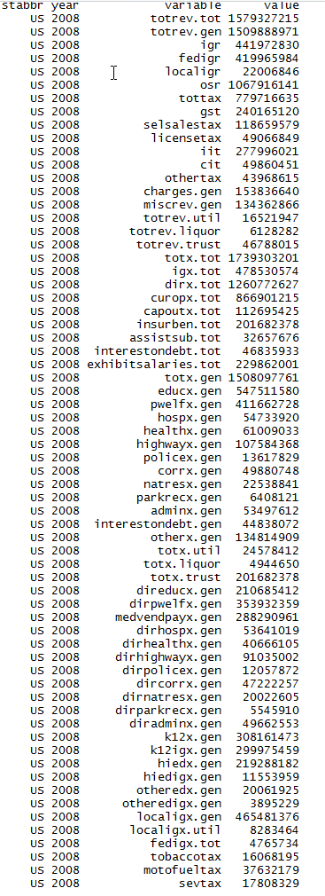
Total revenue | 1,579,327,215 | 17,685,597 | 16,314,578 | 27,144,911 | 15,110,836 | 199,109,935 | 26,198,172 | 21,474,407 | 6,649,109 | 68,885,833 | 41,153,807 | 9,233,435 | 7,151,673 | 56,667,679 | 29,315,999 | 15,939,935 | 13,541,510 | 20,623,791 | 31,138,155 | 7,493,041 | 28,452,629 | 44,356,687 | 42,802,955 | 29,707,313 | 16,253,029 | 25,285,284 | 6,402,859 | 8,384,577 | 10,471,591 | 6,319,486 | 55,065,611 | 12,458,381 | 145,475,808 | 50,387,762 | 4,921,091 | 65,923,692 | 18,656,746 | 17,346,580 | 71,142,087 | 6,691,508 | 22,836,798 | 2,910,381 | 25,626,489 | 94,310,376 | 15,419,153 | 5,148,618 | 36,153,130 | 36,659,905 | 10,736,112 | 25,469,939 | 6,718,235

General revenue | 1,509,888,971 | 21,306,154 | 16,182,604 | 26,534,908 | 14,758,555 | 192,336,103 | 19,294,548 | 21,416,334 | 6,555,960 | 71,467,243 | 36,671,549 | 9,236,801 | 6,808,584 | 53,365,067 | 29,244,852 | 15,013,528 | 13,504,781 | 20,837,802 | 30,681,397 | 7,493,105 | 28,845,223 | 42,056,206 | 49,316,492 | 29,682,086 | 16,504,961 | 24,253,709 | 5,490,621 | 8,357,739 | 9,431,327 | 5,707,224 | 51,395,700 | 13,279,063 | 131,165,768 | 42,064,048 | 4,655,088 | 54,745,431 | 17,826,212 | 16,856,418 | 60,800,175 | 6,387,606 | 20,236,860 | 3,426,159 | 25,105,575 | 99,010,018 | 13,194,250 | 4,857,001 | 36,062,290 | 32,272,827 | 10,766,289 | 27,802,380 | 5,624,350
Intergovernmental revenue | 441,972,830 | 7,044,767 | 2,190,854 | 8,887,402 | 4,531,191 | 51,914,572 | 4,638,259 | 4,344,898 | 1,335,675 | 19,876,492 | 13,090,193 | 2,092,852 | 2,046,612 | 14,741,837 | 8,349,018 | 4,630,352 | 3,495,517 | 6,630,599 | 14,181,049 | 2,427,894 | 7,525,060 | 10,323,982 | 13,363,940 | 7,255,639 | 7,718,794 | 8,574,430 | 1,919,126 | 2,560,819 | 1,857,810 | 1,830,369 | 11,217,573 | 4,322,241 | 44,905,377 | 12,588,553 | 1,233,474 | 17,093,617 | 5,705,546 | 4,835,171 | 16,170,286 | 2,017,956 | 6,280,223 | 1,256,446 | 8,308,154 | 33,611,389 | 3,474,592 | 1,420,594 | 7,395,278 | 8,303,676 | 3,274,439 | 7,013,591 | 2,164,652
Taxes | 779,716,635 | 9,070,530 | 8,732,385 | 13,153,271 | 7,530,504 | 117,361,976 | 9,624,636 | 13,946,399 | 2,930,955 | 35,977,055 | 18,070,032 | 5,147,569 | 3,651,917 | 29,916,869 | 15,117,458 | 6,892,041 | 7,159,748 | 10,043,875 | 11,003,870 | 3,785,719 | 15,743,757 | 22,059,169 | 24,781,626 | 18,320,891 | 6,745,743 | 10,919,336 | 2,457,929 | 4,228,800 | 6,148,455 | 2,251,179 | 30,616,510 | 5,211,507 | 65,244,750 | 22,809,716 | 2,312,056 | 26,074,544 | 8,330,786 | 7,487,873 | 32,123,740 | 2,761,356 | 8,435,550 | 1,321,368 | 11,538,430 | 45,536,833 | 6,109,256 | 2,544,197 | 18,322,873 | 17,959,833 | 4,881,908 | 14,915,012 | 2,404,843
General sales | 240,165,120 | 2,287,288 | - | 5,741,914 | 2,807,943 | 31,972,874 | 2,312,731 | 3,545,734 | - | 21,518,100 | 5,796,653 | 2,619,595 | 1,347,327 | 7,935,417 | 5,738,829 | 1,840,862 | 2,264,747 | 2,875,836 | 3,459,383 | 1,060,557 | 3,748,933 | 4,098,089 | 8,225,599 | 4,550,838 | 3,135,390 | 3,228,274 | - | 1,534,134 | 3,077,433 | - | 8,915,515 | 1,922,922 | 11,294,737 | 5,269,929 | 530,078 | 7,865,674 | 2,096,220 | - | 8,873,309 | 846,870 | 3,051,608 | 732,438 | 6,832,948 | 21,630,136 | 1,964,119 | 338,941 | 3,571,486 | 11,344,622 | 1,109,822 | 4,268,068 | 981,198
Selective sales | 118,659,579 | 2,145,820 | 277,033 | 1,851,551 | 970,274 | 7,834,850 | 1,206,858 | 2,267,169 | 484,515 | 7,902,020 | 1,892,192 | 682,584 | 395,967 | 6,948,758 | 2,657,180 | 1,119,705 | 826,474 | 1,842,681 | 2,079,507 | 644,749 | 2,529,653 | 2,108,903 | 3,694,773 | 2,882,225 | 1,094,053 | 1,542,357 | 544,402 | 501,307 | 1,864,646 | 792,947 | 3,604,086 | 739,335 | 8,855,309 | 3,664,857 | 343,328 | 4,879,721 | 937,582 | 969,734 | 6,432,704 | 534,245 | 1,227,555 | 339,814 | 1,779,434 | 12,737,169 | 679,915 | 516,320 | 2,436,546 | 3,056,046 | 1,157,069 | 2,048,994 | 134,663
License taxes | 49,066,849 | 487,934 | 137,258 | 420,770 | 307,342 | 7,642,180 | 377,179 | 355,345 | 1,033,345 | 1,879,315 | 496,270 | 156,781 | 270,270 | 2,343,858 | 799,999 | 639,779 | 303,696 | 457,343 | 498,612 | 231,268 | 697,481 | 685,045 | 1,354,001 | 1,011,289 | 418,771 | 604,928 | 311,029 | 206,783 | 541,796 | 215,878 | 1,452,361 | 254,544 | 1,229,922 | 1,435,665 | 165,810 | 2,656,231 | 891,423 | 917,300 | 2,822,738 | 95,792 | 433,877 | 172,165 | 1,287,826 | 7,039,520 | 371,300 | 124,736 | 653,076 | 953,113 | 193,468 | 909,664 | 120,773
Individual income tax | 277,996,021 | 3,077,553 | - | 3,408,576 | 2,344,876 | 55,745,970 | 5,067,981 | 6,851,937 | 1,006,859 | - | 8,845,476 | 1,544,835 | 1,438,518 | 10,320,000 | 4,837,524 | 2,848,393 | 2,944,851 | 3,483,138 | 3,169,686 | 1,562,839 | 6,940,134 | 12,496,142 | 7,181,055 | 7,777,259 | 1,551,079 | 5,118,849 | 870,064 | 1,726,145 | - | 117,936 | 12,605,545 | 1,198,400 | 36,563,948 | 10,993,927 | 317,249 | 9,847,506 | 2,787,445 | 4,968,791 | 10,408,439 | 1,091,705 | 3,327,800 | - | 290,986 | - | 2,593,129 | 623,019 | 10,114,833 | - | 1,518,746 | 6,466,878 | -
Corporate income tax | 49,860,451 | 524,808 | 1,297,513 | 784,511 | 342,529 | 11,849,097 | 507,986 | 604,413 | 308,676 | 2,208,600 | 943,042 | 105,294 | 190,194 | 1,860,000 | 909,494 | 347,248 | 528,011 | 533,630 | 703,196 | 184,515 | 735,324 | 2,179,956 | 1,778,317 | 1,040,479 | 384,643 | 384,010 | 161,713 | 232,852 | - | 614,794 | 2,819,906 | 403,500 | 5,037,830 | 1,206,412 | 161,925 | 754,633 | 360,065 | 477,113 | 2,191,420 | 145,866 | 312,600 | 69,879 | 1,005,880 | - | 394,638 | 84,783 | 787,229 | - | 538,839 | 863,088 | -
Other taxes | 43,968,615 | 547,127 | 7,020,581 | 945,949 | 757,540 | 2,317,005 | 151,901 | 321,801 | 97,560 | 2,469,020 | 96,399 | 38,480 | 9,641 | 508,836 | 174,432 | 96,054 | 291,969 | 851,247 | 1,093,486 | 101,791 | 1,092,232 | 491,034 | 2,547,881 | 1,058,801 | 161,807 | 40,918 | 570,721 | 27,579 | 664,580 | 509,624 | 1,219,097 | 692,806 | 2,263,004 | 238,926 | 793,666 | 70,779 | 1,258,051 | 154,935 | 1,395,130 | 46,878 | 82,110 | 7,072 | 341,356 | 4,130,008 | 106,155 | 856,398 | 759,703 | 2,606,052 | 363,964 | 358,320 | 1,168,209

Current charges | 153,836,640 | 3,472,815 | 555,151 | 1,746,819 | 1,930,167 | 12,999,990 | 2,894,059 | 1,682,224 | 1,025,091 | 9,275,152 | 3,263,435 | 1,242,141 | 591,766 | 4,344,080 | 3,323,314 | 2,180,781 | 1,989,970 | 2,777,878 | 2,725,053 | 770,014 | 2,963,104 | 4,068,818 | 6,289,589 | 2,246,245 | 1,390,834 | 2,429,759 | 525,124 | 899,022 | 685,108 | 810,572 | 5,231,009 | 1,174,047 | 8,209,050 | 3,846,243 | 703,467 | 7,036,186 | 2,108,480 | 2,277,793 | 7,065,194 | 688,166 | 3,909,828 | 307,015 | 1,971,476 | 10,247,358 | 2,411,035 | 510,153 | 6,367,446 | 3,689,622 | 1,279,211 | 3,531,297 | 174,489
Miscellaneous general revenue | 134,362,866 | 1,718,042 | 4,704,214 | 2,747,416 | 766,693 | 10,059,565 | 2,137,594 | 1,442,813 | 1,264,239 | 6,338,544 | 2,247,889 | 754,239 | 518,289 | 4,362,281 | 2,455,062 | 1,310,354 | 859,546 | 1,385,450 | 2,771,425 | 509,478 | 2,613,302 | 5,604,237 | 4,881,337 | 1,859,311 | 649,590 | 2,330,184 | 588,442 | 669,098 | 739,954 | 815,104 | 4,330,608 | 2,571,268 | 12,806,591 | 2,819,536 | 406,091 | 4,541,084 | 1,681,400 | 2,255,581 | 5,440,955 | 920,128 | 1,611,259 | 541,330 | 3,287,515 | 9,614,438 | 1,199,367 | 382,057 | 3,976,693 | 2,319,696 | 1,330,731 | 2,342,480 | 880,366

Utility revenue | 16,521,947 | - | 17,185 | 28,132 | - | 5,406,430 | - | 28,245 | 13,313 | 17,864 | 4,221 | - | - | - | - | - | - | - | 7,739 | - | 117,314 | 194,822 | - | - | - | - | - | - | 68,451 | 119 | 865,175 | 13 | 7,806,970 | 34 | - | - | 458,156 | 171 | - | 32,643 | 1,453,006 | - | - | - | 301 | - | - | 1,281 | 362 | - | -
Liquor stores revenue | 6,128,282 | 248,801 | - | - | - | - | - | - | - | - | - | - | 116,360 | - | - | 191,867 | - | - | - | 26 | - | - | 768,085 | - | 248,828 | - | 69,256 | - | - | 463,342 | - | - | - | - | - | 712,796 | - | 402,102 | 1,413,265 | - | - | - | - | - | 217,901 | 42,753 | 533,023 | 545,249 | 74,508 | - | 80,120
Insurance trust revenue (1) | 46,788,015 | (3,869,358) | 114,789 | 581,871 | 352,281 | 1,367,402 | 6,903,624 | 29,828 | 79,836 | (2,599,274) | 4,478,037 | (3,366) | 226,729 | 3,302,612 | 71,147 | 734,540 | 36,729 | (214,011) | 449,019 | (90) | (509,908) | 2,105,659 | (7,281,622) | 25,227 | (500,760) | 1,031,575 | 842,982 | 26,838 | 971,813 | 148,801 | 2,804,736 | (820,695) | 6,503,070 | 8,323,680 | 266,003 | 10,465,465 | 372,378 | 87,889 | 8,928,647 | 271,259 | 1,146,932 | (515,778) | 520,914 | (4,699,642) | 2,006,701 | 248,864 | (442,183) | 3,840,548 | (105,047) | (2,332,441) | 1,013,765

Total expenditure | 1,739,303,201 | 24,892,739 | 10,115,914 | 30,857,509 | 15,658,192 | 246,659,361 | 22,547,367 | 23,491,372 | 7,151,941 | 77,543,853 | 41,166,551 | 10,702,719 | 7,717,823 | 63,373,639 | 30,511,583 | 16,558,941 | 14,968,812 | 25,662,244 | 33,946,744 | 8,171,059 | 34,029,826 | 46,443,177 | 56,653,904 | 34,283,510 | 18,642,936 | 26,865,659 | 6,137,669 | 8,460,595 | 10,845,375 | 6,601,654 | 58,536,128 | 16,101,771 | 156,202,016 | 45,932,844 | 4,125,958 | 68,071,276 | 19,517,639 | 22,387,184 | 73,354,637 | 7,495,870 | 27,590,685 | 3,698,335 | 26,370,615 | 101,920,390 | 14,293,669 | 5,069,432 | 39,989,854 | 39,689,815 | 10,561,575 | 32,649,254 | 5,081,586
Intergovernmental expenditure | 478,530,574 | 6,720,814 | 1,487,649 | 10,320,506 | 4,392,340 | 94,872,980 | 5,912,545 | 4,193,874 | 1,172,083 | 19,703,095 | 10,415,395 | 137,771 | 2,037,507 | 14,585,898 | 7,976,702 | 4,142,960 | 4,214,475 | 4,700,971 | 6,022,791 | 1,335,469 | 8,509,003 | 8,840,769 | 19,519,271 | 11,188,797 | 5,111,703 | 5,743,498 | 1,318,649 | 1,981,940 | 3,860,236 | 1,451,976 | 10,927,571 | 4,363,063 | 52,820,634 | 13,152,908 | 805,351 | 18,080,744 | 4,391,706 | 5,640,993 | 17,826,902 | 1,067,849 | 5,719,235 | 679,868 | 6,516,598 | 26,089,474 | 3,050,173 | 1,340,755 | 11,260,089 | 9,143,766 | 2,131,100 | 9,881,119 | 1,769,009
Direct expenditure | 1,260,772,627 | 18,171,925 | 8,628,265 | 20,537,003 | 11,265,852 | 151,786,381 | 16,634,822 | 19,297,498 | 5,979,858 | 57,840,758 | 30,751,156 | 10,564,948 | 5,680,316 | 48,787,741 | 22,534,881 | 12,415,981 | 10,754,337 | 20,961,273 | 27,923,953 | 6,835,590 | 25,520,823 | 37,602,408 | 37,134,633 | 23,094,713 | 13,531,233 | 21,122,161 | 4,819,020 | 6,478,655 | 6,985,139 | 5,149,678 | 47,608,557 | 11,738,708 | 103,381,382 | 32,779,936 | 3,320,607 | 49,990,532 | 15,125,933 | 16,746,191 | 55,527,735 | 6,428,021 | 21,871,450 | 3,018,467 | 19,854,017 | 75,830,916 | 11,243,496 | 3,728,677 | 28,729,765 | 30,546,049 | 8,430,475 | 22,768,135 | 3,312,577
Current operation | 866,901,215 | 12,943,521 | 6,032,765 | 14,700,559 | 8,612,637 | 101,337,883 | 10,772,499 | 13,200,479 | 4,367,073 | 40,183,329 | 21,382,870 | 8,215,698 | 3,838,580 | 32,371,022 | 16,399,693 | 8,751,216 | 7,811,768 | 14,208,741 | 20,560,928 | 5,323,809 | 18,024,549 | 25,151,808 | 26,255,979 | 16,133,279 | 9,965,918 | 14,626,384 | 3,206,493 | 5,001,430 | 4,354,990 | 3,703,831 | 31,145,159 | 8,629,097 | 71,785,169 | 24,045,876 | 2,281,405 | 29,898,844 | 10,744,503 | 10,557,630 | 35,968,591 | 4,301,670 | 14,967,195 | 2,109,612 | 15,036,505 | 52,982,858 | 8,113,264 | 2,925,409 | 20,945,285 | 19,936,695 | 6,265,863 | 14,592,918 | 2,227,936
Capital outlay | 112,695,425 | 1,995,318 | 1,213,030 | 1,657,863 | 891,048 | 9,771,401 | 1,278,123 | 1,304,165 | 698,180 | 6,927,364 | 2,946,826 | 819,070 | 771,201 | 3,350,887 | 2,056,479 | 1,185,695 | 1,107,285 | 2,486,693 | 2,813,306 | 288,296 | 2,299,752 | 2,455,753 | 1,955,213 | 1,782,231 | 1,497,202 | 1,776,134 | 653,471 | 766,791 | 794,520 | 412,757 | 4,477,546 | 1,146,567 | 9,129,809 | 2,934,290 | 407,419 | 3,569,549 | 1,651,430 | 1,323,805 | 5,840,481 | 445,746 | 2,343,611 | 408,481 | 1,587,503 | 8,751,072 | 1,286,208 | 202,115 | 2,730,781 | 3,128,379 | 893,891 | 1,965,324 | 515,364
Insurance benefits and repayments | 201,682,378 | 2,486,673 | 885,348 | 3,178,919 | 1,303,308 | 32,676,065 | 3,499,300 | 3,065,649 | 466,895 | 7,070,887 | 4,966,214 | 965,938 | 782,255 | 9,108,448 | 2,370,775 | 1,593,778 | 1,323,310 | 3,058,479 | 3,014,667 | 725,687 | 2,987,361 | 5,587,616 | 6,418,910 | 3,868,653 | 1,664,516 | 3,167,446 | 655,008 | 436,200 | 1,455,497 | 522,637 | 8,975,630 | 1,359,808 | 16,030,157 | 4,762,718 | 336,072 | 12,762,692 | 1,890,135 | 4,094,059 | 9,819,464 | 1,127,934 | 2,773,263 | 298,190 | 1,838,218 | 11,016,430 | 1,168,581 | 289,118 | 2,834,682 | 5,077,423 | 851,629 | 4,622,219 | 447,517
Assistance and subsidies | 32,657,676 | 417,577 | 179,479 | 506,178 | 265,092 | 1,916,280 | 236,124 | 461,253 | 178,150 | 2,023,544 | 857,124 | 123,216 | 123,099 | 1,090,333 | 740,281 | 493,304 | 177,505 | 704,306 | 631,391 | 242,412 | 1,162,849 | 690,714 | 1,194,768 | 813,873 | 164,929 | 505,075 | 94,740 | 166,235 | 173,184 | 129,326 | 952,405 | 210,464 | 1,461,926 | 360,692 | 131,286 | 2,318,754 | 322,559 | 317,207 | 1,950,815 | 132,802 | 1,002,720 | 66,176 | 1,177,378 | 1,890,823 | 399,606 | 130,981 | 1,253,817 | 1,364,393 | 163,971 | 526,773 | 59,787
Interest on debt | 46,835,933 | 328,836 | 317,643 | 493,484 | 193,767 | 6,084,752 | 848,776 | 1,265,952 | 269,560 | 1,635,634 | 598,122 | 441,026 | 165,181 | 2,867,051 | 967,653 | 391,988 | 334,469 | 503,054 | 903,661 | 255,386 | 1,046,312 | 3,716,517 | 1,309,763 | 496,677 | 238,668 | 1,047,122 | 209,308 | 107,999 | 206,948 | 381,127 | 2,057,817 | 392,772 | 4,974,321 | 676,360 | 164,425 | 1,440,693 | 517,306 | 453,490 | 1,948,384 | 419,869 | 784,661 | 136,008 | 214,413 | 1,189,733 | 275,837 | 181,054 | 965,200 | 1,039,159 | 255,121 | 1,060,901 | 61,973
Exhibit: Salaries and wages | 229,862,001 | 4,194,385 | 1,515,581 | 3,343,240 | 1,855,064 | 27,788,543 | 3,553,624 | 4,287,819 | 2,267,018 | 8,677,339 | 5,008,399 | 2,563,142 | 1,041,185 | 8,488,668 | 3,742,390 | 2,301,969 | 3,174,710 | 3,736,596 | 4,262,552 | 760,447 | 4,724,830 | 5,010,065 | 5,974,110 | 4,924,638 | 2,252,581 | 3,661,593 | 879,718 | 2,076,389 | 1,579,819 | 947,324 | 9,891,720 | 2,256,305 | 16,348,779 | 8,084,597 | 816,227 | 7,883,170 | 2,976,703 | 3,901,453 | 7,802,801 | 1,093,981 | 3,639,952 | 843,292 | 3,695,776 | 14,102,858 | 2,449,264 | 733,895 | 6,215,539 | 6,254,115 | 1,441,006 | 4,203,579 | 633,251

Total expenditure | 1,739,303,201 | 24,892,739 | 10,115,914 | 30,857,509 | 15,658,192 | 246,659,361 | 22,547,367 | 23,491,372 | 7,151,941 | 77,543,853 | 41,166,551 | 10,702,719 | 7,717,823 | 63,373,639 | 30,511,583 | 16,558,941 | 14,968,812 | 25,662,244 | 33,946,744 | 8,171,059 | 34,029,826 | 46,443,177 | 56,653,904 | 34,283,510 | 18,642,936 | 26,865,659 | 6,137,669 | 8,460,595 | 10,845,375 | 6,601,654 | 58,536,128 | 16,101,771 | 156,202,016 | 45,932,844 | 4,125,958 | 68,071,276 | 19,517,639 | 22,387,184 | 73,354,637 | 7,495,870 | 27,590,685 | 3,698,335 | 26,370,615 | 101,920,390 | 14,293,669 | 5,069,432 | 39,989,854 | 39,689,815 | 10,561,575 | 32,649,254 | 5,081,586
General expenditure | 1,508,097,761 | 22,170,605 | 9,148,545 | 27,647,520 | 14,354,884 | 208,758,067 | 19,020,893 | 20,020,300 | 6,561,474 | 70,387,170 | 36,166,348 | 9,735,857 | 6,849,329 | 54,264,982 | 28,140,808 | 14,830,301 | 13,645,502 | 22,603,765 | 30,926,667 | 7,445,085 | 30,328,016 | 40,620,579 | 49,612,891 | 30,349,669 | 16,776,841 | 23,698,213 | 5,423,506 | 8,024,395 | 9,319,965 | 5,672,446 | 46,810,441 | 14,741,963 | 128,221,439 | 41,045,619 | 3,789,886 | 54,863,653 | 17,208,905 | 18,076,377 | 62,231,302 | 6,228,442 | 22,985,286 | 3,400,145 | 24,532,397 | 90,763,797 | 12,966,773 | 4,707,185 | 36,709,190 | 34,091,969 | 9,634,090 | 28,019,994 | 4,564,285
Intergovernmental expenditure | 478,530,574 | 6,720,814 | 1,487,649 | 10,320,506 | 4,392,340 | 94,872,980 | 5,912,545 | 4,193,874 | 1,172,083 | 19,703,095 | 10,415,395 | 137,771 | 2,037,507 | 14,585,898 | 7,976,702 | 4,142,960 | 4,214,475 | 4,700,971 | 6,022,791 | 1,335,469 | 8,509,003 | 8,840,769 | 19,519,271 | 11,188,797 | 5,111,703 | 5,743,498 | 1,318,649 | 1,981,940 | 3,860,236 | 1,451,976 | 10,927,571 | 4,363,063 | 52,820,634 | 13,152,908 | 805,351 | 18,080,744 | 4,391,706 | 5,640,993 | 17,826,902 | 1,067,849 | 5,719,235 | 679,868 | 6,516,598 | 26,089,474 | 3,050,173 | 1,340,755 | 11,260,089 | 9,143,766 | 2,131,100 | 9,881,119 | 1,769,009
Direct expenditure | 1,029,567,187 | 15,449,791 | 7,660,896 | 17,327,014 | 9,962,544 | 113,885,087 | 13,108,348 | 15,826,426 | 5,389,391 | 50,684,075 | 25,750,953 | 9,598,086 | 4,811,822 | 39,679,084 | 20,164,106 | 10,687,341 | 9,431,027 | 17,902,794 | 24,903,876 | 6,109,616 | 21,819,013 | 31,779,810 | 30,093,620 | 19,160,872 | 11,665,138 | 17,954,715 | 4,104,857 | 6,042,455 | 5,459,729 | 4,220,470 | 35,882,870 | 10,378,900 | 75,400,805 | 27,892,711 | 2,984,535 | 36,782,909 | 12,817,199 | 12,435,384 | 44,404,400 | 5,160,593 | 17,266,051 | 2,720,277 | 18,015,799 | 64,674,323 | 9,916,600 | 3,366,430 | 25,449,101 | 24,948,203 | 7,502,990 | 18,138,875 | 2,795,276

General expenditure, by function:
Education | 547,511,580 | 10,658,472 | 2,165,387 | 9,408,525 | 6,311,833 | 73,276,865 | 7,985,963 | 5,813,200 | 2,263,320 | 23,192,406 | 16,179,676 | 3,511,360 | 2,774,669 | 16,342,627 | 10,616,678 | 5,790,799 | 5,750,358 | 8,718,692 | 9,083,468 | 2,018,207 | 10,991,254 | 10,714,000 | 21,974,570 | 12,424,773 | 5,471,275 | 8,675,805 | 1,839,799 | 2,909,668 | 4,069,362 | 2,019,883 | 15,432,044 | 5,339,371 | 39,764,174 | 17,438,492 | 1,325,310 | 20,120,031 | 7,046,621 | 6,768,386 | 19,475,573 | 1,702,825 | 8,151,202 | 1,103,636 | 8,479,938 | 40,604,723 | 6,036,050 | 2,062,824 | 14,053,415 | 14,109,473 | 3,676,900 | 10,329,906 | 1,537,792
Public welfare | 411,662,728 | 4,582,199 | 1,477,255 | 7,927,027 | 3,771,732 | 60,191,685 | 4,236,218 | 5,621,038 | 1,451,463 | 18,063,299 | 9,644,769 | 1,602,375 | 1,614,703 | 17,167,067 | 8,034,079 | 3,904,781 | 3,167,907 | 6,198,814 | 5,828,886 | 2,492,721 | 7,118,659 | 12,682,783 | 13,332,357 | 9,045,789 | 4,405,435 | 6,231,774 | 1,065,604 | 2,099,052 | 1,580,454 | 1,544,997 | 12,420,936 | 3,558,863 | 44,763,366 | 10,591,140 | 773,278 | 16,113,757 | 4,821,034 | 4,311,257 | 19,822,978 | 2,230,969 | 5,474,835 | 811,709 | 8,664,226 | 23,048,973 | 2,203,414 | 1,253,623 | 7,354,674 | 7,612,755 | 2,565,426 | 6,524,417 | 656,176
Hospitals | 54,733,920 | 1,808,175 | 35,054 | 71,539 | 810,637 | 6,888,770 | 437,822 | 1,395,751 | 63,435 | 831,028 | 805,443 | 572,458 | 47,310 | 1,004,573 | 198,120 | 1,092,682 | 973,004 | 1,100,758 | 1,964,889 | 56,286 | 541,820 | 466,869 | 2,299,233 | 404,712 | 953,339 | 1,322,145 | 44,955 | 239,294 | 234,044 | 60,361 | 2,062,211 | 749,990 | 4,896,242 | 1,460,906 | 16,426 | 2,089,571 | 227,554 | 1,154,493 | 2,821,303 | 87,528 | 1,684,779 | 60,769 | 407,688 | 3,637,784 | 823,297 | 20,092 | 2,849,911 | 1,743,784 | 106,482 | 1,106,220 | 2,384
Health | 61,009,033 | 699,309 | 279,028 | 1,620,620 | 249,653 | 11,943,187 | 809,170 | 901,164 | 393,259 | 3,600,529 | 1,258,721 | 677,693 | 151,087 | 2,452,733 | 627,263 | 240,951 | 252,179 | 626,189 | 640,753 | 568,473 | 1,958,191 | 1,068,262 | 1,204,513 | 653,688 | 368,652 | 1,163,167 | 152,645 | 415,172 | 261,957 | 158,845 | 1,327,893 | 490,852 | 7,088,181 | 1,653,975 | 64,749 | 2,470,691 | 780,680 | 407,430 | 2,030,708 | 180,822 | 1,051,239 | 126,093 | 1,282,165 | 2,248,068 | 383,324 | 167,140 | 958,002 | 1,605,753 | 309,702 | 703,266 | 281,247
Highways | 107,584,368 | 1,373,098 | 1,315,648 | 2,367,086 | 915,510 | 12,173,649 | 1,281,596 | 795,191 | 496,382 | 7,285,603 | 2,287,471 | 407,711 | 696,062 | 4,510,194 | 1,967,658 | 1,381,730 | 1,213,980 | 2,481,003 | 2,132,077 | 478,343 | 2,510,419 | 2,245,666 | 2,742,463 | 2,231,342 | 1,284,377 | 2,034,235 | 606,818 | 631,028 | 609,250 | 440,079 | 2,736,419 | 895,994 | 4,380,808 | 3,253,678 | 458,616 | 3,215,512 | 1,472,367 | 1,528,591 | 6,570,331 | 201,869 | 1,064,541 | 429,629 | 1,668,715 | 7,915,817 | 1,061,364 | 324,868 | 3,146,902 | 2,924,464 | 1,015,587 | 1,901,463 | 521,164

Police protection | 13,617,829 | 182,955 | 82,585 | 273,533 | 81,440 | 1,642,063 | 140,723 | 216,795 | 113,596 | 453,620 | 317,358 | 13,808 | 51,314 | 437,448 | 254,012 | 96,991 | 110,231 | 193,185 | 349,563 | 72,231 | 405,655 | 569,777 | 346,258 | 343,342 | 117,202 | 214,579 | 47,166 | 84,698 | 105,594 | 52,148 | 510,798 | 140,759 | 958,637 | 567,801 | 27,949 | 264,055 | 161,213 | 173,661 | 839,741 | 57,953 | 208,518 | 31,514 | 156,050 | 720,014 | 129,182 | 77,177 | 689,989 | 319,335 | 65,468 | 132,283 | 15,862
Correction | 49,880,748 | 525,281 | 243,961 | 1,023,693 | 361,537 | 8,829,940 | 996,266 | 723,346 | 280,710 | 2,770,179 | 1,571,961 | 219,070 | 244,504 | 1,244,230 | 676,633 | 291,406 | 361,648 | 527,311 | 773,076 | 141,982 | 1,366,211 | 1,332,960 | 1,846,681 | 536,760 | 369,248 | 754,740 | 168,127 | 219,278 | 367,241 | 112,265 | 1,496,976 | 376,627 | 3,135,187 | 1,324,484 | 61,368 | 1,668,729 | 616,933 | 720,504 | 1,744,264 | 199,394 | 514,479 | 110,268 | 768,711 | 3,565,217 | 332,828 | 120,328 | 1,547,571 | 1,205,895 | 241,996 | 1,084,127 | 164,617
Natural resources | 22,538,841 | 309,369 | 284,520 | 321,173 | 249,560 | 4,885,087 | 323,226 | 123,842 | 94,329 | 1,833,040 | 518,215 | 113,560 | 213,597 | 272,110 | 293,931 | 288,799 | 205,394 | 373,489 | 579,131 | 167,216 | 562,098 | 338,037 | 363,826 | 511,888 | 285,285 | 347,965 | 279,698 | 180,968 | 137,372 | 68,642 | 613,651 | 221,810 | 547,896 | 679,216 | 166,129 | 362,226 | 215,089 | 424,465 | 681,763 | 41,480 | 299,956 | 123,365 | 458,161 | 839,527 | 185,613 | 73,300 | 214,336 | 738,520 | 170,496 | 646,438 | 310,037
Parks and recreation | 6,408,121 | 50,268 | 17,274 | 132,563 | 46,533 | 483,692 | 79,099 | 60,090 | 54,763 | 195,516 | 209,191 | 78,920 | 41,137 | 276,560 | 71,753 | 61,112 | 37,074 | 121,487 | 371,160 | 11,159 | 269,711 | 238,203 | 88,249 | 192,704 | 39,960 | 37,236 | 14,950 | 28,868 | 46,373 | 16,713 | 502,611 | 91,671 | 583,040 | 278,930 | 25,730 | 107,442 | 99,929 | 103,461 | 288,133 | 7,664 | 120,343 | 42,124 | 148,163 | 130,316 | 65,910 | 14,370 | 148,721 | 139,378 | 67,572 | 35,926 | 34,369
Governmental administration | 53,497,612 | 576,755 | 574,841 | 767,263 | 591,373 | 8,862,959 | 869,746 | 1,116,120 | 483,562 | 2,389,468 | 815,307 | 486,718 | 360,140 | 1,219,357 | 608,666 | 554,993 | 459,166 | 840,386 | 929,882 | 325,779 | 1,243,982 | 1,666,967 | 973,142 | 857,460 | 327,420 | 541,561 | 362,540 | 204,921 | 300,560 | 237,721 | 1,861,067 | 528,382 | 5,875,815 | 1,177,769 | 122,952 | 2,108,862 | 539,815 | 888,704 | 2,503,561 | 362,174 | 1,094,646 | 169,363 | 788,765 | 1,751,072 | 712,868 | 156,325 | 1,234,502 | 785,458 | 412,403 | 673,364 | 200,990

Interest on general debt | 44,838,072 | 328,836 | 310,066 | 490,912 | 193,767 | 5,650,752 | 827,293 | 1,265,952 | 269,560 | 1,635,634 | 598,122 | 441,026 | 165,181 | 2,867,051 | 967,653 | 391,988 | 334,469 | 503,054 | 903,661 | 255,386 | 1,046,312 | 3,627,100 | 1,309,763 | 496,677 | 238,668 | 1,047,122 | 209,308 | 107,999 | 203,422 | 381,127 | 2,053,045 | 392,772 | 3,789,714 | 676,360 | 164,425 | 1,440,693 | 461,086 | 453,490 | 1,948,384 | 419,869 | 590,974 | 136,008 | 214,413 | 1,189,733 | 275,837 | 181,054 | 965,200 | 1,039,159 | 255,121 | 1,060,901 | 61,973
Other and unallocable | 134,814,909 | 1,075,888 | 2,362,926 | 3,243,586 | 771,309 | 13,929,418 | 1,033,771 | 1,987,811 | 597,095 | 8,136,848 | 1,960,114 | 1,611,158 | 489,625 | 6,471,032 | 3,824,362 | 734,069 | 780,092 | 919,397 | 7,370,121 | 857,302 | 2,313,704 | 5,669,955 | 3,131,836 | 2,650,534 | 2,915,980 | 1,327,884 | 631,896 | 903,449 | 1,404,336 | 579,665 | 5,792,790 | 1,954,872 | 12,438,379 | 1,942,868 | 582,954 | 4,902,084 | 766,584 | 1,141,935 | 3,504,563 | 735,895 | 2,729,774 | 255,667 | 1,495,402 | 5,112,553 | 757,086 | 256,084 | 3,545,967 | 1,867,995 | 746,937 | 3,821,683 | 777,674

Utility expenditure | 24,578,412 | - | 82,021 | 31,070 | - | 5,225,229 | 27,174 | 405,423 | 123,572 | 85,796 | 33,989 | 924 | - | 209 | - | - | - | - | 5,410 | 286 | 714,449 | 234,982 | 67 | 65,188 | - | - | 25 | - | 69,913 | 10,955 | 2,750,057 | - | 11,950,420 | 124,507 | - | - | 418,599 | 13,996 | 14 | 139,494 | 1,832,136 | - | - | 140,163 | 1,390 | 29,674 | 1,430 | 39,973 | 12,836 | 7,041 | -
Liquor stores expenditure | 4,944,650 | 235,461 | - | - | - | - | - | - | - | - | - | - | 86,239 | - | - | 134,862 | - | - | - | 1 | - | - | 622,036 | - | 201,579 | - | 59,130 | - | - | 395,616 | - | - | - | - | - | 444,931 | - | 202,752 | 1,303,857 | - | - | - | - | - | 156,925 | 43,455 | 444,552 | 480,450 | 63,020 | - | 69,784
Insurance trust expenditure | 201,682,378 | 2,486,673 | 885,348 | 3,178,919 | 1,303,308 | 32,676,065 | 3,499,300 | 3,065,649 | 466,895 | 7,070,887 | 4,966,214 | 965,938 | 782,255 | 9,108,448 | 2,370,775 | 1,593,778 | 1,323,310 | 3,058,479 | 3,014,667 | 725,687 | 2,987,361 | 5,587,616 | 6,418,910 | 3,868,653 | 1,664,516 | 3,167,446 | 655,008 | 436,200 | 1,455,497 | 522,637 | 8,975,630 | 1,359,808 | 16,030,157 | 4,762,718 | 336,072 | 12,762,692 | 1,890,135 | 4,094,059 | 9,819,464 | 1,127,934 | 2,773,263 | 298,190 | 1,838,218 | 11,016,430 | 1,168,581 | 289,118 | 2,834,682 | 5,077,423 | 851,629 | 4,622,219 | 447,517

Debt at end of fiscal year | 1,006,121,415 | 8,472,097 | 6,491,713 | 10,519,389 | 4,352,951 | 121,929,578 | 15,879,387 | 27,554,245 | 5,722,757 | 44,076,196 | 12,024,583 | 6,296,492 | 3,379,159 | 58,436,829 | 19,916,264 | 7,235,998 | 5,836,651 | 12,209,861 | 16,387,658 | 5,297,682 | 23,120,309 | 71,892,262 | 30,048,498 | 9,538,669 | 6,331,031 | 19,740,684 | 4,660,223 | 2,719,139 | 4,248,696 | 7,908,632 | 52,785,000 | 7,763,822 | 114,240,227 | 19,605,315 | 1,951,959 | 27,306,103 | 9,129,789 | 11,597,440 | 40,100,004 | 8,926,977 | 15,212,910 | 3,408,138 | 4,366,410 | 33,587,699 | 5,907,105 | 3,371,915 | 21,293,517 | 23,524,009 | 6,365,585 | 22,107,148 | 1,342,710

Cash and security holdings | 3,758,006,530 | 38,053,214 | 62,377,932 | 47,226,651 | 24,431,316 | 540,349,584 | 68,695,707 | 43,739,449 | 14,039,489 | 186,000,774 | 75,648,388 | 17,234,080 | 17,140,704 | 132,013,893 | 55,119,114 | 34,409,200 | 18,477,838 | 44,584,567 | 59,438,420 | 17,164,883 | 59,309,195 | 97,948,823 | 86,900,927 | 61,290,809 | 32,295,824 | 69,352,772 | 16,176,597 | 13,974,630 | 26,673,275 | 12,083,395 | 117,118,748 | 46,779,111 | 324,348,229 | 100,176,883 | 11,839,776 | 202,396,973 | 37,066,174 | 71,905,837 | 152,815,652 | 15,635,551 | 40,977,111 | 12,286,042 | 38,486,619 | 262,500,473 | 30,170,610 | 7,082,025 | 86,876,125 | 95,856,465 | 16,357,378 | 95,053,879 | 20,125,419

(1) Within insurance trust revenue, net earnings of state retirement systems
is a calculated statistic (the item code in the data file is X08), and thus can be
positive or negative. Net earnings is the sum of earnings on investments plus gains on
investments minus losses on investments. The change made in 2002 for asset valuation
from book to market value in accordance with Statement 34 of the Governmental
Accounting Standards Board is reflected in the calculated statistics.

Source: 2008 Annual Survey of State Government Finances. Data users who create their own estimates using
data from this report should cite the U.S. Census Bureau as the source of the original data only. The data in
this table are based on information from public records and contain no confidential data. Although the data in
this table come from a census of governmental units and are not subject to sampling error, the census results
do contain nonsampling error. Additional information on nonsampling error, response rates, and definitions may be found at:
http://www2.census.gov/govs/state/08_methodology.pdf

Created: November 15, 2009
Last Revised: January 23, 2014

2007 US-WY
TOC
State Government Finances: 2007
(Dollar amounts in thousands)
Item | UNITED STATES | ALABAMA | ALASKA | ARIZONA | ARKANSAS | CALIFORNIA | COLORADO | CONNECTICUT | DELAWARE | FLORIDA | GEORGIA | HAWAII | IDAHO | ILLINOIS | INDIANA | IOWA | KANSAS | KENTUCKY | LOUISIANA | MAINE | MARYLAND | MASSACHUSETTS | MICHIGAN | MINNESOTA | MISSISSIPPI | MISSOURI | MONTANA | NEBRASKA | NEVADA | NEW HAMPSHIRE | NEW JERSEY | NEW MEXICO | NEW YORK | NORTH CAROLINA | NORTH DAKOTA | OHIO | OKLAHOMA | OREGON | PENNSYLVANIA | RHODE ISLAND | SOUTH CAROLINA | SOUTH DAKOTA | TENNESSEE | TEXAS | UTAH | VERMONT | VIRGINIA | WASHINGTON | WEST VIRGINIA | WISCONSIN | WYOMING

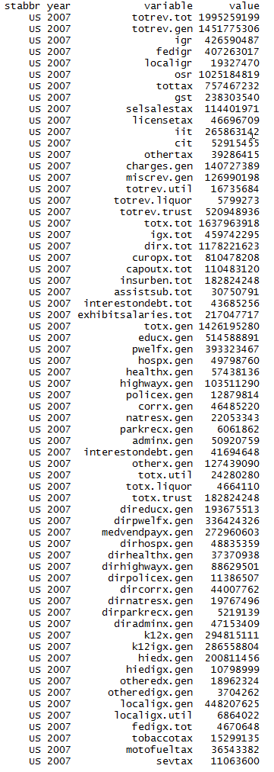
Total revenue | 1,995,259,199 | 27,147,360 | 12,819,862 | 31,885,916 | 18,175,873 | 297,608,865 | 26,572,818 | 25,699,412 | 7,454,860 | 98,192,639 | 45,157,349 | 11,100,927 | 9,132,519 | 71,322,681 | 32,657,045 | 19,053,312 | 15,605,130 | 25,425,505 | 33,938,301 | 9,358,257 | 35,166,780 | 49,976,395 | 61,918,850 | 38,733,292 | 22,489,722 | 32,729,141 | 7,128,138 | 9,792,790 | 14,183,610 | 7,194,142 | 65,908,594 | 17,233,717 | 177,145,384 | 50,940,593 | 4,786,348 | 87,341,858 | 22,202,900 | 30,674,935 | 83,112,062 | 8,398,170 | 26,864,143 | 4,926,114 | 29,435,966 | 113,832,250 | 16,068,068 | 5,442,433 | 47,233,782 | 47,043,353 | 12,525,048 | 40,430,664 | 6,091,326

General revenue | 1,451,775,306 | 20,898,228 | 10,582,079 | 26,192,089 | 14,161,006 | 187,204,219 | 18,172,637 | 20,730,949 | 6,336,322 | 69,155,488 | 36,403,949 | 8,997,953 | 6,446,380 | 52,409,684 | 27,565,172 | 14,119,773 | 12,610,444 | 20,058,220 | 28,129,229 | 7,352,424 | 27,554,325 | 39,183,412 | 47,667,132 | 28,464,373 | 17,488,471 | 23,099,370 | 5,190,475 | 8,186,788 | 9,733,698 | 5,471,722 | 50,159,966 | 12,993,907 | 128,656,529 | 41,439,572 | 3,942,336 | 53,035,118 | 17,107,384 | 17,098,318 | 59,113,680 | 6,259,541 | 20,275,961 | 3,299,214 | 24,778,159 | 87,967,705 | 12,667,487 | 4,790,470 | 35,223,501 | 31,225,741 | 10,631,568 | 26,722,678 | 4,820,460
Intergovernmental revenue | 426,590,487 | 7,127,552 | 2,288,973 | 8,123,983 | 4,286,094 | 49,889,749 | 4,413,361 | 4,167,175 | 1,241,741 | 19,194,527 | 13,005,370 | 2,063,945 | 1,880,123 | 14,237,842 | 7,978,980 | 4,378,744 | 3,156,389 | 6,338,156 | 12,395,100 | 2,393,954 | 7,199,413 | 10,194,737 | 13,083,153 | 6,680,661 | 9,111,166 | 8,005,044 | 1,813,956 | 2,532,557 | 2,091,256 | 1,775,088 | 11,494,946 | 4,219,834 | 45,581,622 | 12,330,364 | 1,227,870 | 16,691,614 | 5,406,356 | 4,945,045 | 16,093,568 | 2,014,527 | 6,431,212 | 1,276,075 | 8,341,938 | 28,283,467 | 3,104,303 | 1,379,970 | 6,853,004 | 7,892,810 | 3,256,627 | 6,769,288 | 1,947,258
Taxes | 757,467,232 | 8,868,314 | 3,688,447 | 14,404,976 | 7,391,778 | 114,736,981 | 9,216,983 | 13,271,789 | 2,905,905 | 38,818,707 | 18,253,216 | 5,090,499 | 3,536,574 | 30,065,517 | 14,198,709 | 6,469,752 | 6,893,359 | 9,895,207 | 10,973,115 | 3,696,065 | 15,094,183 | 20,691,368 | 23,848,753 | 17,768,434 | 6,481,876 | 10,705,687 | 2,319,992 | 4,122,427 | 6,304,752 | 2,175,057 | 29,487,862 | 5,527,217 | 63,161,582 | 22,612,798 | 1,782,990 | 25,697,905 | 8,140,573 | 7,742,862 | 30,837,657 | 2,766,046 | 8,688,935 | 1,265,925 | 11,390,037 | 40,314,714 | 6,075,590 | 2,563,506 | 18,666,687 | 17,705,980 | 4,642,230 | 14,482,624 | 2,025,090
General sales | 238,303,540 | 2,278,027 | - | 6,612,350 | 2,904,401 | 32,669,175 | 2,196,193 | 3,030,353 | - | 22,848,990 | 5,915,521 | 2,557,644 | 1,277,533 | 7,817,291 | 5,423,501 | 1,786,668 | 2,242,025 | 2,817,636 | 3,481,242 | 1,054,812 | 3,447,828 | 4,075,549 | 7,983,098 | 4,470,596 | 3,155,622 | 3,272,919 | - | 1,484,170 | 3,212,848 | - | 8,609,639 | 1,936,640 | 10,879,888 | 5,202,423 | 484,341 | 7,750,543 | 1,964,098 | - | 8,661,711 | 875,619 | 3,233,632 | 711,321 | 6,772,468 | 20,434,675 | 1,953,643 | 334,413 | 3,634,588 | 10,861,327 | 1,129,531 | 4,158,611 | 698,437
Selective sales | 114,401,971 | 2,112,359 | 235,797 | 1,677,310 | 950,307 | 7,834,653 | 1,254,015 | 2,286,444 | 459,209 | 7,766,793 | 1,939,225 | 670,321 | 391,265 | 7,097,536 | 2,519,404 | 980,958 | 815,004 | 1,772,659 | 2,000,410 | 633,900 | 2,364,058 | 1,930,395 | 3,618,995 | 2,831,494 | 1,022,568 | 1,541,579 | 530,159 | 519,480 | 1,913,216 | 734,894 | 3,571,164 | 710,261 | 8,625,797 | 3,663,582 | 324,365 | 4,697,455 | 975,897 | 782,874 | 5,820,832 | 480,968 | 1,343,680 | 308,760 | 1,591,517 | 11,376,709 | 671,394 | 510,564 | 2,461,354 | 2,990,584 | 1,083,810 | 1,878,470 | 127,527
License taxes | 46,696,709 | 477,462 | 136,315 | 413,204 | 298,309 | 7,415,002 | 354,417 | 363,973 | 1,006,434 | 1,875,317 | 486,182 | 152,895 | 264,108 | 2,381,112 | 496,368 | 615,343 | 302,685 | 459,329 | 570,472 | 232,091 | 722,214 | 693,525 | 1,375,194 | 973,363 | 403,092 | 631,284 | 308,304 | 207,361 | 522,606 | 209,662 | 1,497,110 | 244,441 | 1,327,930 | 1,338,413 | 127,842 | 2,322,424 | 835,938 | 832,937 | 2,847,005 | 94,012 | 471,080 | 163,851 | 1,270,137 | 5,735,796 | 388,621 | 111,408 | 673,592 | 895,327 | 184,370 | 860,536 | 126,316
Individual income tax | 265,863,142 | 3,019,510 | - | 3,747,387 | 2,168,441 | 53,318,287 | 4,795,423 | 6,335,078 | 1,025,416 | - | 8,799,415 | 1,560,306 | 1,406,462 | 9,408,437 | 4,615,605 | 2,666,601 | 2,744,934 | 3,041,535 | 3,214,163 | 1,469,295 | 6,679,168 | 11,399,649 | 6,442,678 | 7,230,854 | 1,401,809 | 4,834,820 | 832,916 | 1,650,895 | - | 107,452 | 11,727,192 | 1,177,918 | 34,579,992 | 10,588,951 | 316,894 | 9,722,928 | 2,774,851 | 5,595,831 | 9,812,726 | 1,085,600 | 3,239,468 | - | 249,145 | - | 2,561,001 | 581,189 | 10,238,776 | - | 1,360,511 | 6,333,633 | -
Corporate income tax | 52,915,455 | 505,886 | 813,762 | 986,170 | 362,983 | 11,157,898 | 479,445 | 894,317 | 302,222 | 2,442,516 | 1,017,187 | 100,847 | 188,229 | 2,936,360 | 987,111 | 325,077 | 527,427 | 988,065 | 752,773 | 183,852 | 782,030 | 2,106,898 | 1,786,213 | 1,183,816 | 369,205 | 390,657 | 178,707 | 213,027 | - | 595,789 | 2,887,137 | 459,880 | 5,416,105 | 1,565,544 | 136,424 | 1,125,654 | 561,375 | 405,857 | 2,286,527 | 179,168 | 311,902 | 76,665 | 1,120,422 | - | 398,894 | 83,362 | 879,575 | - | 539,136 | 923,359 | -
Other taxes | 39,286,415 | 475,070 | 2,502,573 | 968,555 | 707,337 | 2,341,966 | 137,490 | 361,624 | 112,624 | 3,885,091 | 95,686 | 48,486 | 8,977 | 424,781 | 156,720 | 95,105 | 261,284 | 815,983 | 954,055 | 122,115 | 1,098,885 | 485,352 | 2,642,575 | 1,078,311 | 129,580 | 34,428 | 469,906 | 47,494 | 656,082 | 527,260 | 1,195,620 | 998,077 | 2,331,870 | 253,885 | 393,124 | 78,901 | 1,028,414 | 125,363 | 1,408,856 | 50,679 | 89,173 | 5,328 | 386,348 | 2,767,534 | 102,037 | 942,570 | 778,802 | 2,958,742 | 344,872 | 328,015 | 1,072,810

Current charges | 140,727,389 | 3,191,790 | 539,866 | 1,598,695 | 1,752,177 | 12,039,277 | 2,637,888 | 1,614,442 | 934,571 | 5,708,552 | 2,990,763 | 1,157,740 | 562,478 | 3,969,602 | 3,136,281 | 2,064,465 | 1,796,939 | 2,513,556 | 2,471,407 | 753,703 | 2,838,077 | 3,537,308 | 6,136,099 | 2,228,370 | 1,246,016 | 2,299,457 | 497,189 | 832,978 | 662,572 | 736,814 | 4,909,172 | 991,898 | 8,033,534 | 3,634,077 | 577,370 | 6,606,297 | 1,929,587 | 2,209,940 | 6,647,661 | 627,368 | 3,573,831 | 277,986 | 1,817,395 | 9,638,571 | 2,372,624 | 457,946 | 5,887,615 | 3,487,571 | 1,232,116 | 3,216,112 | 149,646
Miscellaneous general revenue | 126,990,198 | 1,710,572 | 4,064,793 | 2,064,435 | 730,957 | 10,538,212 | 1,904,405 | 1,677,543 | 1,254,105 | 5,433,702 | 2,154,600 | 685,769 | 467,205 | 4,136,723 | 2,251,202 | 1,206,812 | 763,757 | 1,311,301 | 2,289,607 | 508,702 | 2,422,652 | 4,759,999 | 4,599,127 | 1,786,908 | 649,413 | 2,089,182 | 559,338 | 698,826 | 675,118 | 784,763 | 4,267,986 | 2,254,958 | 11,879,791 | 2,862,333 | 354,106 | 4,039,302 | 1,630,868 | 2,200,471 | 5,534,794 | 851,600 | 1,581,983 | 479,228 | 3,228,789 | 9,730,953 | 1,114,970 | 389,048 | 3,816,195 | 2,139,380 | 1,500,595 | 2,254,654 | 698,466

Utility revenue | 16,735,684 | - | 16,962 | 28,301 | - | 5,920,206 | - | 27,404 | 11,919 | 22,539 | 231 | - | - | - | - | - | - | - | 4,515 | - | 116,237 | 172,120 | - | - | - | - | - | - | 74,590 | 119 | 773,920 | - | 7,655,332 | 103 | - | - | 476,320 | 367 | - | 31,646 | 1,400,859 | - | 9 | - | 167 | - | - | 1,274 | 544 | - | -
Liquor stores revenue | 5,799,273 | 236,032 | - | - | - | - | - | - | - | - | - | - | 105,964 | - | - | 180,251 | - | - | - | 25 | - | - | 742,595 | - | 234,990 | - | 63,960 | - | - | 438,700 | - | - | - | - | - | 687,997 | - | 375,753 | 1,349,124 | - | - | - | - | - | 193,362 | 41,123 | 502,403 | 503,747 | 69,729 | - | 73,518
Insurance trust revenue (1) | 520,948,936 | 6,013,100 | 2,220,821 | 5,665,526 | 4,014,867 | 104,484,440 | 8,400,181 | 4,941,059 | 1,106,619 | 29,014,612 | 8,753,169 | 2,102,974 | 2,580,175 | 18,912,997 | 5,091,873 | 4,753,288 | 2,994,686 | 5,367,285 | 5,804,557 | 2,005,808 | 7,496,218 | 10,620,863 | 13,509,123 | 10,268,919 | 4,766,261 | 9,629,771 | 1,873,703 | 1,606,002 | 4,375,322 | 1,283,601 | 14,974,708 | 4,239,810 | 40,833,523 | 9,500,918 | 844,012 | 33,618,743 | 4,619,196 | 13,200,497 | 22,649,258 | 2,106,983 | 5,187,323 | 1,626,900 | 4,657,798 | 25,864,545 | 3,207,052 | 610,840 | 11,507,878 | 15,312,591 | 1,823,207 | 13,707,986 | 1,197,348

Total expenditure | 1,637,963,918 | 23,492,507 | 9,191,744 | 28,828,472 | 14,948,566 | 232,450,325 | 20,926,733 | 21,569,378 | 6,735,984 | 73,266,720 | 41,844,861 | 9,899,495 | 6,942,624 | 59,749,749 | 28,620,731 | 15,461,766 | 13,824,469 | 23,738,262 | 28,603,738 | 7,932,056 | 31,694,663 | 44,942,555 | 54,581,853 | 31,880,478 | 18,629,901 | 25,193,426 | 5,553,079 | 7,834,564 | 10,755,326 | 6,226,121 | 55,530,201 | 15,110,679 | 151,481,557 | 43,051,173 | 3,777,535 | 66,494,460 | 18,051,875 | 20,605,597 | 69,856,707 | 7,071,397 | 25,131,860 | 3,570,434 | 24,824,444 | 90,852,662 | 12,774,196 | 5,007,318 | 36,923,031 | 36,822,763 | 10,165,499 | 31,004,011 | 4,536,373
Intergovernmental expenditure | 459,742,295 | 6,088,940 | 1,365,793 | 10,341,643 | 4,300,048 | 93,537,044 | 5,683,332 | 3,802,923 | 1,157,652 | 19,680,891 | 10,515,856 | 138,054 | 1,931,829 | 14,079,487 | 8,184,884 | 3,892,136 | 3,869,984 | 4,526,996 | 6,175,010 | 1,272,764 | 7,568,283 | 8,909,899 | 19,395,333 | 10,686,237 | 5,086,220 | 5,559,734 | 1,175,674 | 1,793,817 | 3,826,539 | 1,408,445 | 10,671,445 | 4,160,932 | 50,527,547 | 12,499,778 | 741,535 | 18,042,563 | 4,014,883 | 5,047,346 | 17,058,314 | 1,076,589 | 4,870,680 | 652,117 | 6,034,661 | 21,919,511 | 2,601,367 | 1,415,922 | 10,585,635 | 8,602,204 | 2,074,429 | 9,620,506 | 1,568,884
Direct expenditure | 1,178,221,623 | 17,403,567 | 7,825,951 | 18,486,829 | 10,648,518 | 138,913,281 | 15,243,401 | 17,766,455 | 5,578,332 | 53,585,829 | 31,329,005 | 9,761,441 | 5,010,795 | 45,670,262 | 20,435,847 | 11,569,630 | 9,954,485 | 19,211,266 | 22,428,728 | 6,659,292 | 24,126,380 | 36,032,656 | 35,186,520 | 21,194,241 | 13,543,681 | 19,633,692 | 4,377,405 | 6,040,747 | 6,928,787 | 4,817,676 | 44,858,756 | 10,949,747 | 100,954,010 | 30,551,395 | 3,036,000 | 48,451,897 | 14,036,992 | 15,558,251 | 52,798,393 | 5,994,808 | 20,261,180 | 2,918,317 | 18,789,783 | 68,933,151 | 10,172,829 | 3,591,396 | 26,337,396 | 28,220,559 | 8,091,070 | 21,383,505 | 2,967,489
Current operation | 810,478,208 | 12,520,463 | 5,530,107 | 13,394,918 | 8,128,452 | 93,094,300 | 10,005,070 | 12,311,151 | 4,174,967 | 36,408,671 | 20,390,323 | 7,634,781 | 3,533,064 | 29,797,764 | 14,719,454 | 7,977,492 | 7,111,576 | 13,304,538 | 16,161,281 | 5,141,624 | 17,258,347 | 24,766,804 | 24,751,380 | 14,855,123 | 10,094,441 | 13,582,332 | 2,865,098 | 4,687,774 | 4,391,712 | 3,466,957 | 29,400,018 | 7,911,377 | 70,273,026 | 22,289,541 | 2,083,909 | 29,490,697 | 10,042,003 | 9,657,585 | 35,710,548 | 4,063,937 | 14,216,031 | 1,957,985 | 14,054,899 | 47,657,536 | 7,361,819 | 2,761,966 | 19,288,689 | 18,225,974 | 5,962,561 | 13,968,545 | 2,039,598
Capital outlay | 110,483,120 | 1,871,280 | 959,289 | 1,313,852 | 919,377 | 8,861,729 | 1,069,262 | 1,137,100 | 557,326 | 6,922,648 | 5,501,850 | 691,187 | 561,201 | 3,695,239 | 1,906,332 | 1,292,035 | 1,161,899 | 1,916,163 | 2,018,063 | 362,318 | 2,117,378 | 2,452,324 | 1,972,123 | 1,449,984 | 1,500,204 | 1,689,175 | 622,143 | 696,360 | 965,809 | 405,815 | 4,034,822 | 1,215,092 | 10,421,307 | 3,215,202 | 414,737 | 3,819,803 | 1,380,559 | 1,305,315 | 5,005,455 | 390,998 | 1,829,973 | 469,307 | 1,727,797 | 8,631,940 | 1,140,723 | 294,121 | 2,315,284 | 3,086,042 | 943,538 | 1,848,715 | 402,925
Insurance benefits and repayments | 182,824,248 | 2,319,053 | 825,260 | 2,828,181 | 1,186,604 | 29,397,246 | 3,235,339 | 2,787,178 | 433,474 | 6,945,636 | 4,052,613 | 878,141 | 669,893 | 8,317,132 | 2,249,832 | 1,495,901 | 1,201,935 | 2,817,162 | 2,835,232 | 672,399 | 2,689,022 | 4,698,308 | 6,102,316 | 3,612,997 | 1,538,611 | 2,877,254 | 602,110 | 398,986 | 1,220,038 | 456,494 | 8,545,821 | 1,250,392 | 14,047,025 | 4,122,309 | 336,348 | 11,823,545 | 1,829,545 | 3,699,819 | 8,464,813 | 1,036,960 | 2,567,442 | 308,332 | 1,657,069 | 9,855,992 | 1,022,488 | 254,167 | 2,651,593 | 4,657,200 | 847,501 | 4,086,042 | 415,498
Assistance and subsidies | 30,750,791 | 409,178 | 182,754 | 480,745 | 239,278 | 1,775,689 | 210,204 | 388,033 | 160,000 | 1,888,470 | 830,496 | 98,982 | 116,064 | 1,118,125 | 694,551 | 464,646 | 171,658 | 698,908 | 561,968 | 244,921 | 1,091,802 | 662,936 | 1,177,967 | 784,705 | 183,551 | 435,697 | 99,584 | 166,229 | 157,558 | 123,974 | 942,007 | 237,591 | 1,427,044 | 317,556 | 59,455 | 1,922,679 | 288,671 | 386,890 | 1,849,632 | 125,455 | 912,029 | 61,159 | 1,147,708 | 1,743,694 | 373,507 | 121,286 | 1,184,514 | 1,310,970 | 161,837 | 508,765 | 49,669
Interest on debt | 43,685,256 | 283,593 | 328,541 | 469,133 | 174,807 | 5,784,317 | 723,526 | 1,142,993 | 252,565 | 1,420,404 | 553,723 | 458,350 | 130,573 | 2,742,002 | 865,678 | 339,556 | 307,417 | 474,495 | 852,184 | 238,030 | 969,831 | 3,452,284 | 1,182,734 | 491,432 | 226,874 | 1,049,234 | 188,470 | 91,398 | 193,670 | 364,436 | 1,936,088 | 335,295 | 4,785,608 | 606,787 | 141,551 | 1,395,173 | 496,214 | 508,642 | 1,767,945 | 377,458 | 735,705 | 121,534 | 202,310 | 1,043,989 | 274,292 | 159,856 | 897,316 | 940,373 | 175,633 | 971,438 | 59,799
Exhibit: Salaries and wages | 217,047,717 | 3,795,023 | 1,449,862 | 3,152,977 | 1,749,690 | 25,414,823 | 3,255,396 | 4,088,537 | 2,162,325 | 8,295,171 | 4,292,075 | 2,372,147 | 983,367 | 8,101,654 | 3,695,037 | 2,137,369 | 3,181,738 | 3,532,348 | 3,807,032 | 741,360 | 4,512,655 | 4,782,098 | 5,595,591 | 4,619,074 | 2,063,464 | 3,470,202 | 830,166 | 1,978,616 | 1,553,557 | 897,160 | 9,698,478 | 2,049,143 | 16,094,566 | 7,549,959 | 757,505 | 7,502,351 | 2,939,901 | 3,608,556 | 7,866,416 | 1,083,955 | 3,360,557 | 789,124 | 3,653,960 | 13,203,180 | 2,289,095 | 703,493 | 5,796,089 | 5,775,895 | 1,380,391 | 3,860,864 | 573,725

Total expenditure | 1,637,963,918 | 23,492,507 | 9,191,744 | 28,828,472 | 14,948,566 | 232,450,325 | 20,926,733 | 21,569,378 | 6,735,984 | 73,266,720 | 41,844,861 | 9,899,495 | 6,942,624 | 59,749,749 | 28,620,731 | 15,461,766 | 13,824,469 | 23,738,262 | 28,603,738 | 7,932,056 | 31,694,663 | 44,942,555 | 54,581,853 | 31,880,478 | 18,629,901 | 25,193,426 | 5,553,079 | 7,834,564 | 10,755,326 | 6,226,121 | 55,530,201 | 15,110,679 | 151,481,557 | 43,051,173 | 3,777,535 | 66,494,460 | 18,051,875 | 20,605,597 | 69,856,707 | 7,071,397 | 25,131,860 | 3,570,434 | 24,824,444 | 90,852,662 | 12,774,196 | 5,007,318 | 36,923,031 | 36,822,763 | 10,165,499 | 31,004,011 | 4,536,373
General expenditure | 1,426,195,280 | 20,974,219 | 8,291,035 | 25,969,333 | 13,761,962 | 197,413,525 | 17,663,679 | 18,463,703 | 6,213,877 | 66,223,332 | 37,750,247 | 9,021,029 | 6,192,919 | 51,432,616 | 26,370,899 | 13,842,578 | 12,622,534 | 20,921,100 | 25,764,195 | 7,259,657 | 28,453,801 | 39,996,426 | 47,875,502 | 28,254,240 | 16,900,405 | 22,316,172 | 4,895,079 | 7,435,578 | 9,458,516 | 5,381,944 | 44,924,719 | 13,860,287 | 124,893,677 | 38,777,593 | 3,441,187 | 54,240,373 | 15,793,864 | 16,703,334 | 60,124,045 | 5,909,356 | 20,937,737 | 3,262,102 | 23,162,102 | 80,996,670 | 11,610,881 | 4,687,048 | 33,857,593 | 31,671,480 | 9,246,817 | 26,912,467 | 4,061,846
Intergovernmental expenditure | 459,742,295 | 6,088,940 | 1,365,793 | 10,341,643 | 4,300,048 | 93,537,044 | 5,683,332 | 3,802,923 | 1,157,652 | 19,680,891 | 10,515,856 | 138,054 | 1,931,829 | 14,079,487 | 8,184,884 | 3,892,136 | 3,869,984 | 4,526,996 | 6,175,010 | 1,272,764 | 7,568,283 | 8,909,899 | 19,395,333 | 10,686,237 | 5,086,220 | 5,559,734 | 1,175,674 | 1,793,817 | 3,826,539 | 1,408,445 | 10,671,445 | 4,160,932 | 50,527,547 | 12,499,778 | 741,535 | 18,042,563 | 4,014,883 | 5,047,346 | 17,058,314 | 1,076,589 | 4,870,680 | 652,117 | 6,034,661 | 21,919,511 | 2,601,367 | 1,415,922 | 10,585,635 | 8,602,204 | 2,074,429 | 9,620,506 | 1,568,884
Direct expenditure | 966,452,985 | 14,885,279 | 6,925,242 | 15,627,690 | 9,461,914 | 103,876,481 | 11,980,347 | 14,660,780 | 5,056,225 | 46,542,441 | 27,234,391 | 8,882,975 | 4,261,090 | 37,353,129 | 18,186,015 | 9,950,442 | 8,752,550 | 16,394,104 | 19,589,185 | 5,986,893 | 20,885,518 | 31,086,527 | 28,480,169 | 17,568,003 | 11,814,185 | 16,756,438 | 3,719,405 | 5,641,761 | 5,631,977 | 3,973,499 | 34,253,274 | 9,699,355 | 74,366,130 | 26,277,815 | 2,699,652 | 36,197,810 | 11,778,981 | 11,655,988 | 43,065,731 | 4,832,767 | 16,067,057 | 2,609,985 | 17,127,441 | 59,077,159 | 9,009,514 | 3,271,126 | 23,271,958 | 23,069,276 | 7,172,388 | 17,291,961 | 2,492,962

General expenditure, by function:
Education | 514,588,891 | 9,650,536 | 1,985,407 | 9,160,086 | 6,023,402 | 71,672,737 | 7,646,922 | 5,310,151 | 2,112,507 | 22,249,987 | 15,580,870 | 3,239,562 | 2,506,932 | 15,353,554 | 10,317,966 | 5,353,934 | 5,329,513 | 8,021,253 | 7,708,209 | 1,977,451 | 9,705,518 | 10,661,614 | 21,433,957 | 11,654,016 | 5,116,749 | 7,964,401 | 1,688,003 | 2,661,012 | 3,924,517 | 1,942,448 | 14,867,811 | 5,048,148 | 37,089,372 | 16,547,989 | 1,245,407 | 19,699,442 | 6,438,290 | 6,076,628 | 18,546,263 | 1,660,195 | 7,462,708 | 1,005,279 | 7,860,649 | 34,388,986 | 5,230,850 | 2,153,209 | 13,185,813 | 13,027,431 | 3,572,629 | 10,176,419 | 1,352,159
Public welfare | 393,323,467 | 4,768,598 | 1,478,593 | 7,249,710 | 3,624,917 | 56,306,480 | 3,954,075 | 5,136,934 | 1,324,811 | 17,340,927 | 9,685,127 | 1,494,003 | 1,485,151 | 15,565,800 | 6,874,559 | 3,612,004 | 2,970,898 | 5,827,463 | 4,918,292 | 2,442,219 | 6,847,770 | 12,629,236 | 12,632,676 | 8,415,365 | 4,175,865 | 5,804,854 | 993,979 | 2,024,945 | 1,641,032 | 1,445,654 | 11,895,707 | 3,115,615 | 46,614,010 | 10,013,903 | 706,358 | 16,352,684 | 4,432,291 | 3,854,060 | 19,940,714 | 2,079,486 | 5,454,866 | 759,061 | 8,067,623 | 20,646,360 | 2,113,615 | 1,202,700 | 6,982,641 | 6,982,213 | 2,434,315 | 6,393,090 | 610,218
Hospitals | 49,798,760 | 1,622,375 | 31,850 | 70,490 | 742,881 | 6,245,491 | 394,763 | 1,297,077 | 63,212 | 697,587 | 730,547 | 506,221 | 43,860 | 953,052 | 247,022 | 1,021,701 | 928,087 | 1,007,977 | 1,608,802 | 54,830 | 494,736 | 512,551 | 2,055,355 | 327,807 | 860,626 | 1,210,980 | 42,590 | 225,283 | 240,770 | 56,244 | 1,957,266 | 734,720 | 4,599,507 | 1,371,677 | 15,044 | 1,958,958 | 167,555 | 1,002,426 | 2,523,454 | 93,996 | 1,309,736 | 55,287 | 393,670 | 3,354,284 | 767,175 | 18,162 | 2,541,320 | 1,598,218 | 88,713 | 951,128 | 1,697
Health | 57,438,136 | 643,313 | 242,726 | 1,450,493 | 238,276 | 11,494,714 | 758,113 | 839,811 | 374,705 | 3,305,874 | 1,150,842 | 611,503 | 139,552 | 2,255,034 | 587,329 | 229,321 | 179,841 | 577,490 | 588,283 | 541,663 | 1,890,053 | 952,721 | 1,071,617 | 599,726 | 354,827 | 1,077,855 | 133,603 | 426,557 | 263,325 | 143,143 | 1,311,145 | 447,156 | 6,746,318 | 1,433,040 | 63,730 | 2,537,498 | 704,210 | 415,065 | 1,939,242 | 162,119 | 970,251 | 116,675 | 1,207,735 | 2,232,519 | 344,488 | 149,948 | 923,838 | 1,416,206 | 307,646 | 661,206 | 225,791
Highways | 103,511,290 | 1,358,627 | 1,203,249 | 2,019,439 | 897,313 | 9,127,068 | 1,085,183 | 742,087 | 408,068 | 7,074,951 | 5,009,405 | 306,179 | 632,101 | 4,695,631 | 1,689,200 | 1,445,447 | 1,240,990 | 2,138,616 | 1,656,383 | 497,630 | 2,396,270 | 1,735,159 | 2,814,555 | 1,952,169 | 1,494,109 | 2,172,267 | 599,237 | 557,579 | 810,196 | 438,894 | 2,615,630 | 996,883 | 4,250,420 | 2,998,418 | 446,733 | 3,479,916 | 1,285,952 | 1,524,387 | 5,953,540 | 263,915 | 1,125,851 | 521,948 | 1,912,756 | 8,133,944 | 829,412 | 332,316 | 2,633,577 | 2,764,159 | 975,292 | 1,859,187 | 409,052

Police protection | 12,879,814 | 167,962 | 78,978 | 252,728 | 70,632 | 1,450,630 | 114,975 | 205,351 | 104,878 | 462,320 | 267,801 | 15,661 | 47,038 | 452,122 | 229,609 | 94,776 | 108,582 | 191,395 | 316,352 | 71,324 | 419,201 | 567,989 | 291,567 | 327,884 | 115,294 | 198,852 | 40,448 | 80,482 | 96,649 | 49,463 | 525,964 | 168,929 | 906,359 | 593,039 | 23,737 | 221,605 | 145,801 | 228,593 | 742,922 | 60,470 | 196,501 | 29,632 | 140,725 | 611,716 | 116,946 | 77,135 | 661,221 | 311,756 | 61,691 | 125,814 | 38,315
Correction | 46,485,220 | 514,385 | 237,144 | 946,922 | 331,717 | 8,093,209 | 895,827 | 668,179 | 265,921 | 2,542,387 | 1,465,496 | 197,273 | 210,533 | 1,209,228 | 632,737 | 259,104 | 317,649 | 471,523 | 651,468 | 130,051 | 1,376,322 | 1,217,913 | 1,788,716 | 535,237 | 326,751 | 669,121 | 146,574 | 212,598 | 294,380 | 110,297 | 1,489,950 | 341,179 | 3,126,230 | 1,271,328 | 54,283 | 1,335,897 | 586,836 | 697,622 | 1,720,374 | 178,364 | 470,894 | 103,166 | 769,362 | 3,302,304 | 310,334 | 114,748 | 1,425,372 | 1,090,342 | 233,639 | 1,027,163 | 117,171
Natural resources | 22,053,343 | 277,607 | 273,914 | 336,109 | 221,573 | 4,864,214 | 272,789 | 103,206 | 112,614 | 2,215,080 | 463,217 | 142,296 | 189,751 | 300,115 | 288,238 | 255,776 | 200,351 | 361,199 | 483,495 | 176,617 | 519,805 | 336,316 | 299,768 | 482,422 | 277,718 | 339,545 | 234,061 | 186,188 | 140,048 | 63,123 | 537,755 | 213,460 | 499,438 | 668,826 | 152,590 | 381,157 | 204,439 | 392,433 | 637,592 | 43,561 | 259,490 | 122,972 | 282,659 | 937,878 | 176,761 | 70,337 | 211,510 | 799,327 | 178,911 | 595,231 | 269,861
Parks and recreation | 6,061,862 | 29,410 | 14,224 | 204,024 | 44,290 | 461,605 | 82,091 | 46,518 | 59,198 | 190,695 | 187,393 | 78,091 | 43,694 | 274,148 | 73,251 | 37,251 | 30,068 | 106,225 | 318,698 | 10,978 | 269,792 | 231,553 | 88,213 | 180,162 | 41,056 | 38,340 | 13,094 | 32,132 | 23,480 | 12,873 | 415,141 | 71,399 | 577,578 | 269,981 | 22,198 | 101,587 | 96,914 | 87,041 | 288,686 | 9,298 | 117,228 | 28,549 | 148,692 | 107,938 | 55,482 | 13,796 | 166,471 | 133,020 | 59,975 | 35,527 | 32,814
Governmental administration | 50,920,759 | 551,538 | 529,858 | 706,242 | 526,971 | 8,415,688 | 812,908 | 1,095,676 | 480,070 | 2,899,987 | 715,887 | 427,641 | 297,204 | 1,251,623 | 669,180 | 513,798 | 429,297 | 779,245 | 791,568 | 292,306 | 1,246,007 | 1,642,928 | 990,831 | 817,892 | 265,427 | 519,813 | 337,996 | 187,943 | 341,490 | 214,711 | 1,774,230 | 486,071 | 5,057,604 | 1,052,968 | 130,989 | 1,826,756 | 532,516 | 896,099 | 2,480,029 | 380,956 | 1,011,040 | 152,045 | 687,321 | 1,695,827 | 750,711 | 158,177 | 1,134,809 | 714,346 | 432,943 | 641,608 | 171,989

Interest on general debt | 41,694,648 | 283,593 | 320,603 | 466,409 | 174,807 | 5,360,317 | 701,400 | 1,142,993 | 252,565 | 1,420,404 | 553,723 | 458,350 | 130,573 | 2,742,002 | 865,678 | 339,556 | 307,417 | 474,495 | 852,184 | 238,030 | 969,831 | 3,365,770 | 1,182,734 | 491,432 | 226,874 | 1,049,234 | 188,470 | 91,398 | 189,849 | 364,436 | 1,931,092 | 335,295 | 3,593,858 | 606,787 | 141,551 | 1,395,173 | 434,980 | 508,642 | 1,767,945 | 377,458 | 550,200 | 121,534 | 202,310 | 1,043,989 | 274,292 | 159,856 | 897,316 | 940,373 | 175,633 | 971,438 | 59,799
Other and unallocable | 127,439,090 | 1,106,275 | 1,894,489 | 3,106,681 | 865,183 | 13,921,372 | 944,633 | 1,875,720 | 655,328 | 5,823,133 | 1,939,939 | 1,544,249 | 466,530 | 6,380,307 | 3,896,130 | 679,910 | 579,841 | 964,219 | 5,870,461 | 826,558 | 2,318,496 | 6,142,676 | 3,225,513 | 2,470,128 | 3,645,109 | 1,270,910 | 477,024 | 749,461 | 1,492,780 | 540,658 | 5,603,028 | 1,901,432 | 11,832,983 | 1,949,637 | 438,567 | 4,949,700 | 764,080 | 1,020,338 | 3,583,284 | 599,538 | 2,008,972 | 245,954 | 1,488,600 | 4,540,925 | 640,815 | 236,664 | 3,093,705 | 1,894,089 | 725,430 | 3,474,656 | 772,980

Utility expenditure | 24,280,280 | - | 75,449 | 30,958 | - | 5,639,554 | 27,715 | 318,497 | 88,633 | 97,752 | 42,001 | 325 | - | 1 | - | - | - | - | 4,311 | - | 551,840 | 247,821 | 1,800 | 13,241 | - | - | 465 | - | 76,772 | 13,539 | 2,059,661 | - | 12,540,855 | 151,271 | - | - | 428,466 | 6,096 | 3 | 125,081 | 1,626,681 | - | 5,273 | - | 109 | 24,677 | 3,570 | 60,285 | 12,076 | 5,502 | -
Liquor stores expenditure | 4,664,110 | 199,235 | - | - | - | - | - | - | - | - | - | - | 79,812 | - | - | 123,287 | - | - | - | - | - | - | 602,235 | - | 190,885 | - | 55,425 | - | - | 374,144 | - | - | - | - | - | 430,542 | - | 196,348 | 1,267,846 | - | - | - | - | - | 140,718 | 41,426 | 410,275 | 433,798 | 59,105 | - | 59,029
Insurance trust expenditure | 182,824,248 | 2,319,053 | 825,260 | 2,828,181 | 1,186,604 | 29,397,246 | 3,235,339 | 2,787,178 | 433,474 | 6,945,636 | 4,052,613 | 878,141 | 669,893 | 8,317,132 | 2,249,832 | 1,495,901 | 1,201,935 | 2,817,162 | 2,835,232 | 672,399 | 2,689,022 | 4,698,308 | 6,102,316 | 3,612,997 | 1,538,611 | 2,877,254 | 602,110 | 398,986 | 1,220,038 | 456,494 | 8,545,821 | 1,250,392 | 14,047,025 | 4,122,309 | 336,348 | 11,823,545 | 1,829,545 | 3,699,819 | 8,464,813 | 1,036,960 | 2,567,442 | 308,332 | 1,657,069 | 9,855,992 | 1,022,488 | 254,167 | 2,651,593 | 4,657,200 | 847,501 | 4,086,042 | 415,498

Debt at end of fiscal year | 937,109,077 | 7,059,343 | 6,553,080 | 9,546,428 | 4,508,511 | 114,701,797 | 14,905,758 | 23,836,187 | 5,390,504 | 37,426,489 | 10,358,360 | 6,242,374 | 2,831,331 | 54,535,159 | 19,180,194 | 6,727,065 | 5,893,923 | 11,645,948 | 14,019,280 | 5,326,692 | 20,911,519 | 68,447,547 | 29,304,641 | 8,866,611 | 5,858,340 | 18,715,821 | 4,527,455 | 2,331,711 | 4,140,910 | 7,690,409 | 51,384,806 | 7,323,101 | 110,084,829 | 19,245,613 | 1,792,485 | 26,065,238 | 8,667,100 | 11,204,421 | 37,078,731 | 8,380,330 | 14,981,290 | 3,232,457 | 4,141,541 | 24,256,461 | 5,926,589 | 3,104,179 | 19,403,559 | 21,058,558 | 5,628,065 | 21,461,270 | 1,205,067

Cash and security holdings | 3,862,584,916 | 43,938,197 | 58,016,405 | 49,675,743 | 24,204,375 | 566,997,764 | 64,950,406 | 43,173,093 | 14,614,449 | 192,889,078 | 77,253,779 | 19,551,589 | 17,414,615 | 133,316,816 | 61,888,931 | 34,976,567 | 22,256,339 | 46,587,629 | 59,589,035 | 20,427,835 | 63,165,594 | 96,396,405 | 91,241,901 | 64,495,475 | 35,073,765 | 74,552,203 | 16,815,652 | 14,142,479 | 27,766,307 | 12,412,606 | 117,862,402 | 47,792,778 | 347,342,895 | 97,916,809 | 11,135,032 | 199,957,033 | 38,542,690 | 80,078,565 | 150,326,393 | 15,953,241 | 44,819,892 | 12,947,662 | 38,984,944 | 268,829,133 | 31,345,616 | 7,294,469 | 84,107,256 | 85,562,053 | 15,726,138 | 99,482,161 | 18,792,722

(1) Within insurance trust revenue, net earnings of state retirement systems
is a calculated statistic (the item code in the data file is X08), and thus can be
positive or negative. Net earnings is the sum of earnings on investments plus gains on
investments minus losses on investments. The change made in 2002 for asset valuation
from book to market value in accordance with Statement 34 of the Governmental
Accounting Standards Board is reflected in the calculated statistics.

Source: 2007 Annual Survey of State Government Finances. Data users who create their own estimates using
data from this report should cite the U.S. Census Bureau as the source of the original data only. The data in
this table are based on information from public records and contain no confidential data. Although the data in
this table come from a census of governmental units and are not subject to sampling error, the census results
do contain nonsampling error. Additional information on nonsampling error, response rates, and definitions may be found at:
http://www2.census.gov/govs/state/07_methodology.pdf

Created: November 19, 2008
Last Revised: January 23, 2014

2004 State Finance (US-WY)
TOC
State Government Finances: 2004
(Dollar amounts in thousands)
Item | UNITED STATES | ALABAMA | ALASKA | ARIZONA | ARKANSAS | CALIFORNIA | COLORADO | CONNECTICUT | DELAWARE | FLORIDA | GEORGIA | HAWAII | IDAHO | ILLINOIS | INDIANA | IOWA | KANSAS | KENTUCKY | LOUISIANA | MAINE | MARYLAND | MASSACHUSETTS | MICHIGAN | MINNESOTA | MISSISSIPPI | MISSOURI | MONTANA | NEBRASKA | NEVADA | NEW HAMPSHIRE | NEW JERSEY | NEW MEXICO | NEW YORK | NORTH CAROLINA | NORTH DAKOTA | OHIO | OKLAHOMA | OREGON | PENNSYLVANIA | RHODE ISLAND | SOUTH CAROLINA | SOUTH DAKOTA | TENNESSEE | TEXAS | UTAH | VERMONT | VIRGINIA | WASHINGTON | WEST VIRGINIA | WISCONSIN | WYOMING

Total Revenue | 1,586,765,501 | 21,401,777 | 8,852,189 | 23,784,448 | 14,225,176 | 229,698,348 | 23,031,818 | 18,990,056 | 5,722,682 | 74,691,770 | 33,898,727 | 8,420,828 | 7,112,364 | 59,632,980 | 26,950,195 | 15,363,015 | 11,077,275 | 20,295,740 | 23,451,376 | 8,447,366 | 28,536,118 | 41,774,066 | 55,557,297 | 29,708,220 | 15,351,077 | 26,237,744 | 5,349,008 | 8,348,696 | 10,196,550 | 5,746,557 | 51,041,285 | 11,845,096 | 138,563,422 | 44,371,161 | 5,233,626 | 76,327,857 | 17,663,835 | 24,488,297 | 69,212,674 | 7,301,628 | 21,814,644 | 3,863,621 | 23,907,277 | 90,489,755 | 13,167,850 | 4,302,590 | 35,656,138 | 35,055,610 | 11,112,803 | 34,883,382 | 4,609,487
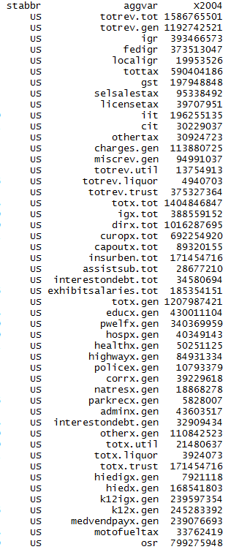
General revenue | 1,192,742,521 | 17,449,427 | 6,630,141 | 18,980,232 | 11,679,719 | 153,625,487 | 14,906,599 | 16,894,418 | 5,169,315 | 56,033,593 | 27,289,184 | 6,850,196 | 5,309,905 | 44,896,487 | 23,497,723 | 11,916,703 | 9,902,085 | 17,497,423 | 18,877,276 | 6,857,779 | 22,982,271 | 33,138,225 | 44,876,013 | 24,217,043 | 12,196,208 | 20,204,731 | 4,142,628 | 7,370,055 | 7,378,678 | 4,596,019 | 38,356,817 | 9,833,783 | 108,342,871 | 32,951,167 | 3,177,607 | 45,616,852 | 13,843,612 | 13,765,718 | 50,028,732 | 5,654,508 | 17,408,920 | 2,906,921 | 20,887,769 | 71,487,225 | 9,560,033 | 3,794,824 | 27,888,052 | 25,171,415 | 9,117,599 | 24,063,886 | 3,518,647
Intergovernmental revenue | 393,466,573 | 6,724,211 | 2,193,578 | 6,987,389 | 4,041,889 | 49,403,324 | 4,594,664 | 3,870,836 | 1,054,363 | 17,427,448 | 8,247,215 | 1,639,868 | 1,741,394 | 14,331,367 | 7,057,449 | 4,038,220 | 2,962,444 | 5,911,236 | 6,995,885 | 2,573,528 | 6,514,518 | 9,078,391 | 13,398,823 | 6,379,798 | 5,424,813 | 7,412,108 | 1,707,215 | 2,383,391 | 1,700,869 | 1,676,883 | 9,815,674 | 3,552,118 | 47,894,846 | 11,608,798 | 1,220,547 | 14,870,405 | 4,565,639 | 4,160,915 | 15,325,737 | 2,132,019 | 6,721,608 | 1,239,324 | 8,227,727 | 25,639,654 | 2,877,849 | 1,314,916 | 6,237,933 | 6,953,519 | 3,368,602 | 6,831,514 | 1,434,112
Taxes | 590,404,186 | 7,018,242 | 1,343,191 | 9,637,369 | 5,580,678 | 85,721,483 | 7,051,457 | 10,291,289 | 2,375,482 | 30,534,283 | 14,570,573 | 3,849,135 | 2,647,790 | 23,709,618 | 11,957,470 | 5,214,602 | 5,283,676 | 8,463,400 | 7,741,289 | 2,975,525 | 12,227,428 | 16,839,243 | 22,647,281 | 14,734,921 | 5,124,730 | 9,119,664 | 1,625,692 | 3,639,811 | 4,716,660 | 1,990,926 | 20,986,204 | 4,001,780 | 45,826,429 | 16,836,454 | 1,228,890 | 22,475,528 | 6,426,713 | 6,103,071 | 25,346,879 | 2,408,861 | 6,803,568 | 1,062,722 | 9,529,171 | 30,751,860 | 4,195,962 | 1,766,719 | 14,233,065 | 13,895,346 | 3,749,013 | 12,638,266 | 1,504,777
General sales | 197,948,848 | 1,892,560 | 0 | 4,719,642 | 2,149,527 | 26,506,911 | 1,909,246 | 3,127,221 | 0 | 17,128,515 | 4,921,337 | 1,900,377 | 1,036,924 | 6,922,587 | 4,759,445 | 1,617,505 | 1,932,927 | 2,466,033 | 2,680,716 | 917,248 | 2,707,140 | 3,743,204 | 7,894,458 | 4,066,790 | 2,482,908 | 2,950,055 | 0 | 1,524,591 | 2,242,532 | 0 | 6,261,700 | 1,443,300 | 10,050,291 | 4,351,822 | 367,304 | 7,881,510 | 1,594,246 | 0 | 7,773,133 | 804,647 | 2,726,657 | 586,389 | 5,845,206 | 15,460,221 | 1,560,902 | 256,958 | 2,977,401 | 8,423,160 | 1,021,365 | 3,899,395 | 462,842
Selective sales | 95,338,492 | 1,783,002 | 172,876 | 1,382,146 | 784,503 | 7,477,277 | 984,789 | 1,773,155 | 383,383 | 6,280,891 | 1,547,448 | 569,922 | 366,231 | 5,541,134 | 2,147,509 | 891,294 | 790,225 | 1,540,274 | 1,640,590 | 478,402 | 2,248,321 | 1,859,410 | 2,949,792 | 2,317,528 | 908,294 | 1,518,453 | 437,051 | 463,487 | 1,559,853 | 674,354 | 3,478,584 | 595,140 | 6,428,674 | 2,917,379 | 299,434 | 2,901,794 | 744,782 | 748,882 | 4,756,518 | 500,727 | 963,329 | 278,873 | 1,499,456 | 9,160,557 | 581,338 | 430,637 | 2,234,662 | 2,441,440 | 1,071,888 | 1,721,642 | 111,162
License taxes | 39,707,951 | 397,429 | 83,738 | 289,803 | 187,876 | 5,744,089 | 337,911 | 385,265 | 882,389 | 1,774,881 | 617,663 | 123,257 | 220,800 | 2,385,596 | 448,387 | 575,515 | 274,619 | 542,480 | 429,068 | 201,467 | 558,938 | 664,556 | 1,545,457 | 941,783 | 318,488 | 605,590 | 233,372 | 201,921 | 623,400 | 184,707 | 1,182,018 | 169,805 | 1,193,019 | 1,017,247 | 118,377 | 1,813,479 | 840,421 | 651,016 | 2,547,850 | 94,481 | 383,505 | 138,877 | 1,045,665 | 4,083,148 | 156,999 | 98,758 | 613,910 | 686,564 | 179,107 | 811,548 | 101,712
Individual income tax | 196,255,135 | 2,243,537 | 0 | 2,315,865 | 1,685,585 | 36,398,983 | 3,413,891 | 4,319,546 | 781,212 | 0 | 6,830,486 | 1,169,205 | 907,795 | 7,218,428 | 3,807,861 | 1,958,697 | 1,915,530 | 2,819,393 | 2,192,038 | 1,160,028 | 5,277,844 | 8,830,334 | 5,873,365 | 5,709,584 | 1,061,704 | 3,720,749 | 605,582 | 1,242,603 | 0 | 54,769 | 7,400,733 | 1,007,248 | 24,647,225 | 7,510,978 | 213,982 | 8,705,161 | 2,319,123 | 4,270,740 | 7,323,364 | 899,939 | 2,438,712 | 0 | 139,991 | 0 | 1,692,035 | 429,817 | 7,422,071 | 0 | 1,068,212 | 5,251,190 | 0
Corporate income tax | 30,229,037 | 292,051 | 339,564 | 525,650 | 181,830 | 6,925,916 | 239,591 | 379,822 | 217,768 | 1,441,338 | 494,701 | 58,119 | 103,784 | 1,278,538 | 644,787 | 89,826 | 166,609 | 381,538 | 236,745 | 111,616 | 569,700 | 1,301,076 | 1,841,010 | 637,183 | 243,846 | 224,366 | 67,723 | 167,429 | 0 | 407,603 | 1,896,998 | 138,196 | 2,044,504 | 837,085 | 49,807 | 1,060,594 | 133,309 | 320,065 | 1,677,998 | 69,479 | 196,510 | 47,108 | 694,798 | 0 | 145,005 | 62,228 | 422,119 | 0 | 181,515 | 681,990 | 0
Other taxes | 30,924,723 | 409,663 | 747,013 | 404,263 | 591,357 | 2,668,307 | 166,029 | 306,280 | 110,730 | 3,908,658 | 158,938 | 28,255 | 12,256 | 363,335 | 149,481 | 81,765 | 203,766 | 713,682 | 562,132 | 106,764 | 865,485 | 440,663 | 2,543,199 | 1,062,053 | 109,490 | 100,451 | 281,964 | 39,780 | 290,875 | 669,493 | 766,171 | 648,091 | 1,462,716 | 201,943 | 179,986 | 112,990 | 794,832 | 112,368 | 1,268,016 | 39,588 | 94,855 | 11,475 | 304,055 | 2,047,934 | 59,683 | 488,321 | 562,902 | 2,344,182 | 226,926 | 272,501 | 829,061

Current charges | 113,880,725 | 2,630,382 | 377,517 | 1,169,721 | 1,546,629 | 10,647,246 | 1,854,660 | 1,401,232 | 715,471 | 3,694,993 | 2,373,337 | 882,232 | 470,037 | 3,211,635 | 2,674,048 | 1,776,175 | 937,030 | 1,904,998 | 2,390,841 | 537,145 | 2,304,963 | 2,718,139 | 5,396,954 | 1,903,656 | 1,211,257 | 1,884,203 | 447,099 | 652,712 | 546,375 | 310,302 | 4,381,258 | 758,043 | 7,119,759 | 2,794,075 | 436,802 | 5,120,893 | 1,686,097 | 2,143,679 | 5,679,181 | 447,571 | 2,673,865 | 209,524 | 1,550,590 | 7,027,396 | 1,853,528 | 365,920 | 4,472,170 | 2,887,154 | 919,481 | 2,660,736 | 122,014
Miscellaneous general revenue | 94,991,037 | 1,076,592 | 2,715,855 | 1,185,753 | 510,523 | 7,853,434 | 1,405,818 | 1,331,061 | 1,023,999 | 4,376,869 | 2,098,059 | 478,961 | 450,684 | 3,643,867 | 1,808,756 | 887,706 | 718,935 | 1,217,789 | 1,749,261 | 771,581 | 1,935,362 | 4,502,452 | 3,432,955 | 1,198,668 | 435,408 | 1,788,756 | 362,622 | 694,141 | 414,774 | 617,908 | 3,173,681 | 1,521,842 | 7,501,837 | 1,711,840 | 291,368 | 3,150,026 | 1,165,163 | 1,358,053 | 3,676,935 | 666,057 | 1,209,879 | 395,351 | 1,580,281 | 8,068,315 | 632,694 | 347,269 | 2,944,884 | 1,435,396 | 1,080,503 | 1,933,370 | 457,744

Utility revenue | 13,754,913 | 0 | 14,161 | 25,446 | 0 | 5,167,289 | 0 | 23,149 | 9,814 | 18,529 | 2,353 | 0 | 0 | 0 | 0 | 410 | 0 | 0 | 4,870 | 0 | 107,076 | 130,376 | 0 | 0 | 0 | 0 | 0 | 0 | 143,048 | 110 | 591,310 | 0 | 6,091,450 | 0 | 0 | 0 | 353,290 | 2,016 | 0 | 21,952 | 1,047,934 | 0 | 0 | 0 | 0 | 0 | 0 | 0 | 330 | 0 | 0
Liquor store revenue | 4,940,703 | 172,430 | 0 | 0 | 0 | 0 | 0 | 0 | 0 | 0 | 0 | 0 | 76,766 | 0 | 0 | 135,957 | 0 | 0 | 0 | 165,996 | 0 | 0 | 675,747 | 0 | 193,518 | 0 | 49,524 | 0 | 0 | 371,766 | 0 | 0 | 0 | 0 | 0 | 581,412 | 0 | 289,365 | 1,109,204 | 0 | 0 | 0 | 0 | 0 | 141,859 | 35,279 | 407,574 | 418,142 | 59,803 | 0 | 56,361
Insurance trust revenue (1) | 375,327,364 | 3,779,920 | 2,207,887 | 4,778,770 | 2,545,457 | 70,905,572 | 8,125,219 | 2,072,489 | 543,553 | 18,639,648 | 6,607,190 | 1,570,632 | 1,725,693 | 14,736,493 | 3,452,472 | 3,309,945 | 1,175,190 | 2,798,317 | 4,569,230 | 1,423,591 | 5,446,771 | 8,505,465 | 10,005,537 | 5,491,177 | 2,961,351 | 6,033,013 | 1,156,856 | 978,641 | 2,674,824 | 778,662 | 12,093,158 | 2,011,313 | 24,129,101 | 11,419,994 | 2,056,019 | 30,129,593 | 3,466,933 | 10,431,198 | 18,074,738 | 1,625,168 | 3,357,790 | 956,700 | 3,019,508 | 19,002,530 | 3,465,958 | 472,487 | 7,360,512 | 9,466,053 | 1,935,071 | 10,819,496 | 1,034,479

Total expenditure | 1,404,846,847 | 19,544,560 | 8,089,240 | 21,765,804 | 12,681,105 | 202,889,330 | 18,042,055 | 19,528,569 | 5,387,960 | 58,410,670 | 34,229,517 | 7,875,322 | 5,762,624 | 54,861,810 | 25,487,654 | 13,424,350 | 11,362,755 | 20,123,773 | 20,482,301 | 7,305,731 | 25,202,230 | 36,981,953 | 52,489,571 | 28,226,351 | 14,263,288 | 22,038,965 | 4,691,318 | 6,974,335 | 8,575,428 | 5,538,549 | 48,975,600 | 11,233,417 | 132,897,176 | 37,094,848 | 3,254,983 | 58,679,448 | 14,959,183 | 18,587,228 | 56,969,147 | 6,373,515 | 21,550,915 | 3,027,787 | 22,250,066 | 77,163,705 | 10,794,264 | 3,913,616 | 30,352,413 | 32,479,709 | 9,879,217 | 28,577,240 | 3,596,252
Intergovernmental expenditure | 388,559,152 | 4,164,719 | 1,049,706 | 7,556,518 | 3,212,815 | 80,132,150 | 4,860,577 | 3,313,737 | 922,710 | 15,285,893 | 9,331,174 | 134,452 | 1,496,785 | 13,303,609 | 7,963,397 | 3,529,971 | 3,123,152 | 3,963,425 | 4,410,251 | 1,049,160 | 5,632,520 | 5,393,684 | 19,035,055 | 9,638,153 | 3,880,446 | 5,260,101 | 955,378 | 1,695,613 | 2,948,274 | 1,278,988 | 10,565,755 | 3,234,697 | 44,112,115 | 10,226,422 | 613,513 | 15,730,201 | 3,669,052 | 4,637,052 | 12,061,035 | 865,956 | 4,159,942 | 566,853 | 5,301,665 | 17,032,016 | 2,112,921 | 981,307 | 8,820,012 | 6,911,826 | 1,942,069 | 9,285,137 | 1,207,193
Direct expenditure | 1,016,287,695 | 15,379,841 | 7,039,534 | 14,209,286 | 9,468,290 | 122,757,180 | 13,181,478 | 16,214,832 | 4,465,250 | 43,124,777 | 24,898,343 | 7,740,870 | 4,265,839 | 41,558,201 | 17,524,257 | 9,894,379 | 8,239,603 | 16,160,348 | 16,072,050 | 6,256,571 | 19,569,710 | 31,588,269 | 33,454,516 | 18,588,198 | 10,382,842 | 16,778,864 | 3,735,940 | 5,278,722 | 5,627,154 | 4,259,561 | 38,409,845 | 7,998,720 | 88,785,061 | 26,868,426 | 2,641,470 | 42,949,247 | 11,290,131 | 13,950,176 | 44,908,112 | 5,507,559 | 17,390,973 | 2,460,934 | 16,948,401 | 60,131,689 | 8,681,343 | 2,932,309 | 21,532,401 | 25,567,883 | 7,937,148 | 19,292,103 | 2,389,059
Current operation | 692,254,920 | 10,740,445 | 4,529,620 | 9,893,298 | 7,102,458 | 81,677,193 | 8,465,390 | 10,727,046 | 3,306,621 | 29,920,867 | 17,822,813 | 5,999,714 | 2,848,421 | 27,504,726 | 13,033,239 | 7,063,915 | 5,772,104 | 11,206,396 | 11,128,275 | 4,793,354 | 14,021,087 | 20,349,124 | 23,475,665 | 12,794,900 | 7,719,170 | 11,428,958 | 2,483,536 | 4,067,296 | 3,602,052 | 3,173,141 | 24,913,395 | 6,034,962 | 60,239,389 | 18,416,462 | 1,961,876 | 25,107,990 | 8,078,242 | 8,361,361 | 31,446,969 | 3,820,303 | 12,045,657 | 1,650,059 | 13,354,209 | 40,537,069 | 6,224,862 | 2,313,956 | 15,583,821 | 16,020,757 | 5,574,720 | 12,335,594 | 1,582,443
Capital outlay | 89,320,155 | 1,644,475 | 886,846 | 1,461,931 | 1,005,555 | 7,542,690 | 1,123,706 | 1,144,280 | 442,787 | 4,698,971 | 2,401,645 | 466,569 | 539,447 | 2,467,325 | 1,700,913 | 1,103,983 | 1,032,362 | 1,576,243 | 1,303,178 | 412,412 | 1,624,740 | 3,379,124 | 2,126,352 | 1,311,478 | 966,268 | 1,505,282 | 522,585 | 652,374 | 744,452 | 293,670 | 3,464,120 | 447,220 | 8,786,756 | 2,961,676 | 281,143 | 3,097,504 | 882,857 | 787,202 | 2,896,845 | 332,836 | 1,771,527 | 410,762 | 1,297,615 | 7,429,464 | 1,001,804 | 155,818 | 1,772,815 | 2,577,797 | 746,595 | 1,781,247 | 354,909
Insurance benefits and repayments | 171,454,716 | 1,745,203 | 1,165,261 | 2,179,136 | 991,592 | 27,199,979 | 3,015,461 | 2,620,234 | 401,683 | 5,849,095 | 3,325,304 | 794,114 | 611,969 | 7,620,381 | 1,791,377 | 1,299,364 | 1,104,320 | 2,430,915 | 2,459,609 | 588,977 | 2,493,018 | 4,318,252 | 5,627,428 | 3,346,880 | 1,339,387 | 2,551,924 | 528,430 | 334,290 | 985,326 | 384,809 | 8,131,855 | 1,011,307 | 14,365,484 | 3,939,093 | 278,991 | 11,984,509 | 1,767,023 | 4,074,456 | 8,044,411 | 921,469 | 2,293,201 | 257,703 | 1,566,111 | 9,667,420 | 937,202 | 199,843 | 2,383,042 | 5,124,437 | 1,257,883 | 3,781,755 | 363,803
Assistance and subsidies | 28,677,210 | 1,013,301 | 206,582 | 434,275 | 245,563 | 2,128,418 | 161,239 | 437,944 | 86,233 | 1,665,466 | 887,390 | 124,136 | 132,212 | 1,280,524 | 455,884 | 265,644 | 164,411 | 533,329 | 501,576 | 209,796 | 697,114 | 702,842 | 1,128,128 | 756,958 | 157,645 | 653,594 | 77,941 | 128,728 | 107,240 | 106,111 | 454,343 | 341,021 | 1,392,954 | 1,110,569 | 42,952 | 1,566,629 | 204,201 | 351,104 | 1,396,486 | 198,754 | 698,482 | 43,768 | 548,261 | 1,481,676 | 331,187 | 123,631 | 1,070,788 | 1,091,294 | 167,482 | 571,629 | 39,775
Interest on debt | 34,580,694 | 236,417 | 251,225 | 240,646 | 123,122 | 4,208,900 | 415,682 | 1,285,328 | 227,926 | 990,378 | 461,191 | 356,337 | 133,790 | 2,685,245 | 542,844 | 161,473 | 166,406 | 413,465 | 679,412 | 252,032 | 733,751 | 2,838,927 | 1,096,943 | 377,982 | 200,372 | 639,106 | 123,448 | 96,034 | 188,084 | 301,830 | 1,446,132 | 164,210 | 4,000,478 | 440,626 | 76,508 | 1,192,615 | 357,808 | 376,053 | 1,123,401 | 234,197 | 582,106 | 98,642 | 182,205 | 1,016,060 | 186,288 | 139,061 | 721,935 | 753,598 | 190,468 | 821,878 | 48,129
Exhibit: Salaries and wages | 185,354,151 | 3,141,319 | 1,199,170 | 2,627,433 | 1,528,630 | 20,841,748 | 2,796,221 | 3,434,649 | 1,796,800 | 7,001,138 | 3,990,363 | 2,021,447 | 817,284 | 8,206,834 | 3,461,530 | 2,299,205 | 2,269,412 | 3,068,919 | 3,754,815 | 667,051 | 4,011,309 | 4,118,590 | 5,956,780 | 3,928,883 | 1,868,768 | 3,101,488 | 708,831 | 1,827,865 | 1,230,195 | 302,974 | 7,438,117 | 1,787,554 | 14,032,761 | 6,142,326 | 560,928 | 6,775,542 | 2,206,198 | 3,105,615 | 3,761,741 | 1,274,120 | 2,736,968 | 488,804 | 2,979,900 | 11,861,335 | 2,029,544 | 623,120 | 4,872,369 | 5,405,207 | 1,343,106 | 3,462,527 | 486,718

Total expenditure | 1,404,846,847 | 19,544,560 | 8,089,240 | 21,765,804 | 12,681,105 | 202,889,330 | 18,042,055 | 19,528,569 | 5,387,960 | 58,410,670 | 34,229,517 | 7,875,322 | 5,762,624 | 54,861,810 | 25,487,654 | 13,424,350 | 11,362,755 | 20,123,773 | 20,482,301 | 7,305,731 | 25,202,230 | 36,981,953 | 52,489,571 | 28,226,351 | 14,263,288 | 22,038,965 | 4,691,318 | 6,974,335 | 8,575,428 | 5,538,549 | 48,975,600 | 11,233,417 | 132,897,176 | 37,094,848 | 3,254,983 | 58,679,448 | 14,959,183 | 18,587,228 | 56,969,147 | 6,373,515 | 21,550,915 | 3,027,787 | 22,250,066 | 77,163,705 | 10,794,264 | 3,913,616 | 30,352,413 | 32,479,709 | 9,879,217 | 28,577,240 | 3,596,252
General expenditure | 1,207,987,421 | 17,621,702 | 6,834,832 | 19,558,495 | 11,689,513 | 170,147,556 | 15,016,170 | 16,674,464 | 4,914,614 | 52,499,863 | 30,863,950 | 7,081,208 | 5,093,039 | 47,241,429 | 23,657,294 | 12,031,051 | 10,258,435 | 17,692,797 | 18,018,067 | 6,654,819 | 22,157,555 | 32,450,638 | 46,312,233 | 24,778,412 | 12,766,451 | 19,487,011 | 4,119,927 | 6,640,045 | 7,445,062 | 4,826,730 | 38,584,187 | 10,222,110 | 108,262,067 | 33,053,356 | 2,975,992 | 46,329,127 | 12,893,324 | 14,359,289 | 47,858,275 | 5,357,993 | 18,083,674 | 2,770,084 | 20,679,125 | 67,486,166 | 9,752,869 | 3,676,138 | 27,600,694 | 26,979,693 | 8,555,271 | 24,789,046 | 3,185,579
Intergovernmental expenditure | 388,559,152 | 4,164,719 | 1,049,706 | 7,556,518 | 3,212,815 | 80,132,150 | 4,860,577 | 3,313,737 | 922,710 | 15,285,893 | 9,331,174 | 134,452 | 1,496,785 | 13,303,609 | 7,963,397 | 3,529,971 | 3,123,152 | 3,963,425 | 4,410,251 | 1,049,160 | 5,632,520 | 5,393,684 | 19,035,055 | 9,638,153 | 3,880,446 | 5,260,101 | 955,378 | 1,695,613 | 2,948,274 | 1,278,988 | 10,565,755 | 3,234,697 | 44,112,115 | 10,226,422 | 613,513 | 15,730,201 | 3,669,052 | 4,637,052 | 12,061,035 | 865,956 | 4,159,942 | 566,853 | 5,301,665 | 17,032,016 | 2,112,921 | 981,307 | 8,820,012 | 6,911,826 | 1,942,069 | 9,285,137 | 1,207,193
Direct expenditure | 819,428,269 | 13,456,983 | 5,785,126 | 12,001,977 | 8,476,698 | 90,015,406 | 10,155,593 | 13,360,727 | 3,991,904 | 37,213,970 | 21,532,776 | 6,946,756 | 3,596,254 | 33,937,820 | 15,693,897 | 8,501,080 | 7,135,283 | 13,729,372 | 13,607,816 | 5,605,659 | 16,525,035 | 27,056,954 | 27,277,178 | 15,140,259 | 8,886,005 | 14,226,910 | 3,164,549 | 4,944,432 | 4,496,788 | 3,547,742 | 28,018,432 | 6,987,413 | 64,149,952 | 22,826,934 | 2,362,479 | 30,598,926 | 9,224,272 | 9,722,237 | 35,797,240 | 4,492,037 | 13,923,732 | 2,203,231 | 15,377,460 | 50,454,150 | 7,639,948 | 2,694,831 | 18,780,682 | 20,067,867 | 6,613,202 | 15,503,909 | 1,978,386

General expenditures, by function:
Education | 430,011,104 | 7,617,223 | 1,707,847 | 7,150,342 | 4,730,047 | 59,777,134 | 6,293,255 | 4,470,180 | 1,701,881 | 17,694,815 | 13,343,447 | 2,487,630 | 2,013,929 | 14,852,814 | 9,041,115 | 4,670,535 | 4,564,743 | 6,392,502 | 6,433,899 | 1,653,605 | 7,366,076 | 7,547,927 | 20,449,929 | 9,872,469 | 4,310,712 | 6,868,317 | 1,377,921 | 2,324,444 | 3,011,529 | 1,667,818 | 12,856,212 | 3,813,208 | 31,359,362 | 13,290,923 | 1,057,056 | 17,006,672 | 5,547,702 | 5,465,246 | 15,529,362 | 1,468,437 | 6,104,392 | 876,911 | 6,536,120 | 27,312,446 | 4,335,952 | 1,482,438 | 10,308,063 | 11,211,187 | 2,939,679 | 9,045,030 | 1,070,621
Public welfare | 340,369,959 | 4,568,332 | 1,471,607 | 5,147,119 | 2,995,212 | 46,898,712 | 3,537,787 | 4,416,649 | 1,022,013 | 15,415,221 | 9,095,255 | 1,346,566 | 1,212,327 | 12,694,089 | 5,675,769 | 3,112,742 | 2,475,046 | 5,274,909 | 4,122,416 | 2,286,375 | 5,490,400 | 10,552,819 | 9,950,158 | 7,486,297 | 3,981,710 | 5,657,912 | 762,029 | 1,899,089 | 1,292,137 | 1,441,935 | 10,272,122 | 2,492,564 | 41,154,459 | 8,800,027 | 683,035 | 13,558,685 | 3,535,549 | 3,517,473 | 16,772,449 | 1,940,925 | 4,936,352 | 698,864 | 8,357,217 | 18,613,103 | 1,992,986 | 1,015,398 | 5,618,854 | 6,422,900 | 2,294,466 | 5,908,896 | 501,003
Hospitals | 40,349,143 | 1,100,506 | 23,043 | 59,012 | 532,800 | 5,168,694 | 325,203 | 1,076,462 | 56,802 | 236,046 | 687,846 | 244,076 | 39,186 | 994,622 | 284,348 | 898,849 | 107,780 | 682,476 | 1,648,253 | 54,515 | 405,108 | 414,685 | 1,812,750 | 256,251 | 695,350 | 1,041,370 | 39,467 | 202,775 | 145,759 | 50,196 | 1,616,323 | 487,280 | 3,860,409 | 1,107,043 | 44,002 | 1,579,696 | 154,342 | 677,811 | 2,201,565 | 108,043 | 1,115,267 | 47,309 | 342,944 | 2,929,885 | 505,963 | 14,579 | 2,019,255 | 1,376,974 | 72,782 | 799,711 | 3,730
Health | 50,251,125 | 814,615 | 118,307 | 1,138,653 | 316,062 | 9,525,062 | 784,349 | 834,778 | 289,825 | 2,829,993 | 1,027,735 | 416,241 | 131,165 | 2,696,902 | 590,479 | 195,740 | 287,430 | 535,507 | 471,892 | 437,145 | 1,524,186 | 686,758 | 3,350,239 | 516,458 | 297,655 | 665,345 | 227,881 | 308,713 | 210,948 | 137,669 | 1,075,595 | 240,706 | 5,231,209 | 1,274,446 | 57,081 | 1,936,533 | 495,409 | 285,489 | 1,471,027 | 205,720 | 677,607 | 96,311 | 962,310 | 1,302,365 | 304,254 | 92,467 | 724,350 | 1,349,741 | 287,709 | 644,461 | 168,603
Highways | 84,931,334 | 1,199,566 | 828,835 | 1,891,625 | 1,116,310 | 7,857,947 | 1,374,131 | 862,045 | 392,101 | 4,763,099 | 1,399,636 | 214,046 | 524,242 | 3,096,955 | 1,923,978 | 1,365,758 | 1,225,504 | 1,699,543 | 1,138,233 | 536,777 | 1,655,814 | 2,752,694 | 2,936,147 | 1,927,251 | 1,012,320 | 1,853,322 | 537,810 | 595,128 | 739,201 | 374,149 | 2,300,216 | 633,467 | 3,672,833 | 3,198,090 | 385,158 | 3,032,342 | 1,064,245 | 1,232,642 | 3,561,344 | 256,348 | 1,412,728 | 421,841 | 1,545,491 | 5,828,707 | 817,113 | 253,779 | 2,477,512 | 2,000,672 | 948,901 | 1,678,313 | 415,425

Police protection | 10,793,379 | 130,234 | 61,681 | 188,754 | 79,800 | 1,273,619 | 112,341 | 170,666 | 78,262 | 403,244 | 243,137 | 13,779 | 43,206 | 399,085 | 226,051 | 71,393 | 74,193 | 155,292 | 259,125 | 61,840 | 418,856 | 407,951 | 295,537 | 244,479 | 75,257 | 134,869 | 45,940 | 69,651 | 62,023 | 37,454 | 423,136 | 111,883 | 818,700 | 378,278 | 13,866 | 254,436 | 102,790 | 196,166 | 604,141 | 49,715 | 182,727 | 25,946 | 142,127 | 465,109 | 114,615 | 69,078 | 549,489 | 243,188 | 58,552 | 121,120 | 30,598
Correction | 39,229,618 | 397,943 | 176,642 | 791,043 | 351,788 | 5,875,717 | 701,710 | 558,020 | 202,782 | 2,185,039 | 1,304,039 | 158,029 | 170,981 | 1,284,453 | 675,194 | 219,859 | 316,669 | 452,482 | 608,725 | 112,083 | 1,064,123 | 972,276 | 1,637,305 | 411,061 | 306,477 | 609,300 | 121,156 | 188,457 | 234,116 | 94,423 | 1,286,839 | 254,639 | 2,586,817 | 1,041,109 | 45,458 | 1,558,121 | 501,001 | 494,152 | 1,488,414 | 162,234 | 419,758 | 65,434 | 596,095 | 2,972,593 | 275,912 | 93,827 | 1,215,898 | 796,810 | 182,906 | 918,706 | 91,003
Natural resources | 18,868,278 | 237,615 | 247,000 | 238,297 | 225,132 | 3,850,704 | 207,025 | 94,194 | 82,540 | 1,472,203 | 518,165 | 109,514 | 178,812 | 395,095 | 269,222 | 224,415 | 185,658 | 345,119 | 396,585 | 186,889 | 484,135 | 272,138 | 453,032 | 457,951 | 235,490 | 325,328 | 279,892 | 146,969 | 118,250 | 61,365 | 331,220 | 173,372 | 356,697 | 516,959 | 133,888 | 416,181 | 205,152 | 380,247 | 631,347 | 37,389 | 201,047 | 100,918 | 224,643 | 893,598 | 172,767 | 84,449 | 181,365 | 608,622 | 185,025 | 555,771 | 178,887
Parks and recreation | 5,828,007 | 23,014 | 9,527 | 167,668 | 83,065 | 811,686 | 73,484 | 151,215 | 47,294 | 153,633 | 134,397 | 57,703 | 26,054 | 373,134 | 63,291 | 20,330 | 7,466 | 145,079 | 214,417 | 11,225 | 210,960 | 305,471 | 125,377 | 184,080 | 45,853 | 52,556 | 14,523 | 30,384 | 19,240 | 13,657 | 398,909 | 59,457 | 475,625 | 151,009 | 13,934 | 113,070 | 77,230 | 73,727 | 168,300 | 8,931 | 68,284 | 27,936 | 119,821 | 120,673 | 41,745 | 12,714 | 77,446 | 105,935 | 56,547 | 55,244 | 25,687
Government administration | 43,603,517 | 433,653 | 432,840 | 502,377 | 473,016 | 7,498,729 | 445,749 | 926,963 | 394,479 | 2,115,458 | 837,930 | 443,216 | 268,481 | 1,395,966 | 616,317 | 470,965 | 420,302 | 667,226 | 682,620 | 240,434 | 785,901 | 1,422,931 | 949,783 | 790,179 | 283,352 | 616,591 | 226,112 | 172,600 | 201,243 | 200,118 | 1,613,955 | 396,701 | 4,266,254 | 764,436 | 124,342 | 1,747,352 | 419,205 | 745,823 | 2,106,546 | 294,466 | 759,380 | 117,729 | 522,555 | 1,398,264 | 571,909 | 135,824 | 934,727 | 587,634 | 444,431 | 614,390 | 122,063

Interest on general debt | 32,909,434 | 236,417 | 242,443 | 237,436 | 123,122 | 3,786,900 | 409,320 | 1,285,328 | 227,926 | 990,378 | 461,191 | 356,337 | 133,790 | 2,685,245 | 542,844 | 161,473 | 166,406 | 413,465 | 679,412 | 252,032 | 733,751 | 2,779,802 | 1,096,943 | 377,982 | 200,372 | 639,106 | 123,448 | 96,034 | 184,030 | 301,830 | 1,441,728 | 164,210 | 3,063,869 | 440,626 | 76,508 | 1,192,615 | 286,610 | 376,053 | 1,123,401 | 234,197 | 426,590 | 98,642 | 182,205 | 1,016,060 | 186,288 | 139,061 | 721,935 | 753,598 | 190,468 | 821,878 | 48,129
Other and unallocable | 110,842,523 | 862,584 | 1,515,060 | 2,046,169 | 663,159 | 17,822,652 | 751,816 | 1,827,964 | 418,709 | 4,240,734 | 1,811,172 | 1,234,071 | 350,866 | 6,373,069 | 3,748,686 | 618,992 | 427,238 | 929,197 | 1,362,490 | 821,899 | 2,018,245 | 4,335,186 | 3,255,033 | 2,253,954 | 1,321,903 | 1,022,995 | 363,748 | 605,801 | 1,226,586 | 446,116 | 4,967,932 | 1,394,623 | 11,415,833 | 2,090,410 | 341,664 | 3,933,424 | 504,089 | 914,460 | 2,200,379 | 591,588 | 1,779,542 | 192,243 | 1,147,597 | 4,633,363 | 433,365 | 282,524 | 2,771,800 | 1,522,432 | 893,805 | 3,625,526 | 529,830

Utility expenditure | 21,480,637 | 0 | 89,147 | 28,173 | 0 | 5,541,795 | 10,424 | 233,871 | 71,663 | 61,712 | 40,263 | 0 | 0 | 0 | 38,983 | 855 | 0 | 61 | 4,625 | 0 | 551,657 | 213,063 | 0 | 101,059 | 0 | 30 | 271 | 0 | 145,040 | 9,294 | 2,259,558 | 0 | 10,269,625 | 102,399 | 0 | 0 | 298,836 | 9,083 | 48,285 | 94,053 | 1,174,040 | 0 | 4,830 | 10,119 | 0 | 2,753 | 18,759 | 25,072 | 14,800 | 6,439 | 0
Liquor store expenditure | 3,924,073 | 177,655 | 0 | 0 | 0 | 0 | 0 | 0 | 0 | 0 | 0 | 0 | 57,616 | 0 | 0 | 93,080 | 0 | 0 | 0 | 61,935 | 0 | 0 | 549,910 | 0 | 157,450 | 0 | 42,690 | 0 | 0 | 317,716 | 0 | 0 | 0 | 0 | 0 | 365,812 | 0 | 144,400 | 1,018,176 | 0 | 0 | 0 | 0 | 0 | 104,193 | 34,882 | 349,918 | 350,507 | 51,263 | 0 | 46,870
Insurance trust expenditure | 171,454,716 | 1,745,203 | 1,165,261 | 2,179,136 | 991,592 | 27,199,979 | 3,015,461 | 2,620,234 | 401,683 | 5,849,095 | 3,325,304 | 794,114 | 611,969 | 7,620,381 | 1,791,377 | 1,299,364 | 1,104,320 | 2,430,915 | 2,459,609 | 588,977 | 2,493,018 | 4,318,252 | 5,627,428 | 3,346,880 | 1,339,387 | 2,551,924 | 528,430 | 334,290 | 985,326 | 384,809 | 8,131,855 | 1,011,307 | 14,365,484 | 3,939,093 | 278,991 | 11,984,509 | 1,767,023 | 4,074,456 | 8,044,411 | 921,469 | 2,293,201 | 257,703 | 1,566,111 | 9,667,420 | 937,202 | 199,843 | 2,383,042 | 5,124,437 | 1,257,883 | 3,781,755 | 363,803

Debt at end of fiscal year | 779,542,249 | 6,363,885 | 5,688,414 | 6,773,923 | 3,741,626 | 105,519,806 | 9,964,097 | 22,932,932 | 4,205,042 | 26,787,366 | 8,664,363 | 5,746,194 | 2,383,841 | 48,726,054 | 14,698,171 | 4,857,614 | 4,571,893 | 8,116,460 | 10,182,940 | 4,643,988 | 15,243,365 | 57,163,315 | 25,017,987 | 6,665,669 | 4,378,804 | 16,218,362 | 3,048,862 | 1,949,654 | 3,845,557 | 6,528,236 | 40,640,195 | 5,411,287 | 97,920,518 | 14,102,900 | 1,667,880 | 21,840,151 | 7,013,393 | 10,495,671 | 25,995,752 | 6,482,652 | 11,883,890 | 2,613,067 | 3,580,940 | 23,326,277 | 4,962,141 | 2,537,139 | 15,394,563 | 15,773,698 | 4,634,866 | 17,727,318 | 909,531

Cash and security holdings | 2,944,865,224 | 32,402,674 | 45,325,821 | 38,840,515 | 18,988,203 | 441,179,223 | 46,463,982 | 32,709,378 | 11,244,204 | 173,169,254 | 64,062,004 | 13,218,165 | 11,735,412 | 104,783,007 | 41,174,210 | 27,063,116 | 13,982,313 | 33,867,788 | 43,125,998 | 14,003,894 | 44,652,468 | 74,700,075 | 76,823,817 | 50,745,807 | 23,288,104 | 59,430,937 | 11,724,183 | 10,272,986 | 21,759,816 | 10,175,057 | 87,626,112 | 34,672,314 | 263,243,033 | 73,231,932 | 8,140,125 | 166,738,540 | 27,688,295 | 59,094,738 | 104,532,372 | 12,755,483 | 30,604,121 | 9,467,630 | 31,005,832 | 191,995,006 | 19,472,625 | 5,237,854 | 57,642,635 | 66,201,412 | 11,521,317 | 81,588,282 | 11,493,155

(1) Within insurance trust revenue, net earnings of state retirement systems
is a calculated statistic (the item code in the data file is X08), and thus can be
positive or negative. Net earnings is the sum of earnings on investments plus gains on
investments minus losses on investments. The change made in 2002 for asset valuation
from book to market value in accordance with Statement 34 of the Governmental
Accounting Standards Board is reflected in the calculated statistics.

Source: U.S. Census Bureau, Governments Division, 2004 Survey of State Government Finances,

Created: April 2006
Revised: December 15, 2010

2003 0300usst
TOC
State Government Finances: 2003
(Dollar amounts in thousands. Per capita amounts in dollars. )
Item | UNITED STATES |  | ALABAMA |  | ALASKA |  | ARIZONA |  | ARKANSAS |  | CALIFORNIA |  | COLORADO |  | CONNECTICUT |  | DELAWARE |  | FLORIDA |  | GEORGIA |  | HAWAII |  | IDAHO |  | ILLINOIS |  | INDIANA |  | IOWA |  | KANSAS |  | KENTUCKY |  | LOUISIANA |  | MAINE |  | MARYLAND |  | MASSACHUSETTS |  | MICHIGAN |  | MINNESOTA |  | MISSISSIPPI |  | MISSOURI |  | MONTANA |  | NEBRASKA |  | NEVADA |  | NEW HAMPSHIRE |  | NEW JERSEY |  | NEW MEXICO |  | NEW YORK |  | NORTH CAROLINA |  | NORTH DAKOTA |  | OHIO |  | OKLAHOMA |  | OREGON |  | PENNSYLVANIA |  | RHODE ISLAND |  | SOUTH CAROLINA |  | SOUTH DAKOTA |  | TENNESSEE |  | TEXAS |  | UTAH |  | VERMONT |  | VIRGINIA |  | WASHINGTON |  | WEST VIRGINIA |  | WISCONSIN |  | WYOMING

 | Amount | Per Capita | Amount | Per Capita | Amount | Per Capita | Amount | Per Capita | Amount | Per Capita | Amount | Per Capita | Amount | Per Capita | Amount | Per Capita | Amount | Per Capita | Amount | Per Capita | Amount | Per Capita | Amount | Per Capita | Amount | Per Capita | Amount | Per Capita | Amount | Per Capita | Amount | Per Capita | Amount | Per Capita | Amount | Per Capita | Amount | Per Capita | Amount | Per Capita | Amount | Per Capita | Amount | Per Capita | Amount | Per Capita | Amount | Per Capita | Amount | Per Capita | Amount | Per Capita | Amount | Per Capita | Amount | Per Capita | Amount | Per Capita | Amount | Per Capita | Amount | Per Capita | Amount | Per Capita | Amount | Per Capita | Amount | Per Capita | Amount | Per Capita | Amount | Per Capita | Amount | Per Capita | Amount | Per Capita | Amount | Per Capita | Amount | Per Capita | Amount | Per Capita | Amount | Per Capita | Amount | Per Capita | Amount | Per Capita | Amount | Per Capita | Amount | Per Capita | Amount | Per Capita | Amount | Per Capita | Amount | Per Capita | Amount | Per Capita | Amount | Per Capita
 | 1 | 2 | 3 | 4 | 5 | 6 | 7 | 8 | 9 | 10 | 11 | 12 | 13 | 14 | 15 | 16 | 17 | 18 | 19 | 20 | 21 | 22 | 23 | 24 | 25 | 26 | 27 | 28 | 29 | 30 | 31 | 32 | 33 | 34 | 35 | 36 | 37 | 38 | 39 | 40 | 41 | 42 | 43 | 44 | 45 | 46 | 47 | 48 | 49 | 50 | 51 | 52 | 53 | 54 | 55 | 56 | 57 | 58 | 59 | 60 | 61 | 62 | 63 | 64 | 65 | 66 | 67 | 68 | 69 | 70 | 71 | 72 | 73 | 74 | 75 | 76 | 77 | 78 | 79 | 80 | 81 | 82 | 83 | 84 | 85 | 86 | 87 | 88 | 89 | 90 | 91 | 92 | 93 | 94 | 95 | 96 | 97 | 98 | 99 | 100 | 101 | 102

Population (thousands, 2003) | 290,231 | (X) | 4,504 | (X) | 648 | (X) | 5,579 | (X) | 2,728 | (X) | 35,463 | (X) | 4,548 | (X) | 3,487 | (X) | 818 | (X) | 16,999 | (X) | 8,676 | (X) | 1,249 | (X) | 1,367 | (X) | 12,649 | (X) | 6,200 | (X) | 2,942 | (X) | 2,725 | (X) | 4,118 | (X) | 4,494 | (X) | 1,309 | (X) | 5,512 | (X) | 6,420 | (X) | 10,082 | (X) | 5,064 | (X) | 2,883 | (X) | 5,719 | (X) | 918 | (X) | 1,737 | (X) | 2,242 | (X) | 1,289 | (X) | 8,642 | (X) | 1,879 | (X) | 19,212 | (X) | 8,421 | (X) | 633 | (X) | 11,438 | (X) | 3,506 | (X) | 3,564 | (X) | 12,371 | (X) | 1,076 | (X) | 4,149 | (X) | 765 | (X) | 5,845 | (X) | 22,103 | (X) | 2,352 | (X) | 619 | (X) | 7,365 | (X) | 6,131 | (X) | 1,811 | (X) | 5,474 | (X) | 502 | (X)

Total Revenue | 1,295,658,820 | 4,464.23 | 19,098,788 | 4,240.41 | 6,924,221 | 10,685.53 | 17,927,436 | 3,213.38 | 11,805,012 | 4,327.35 | 195,545,076 | 5,514.06 | 13,805,946 | 3,035.61 | 18,240,537 | 5,231.01 | 5,040,703 | 6,162.23 | 55,212,605 | 3,247.99 | 29,874,373 | 3,443.33 | 6,808,157 | 5,450.89 | 5,492,993 | 4,018.28 | 44,422,828 | 3,511.96 | 24,553,393 | 3,960.22 | 12,972,701 | 4,409.48 | 10,401,734 | 3,817.15 | 18,377,403 | 4,462.70 | 19,437,629 | 4,325.24 | 6,801,191 | 5,195.72 | 21,801,442 | 3,955.27 | 30,371,289 | 4,730.73 | 50,076,603 | 4,966.93 | 25,596,307 | 5,054.56 | 13,393,021 | 4,645.52 | 22,023,719 | 3,850.97 | 4,608,118 | 5,019.74 | 7,285,210 | 4,194.13 | 8,351,343 | 3,724.95 | 5,206,836 | 4,039.44 | 46,077,610 | 5,331.82 | 9,847,659 | 5,240.90 | 118,274,576 | 6,156.29 | 30,042,985 | 3,567.63 | 3,359,107 | 5,306.65 | 49,904,580 | 4,363.05 | 14,918,730 | 4,255.20 | 19,252,091 | 5,401.82 | 49,459,403 | 3,998.01 | 5,855,988 | 5,442.37 | 19,669,246 | 4,740.72 | 2,999,838 | 3,921.36 | 20,564,361 | 3,518.28 | 82,621,328 | 3,738.01 | 11,534,161 | 4,903.98 | 3,639,339 | 5,879.38 | 28,185,448 | 3,826.94 | 29,661,378 | 4,837.93 | 9,766,188 | 5,392.70 | 25,165,038 | 4,597.19 | 3,403,152 | 6,779.19

General revenue | 1,112,349,024 | 3,832.63 | 16,574,756 | 3,680.01 | 6,098,669 | 9,411.53 | 16,890,346 | 3,027.49 | 10,730,541 | 3,933.48 | 147,998,249 | 4,173.31 | 13,998,588 | 3,077.97 | 16,216,542 | 4,650.57 | 4,721,118 | 5,771.54 | 49,584,279 | 2,916.89 | 26,320,141 | 3,033.67 | 6,377,451 | 5,106.05 | 4,616,599 | 3,377.18 | 40,815,713 | 3,226.79 | 21,674,754 | 3,495.93 | 11,096,904 | 3,771.89 | 9,752,078 | 3,578.74 | 16,525,770 | 4,013.06 | 18,276,111 | 4,066.78 | 6,093,384 | 4,654.99 | 20,538,540 | 3,726.15 | 27,012,438 | 4,207.54 | 43,010,240 | 4,266.04 | 23,072,489 | 4,556.18 | 11,873,033 | 4,118.29 | 19,135,079 | 3,345.88 | 3,967,788 | 4,322.21 | 6,749,800 | 3,885.90 | 6,548,496 | 2,920.83 | 4,566,307 | 3,542.52 | 38,819,455 | 4,491.95 | 9,007,272 | 4,793.65 | 98,842,100 | 5,144.81 | 30,171,034 | 3,582.83 | 3,035,526 | 4,795.46 | 42,422,137 | 3,708.88 | 12,903,184 | 3,680.31 | 13,282,526 | 3,726.86 | 46,904,770 | 3,791.51 | 5,171,932 | 4,806.63 | 15,408,525 | 3,713.79 | 2,682,852 | 3,507.00 | 19,278,302 | 3,298.26 | 66,457,732 | 3,006.73 | 8,758,929 | 3,724.03 | 3,352,248 | 5,415.59 | 25,528,061 | 3,466.13 | 24,133,548 | 3,936.32 | 8,316,567 | 4,592.25 | 23,433,155 | 4,280.81 | 3,602,966 | 7,177.22
Intergovernmental revenue | 361,617,049 | 1,245.96 | 6,668,784 | 1,480.64 | 1,997,175 | 3,082.06 | 6,092,557 | 1,092.05 | 3,685,249 | 1,350.90 | 48,245,951 | 1,360.46 | 4,178,537 | 918.76 | 4,020,036 | 1,152.86 | 994,952 | 1,216.32 | 12,850,982 | 755.98 | 9,028,114 | 1,040.58 | 1,537,997 | 1,231.38 | 1,455,705 | 1,064.89 | 12,027,338 | 950.85 | 6,346,679 | 1,023.66 | 3,534,400 | 1,201.36 | 3,266,719 | 1,198.80 | 5,330,212 | 1,294.37 | 6,501,978 | 1,446.81 | 2,062,560 | 1,575.68 | 5,829,817 | 1,057.66 | 5,130,127 | 799.09 | 12,221,555 | 1,212.22 | 5,982,225 | 1,181.32 | 5,086,417 | 1,764.28 | 7,172,806 | 1,254.21 | 1,582,665 | 1,724.04 | 2,139,810 | 1,231.90 | 1,498,008 | 668.16 | 1,464,454 | 1,136.12 | 9,064,614 | 1,048.90 | 3,220,765 | 1,714.08 | 43,442,351 | 2,261.21 | 10,278,725 | 1,220.61 | 1,128,029 | 1,782.04 | 14,058,065 | 1,229.07 | 4,255,172 | 1,213.68 | 4,215,696 | 1,182.86 | 14,466,919 | 1,169.42 | 1,855,350 | 1,724.30 | 5,738,966 | 1,383.22 | 1,111,450 | 1,452.88 | 8,292,209 | 1,418.68 | 24,349,595 | 1,101.64 | 2,493,503 | 1,060.16 | 1,152,305 | 1,861.56 | 5,679,471 | 771.14 | 7,012,389 | 1,143.76 | 2,975,382 | 1,642.95 | 7,094,092 | 1,295.96 | 1,798,192 | 3,582.06
Taxes | 548,990,867 | 1,891.57 | 6,416,351 | 1,424.59 | 1,120,133 | 1,728.60 | 8,691,761 | 1,557.94 | 5,145,554 | 1,886.20 | 79,198,255 | 2,233.26 | 6,636,190 | 1,459.14 | 9,508,645 | 2,726.88 | 2,116,458 | 2,587.36 | 26,993,487 | 1,587.95 | 13,411,632 | 1,545.83 | 3,569,824 | 2,858.15 | 2,344,344 | 1,714.96 | 22,211,693 | 1,756.00 | 11,216,456 | 1,809.11 | 4,922,455 | 1,673.17 | 5,008,411 | 1,837.95 | 8,318,707 | 2,020.08 | 7,449,507 | 1,657.66 | 2,697,275 | 2,060.56 | 10,980,324 | 1,992.08 | 15,608,027 | 2,431.16 | 22,748,159 | 2,256.31 | 13,981,287 | 2,760.92 | 4,999,144 | 1,734.01 | 8,627,396 | 1,508.55 | 1,487,019 | 1,619.85 | 3,347,700 | 1,927.29 | 4,129,137 | 1,841.72 | 1,959,211 | 1,519.95 | 19,936,266 | 2,306.90 | 3,607,156 | 1,919.72 | 42,253,291 | 2,199.32 | 15,848,650 | 1,882.04 | 1,177,727 | 1,860.55 | 20,651,597 | 1,805.53 | 5,905,884 | 1,684.51 | 5,701,691 | 1,599.80 | 23,187,302 | 1,874.33 | 2,256,654 | 2,097.26 | 6,353,115 | 1,531.24 | 1,012,955 | 1,324.12 | 8,811,612 | 1,507.55 | 29,098,584 | 1,316.50 | 3,954,815 | 1,681.47 | 1,558,712 | 2,518.11 | 12,969,177 | 1,760.92 | 12,960,220 | 2,113.88 | 3,593,993 | 1,984.54 | 12,089,770 | 2,208.58 | 1,217,154 | 2,424.61
General sales | 184,596,707 | 636.03 | 1,764,557 | 391.78 | - | - | 4,332,982 | 776.66 | 1,951,630 | 715.41 | 24,899,025 | 702.11 | 1,833,200 | 403.08 | 3,065,486 | 879.12 | - | - | 14,963,444 | 880.25 | 4,770,869 | 549.89 | 1,792,698 | 1,435.31 | 842,006 | 615.95 | 6,558,746 | 518.52 | 4,210,262 | 679.07 | 1,589,917 | 540.42 | 1,888,543 | 693.04 | 2,387,206 | 579.70 | 2,488,627 | 553.77 | 857,495 | 655.08 | 2,720,162 | 493.50 | 3,708,069 | 577.58 | 7,685,308 | 762.28 | 3,903,717 | 770.88 | 2,459,984 | 853.27 | 2,819,814 | 493.06 | - | - | 1,426,914 | 821.48 | 2,192,321 | 977.84 | - | - | 5,936,057 | 686.88 | 1,368,200 | 728.15 | 8,841,872 | 460.23 | 4,005,124 | 475.61 | 360,831 | 570.03 | 6,761,515 | 591.14 | 1,480,137 | 422.17 | - | - | 7,561,149 | 611.20 | 764,217 | 710.24 | 2,555,851 | 616.02 | 539,396 | 705.09 | 5,414,674 | 926.38 | 14,347,144 | 649.10 | 1,485,977 | 631.79 | 220,827 | 356.75 | 2,692,151 | 365.53 | 8,007,337 | 1,306.04 | 978,022 | 540.05 | 3,738,000 | 682.86 | 425,244 | 847.10
Selective sales | 89,214,514 | 307.39 | 1,585,666 | 352.06 | 152,132 | 234.77 | 1,178,497 | 211.24 | 706,237 | 258.88 | 7,015,010 | 197.81 | 960,701 | 211.24 | 1,725,384 | 494.80 | 326,552 | 399.21 | 5,611,868 | 330.13 | 1,256,542 | 144.83 | 556,897 | 445.87 | 325,471 | 238.09 | 4,826,429 | 381.57 | 2,014,361 | 324.90 | 779,069 | 264.81 | 775,840 | 284.71 | 1,496,639 | 363.44 | 1,886,110 | 419.70 | 423,947 | 323.87 | 2,144,312 | 389.03 | 1,702,851 | 265.24 | 2,508,924 | 248.85 | 2,162,044 | 426.94 | 844,894 | 293.06 | 1,406,582 | 245.95 | 385,840 | 420.31 | 459,812 | 264.72 | 1,309,644 | 584.14 | 632,757 | 490.89 | 3,085,383 | 357.02 | 505,220 | 268.88 | 6,303,581 | 328.11 | 2,746,998 | 326.21 | 288,775 | 456.20 | 3,329,634 | 291.10 | 758,680 | 216.39 | 746,272 | 209.39 | 4,410,858 | 356.55 | 469,660 | 436.49 | 875,158 | 210.93 | 271,780 | 355.27 | 1,446,075 | 247.40 | 9,013,791 | 407.81 | 528,507 | 224.71 | 326,635 | 527.68 | 2,070,831 | 281.17 | 2,096,067 | 341.88 | 975,291 | 538.54 | 1,712,900 | 312.92 | 91,406 | 182.08
License taxes | 35,863,173 | 123.57 | 399,871 | 88.78 | 70,107 | 108.19 | 271,023 | 48.58 | 206,286 | 75.62 | 4,916,856 | 138.65 | 315,096 | 69.28 | 387,546 | 111.14 | 755,354 | 923.42 | 1,756,585 | 103.33 | 452,513 | 52.16 | 124,430 | 99.62 | 221,200 | 161.81 | 1,845,165 | 145.87 | 415,373 | 67.00 | 537,574 | 182.72 | 256,372 | 94.08 | 536,797 | 130.35 | 426,741 | 94.96 | 150,171 | 114.72 | 440,705 | 79.95 | 597,079 | 93.00 | 1,339,579 | 132.87 | 909,927 | 179.69 | 314,482 | 109.08 | 562,934 | 98.43 | 207,449 | 225.98 | 199,584 | 114.90 | 449,224 | 200.37 | 192,420 | 149.28 | 1,169,923 | 135.38 | 152,092 | 80.94 | 1,043,227 | 54.30 | 937,372 | 111.31 | 102,750 | 162.32 | 1,701,782 | 148.78 | 785,044 | 223.91 | 576,207 | 161.67 | 2,213,875 | 178.96 | 93,032 | 86.46 | 325,511 | 78.46 | 127,683 | 166.91 | 953,999 | 163.22 | 3,980,083 | 180.07 | 148,835 | 63.28 | 102,721 | 165.95 | 588,665 | 79.93 | 671,917 | 109.59 | 186,386 | 102.92 | 645,311 | 117.89 | 98,315 | 195.85
Individual income tax | 181,932,513 | 626.85 | 2,035,538 | 451.94 | - | - | 2,102,361 | 376.83 | 1,528,231 | 560.20 | 32,709,761 | 922.36 | 3,235,796 | 711.48 | 3,639,362 | 1,043.69 | 710,304 | 868.34 | - | - | 6,271,374 | 722.84 | 1,037,854 | 830.95 | 843,780 | 617.25 | 7,340,982 | 580.36 | 3,644,159 | 587.77 | 1,791,129 | 608.81 | 1,776,884 | 652.07 | 2,813,947 | 683.33 | 1,867,150 | 415.48 | 1,074,826 | 821.10 | 4,681,860 | 849.39 | 8,026,149 | 1,250.18 | 6,519,643 | 646.66 | 5,374,550 | 1,061.33 | 1,020,028 | 353.81 | 3,519,844 | 615.46 | 535,830 | 583.69 | 1,122,893 | 646.46 | - | - | 55,118 | 42.76 | 6,735,282 | 779.37 | 923,113 | 491.28 | 22,648,364 | 1,178.87 | 7,089,142 | 841.84 | 199,390 | 314.99 | 7,916,410 | 692.11 | 2,113,947 | 602.95 | 4,023,579 | 1,128.95 | 6,661,780 | 538.50 | 824,870 | 766.61 | 2,334,066 | 562.56 | - | - | 115,593 | 19.78 | - | - | 1,572,512 | 668.59 | 411,343 | 664.53 | 6,775,746 | 919.99 | - | - | 1,055,523 | 582.84 | 5,252,500 | 959.54 | - | -
Corporate income tax | 28,384,474 | 97.80 | 242,411 | 53.82 | 207,075 | 319.56 | 389,406 | 69.80 | 176,875 | 64.84 | 6,803,559 | 191.85 | 199,853 | 43.94 | 344,684 | 98.85 | 208,283 | 254.62 | 1,226,980 | 72.18 | 484,139 | 55.80 | 30,603 | 24.50 | 93,490 | 68.39 | 1,293,188 | 102.24 | 729,164 | 117.61 | 140,031 | 47.60 | 124,519 | 45.70 | 369,572 | 89.75 | 198,716 | 44.22 | 91,188 | 69.66 | 379,020 | 68.76 | 1,184,610 | 184.52 | 1,843,072 | 182.81 | 596,584 | 117.81 | 288,778 | 100.17 | 205,729 | 35.97 | 44,137 | 48.08 | 111,597 | 64.25 | - | - | 396,162 | 307.34 | 2,397,043 | 277.37 | 101,546 | 54.04 | 2,089,104 | 108.74 | 898,369 | 106.68 | 55,989 | 88.45 | 794,645 | 69.47 | 104,448 | 29.79 | 225,501 | 63.27 | 1,189,314 | 96.14 | 67,118 | 62.38 | 173,886 | 41.91 | 43,976 | 57.48 | 612,943 | 104.87 | - | - | 148,218 | 63.02 | 41,641 | 67.27 | 328,444 | 44.60 | - | - | 182,364 | 100.70 | 526,500 | 96.18 | - | -
Other taxes | 28,999,486 | 99.92 | 388,308 | 86.21 | 690,819 | 1,066.08 | 417,492 | 74.83 | 576,295 | 211.25 | 2,854,044 | 80.48 | 91,544 | 20.13 | 346,183 | 99.28 | 115,965 | 141.77 | 3,434,610 | 202.05 | 176,195 | 20.31 | 27,342 | 21.89 | 18,397 | 13.46 | 347,183 | 27.45 | 203,137 | 32.76 | 84,735 | 28.80 | 186,253 | 68.35 | 714,546 | 173.52 | 582,163 | 129.54 | 99,648 | 76.13 | 614,265 | 111.44 | 389,269 | 60.63 | 2,851,633 | 282.84 | 1,034,465 | 204.28 | 70,978 | 24.62 | 112,493 | 19.67 | 313,763 | 341.79 | 26,900 | 15.49 | 177,948 | 79.37 | 682,754 | 529.68 | 612,578 | 70.88 | 556,985 | 296.43 | 1,327,143 | 69.08 | 171,645 | 20.38 | 169,992 | 268.55 | 147,611 | 12.91 | 663,628 | 189.28 | 130,132 | 36.51 | 1,150,326 | 92.99 | 37,757 | 35.09 | 88,643 | 21.36 | 30,120 | 39.37 | 268,328 | 45.91 | 1,757,566 | 79.52 | 70,766 | 30.09 | 455,545 | 735.94 | 513,340 | 69.70 | 2,184,899 | 356.37 | 216,407 | 119.50 | 214,559 | 39.20 | 602,189 | 1,199.58

Current charges | 106,356,917 | 366.46 | 2,471,414 | 548.72 | 349,567 | 539.46 | 988,573 | 177.20 | 1,396,967 | 512.08 | 11,980,766 | 337.84 | 1,736,445 | 381.80 | 1,148,029 | 329.23 | 684,528 | 836.83 | 3,364,671 | 197.93 | 1,970,480 | 227.12 | 865,199 | 692.71 | 411,858 | 301.29 | 2,884,353 | 228.03 | 2,512,554 | 405.25 | 1,530,512 | 520.23 | 808,541 | 296.71 | 1,645,971 | 399.70 | 2,362,867 | 525.78 | 490,682 | 374.85 | 2,102,109 | 381.37 | 2,191,938 | 341.42 | 5,218,416 | 517.60 | 1,736,359 | 342.88 | 1,245,075 | 431.87 | 1,705,748 | 298.26 | 428,806 | 467.11 | 623,152 | 358.75 | 587,136 | 261.88 | 544,869 | 422.71 | 3,940,368 | 455.96 | 693,076 | 368.85 | 5,692,910 | 296.32 | 2,560,135 | 304.02 | 509,411 | 804.76 | 4,538,357 | 396.78 | 1,747,861 | 498.53 | 1,959,153 | 549.71 | 5,642,131 | 456.08 | 437,741 | 406.82 | 2,376,569 | 572.81 | 194,380 | 254.09 | 1,449,396 | 247.97 | 6,321,818 | 286.02 | 1,763,397 | 749.74 | 345,241 | 557.74 | 4,076,034 | 553.43 | 2,678,313 | 436.85 | 832,027 | 459.43 | 2,489,539 | 454.79 | 121,475 | 241.98
Miscellaneous general revenue | 95,384,191 | 328.65 | 1,018,207 | 226.07 | 2,631,794 | 4,061.41 | 1,117,455 | 200.30 | 502,771 | 184.30 | 8,573,277 | 241.75 | 1,447,416 | 318.25 | 1,539,832 | 441.59 | 925,180 | 1,131.03 | 6,375,139 | 375.03 | 1,909,915 | 220.14 | 404,431 | 323.80 | 404,692 | 296.04 | 3,692,329 | 291.91 | 1,599,065 | 257.91 | 1,109,537 | 377.14 | 668,407 | 245.29 | 1,230,880 | 298.90 | 1,961,759 | 436.53 | 842,867 | 643.90 | 1,626,290 | 295.05 | 4,082,346 | 635.88 | 2,822,110 | 279.92 | 1,372,618 | 271.05 | 542,397 | 188.14 | 1,629,129 | 284.86 | 469,298 | 511.22 | 639,138 | 367.96 | 334,215 | 149.07 | 597,773 | 463.75 | 5,878,207 | 680.19 | 1,486,275 | 790.99 | 7,453,548 | 387.96 | 1,483,524 | 176.17 | 220,359 | 348.12 | 3,174,118 | 277.51 | 994,267 | 283.59 | 1,405,986 | 394.50 | 3,608,418 | 291.68 | 622,187 | 578.24 | 939,875 | 226.53 | 364,067 | 475.90 | 725,085 | 124.05 | 6,687,735 | 302.57 | 547,214 | 232.66 | 295,990 | 478.17 | 2,803,379 | 380.64 | 1,482,626 | 241.82 | 915,165 | 505.34 | 1,759,754 | 321.47 | 466,145 | 928.58
Utility revenue | 12,517,945 | 43.13 | - | - | 15,582 | 24.05 | 25,013 | 4.48 | - | - | 4,602,735 | 129.79 | 8,907 | 1.96 | 22,012 | 6.31 | 9,401 | 11.49 | 17,957 | 1.06 | - | - | - | - | - | - | - | - | - | - | - | - | - | - | - | - | 4,650 | 1.03 | - | - | 97,540 | 17.70 | 120,740 | 18.81 | - | - | - | - | - | - | - | - | - | - | - | - | 145,887 | 65.07 | 101 | 0.08 | 579,600 | 67.07 | - | - | 5,498,618 | 286.21 | 69 | 0.01 | - | - | - | - | 316,148 | 90.17 | 1,423 | 0.40 | - | - | 17,878 | 16.62 | 1,033,335 | 249.06 | - | - | - | - | - | - | - | - | - | - | - | - | - | - | 349 | 0.19 | - | - | - | -
Liquor store revenue | 4,517,992 | 15.57 | 168,024 | 37.31 | - | - | - | - | - | - | - | - | - | - | - | - | - | - | - | - | - | - | - | - | 69,150 | 50.59 | - | - | - | - | 123,297 | 41.91 | - | - | - | - | - | - | 86,222 | 65.87 | - | - | - | - | 638,170 | 63.30 | - | - | 184,322 | 63.93 | - | - | 46,955 | 51.15 | - | - | - | - | 347,104 | 269.28 | - | - | - | - | - | - | - | - | - | - | 545,443 | 47.69 | - | - | 268,115 | 75.23 | 1,013,471 | 81.92 | - | - | - | - | - | - | - | - | - | - | 133,571 | 56.79 | 34,943 | 56.45 | 367,689 | 49.92 | 383,925 | 62.62 | 55,486 | 30.64 | - | - | 52,105 | 103.79
Insurance trust revenue | 166,273,859 | 572.90 | 2,356,008 | 523.09 | 809,970 | 1,249.95 | 1,012,077 | 181.41 | 1,074,471 | 393.87 | 42,944,092 | 1,210.95 | -201,549 | -44.32 | 2,001,983 | 574.13 | 310,184 | 379.20 | 5,610,369 | 330.04 | 3,554,232 | 409.66 | 430,706 | 344.84 | 807,244 | 590.52 | 3,607,115 | 285.17 | 2,878,639 | 464.30 | 1,752,500 | 595.68 | 649,656 | 238.41 | 1,851,633 | 449.64 | 1,156,868 | 257.43 | 621,585 | 474.85 | 1,165,362 | 211.42 | 3,238,111 | 504.38 | 6,428,193 | 637.59 | 2,523,818 | 498.38 | 1,335,666 | 463.29 | 2,888,640 | 505.10 | 593,375 | 646.38 | 535,410 | 308.24 | 1,656,960 | 739.05 | 293,324 | 227.56 | 6,678,555 | 772.80 | 840,387 | 447.25 | 13,933,858 | 725.27 | -128,118 | -15.21 | 323,581 | 511.19 | 6,937,000 | 606.49 | 1,699,398 | 484.71 | 5,700,027 | 1,599.33 | 1,541,162 | 124.58 | 666,178 | 619.12 | 3,227,386 | 777.87 | 316,986 | 414.36 | 1,286,059 | 220.03 | 16,163,596 | 731.29 | 2,641,661 | 1,123.16 | 252,148 | 407.35 | 2,289,698 | 310.89 | 5,143,905 | 839.00 | 1,393,786 | 769.62 | 1,731,883 | 316.38 | -251,919 | -501.83

Total expenditure | 1,359,048,379 | 4,682.64 | 18,471,110 | 4,101.05 | 8,121,540 | 12,533.24 | 19,606,017 | 3,514.25 | 12,084,818 | 4,429.92 | 204,438,461 | 5,764.84 | 17,690,925 | 3,889.83 | 20,721,194 | 5,942.41 | 4,857,901 | 5,938.75 | 56,317,331 | 3,312.98 | 32,526,824 | 3,749.06 | 7,611,286 | 6,093.90 | 5,415,138 | 3,961.33 | 51,291,090 | 4,054.95 | 23,089,940 | 3,724.18 | 13,088,000 | 4,448.67 | 10,954,011 | 4,019.82 | 19,116,816 | 4,642.26 | 18,681,314 | 4,156.95 | 6,706,116 | 5,123.08 | 24,592,128 | 4,461.56 | 32,710,435 | 5,095.08 | 51,016,280 | 5,060.13 | 28,898,514 | 5,706.66 | 13,502,885 | 4,683.62 | 21,566,197 | 3,770.97 | 4,436,890 | 4,833.21 | 6,823,849 | 3,928.53 | 7,816,481 | 3,486.39 | 5,276,466 | 4,093.46 | 44,947,598 | 5,201.06 | 10,672,603 | 5,679.94 | 127,475,233 | 6,635.19 | 34,360,977 | 4,080.39 | 3,121,369 | 4,931.07 | 56,392,224 | 4,930.25 | 15,125,090 | 4,314.06 | 18,005,773 | 5,052.12 | 57,428,466 | 4,642.18 | 5,976,510 | 5,554.38 | 21,039,752 | 5,071.04 | 2,898,044 | 3,788.29 | 21,021,917 | 3,596.56 | 76,386,043 | 3,455.91 | 10,252,051 | 4,358.87 | 3,858,957 | 6,234.18 | 29,129,136 | 3,955.08 | 32,600,336 | 5,317.30 | 10,003,729 | 5,523.87 | 27,658,175 | 5,052.64 | 3,264,439 | 6,502.87
Intergovernmental expenditure | 382,196,570 | 1,316.87 | 4,074,005 | 904.53 | 1,091,391 | 1,684.25 | 6,936,753 | 1,243.37 | 3,210,582 | 1,176.90 | 84,468,847 | 2,381.89 | 4,666,350 | 1,026.02 | 3,030,485 | 869.08 | 903,476 | 1,104.49 | 14,460,722 | 850.68 | 9,016,458 | 1,039.24 | 125,434 | 100.43 | 1,449,076 | 1,060.04 | 13,369,662 | 1,056.97 | 6,760,945 | 1,090.48 | 3,442,552 | 1,170.14 | 2,925,220 | 1,073.48 | 3,693,634 | 896.95 | 4,329,053 | 963.30 | 1,051,164 | 803.03 | 5,358,342 | 972.12 | 6,435,841 | 1,002.47 | 19,851,778 | 1,969.03 | 9,618,471 | 1,899.38 | 3,665,580 | 1,271.45 | 5,159,094 | 902.10 | 938,000 | 1,021.79 | 1,784,749 | 1,027.49 | 2,648,660 | 1,181.38 | 1,283,091 | 995.42 | 8,997,417 | 1,041.13 | 2,951,328 | 1,570.69 | 40,874,514 | 2,127.55 | 10,356,152 | 1,229.80 | 606,096 | 957.50 | 15,249,395 | 1,333.22 | 3,395,494 | 968.48 | 4,071,501 | 1,142.40 | 11,943,470 | 965.44 | 828,198 | 769.70 | 4,155,920 | 1,001.67 | 514,949 | 673.14 | 4,952,923 | 847.38 | 17,332,957 | 784.19 | 2,165,151 | 920.56 | 938,085 | 1,515.48 | 8,352,635 | 1,134.10 | 6,785,341 | 1,106.73 | 1,544,758 | 852.99 | 9,478,166 | 1,731.49 | 952,705 | 1,897.82
Direct expenditure | 976,851,809 | 3,365.77 | 14,397,105 | 3,196.52 | 7,030,149 | 10,849.00 | 12,669,264 | 2,270.88 | 8,874,236 | 3,253.02 | 119,969,614 | 3,382.95 | 13,024,575 | 2,863.80 | 17,690,709 | 5,073.33 | 3,954,425 | 4,834.26 | 41,856,609 | 2,462.30 | 23,510,366 | 2,709.82 | 7,485,852 | 5,993.48 | 3,966,062 | 2,901.29 | 37,921,428 | 2,997.98 | 16,328,995 | 2,633.71 | 9,645,448 | 3,278.53 | 8,028,791 | 2,946.35 | 15,423,182 | 3,745.31 | 14,352,261 | 3,193.65 | 5,654,952 | 4,320.06 | 19,233,786 | 3,489.44 | 26,274,594 | 4,092.62 | 31,164,502 | 3,091.10 | 19,280,043 | 3,807.28 | 9,837,305 | 3,412.18 | 16,407,103 | 2,868.88 | 3,498,890 | 3,811.43 | 5,039,100 | 2,901.04 | 5,167,821 | 2,305.00 | 3,993,375 | 3,098.04 | 35,950,181 | 4,159.94 | 7,721,275 | 4,109.25 | 86,600,719 | 4,507.64 | 24,004,825 | 2,850.59 | 2,515,273 | 3,973.58 | 41,142,829 | 3,597.03 | 11,729,596 | 3,345.58 | 13,934,272 | 3,909.73 | 45,484,996 | 3,676.74 | 5,148,312 | 4,784.68 | 16,883,832 | 4,069.37 | 2,383,095 | 3,115.16 | 16,068,994 | 2,749.19 | 59,053,086 | 2,671.72 | 8,086,900 | 3,438.31 | 2,920,872 | 4,718.69 | 20,776,501 | 2,820.98 | 25,814,995 | 4,210.57 | 8,458,971 | 4,670.88 | 18,180,009 | 3,321.16 | 2,311,734 | 4,605.05
Current operation | 656,989,385 | 2,263.68 | 10,379,978 | 2,304.61 | 4,733,293 | 7,304.46 | 8,825,995 | 1,582.00 | 6,563,752 | 2,406.07 | 81,879,249 | 2,308.86 | 8,333,398 | 1,832.32 | 11,923,834 | 3,419.51 | 2,761,452 | 3,375.86 | 28,408,648 | 1,671.20 | 16,188,708 | 1,865.92 | 5,599,621 | 4,483.28 | 2,653,561 | 1,941.16 | 23,627,136 | 1,867.91 | 12,176,868 | 1,964.01 | 6,887,136 | 2,340.97 | 5,663,264 | 2,078.26 | 10,564,278 | 2,565.39 | 9,375,738 | 2,086.28 | 4,264,824 | 3,258.08 | 13,588,358 | 2,465.23 | 15,374,587 | 2,394.80 | 21,540,679 | 2,136.55 | 13,352,931 | 2,636.83 | 7,263,115 | 2,519.29 | 11,063,929 | 1,934.59 | 2,349,347 | 2,559.20 | 3,887,592 | 2,238.11 | 3,481,697 | 1,552.94 | 2,846,144 | 2,208.02 | 22,852,847 | 2,644.39 | 5,853,821 | 3,115.39 | 56,424,800 | 2,936.96 | 16,677,794 | 1,980.50 | 1,874,457 | 2,961.23 | 23,774,544 | 2,078.56 | 8,249,232 | 2,352.89 | 8,556,101 | 2,400.70 | 31,144,060 | 2,517.51 | 3,532,564 | 3,283.05 | 11,533,662 | 2,779.87 | 1,594,554 | 2,084.38 | 12,398,856 | 2,121.28 | 40,150,860 | 1,816.53 | 5,803,927 | 2,467.66 | 2,260,239 | 3,651.44 | 14,973,244 | 2,033.03 | 15,552,519 | 2,536.70 | 5,344,698 | 2,951.24 | 11,420,567 | 2,086.33 | 1,456,927 | 2,902.25
Capital outlay | 91,942,748 | 316.79 | 1,473,974 | 327.26 | 934,820 | 1,442.62 | 1,241,058 | 222.45 | 954,604 | 349.93 | 6,091,850 | 171.78 | 1,209,265 | 265.89 | 1,585,401 | 454.66 | 471,112 | 575.93 | 5,227,276 | 307.50 | 2,752,260 | 317.23 | 654,432 | 523.96 | 449,761 | 329.01 | 3,637,228 | 287.55 | 1,534,104 | 247.44 | 1,074,918 | 365.37 | 869,012 | 318.90 | 1,706,778 | 414.47 | 1,469,143 | 326.91 | 384,445 | 293.69 | 1,801,019 | 326.75 | 3,218,802 | 501.37 | 1,828,224 | 181.34 | 1,374,433 | 271.41 | 951,104 | 329.90 | 1,712,778 | 299.49 | 468,124 | 509.94 | 594,969 | 342.53 | 488,663 | 217.96 | 348,795 | 270.59 | 3,815,532 | 441.51 | 432,775 | 230.32 | 10,405,974 | 541.64 | 2,462,686 | 292.45 | 293,570 | 463.78 | 3,307,861 | 289.20 | 1,398,395 | 398.86 | 863,664 | 242.33 | 3,735,390 | 301.95 | 313,585 | 291.44 | 2,081,357 | 501.65 | 391,640 | 511.95 | 1,309,757 | 224.08 | 6,858,775 | 310.31 | 842,179 | 358.07 | 180,957 | 292.34 | 1,672,483 | 227.09 | 2,320,037 | 378.41 | 811,852 | 448.29 | 1,521,182 | 277.89 | 414,745 | 826.19
Insurance benefits and repayments | 168,978,731 | 582.22 | 1,288,155 | 286.00 | 947,676 | 1,462.46 | 2,074,418 | 371.83 | 1,003,462 | 367.84 | 26,154,700 | 737.52 | 2,886,777 | 634.74 | 2,527,329 | 724.79 | 394,586 | 482.38 | 6,041,341 | 355.39 | 3,235,660 | 372.94 | 759,381 | 607.99 | 602,098 | 440.45 | 7,336,987 | 580.04 | 1,763,884 | 284.50 | 1,288,873 | 438.09 | 1,110,628 | 407.57 | 2,259,201 | 548.62 | 2,349,793 | 522.87 | 574,444 | 438.84 | 2,316,275 | 420.22 | 4,551,161 | 708.90 | 5,973,023 | 592.44 | 3,403,050 | 672.01 | 1,259,038 | 436.71 | 2,428,979 | 424.72 | 479,761 | 522.62 | 330,066 | 190.02 | 961,312 | 428.77 | 385,956 | 299.42 | 7,718,350 | 893.12 | 958,821 | 510.28 | 14,090,774 | 733.44 | 3,912,931 | 464.66 | 223,853 | 353.64 | 11,429,046 | 999.22 | 1,520,907 | 433.80 | 3,734,291 | 1,047.78 | 8,186,270 | 661.73 | 849,794 | 789.77 | 2,162,103 | 521.11 | 234,963 | 307.14 | 1,629,621 | 278.81 | 9,582,495 | 433.54 | 975,820 | 414.89 | 221,769 | 358.27 | 2,504,410 | 340.04 | 6,222,233 | 1,014.88 | 1,957,850 | 1,081.09 | 3,844,752 | 702.37 | 337,323 | 671.96
Assistance and subsidies | 25,900,969 | 89.24 | 1,002,597 | 222.60 | 149,123 | 230.13 | 331,701 | 59.46 | 237,342 | 87.00 | 1,842,062 | 51.94 | 170,852 | 37.57 | 413,465 | 118.57 | 73,892 | 90.33 | 1,163,059 | 68.42 | 903,832 | 104.18 | 118,970 | 95.25 | 118,952 | 87.02 | 1,248,491 | 98.70 | 406,708 | 65.60 | 272,050 | 92.47 | 256,911 | 94.28 | 456,684 | 110.90 | 586,638 | 130.54 | 197,322 | 150.74 | 668,085 | 121.21 | 599,566 | 93.39 | 777,955 | 77.16 | 763,675 | 150.80 | 164,132 | 56.93 | 596,467 | 104.30 | 76,440 | 83.27 | 119,341 | 68.71 | 99,343 | 44.31 | 102,268 | 79.34 | 405,566 | 46.93 | 300,597 | 159.98 | 1,174,490 | 61.13 | 504,697 | 59.93 | 38,198 | 60.34 | 1,484,488 | 129.79 | 199,982 | 57.04 | 494,889 | 138.86 | 1,332,146 | 107.68 | 201,048 | 186.85 | 612,270 | 147.57 | 48,783 | 63.77 | 543,432 | 92.97 | 1,509,538 | 68.30 | 274,611 | 116.76 | 116,023 | 187.44 | 978,980 | 132.92 | 992,998 | 161.96 | 145,135 | 80.14 | 587,739 | 107.37 | 37,436 | 74.57
Interest on debt | 33,039,976 | 113.84 | 252,401 | 56.04 | 265,237 | 409.32 | 196,092 | 35.15 | 115,076 | 42.18 | 4,001,753 | 112.84 | 424,283 | 93.29 | 1,240,680 | 355.80 | 253,383 | 309.76 | 1,016,285 | 59.78 | 429,906 | 49.55 | 353,448 | 282.98 | 141,690 | 103.65 | 2,071,586 | 163.77 | 447,431 | 72.17 | 122,471 | 41.63 | 128,976 | 47.33 | 436,241 | 105.94 | 570,949 | 127.05 | 233,917 | 178.70 | 860,049 | 156.03 | 2,530,478 | 394.16 | 1,044,621 | 103.61 | 385,954 | 76.22 | 199,916 | 69.34 | 604,950 | 105.78 | 125,218 | 136.40 | 107,132 | 61.68 | 136,806 | 61.02 | 310,212 | 240.66 | 1,157,886 | 133.98 | 175,261 | 93.27 | 4,504,681 | 234.47 | 446,717 | 53.05 | 85,195 | 134.59 | 1,146,890 | 100.27 | 361,080 | 102.99 | 285,327 | 80.06 | 1,087,130 | 87.88 | 251,321 | 233.57 | 494,440 | 119.17 | 113,155 | 147.92 | 187,328 | 32.05 | 951,418 | 43.04 | 190,363 | 80.94 | 141,884 | 229.21 | 647,384 | 87.90 | 727,208 | 118.61 | 207,095 | 114.35 | 805,769 | 147.20 | 65,303 | 130.09
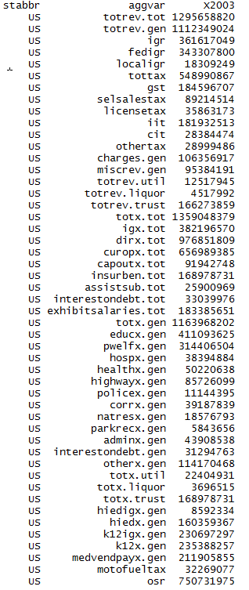
Exhibit: Salaries and wages | 183,385,651 | 631.86 | 3,299,406 | 732.55 | 1,165,806 | 1,799.08 | 2,632,816 | 471.92 | 1,489,802 | 546.12 | 20,385,549 | 574.84 | 2,841,045 | 624.68 | 3,056,867 | 876.65 | 1,750,026 | 2,139.40 | 6,719,508 | 395.29 | 4,072,334 | 469.38 | 1,972,441 | 1,579.22 | 806,729 | 590.15 | 5,492,804 | 434.25 | 3,335,114 | 537.92 | 2,440,167 | 829.42 | 1,605,346 | 589.12 | 3,034,764 | 736.95 | 3,683,276 | 819.60 | 796,528 | 608.50 | 4,072,059 | 738.76 | 4,143,111 | 645.34 | 6,745,547 | 669.07 | 3,938,713 | 777.79 | 1,819,086 | 630.97 | 3,078,519 | 538.30 | 716,005 | 779.96 | 1,819,583 | 1,047.54 | 1,220,624 | 544.44 | 746,377 | 579.04 | 3,006,554 | 347.90 | 1,694,661 | 901.90 | 14,726,908 | 766.55 | 5,762,164 | 684.26 | 520,385 | 822.09 | 6,480,500 | 566.58 | 2,054,127 | 585.89 | 3,097,945 | 869.23 | 7,168,728 | 579.48 | 1,074,358 | 998.47 | 3,009,070 | 725.25 | 455,357 | 595.24 | 2,858,757 | 489.09 | 15,077,936 | 682.17 | 1,595,731 | 678.46 | 589,570 | 952.46 | 4,961,010 | 673.59 | 5,228,336 | 852.77 | 1,472,413 | 813.04 | 3,194,515 | 583.58 | 476,674 | 949.55

Total expenditure | 1,359,048,379 | 4,682.64 | 18,471,110 | 4,101.05 | 8,121,540 | 12,533.24 | 19,606,017 | 3,514.25 | 12,084,818 | 4,429.92 | 204,438,461 | 5,764.84 | 17,690,925 | 3,889.83 | 20,721,194 | 5,942.41 | 4,857,901 | 5,938.75 | 56,317,331 | 3,312.98 | 32,526,824 | 3,749.06 | 7,611,286 | 6,093.90 | 5,415,138 | 3,961.33 | 51,291,090 | 4,054.95 | 23,089,940 | 3,724.18 | 13,088,000 | 4,448.67 | 10,954,011 | 4,019.82 | 19,116,816 | 4,642.26 | 18,681,314 | 4,156.95 | 6,706,116 | 5,123.08 | 24,592,128 | 4,461.56 | 32,710,435 | 5,095.08 | 51,016,280 | 5,060.13 | 28,898,514 | 5,706.66 | 13,502,885 | 4,683.62 | 21,566,197 | 3,770.97 | 4,436,890 | 4,833.21 | 6,823,849 | 3,928.53 | 7,816,481 | 3,486.39 | 5,276,466 | 4,093.46 | 44,947,598 | 5,201.06 | 10,672,603 | 5,679.94 | 127,475,233 | 6,635.19 | 34,360,977 | 4,080.39 | 3,121,369 | 4,931.07 | 56,392,224 | 4,930.25 | 15,125,090 | 4,314.06 | 18,005,773 | 5,052.12 | 57,428,466 | 4,642.18 | 5,976,510 | 5,554.38 | 21,039,752 | 5,071.04 | 2,898,044 | 3,788.29 | 21,021,917 | 3,596.56 | 76,386,043 | 3,455.91 | 10,252,051 | 4,358.87 | 3,858,957 | 6,234.18 | 29,129,136 | 3,955.08 | 32,600,336 | 5,317.30 | 10,003,729 | 5,523.87 | 27,658,175 | 5,052.64 | 3,264,439 | 6,502.87
General expenditure | 1,163,968,202 | 4,010.49 | 17,009,944 | 3,776.63 | 7,111,497 | 10,974.53 | 17,503,052 | 3,137.31 | 11,081,356 | 4,062.08 | 173,158,060 | 4,882.78 | 14,792,539 | 3,252.54 | 17,885,021 | 5,129.06 | 4,376,306 | 5,350.01 | 50,217,755 | 2,954.16 | 29,291,099 | 3,376.11 | 6,851,905 | 5,485.91 | 4,759,455 | 3,481.68 | 43,954,103 | 3,474.91 | 21,295,408 | 3,434.74 | 11,714,669 | 3,981.87 | 9,843,383 | 3,612.25 | 16,857,615 | 4,093.64 | 16,323,015 | 3,632.18 | 6,072,093 | 4,638.73 | 21,789,034 | 3,953.02 | 27,870,663 | 4,341.22 | 44,522,173 | 4,416.01 | 25,383,926 | 5,012.62 | 12,094,517 | 4,195.12 | 19,137,212 | 3,346.25 | 3,917,125 | 4,267.02 | 6,493,783 | 3,738.50 | 6,705,536 | 2,990.87 | 4,591,789 | 3,562.29 | 34,859,788 | 4,033.76 | 9,713,782 | 5,169.66 | 101,825,036 | 5,300.07 | 30,428,323 | 3,613.39 | 2,897,516 | 4,577.43 | 44,613,676 | 3,900.48 | 13,305,832 | 3,795.16 | 14,130,154 | 3,964.69 | 48,252,480 | 3,900.45 | 5,026,490 | 4,671.46 | 17,684,894 | 4,262.45 | 2,663,081 | 3,481.15 | 19,386,815 | 3,316.82 | 66,803,548 | 3,022.37 | 9,176,425 | 3,901.54 | 3,593,817 | 5,805.84 | 26,289,267 | 3,569.49 | 26,020,778 | 4,244.13 | 7,997,646 | 4,416.15 | 23,813,423 | 4,350.28 | 2,881,398 | 5,739.84
Intergovernmental expenditure | 382,196,570 | 1,316.87 | 4,074,005 | 904.53 | 1,091,391 | 1,684.25 | 6,936,753 | 1,243.37 | 3,210,582 | 1,176.90 | 84,468,847 | 2,381.89 | 4,666,350 | 1,026.02 | 3,030,485 | 869.08 | 903,476 | 1,104.49 | 14,460,722 | 850.68 | 9,016,458 | 1,039.24 | 125,434 | 100.43 | 1,449,076 | 1,060.04 | 13,369,662 | 1,056.97 | 6,760,945 | 1,090.48 | 3,442,552 | 1,170.14 | 2,925,220 | 1,073.48 | 3,693,634 | 896.95 | 4,329,053 | 963.30 | 1,051,164 | 803.03 | 5,358,342 | 972.12 | 6,435,841 | 1,002.47 | 19,851,778 | 1,969.03 | 9,618,471 | 1,899.38 | 3,665,580 | 1,271.45 | 5,159,094 | 902.10 | 938,000 | 1,021.79 | 1,784,749 | 1,027.49 | 2,648,660 | 1,181.38 | 1,283,091 | 995.42 | 8,997,417 | 1,041.13 | 2,951,328 | 1,570.69 | 40,874,514 | 2,127.55 | 10,356,152 | 1,229.80 | 606,096 | 957.50 | 15,249,395 | 1,333.22 | 3,395,494 | 968.48 | 4,071,501 | 1,142.40 | 11,943,470 | 965.44 | 828,198 | 769.70 | 4,155,920 | 1,001.67 | 514,949 | 673.14 | 4,952,923 | 847.38 | 17,332,957 | 784.19 | 2,165,151 | 920.56 | 938,085 | 1,515.48 | 8,352,635 | 1,134.10 | 6,785,341 | 1,106.73 | 1,544,758 | 852.99 | 9,478,166 | 1,731.49 | 952,705 | 1,897.82
Direct expenditure | 781,771,632 | 2,693.62 | 12,935,939 | 2,872.10 | 6,020,106 | 9,290.29 | 10,566,299 | 1,893.94 | 7,870,774 | 2,885.18 | 88,689,213 | 2,500.89 | 10,126,189 | 2,226.51 | 14,854,536 | 4,259.98 | 3,472,830 | 4,245.51 | 35,757,033 | 2,103.48 | 20,274,641 | 2,336.87 | 6,726,471 | 5,385.49 | 3,310,379 | 2,421.64 | 30,584,441 | 2,417.93 | 14,534,463 | 2,344.27 | 8,272,117 | 2,811.73 | 6,918,163 | 2,538.78 | 13,163,981 | 3,196.69 | 11,993,962 | 2,668.88 | 5,020,929 | 3,835.70 | 16,430,692 | 2,980.89 | 21,434,822 | 3,338.76 | 24,670,395 | 2,446.97 | 15,765,455 | 3,113.24 | 8,428,937 | 2,923.67 | 13,978,118 | 2,444.15 | 2,979,125 | 3,245.23 | 4,709,034 | 2,711.02 | 4,056,876 | 1,809.49 | 3,308,698 | 2,566.87 | 25,862,371 | 2,992.64 | 6,762,454 | 3,598.96 | 60,950,522 | 3,172.52 | 20,072,171 | 2,383.59 | 2,291,420 | 3,619.94 | 29,364,281 | 2,567.26 | 9,910,338 | 2,826.68 | 10,058,653 | 2,822.29 | 36,309,010 | 2,935.01 | 4,198,292 | 3,901.76 | 13,528,974 | 3,260.78 | 2,148,132 | 2,808.02 | 14,433,892 | 2,469.44 | 49,470,591 | 2,238.18 | 7,011,274 | 2,980.98 | 2,655,732 | 4,290.36 | 17,936,632 | 2,435.39 | 19,235,437 | 3,137.41 | 6,452,888 | 3,563.16 | 14,335,257 | 2,618.79 | 1,928,693 | 3,842.02

General expenditures, by function
Education | 411,093,625 | 1,416.44 | 7,053,792 | 1,566.12 | 1,693,672 | 2,613.69 | 6,419,012 | 1,150.57 | 4,529,282 | 1,660.29 | 61,457,162 | 1,732.99 | 6,133,704 | 1,348.66 | 4,794,156 | 1,374.87 | 1,594,007 | 1,948.66 | 16,326,315 | 960.43 | 12,748,724 | 1,469.42 | 2,331,771 | 1,866.91 | 1,886,421 | 1,379.97 | 14,118,807 | 1,116.20 | 8,639,690 | 1,393.50 | 4,589,923 | 1,560.14 | 4,210,861 | 1,545.27 | 6,096,709 | 1,480.50 | 6,235,015 | 1,387.41 | 1,574,270 | 1,202.65 | 7,271,618 | 1,319.23 | 6,774,160 | 1,055.17 | 19,262,143 | 1,910.55 | 9,727,645 | 1,920.94 | 4,028,841 | 1,397.45 | 6,732,710 | 1,177.25 | 1,372,442 | 1,495.03 | 2,233,120 | 1,285.62 | 2,666,071 | 1,189.15 | 1,635,389 | 1,268.73 | 11,215,395 | 1,297.78 | 3,677,414 | 1,957.11 | 27,209,154 | 1,416.26 | 12,376,047 | 1,469.66 | 1,021,351 | 1,613.51 | 16,327,787 | 1,427.50 | 5,564,983 | 1,587.27 | 4,815,553 | 1,351.17 | 14,838,088 | 1,199.43 | 1,385,449 | 1,287.59 | 6,037,317 | 1,455.13 | 838,579 | 1,096.18 | 6,169,486 | 1,055.52 | 26,995,012 | 1,221.33 | 4,189,768 | 1,781.36 | 1,442,926 | 2,331.06 | 9,776,565 | 1,327.44 | 10,696,522 | 1,744.66 | 2,759,464 | 1,523.72 | 8,664,093 | 1,582.77 | 955,240 | 1,902.87
Public welfare | 314,406,504 | 1,083.30 | 4,531,802 | 1,006.17 | 1,312,794 | 2,025.92 | 4,482,224 | 803.41 | 2,705,341 | 991.69 | 48,472,281 | 1,366.84 | 3,442,625 | 756.95 | 3,785,383 | 1,085.57 | 748,059 | 914.50 | 13,399,713 | 788.26 | 8,059,442 | 928.94 | 1,216,609 | 974.07 | 1,092,616 | 799.28 | 11,478,589 | 907.47 | 5,377,805 | 867.39 | 2,795,400 | 950.17 | 1,905,638 | 699.32 | 4,964,095 | 1,205.46 | 2,800,278 | 623.11 | 1,990,470 | 1,520.60 | 5,051,914 | 916.53 | 5,292,878 | 824.44 | 9,138,181 | 906.39 | 7,890,539 | 1,558.16 | 3,712,507 | 1,287.72 | 5,591,971 | 977.79 | 663,613 | 722.89 | 1,809,391 | 1,041.68 | 1,190,018 | 530.78 | 1,185,850 | 919.98 | 7,005,033 | 810.58 | 2,410,880 | 1,283.07 | 38,893,504 | 2,024.44 | 7,813,094 | 927.81 | 651,385 | 1,029.04 | 12,527,978 | 1,095.29 | 3,177,322 | 906.25 | 3,818,049 | 1,071.28 | 16,085,269 | 1,300.24 | 1,803,847 | 1,676.44 | 4,775,314 | 1,150.96 | 621,617 | 812.57 | 7,634,185 | 1,306.11 | 18,498,427 | 836.92 | 1,758,344 | 747.6 | 913,772 | 1,476.21 | 5,234,986 | 710.79 | 6,250,197 | 1,019.44 | 2,230,629 | 1,231.71 | 5,769,188 | 1,053.93 | 445,458 | 887.37
Hospitals | 38,394,884 | 132.29 | 1,211,084 | 268.89 | 35,437 | 54.69 | 53,792 | 9.64 | 543,347 | 199.17 | 5,025,205 | 141.70 | 297,784 | 65.48 | 1,431,533 | 410.53 | 56,325 | 68.86 | 224,631 | 13.21 | 686,804 | 79.16 | 214,517 | 171.75 | 45,747 | 33.47 | 958,446 | 75.77 | 282,438 | 45.55 | 759,789 | 258.26 | 102,323 | 37.55 | 523,447 | 127.11 | 1,507,432 | 335.43 | 50,970 | 38.94 | 411,021 | 74.57 | 507,129 | 78.99 | 1,672,783 | 165.92 | 204,374 | 40.36 | 667,307 | 231.46 | 893,540 | 156.24 | 42,815 | 46.64 | 191,539 | 110.27 | 128,511 | 57.32 | 48,940 | 37.97 | 1,402,133 | 162.25 | 446,538 | 237.65 | 3,646,135 | 189.78 | 1,052,927 | 125.04 | 43,184 | 68.22 | 1,367,067 | 119.52 | 181,208 | 51.69 | 741,215 | 207.97 | 1,945,368 | 157.25 | 108,890 | 101.20 | 1,112,095 | 268.04 | 44,658 | 58.38 | 348,111 | 59.56 | 2,833,200 | 128.18 | 532,586 | 226.44 | 13,024 | 21.04 | 1,886,966 | 256.21 | 1,073,482 | 175.09 | 105,211 | 58.10 | 697,378 | 127.40 | 34,498 | 68.72
Health | 50,220,638 | 173.04 | 762,009 | 169.18 | 168,955 | 260.73 | 845,027 | 151.47 | 292,724 | 107.30 | 9,291,005 | 261.99 | 708,767 | 155.84 | 585,249 | 167.84 | 282,530 | 345.39 | 2,902,463 | 170.74 | 884,198 | 101.91 | 448,818 | 359.34 | 116,088 | 84.92 | 2,569,793 | 203.16 | 545,088 | 87.92 | 241,311 | 82.02 | 524,233 | 192.38 | 519,701 | 126.20 | 418,057 | 93.03 | 400,804 | 306.19 | 1,507,476 | 273.49 | 1,878,337 | 292.58 | 3,748,496 | 371.80 | 560,327 | 110.65 | 285,729 | 99.11 | 585,878 | 102.44 | 262,645 | 286.11 | 391,150 | 225.19 | 198,602 | 88.58 | 175,661 | 136.28 | 882,500 | 102.12 | 290,949 | 154.84 | 5,027,482 | 261.68 | 1,026,171 | 121.86 | 49,426 | 78.08 | 2,022,067 | 176.79 | 460,187 | 131.26 | 256,379 | 71.94 | 1,495,004 | 120.85 | 190,225 | 176.79 | 698,202 | 168.28 | 90,008 | 117.66 | 881,367 | 150.79 | 1,401,878 | 63.42 | 247,222 | 105.11 | 78,710 | 127.16 | 682,070 | 92.61 | 1,374,328 | 224.16 | 232,084 | 128.15 | 607,032 | 110.89 | 126,226 | 251.45
Highways | 85,726,099 | 295.37 | 1,163,904 | 258.42 | 810,807 | 1,251.25 | 1,839,644 | 329.74 | 1,098,172 | 402.56 | 7,158,608 | 201.86 | 1,378,238 | 303.04 | 693,891 | 198.99 | 345,859 | 422.81 | 4,943,244 | 290.80 | 1,842,562 | 212.37 | 259,303 | 207.61 | 521,746 | 381.67 | 3,834,256 | 303.13 | 1,712,840 | 276.26 | 1,356,482 | 461.07 | 1,094,228 | 401.55 | 1,816,167 | 441.03 | 1,142,621 | 254.25 | 492,304 | 376.09 | 1,715,935 | 311.31 | 2,429,436 | 378.42 | 2,786,999 | 276.43 | 1,839,550 | 363.26 | 974,381 | 337.97 | 1,854,329 | 324.24 | 495,515 | 539.78 | 557,869 | 321.17 | 705,996 | 314.90 | 374,780 | 290.75 | 2,559,450 | 296.16 | 818,750 | 435.74 | 3,881,359 | 202.03 | 2,722,986 | 323.36 | 365,282 | 577.06 | 3,183,792 | 278.35 | 1,283,363 | 366.05 | 1,126,861 | 316.18 | 5,032,532 | 406.80 | 228,646 | 212.50 | 1,341,643 | 323.37 | 420,985 | 550.31 | 1,576,290 | 269.68 | 5,265,805 | 238.24 | 771,231 | 327.9 | 300,353 | 485.22 | 2,588,474 | 351.46 | 1,906,430 | 310.95 | 961,586 | 530.97 | 1,708,811 | 312.17 | 441,804 | 880.09

Police protection | 11,144,395 | 38.40 | 129,591 | 28.77 | 83,961 | 129.57 | 172,512 | 30.92 | 69,422 | 25.45 | 1,443,127 | 40.69 | 105,653 | 23.23 | 169,501 | 48.61 | 78,549 | 96.03 | 415,772 | 24.46 | 263,366 | 30.36 | 10,349 | 8.29 | 40,953 | 29.96 | 407,932 | 32.25 | 196,066 | 31.62 | 86,332 | 29.34 | 72,321 | 26.54 | 188,584 | 45.80 | 262,317 | 58.37 | 68,212 | 52.11 | 397,090 | 72.04 | 424,923 | 66.19 | 320,612 | 31.80 | 225,726 | 44.57 | 68,338 | 23.70 | 162,920 | 28.49 | 45,678 | 49.76 | 69,707 | 40.13 | 58,925 | 26.28 | 41,749 | 32.39 | 390,817 | 45.22 | 109,352 | 58.20 | 587,382 | 30.57 | 359,016 | 42.63 | 12,645 | 19.98 | 278,653 | 24.36 | 92,508 | 26.39 | 180,957 | 50.77 | 1,026,678 | 82.99 | 50,475 | 46.91 | 243,452 | 58.68 | 26,076 | 34.09 | 144,177 | 24.67 | 430,531 | 19.48 | 82,771 | 35.19 | 59,903 | 96.77 | 552,064 | 74.96 | 245,281 | 40.01 | 53,903 | 29.76 | 109,852 | 20.07 | 27,714 | 55.21
Correction | 39,187,839 | 135.02 | 356,928 | 79.25 | 182,046 | 280.94 | 731,041 | 131.03 | 305,803 | 112.10 | 5,690,346 | 160.46 | 723,572 | 159.10 | 615,670 | 176.56 | 206,085 | 251.94 | 2,141,271 | 125.96 | 1,271,565 | 146.56 | 135,034 | 108.11 | 164,813 | 120.57 | 1,369,510 | 108.27 | 654,475 | 105.56 | 294,911 | 100.24 | 336,268 | 123.40 | 474,334 | 115.19 | 619,414 | 137.83 | 107,345 | 82.01 | 1,050,389 | 190.56 | 1,049,512 | 163.48 | 1,678,957 | 166.53 | 403,527 | 79.69 | 295,629 | 102.54 | 656,273 | 114.75 | 103,384 | 112.62 | 182,378 | 105.00 | 216,356 | 96.50 | 95,637 | 74.19 | 1,294,773 | 149.82 | 264,845 | 140.95 | 2,535,996 | 132.00 | 942,711 | 111.95 | 44,526 | 70.34 | 1,686,179 | 147.42 | 486,313 | 138.71 | 533,090 | 149.58 | 1,359,531 | 109.90 | 159,095 | 147.86 | 426,300 | 102.75 | 79,858 | 104.39 | 558,669 | 95.58 | 3,201,068 | 144.83 | 261,283 | 111.09 | 81,767 | 132.10 | 1,194,241 | 162.15 | 786,781 | 128.33 | 182,064 | 100.53 | 906,725 | 165.64 | 89,551 | 178.39
Natural resources | 18,576,793 | 64.01 | 225,308 | 50.02 | 256,006 | 395.07 | 231,187 | 41.44 | 190,638 | 69.88 | 3,487,188 | 98.33 | 198,642 | 43.68 | 138,336 | 39.67 | 63,032 | 77.06 | 1,697,840 | 99.88 | 498,380 | 57.44 | 109,274 | 87.49 | 162,831 | 119.12 | 422,712 | 33.42 | 277,385 | 44.74 | 243,227 | 82.67 | 184,607 | 67.75 | 316,167 | 76.78 | 393,305 | 87.52 | 156,234 | 119.35 | 429,907 | 77.99 | 266,116 | 41.45 | 489,925 | 48.59 | 531,913 | 105.04 | 214,849 | 74.52 | 290,176 | 50.74 | 187,761 | 204.53 | 164,263 | 94.57 | 109,909 | 49.02 | 70,642 | 54.80 | 371,247 | 42.96 | 179,821 | 95.70 | 390,580 | 20.33 | 563,816 | 66.95 | 129,769 | 205.01 | 383,998 | 33.57 | 212,083 | 60.49 | 426,280 | 119.61 | 579,003 | 46.80 | 42,396 | 39.40 | 190,004 | 45.80 | 114,037 | 149.07 | 211,306 | 36.15 | 789,999 | 35.74 | 189,195 | 80.44 | 92,995 | 150.23 | 175,851 | 23.88 | 696,612 | 113.62 | 184,606 | 101.94 | 451,004 | 82.39 | 194,431 | 387.31
Parks and recreation | 5,843,656 | 20.13 | 25,422 | 5.64 | 9,657 | 14.90 | 108,807 | 19.50 | 71,910 | 26.36 | 721,229 | 20.34 | 72,418 | 15.92 | 105,931 | 30.38 | 49,434 | 60.43 | 197,185 | 11.60 | 152,957 | 17.63 | 54,643 | 43.75 | 29,487 | 21.57 | 554,371 | 43.83 | 50,581 | 8.16 | 23,027 | 7.83 | 6,072 | 2.23 | 130,579 | 31.71 | 240,501 | 53.52 | 10,566 | 8.07 | 271,547 | 49.26 | 342,004 | 53.27 | 137,989 | 13.69 | 130,431 | 25.76 | 43,360 | 15.04 | 56,018 | 9.80 | 6,319 | 6.88 | 32,494 | 18.71 | 17,379 | 7.75 | 11,249 | 8.73 | 362,743 | 41.97 | 55,581 | 29.58 | 466,127 | 24.26 | 130,528 | 15.50 | 17,302 | 27.33 | 94,534 | 8.26 | 78,259 | 22.32 | 64,010 | 17.96 | 171,050 | 13.83 | 24,051 | 22.35 | 71,732 | 17.29 | 27,218 | 35.58 | 102,721 | 17.57 | 114,090 | 5.16 | 36,732 | 15.62 | 11,860 | 19.16 | 76,086 | 10.33 | 121,566 | 19.83 | 68,499 | 37.82 | 59,379 | 10.85 | 26,021 | 51.83
Government administration | 43,908,538 | 151.29 | 439,143 | 97.50 | 377,700 | 582.87 | 464,598 | 83.28 | 443,224 | 162.47 | 8,102,816 | 228.49 | 457,652 | 100.63 | 1,011,312 | 290.02 | 308,943 | 377.68 | 1,864,022 | 109.65 | 687,028 | 79.19 | 471,175 | 377.24 | 199,568 | 145.99 | 1,387,596 | 109.70 | 521,250 | 84.07 | 503,328 | 171.08 | 533,689 | 195.85 | 678,823 | 164.84 | 614,142 | 136.66 | 243,158 | 185.76 | 819,463 | 148.67 | 1,290,558 | 201.02 | 910,980 | 90.36 | 664,777 | 131.28 | 259,811 | 90.12 | 774,406 | 135.41 | 240,176 | 261.63 | 184,353 | 106.13 | 201,305 | 89.79 | 202,094 | 156.78 | 1,317,210 | 152.42 | 363,784 | 193.61 | 4,269,212 | 222.22 | 766,185 | 90.99 | 108,038 | 170.68 | 1,851,955 | 161.91 | 572,182 | 163.20 | 909,024 | 255.06 | 2,208,949 | 178.56 | 271,097 | 251.95 | 682,434 | 164.48 | 115,547 | 151.04 | 474,505 | 81.18 | 1,570,287 | 71.04 | 558,195 | 237.33 | 195,330 | 315.56 | 1,060,990 | 144.06 | 588,709 | 96.02 | 482,981 | 266.69 | 568,519 | 103.86 | 116,315 | 231.70

Interest on general debt | 31,294,763 | 107.83 | 252,401 | 56.04 | 256,233 | 395.42 | 192,416 | 34.49 | 115,076 | 42.18 | 3,557,753 | 100.32 | 418,356 | 91.99 | 1,240,680 | 355.80 | 253,383 | 309.76 | 1,016,285 | 59.78 | 429,906 | 49.55 | 353,448 | 282.98 | 141,690 | 103.65 | 2,071,586 | 163.77 | 447,431 | 72.17 | 122,471 | 41.63 | 128,976 | 47.33 | 436,241 | 105.94 | 570,949 | 127.05 | 233,917 | 178.70 | 860,049 | 156.03 | 2,476,785 | 385.79 | 1,044,621 | 103.61 | 385,954 | 76.22 | 199,916 | 69.34 | 604,950 | 105.78 | 125,218 | 136.40 | 107,132 | 61.68 | 132,342 | 59.03 | 310,212 | 240.66 | 1,151,253 | 133.22 | 175,261 | 93.27 | 3,522,330 | 183.34 | 446,717 | 53.05 | 85,195 | 134.59 | 1,146,890 | 100.27 | 286,842 | 81.81 | 285,327 | 80.06 | 1,087,130 | 87.88 | 251,321 | 233.57 | 333,213 | 80.31 | 113,155 | 147.92 | 187,328 | 32.05 | 951,418 | 43.04 | 190,363 | 80.94 | 141,884 | 229.21 | 647,384 | 87.90 | 727,208 | 118.61 | 207,095 | 114.35 | 805,769 | 147.20 | 65,303 | 130.09
Other and unallocable | 114,170,468 | 393.38 | 858,560 | 190.62 | 1,924,229 | 2,969.49 | 1,962,792 | 351.82 | 716,417 | 262.62 | 18,751,340 | 528.76 | 855,128 | 188.02 | 3,313,379 | 950.21 | 390,100 | 476.89 | 5,089,014 | 299.37 | 1,766,167 | 203.57 | 1,246,964 | 998.37 | 357,495 | 261.52 | 4,780,505 | 377.94 | 2,590,359 | 417.80 | 698,468 | 237.41 | 744,167 | 273.09 | 712,768 | 173.09 | 1,518,984 | 338.00 | 743,843 | 568.25 | 2,002,625 | 363.32 | 5,138,825 | 800.44 | 3,330,487 | 330.34 | 2,819,163 | 556.71 | 1,343,849 | 466.13 | 934,041 | 163.32 | 371,559 | 404.75 | 570,387 | 328.37 | 1,080,122 | 481.77 | 439,586 | 341.03 | 6,907,234 | 799.26 | 920,607 | 489.95 | 11,395,775 | 593.16 | 2,228,125 | 264.59 | 369,413 | 583.59 | 3,742,776 | 327.22 | 910,582 | 259.72 | 973,409 | 273.12 | 2,423,878 | 195.93 | 510,998 | 474.91 | 1,773,188 | 427.38 | 171,343 | 223.98 | 1,098,670 | 187.97 | 4,751,833 | 214.99 | 358,735 | 152.52 | 261,293 | 422.12 | 2,413,590 | 327.71 | 1,553,662 | 253.41 | 529,524 | 292.39 | 3,465,673 | 633.12 | 358,837 | 714.81

Utility expenditure | 22,404,931 | 77.20 | - | - | 62,367 | 96.25 | 28,547 | 5.12 | - | - | 5,125,701 | 144.54 | 11,609 | 2.55 | 308,844 | 88.57 | 87,009 | 106.37 | 58,235 | 3.43 | 65 | 0.01 | - | - | - | - | - | - | 30,648 | 4.94 | - | - | - | - | - | - | 8,506 | 1.89 | - | - | 486,819 | 88.32 | 288,611 | 44.95 | - | - | 111,538 | 22.03 | - | - | 6 | - | - | - | - | - | 149,633 | 66.74 | 141 | 0.11 | 2,369,460 | 274.18 | - | - | 11,559,423 | 601.68 | 19,723 | 2.34 | - | - | - | - | 298,351 | 85.10 | 6,763 | 1.90 | 40,606 | 3.28 | 100,226 | 93.15 | 1,192,755 | 287.48 | - | - | 5,481 | 0.94 | - | - | - | - | 10,437 | 16.86 | 13,547 | 1.84 | 22,428 | 3.66 | 7,452 | 4.11 | - | - | - | -
Liquor store expenditure | 3,696,515 | 12.74 | 173,011 | 38.41 | - | - | - | - | - | - | - | - | - | - | - | - | - | - | - | - | - | - | - | - | 53,585 | 39.20 | - | - | - | - | 84,458 | 28.71 | - | - | - | - | - | - | 59,579 | 45.51 | - | - | - | - | 521,084 | 51.68 | - | - | 149,330 | 51.80 | - | - | 40,004 | 43.58 | - | - | - | - | 298,580 | 231.64 | - | - | - | - | - | - | - | - | - | - | 349,502 | 30.56 | - | - | 134,565 | 37.76 | 949,110 | 76.72 | - | - | - | - | - | - | - | - | - | - | 99,806 | 42.43 | 32,934 | 53.21 | 321,912 | 43.71 | 334,897 | 54.62 | 48,440 | 26.75 | - | - | 45,718 | 91.07
Insurance trust expenditure | 168,978,731 | 582.22 | 1,288,155 | 286.00 | 947,676 | 1,462.46 | 2,074,418 | 371.83 | 1,003,462 | 367.84 | 26,154,700 | 737.52 | 2,886,777 | 634.74 | 2,527,329 | 724.79 | 394,586 | 482.38 | 6,041,341 | 355.39 | 3,235,660 | 372.94 | 759,381 | 607.99 | 602,098 | 440.45 | 7,336,987 | 580.04 | 1,763,884 | 284.50 | 1,288,873 | 438.09 | 1,110,628 | 407.57 | 2,259,201 | 548.62 | 2,349,793 | 522.87 | 574,444 | 438.84 | 2,316,275 | 420.22 | 4,551,161 | 708.90 | 5,973,023 | 592.44 | 3,403,050 | 672.01 | 1,259,038 | 436.71 | 2,428,979 | 424.72 | 479,761 | 522.62 | 330,066 | 190.02 | 961,312 | 428.77 | 385,956 | 299.42 | 7,718,350 | 893.12 | 958,821 | 510.28 | 14,090,774 | 733.44 | 3,912,931 | 464.66 | 223,853 | 353.64 | 11,429,046 | 999.22 | 1,520,907 | 433.80 | 3,734,291 | 1,047.78 | 8,186,270 | 661.73 | 849,794 | 789.77 | 2,162,103 | 521.11 | 234,963 | 307.14 | 1,629,621 | 278.81 | 9,582,495 | 433.54 | 975,820 | 414.89 | 221,769 | 358.27 | 2,504,410 | 340.04 | 6,222,233 | 1,014.88 | 1,950,191 | 1,076.86 | 3,844,752 | 702.37 | 337,323 | 671.96

Debt at end of fiscal year | 697,929,028 | 2,404.74 | 6,284,640 | 1,395.35 | 5,829,798 | 8,996.60 | 5,554,020 | 995.52 | 3,295,143 | 1,207.90 | 95,209,988 | 2,684.77 | 8,921,416 | 1,961.61 | 22,490,115 | 6,449.70 | 4,358,281 | 5,327.97 | 21,993,221 | 1,293.79 | 8,890,184 | 1,024.69 | 5,652,531 | 4,525.65 | 2,602,620 | 1,903.89 | 46,688,761 | 3,691.10 | 11,853,847 | 1,911.91 | 4,279,448 | 1,454.61 | 2,471,939 | 907.13 | 7,108,634 | 1,726.23 | 9,773,279 | 2,174.74 | 4,417,481 | 3,374.70 | 12,950,949 | 2,349.59 | 48,478,722 | 7,551.20 | 22,478,857 | 2,229.60 | 7,150,401 | 1,412.01 | 4,166,614 | 1,445.24 | 13,855,016 | 2,422.63 | 2,879,317 | 3,136.51 | 2,135,502 | 1,229.42 | 3,604,272 | 1,607.61 | 5,594,078 | 4,339.86 | 33,608,678 | 3,888.99 | 4,601,117 | 2,448.71 | 91,634,857 | 4,769.67 | 12,141,890 | 1,441.86 | 1,599,233 | 2,526.43 | 21,054,220 | 1,840.73 | 6,747,020 | 1,924.42 | 7,463,722 | 2,094.20 | 24,330,327 | 1,966.72 | 6,189,389 | 5,752.22 | 10,990,201 | 2,648.88 | 2,566,542 | 3,354.96 | 3,496,139 | 598.14 | 14,616,237 | 661.28 | 5,064,112 | 2,153.11 | 2,532,071 | 4,090.58 | 13,530,190 | 1,837.09 | 14,620,855 | 2,384.74 | 4,260,461 | 2,352.55 | 14,801,308 | 2,703.93 | 1,111,385 | 2,213.91

Cash and security holdings | 2,594,215,994 | 8,938.45 | 28,661,435 | 6,363.55 | 42,721,407 | 65,928.10 | 34,307,037 | 6,149.32 | 16,999,518 | 6,231.49 | 382,874,025 | 10,796.44 | 39,820,285 | 8,755.56 | 31,424,546 | 9,011.91 | 10,614,983 | 12,976.75 | 138,711,144 | 8,159.96 | 61,859,351 | 7,129.94 | 13,311,649 | 10,657.85 | 10,508,819 | 7,687.50 | 87,544,459 | 6,921.06 | 33,490,856 | 5,401.75 | 25,147,636 | 8,547.80 | 12,194,362 | 4,475.00 | 32,921,671 | 7,994.58 | 36,968,929 | 8,226.29 | 11,979,579 | 9,151.70 | 40,693,869 | 7,382.78 | 59,207,225 | 9,222.31 | 65,431,886 | 6,489.97 | 50,295,826 | 9,932.04 | 22,100,380 | 7,665.76 | 49,558,702 | 8,665.62 | 9,802,395 | 10,677.99 | 8,609,609 | 4,956.60 | 19,162,163 | 8,546.91 | 8,837,120 | 6,855.80 | 84,400,619 | 9,766.33 | 29,826,816 | 15,873.77 | 229,310,901 | 11,935.82 | 65,591,853 | 7,789.08 | 6,904,921 | 10,908.25 | 143,620,156 | 12,556.40 | 24,653,738 | 7,031.87 | 50,892,797 | 14,279.68 | 93,430,245 | 7,552.36 | 10,761,870 | 10,001.74 | 28,498,350 | 6,868.73 | 8,593,070 | 11,232.77 | 28,065,993 | 4,801.71 | 181,581,079 | 8,215.22 | 16,919,090 | 7,193.49 | 4,916,965 | 7,943.40 | 50,836,361 | 6,902.43 | 59,772,274 | 9,749.19 | 10,380,874 | 5,732.12 | 69,017,013 | 12,608.15 | 10,480,143 | 20,876.78
Source: U.S. Census Bureau, Governments Division, 2003 Survey of State Government Finances, February 2005
Abbreviations and symbols: - zero or rounds to zero; (NA) not available; (X) not applicable
Population source: Table NST-EST2004-01 - Annual State Population Estimates: July 1, 2004, Population Division, U.S. Census Bureau, released December 22, 2004.

CensusTabulationRules2005to2009
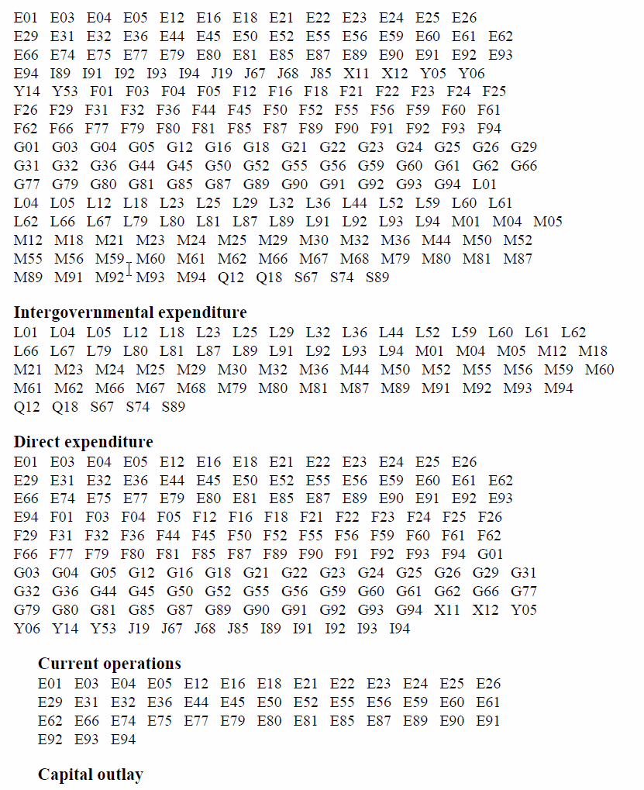
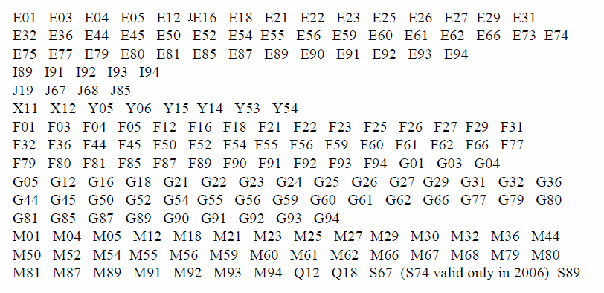
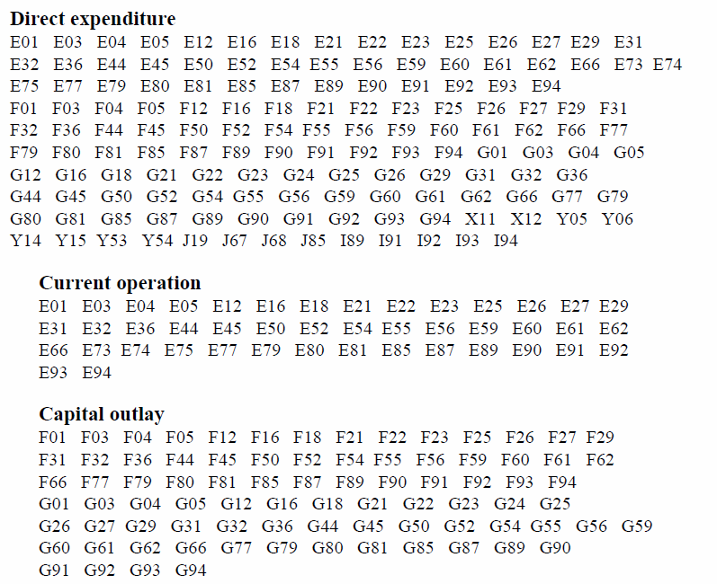
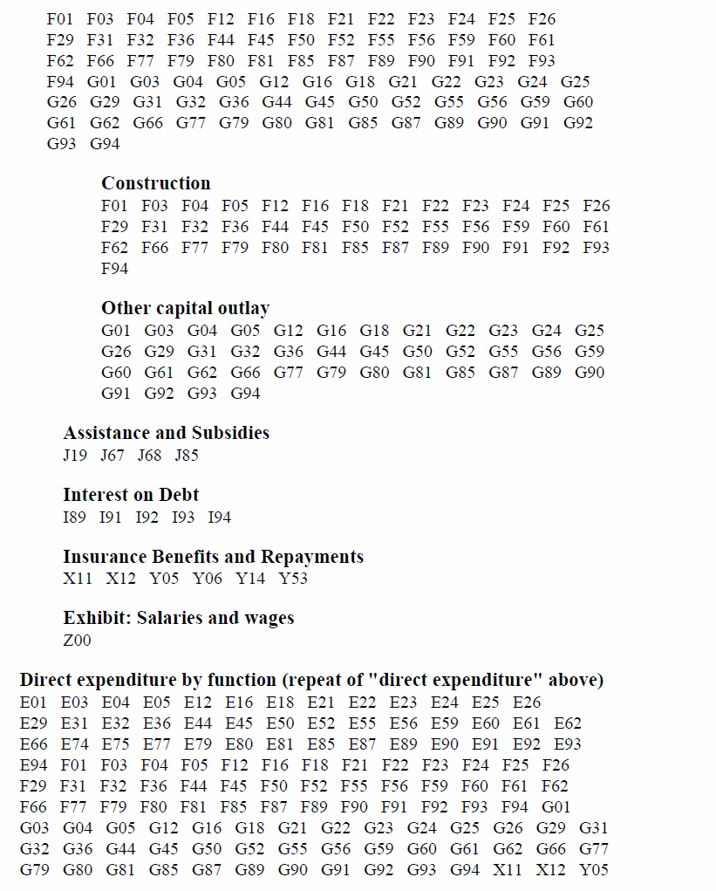
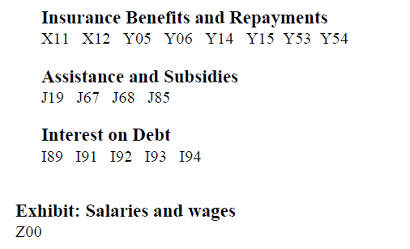
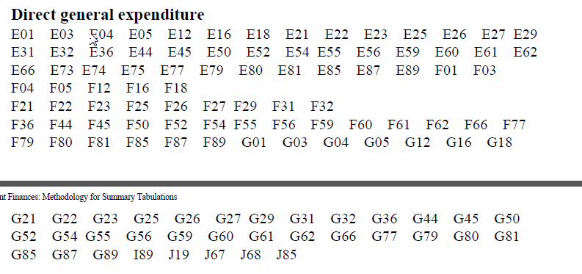
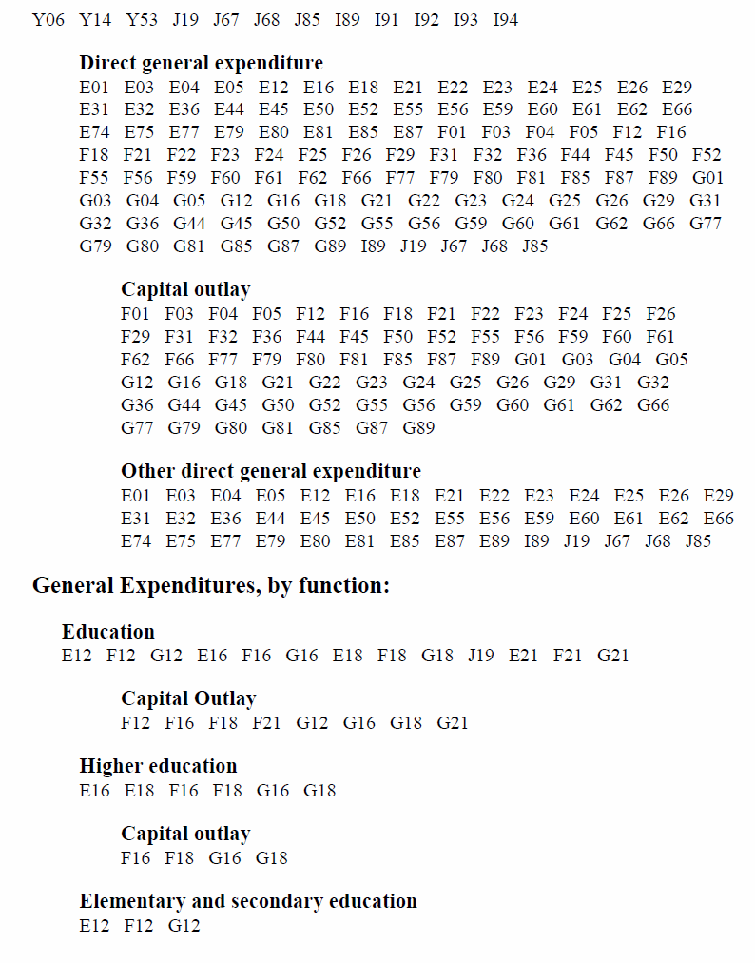
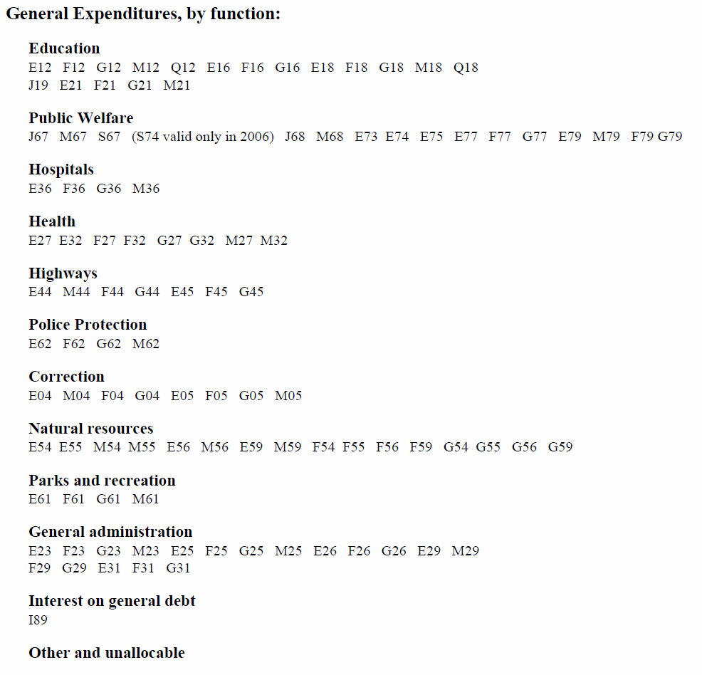
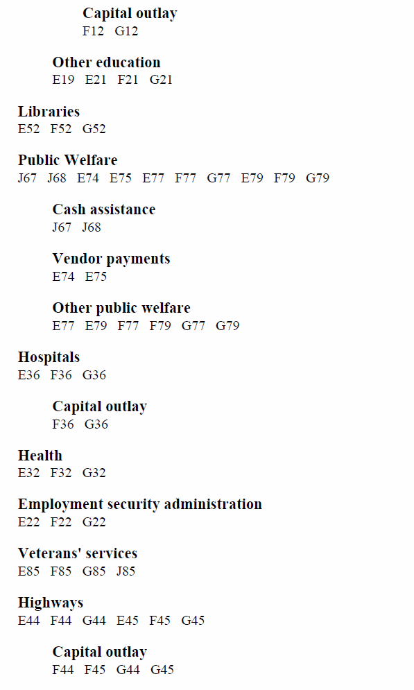
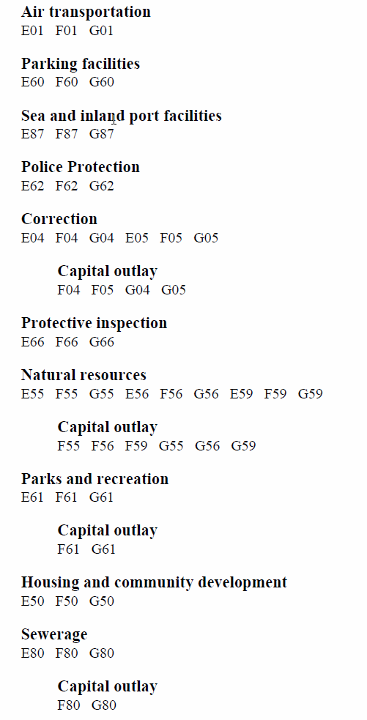
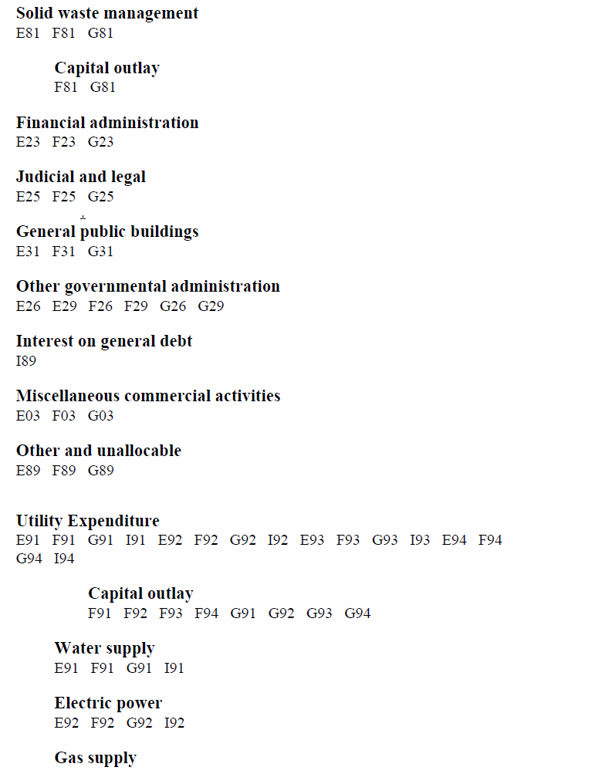
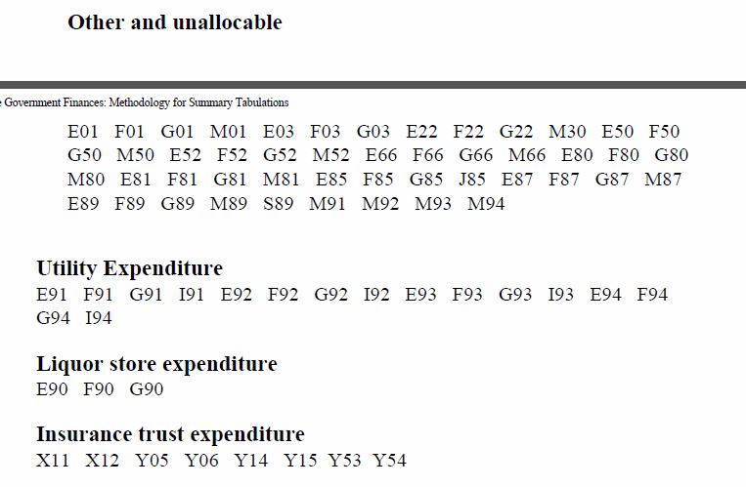
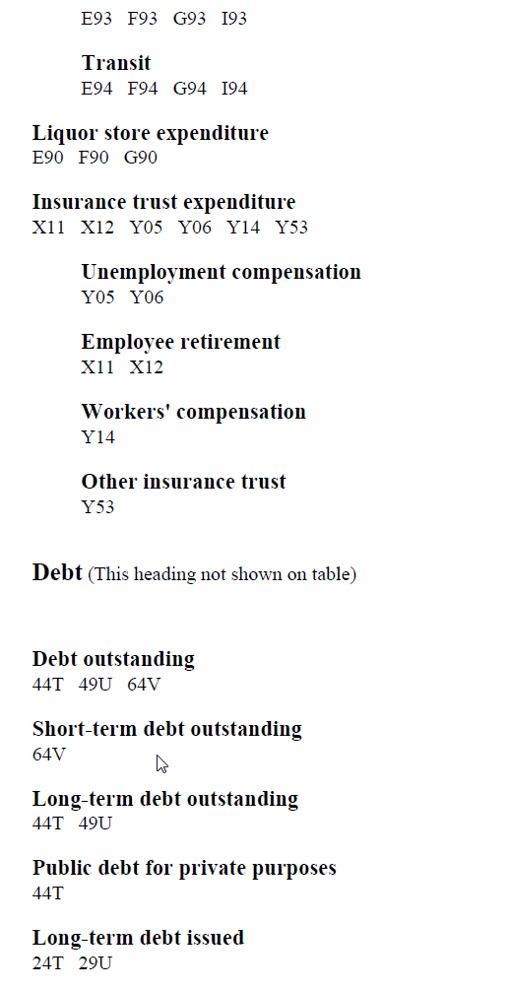
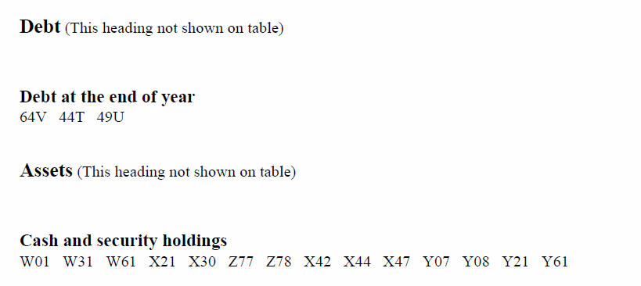
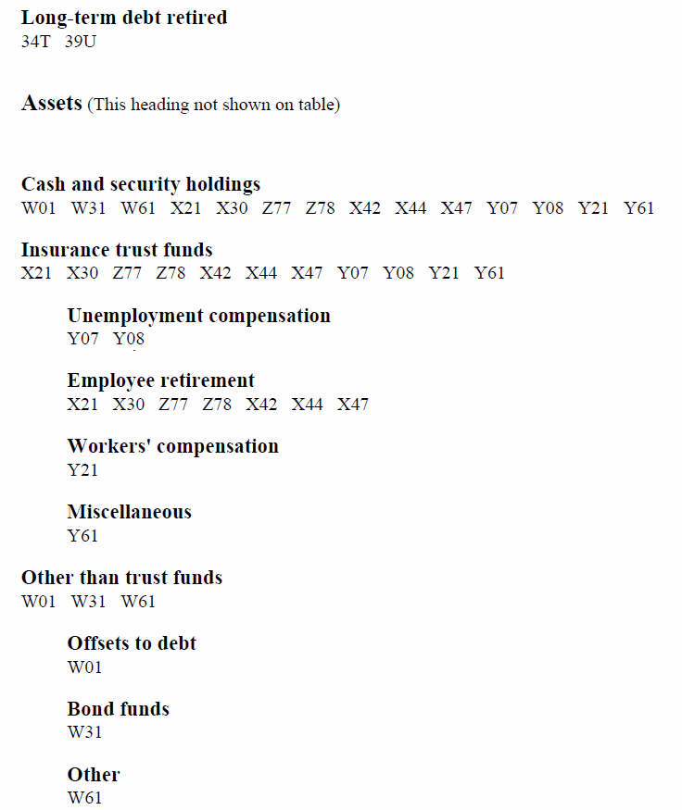
TOC
SLG was Chapter 14 of the Classification Manual, and SG was Chapter 13
Can I just use the SLG rules for state govts, too? |  | I think so
 | SLG |  | SG

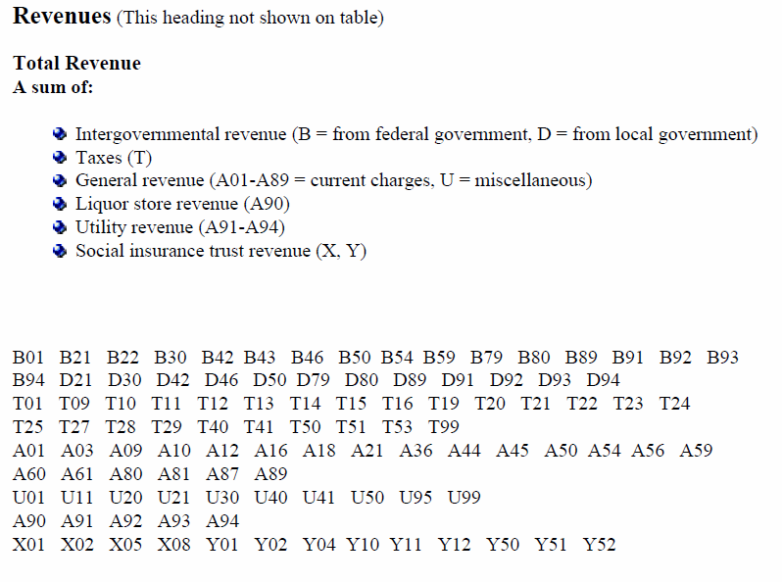
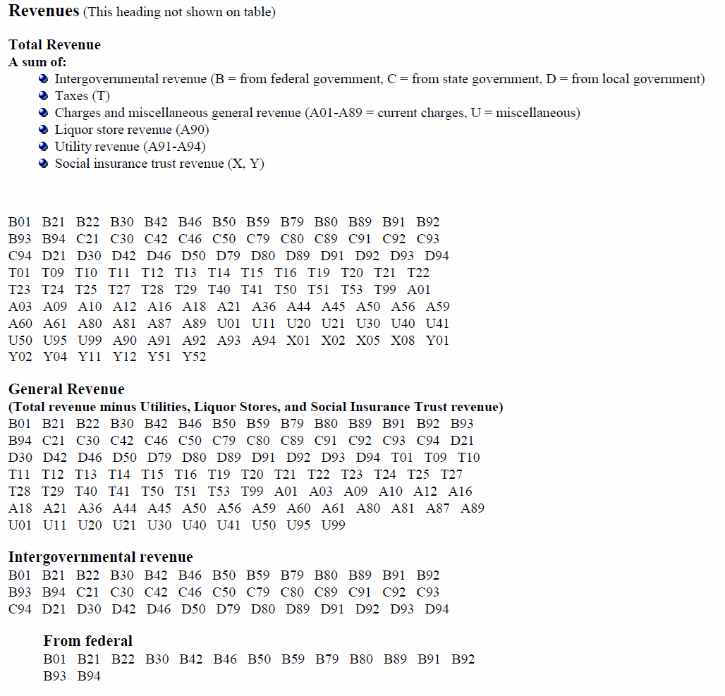

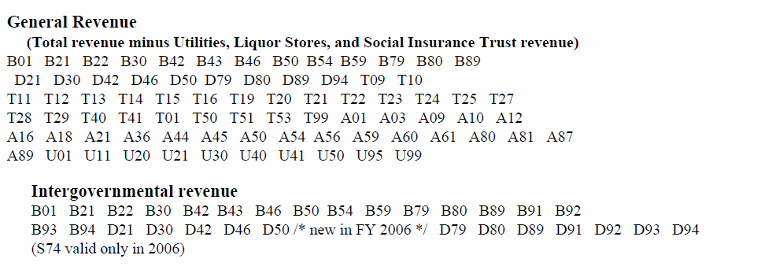

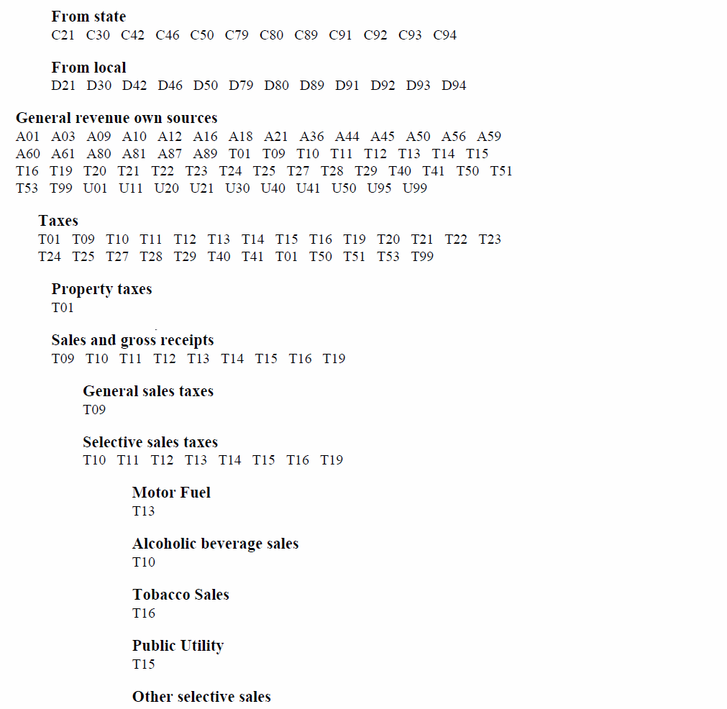

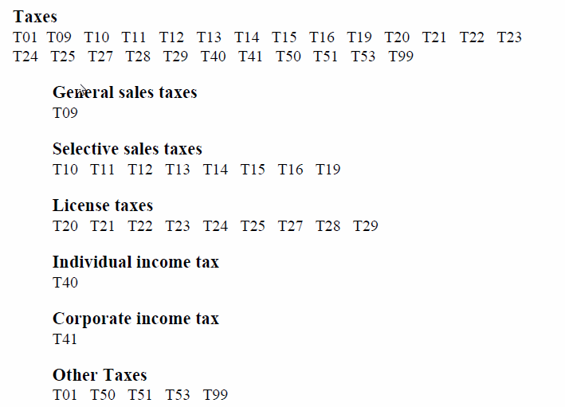

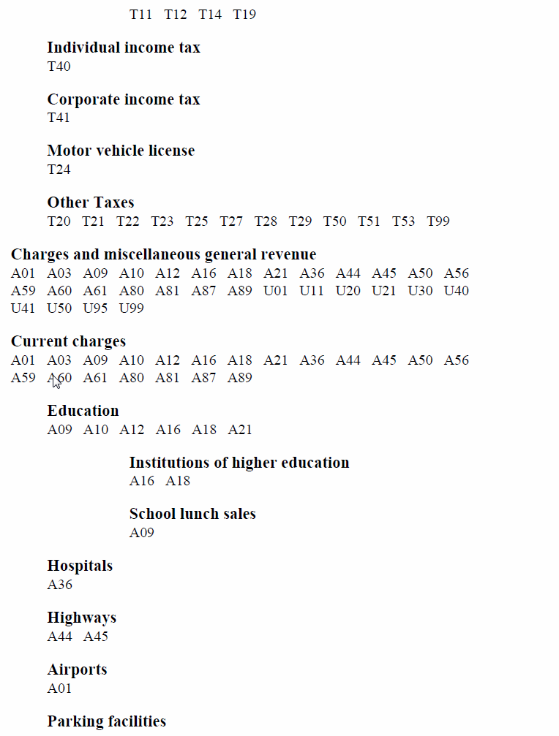

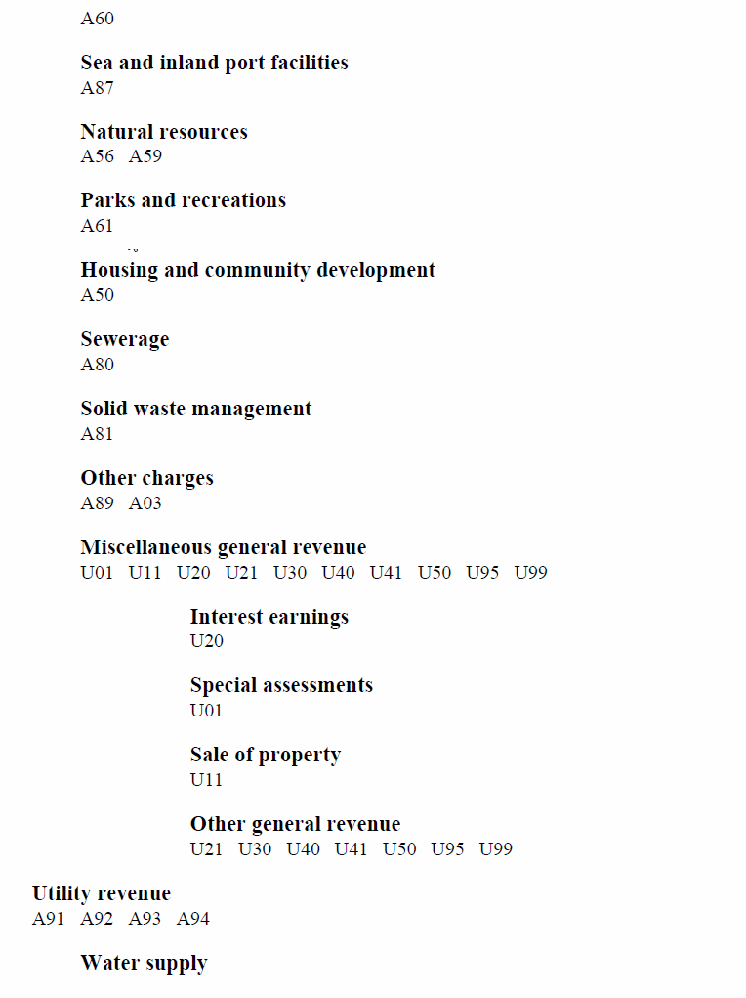

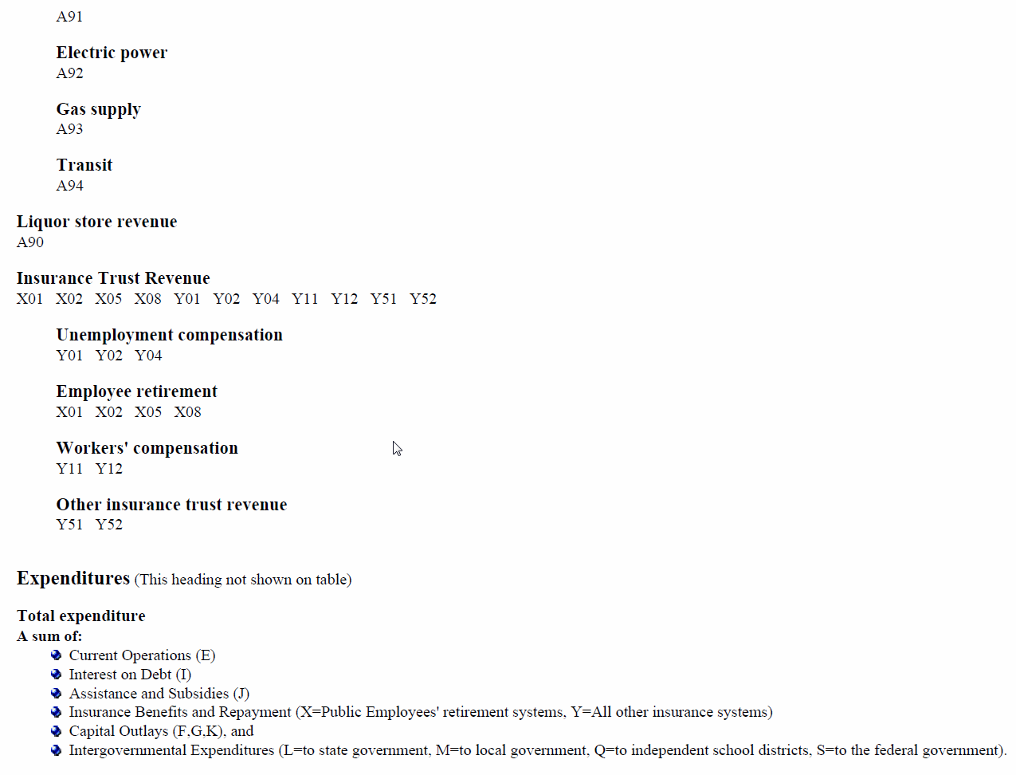

 |  |  |  | Note that SLG says K is included in capital outlays and SG does not, but the ACTUAL SLG calculation does NOT include K
 |  |  |  | And that L is not included in igx

recipenotes
TOC

 | E73 and S74
 | E73 | DISCONTINUED as of 2012; Current Operations – Welfare, Payments to Medicare Trust Fund (previously S74)
 | S74 | DISCONTINUED as of 2007; see E73 (Formerly: Intergovernmental to Federal – Welfare, Vendor Payments for Medical Care)

 | E73 only has data for 2006 through 2011 (out of 2000:2013)
 | S74 doesn't have data in any of 2000:2013

 | In 2007:2011 E73 needs to be in
 |  | dirx.tot
 |  | curopx.tot
 |  | totx.gen
 |  | pwelfx.gen
 | to match the published numbers, and I also put it in
 |  | dirpwelfx.gen
 | (I didn't have published numbers to compare to)

 | But in 2006, E73 must be added into
 |  | igx.tot
 | and removed from
 |  | dirx.tot
 |  | curopx.tot
 | to hit the published numbers
 | In other words, Census appears to have treated it as an intergovernmental expenditure in that year.
 | However, treating it differently in just one year doesn't make sense to me, so I am treating it the same in 2006 as in later years. This means my numbers will be different from published in 2006, in this one area.
 |  | 2006
 | E73 | 1,842,483
 | totx.gen | 1,349,968,143
 |  | 0.14%

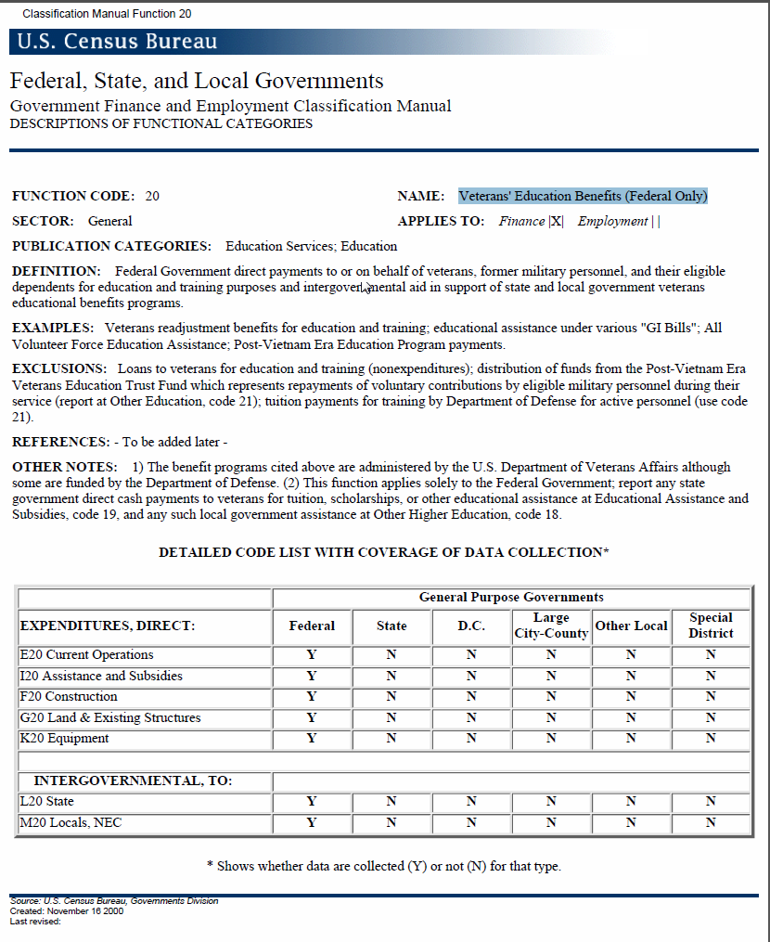

 | 2004 minus genx for education
 | E12 | Current Operations - Elementary & Secondary Education
 | E16 | Current Operations - Higher Education Auxiliary Enterprises
 | E18 | Current Operations - Other Higher Education
 | E19 | DISCONTINUED as of 2005, see J19 (Formerly: Current Operations - Educational Scholarships, Assistance, & Subsidies)
 | E20 | Vets bens fed only E20
 | E21 | Current Operations - Other Education
 | F12 | Construction - Elementary & Secondary Education
 | F16 | Construction - Higher Education, Auxiliary Enterprises
 | F18 | Construction - Higher Education, Other
 | F20 | Vets bens fed only F20
 | F21 | Construction - Education, Other
 | G12 | Other Capital Outlay - Elementary and Secondary Education
 | G16 | Other Capital Outlay - Higher Education, Auxiliary Enterprises
 | G18 | Other Capital Outlay - Other Higher Education
 | G20 | Vets bens fed only G20
 | G21 | Other Capital Outlay - Education, Other
 | I20 | Vets bens fed only I20
 | I21 | Ed other I21
 | L12 | Intergovernmental to State - Elementary and Secondary Education
 | L18 | Intergovernmental to State - Other Higher Education
 | L20 | Vets bens fed only L20
 | L21 | Intergovernmental to State - Education
 | M12 | Intergovernmental to Local NEC - Elementary and Secondary Education
 | M18 | Intergovernmental to Local NEC - Higher Education
 | M20 | Vets bens fed only M20
 | M21 | Intergovernmental to Local NEC - Education
 | N12 | DISCONTINUED as of 2005 (Formerly: Intergovernmental to General Purpose - Elementary and Secondary Education)
 | N18 | DISCONTINUED as of 2005 (Formerly: Intergovernmental to General Purpose - Higher Education)
 | N21 | DISCONTINUED as of 2005 (Formerly: Intergovernmental to General Purpose - Education, Other)
 | O12 | Intergovernmental to Cities-Elementary/Secondary Education
 | O18 | Intergovernmental to Cities-Higher Education
 | O21 | Ed other O21
 | P12 | Intergovernmental to Towns-Elementary/Secondary Education
 | P18 | Intergovernmental to Towns-Higher Education
 | P21 | Igx other ed P21
 | Q12 | Intergovernmental to School District - Elementary and Secondary Education
 | Q18 | Intergovernmental to School District - Higher Education, Other
 | Q21 | Ed other igx q21
 | R12 | DISCONTINUED as of 2005 (Formerly: Intergovernmental to Special District - Elementary and Secondary Education)
 | R18 | DISCONTINUED as of 2005 (Formerly: Intergovernmental to Special District - Higher Education, Other)
 | S21 | Igx to fed S21

