Application Catalog
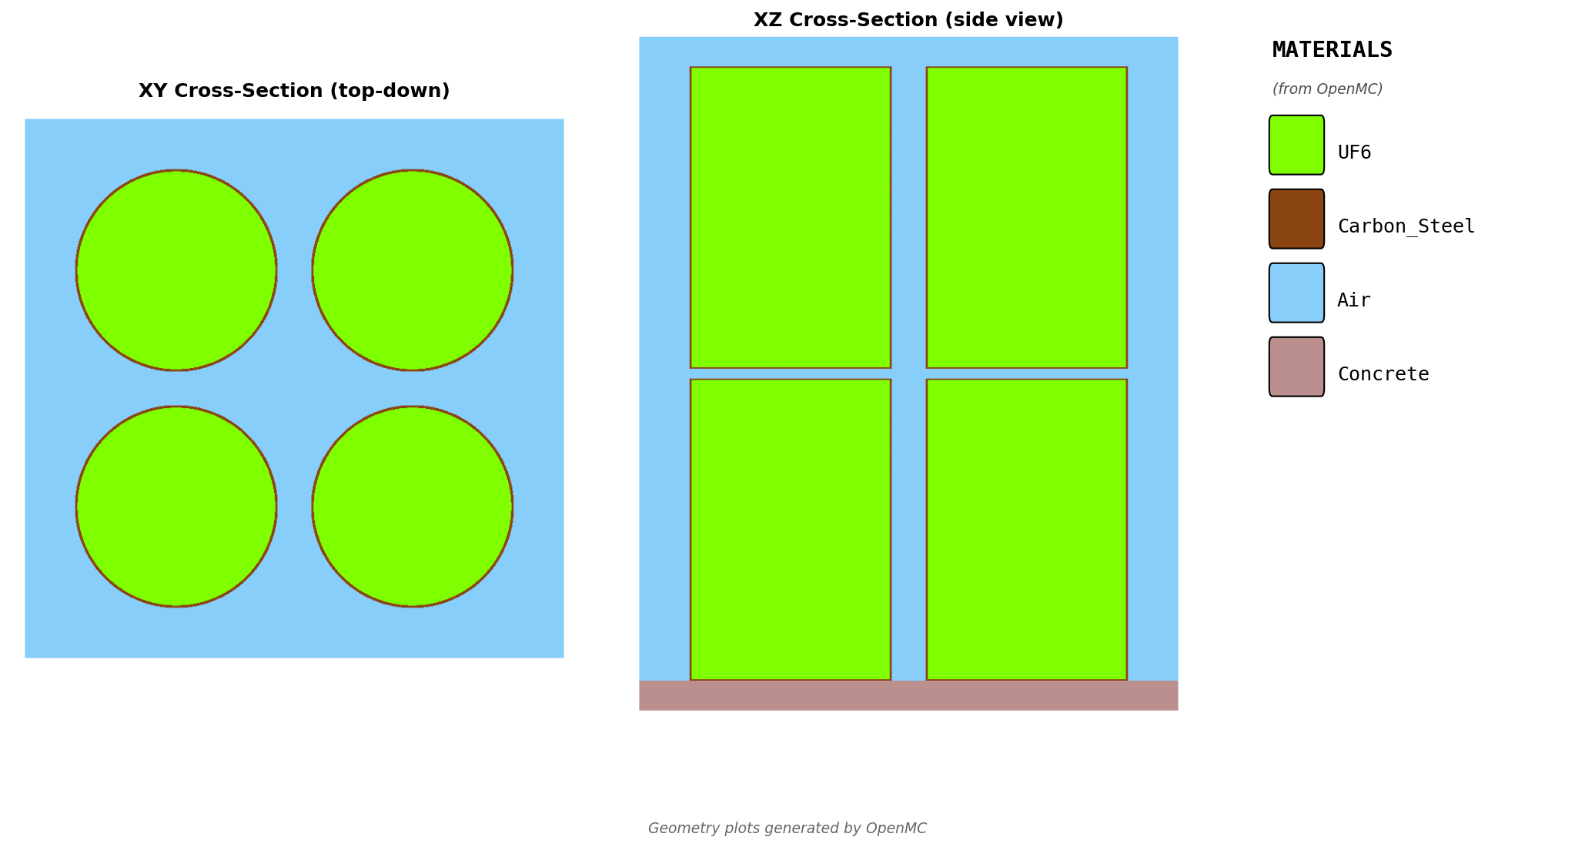
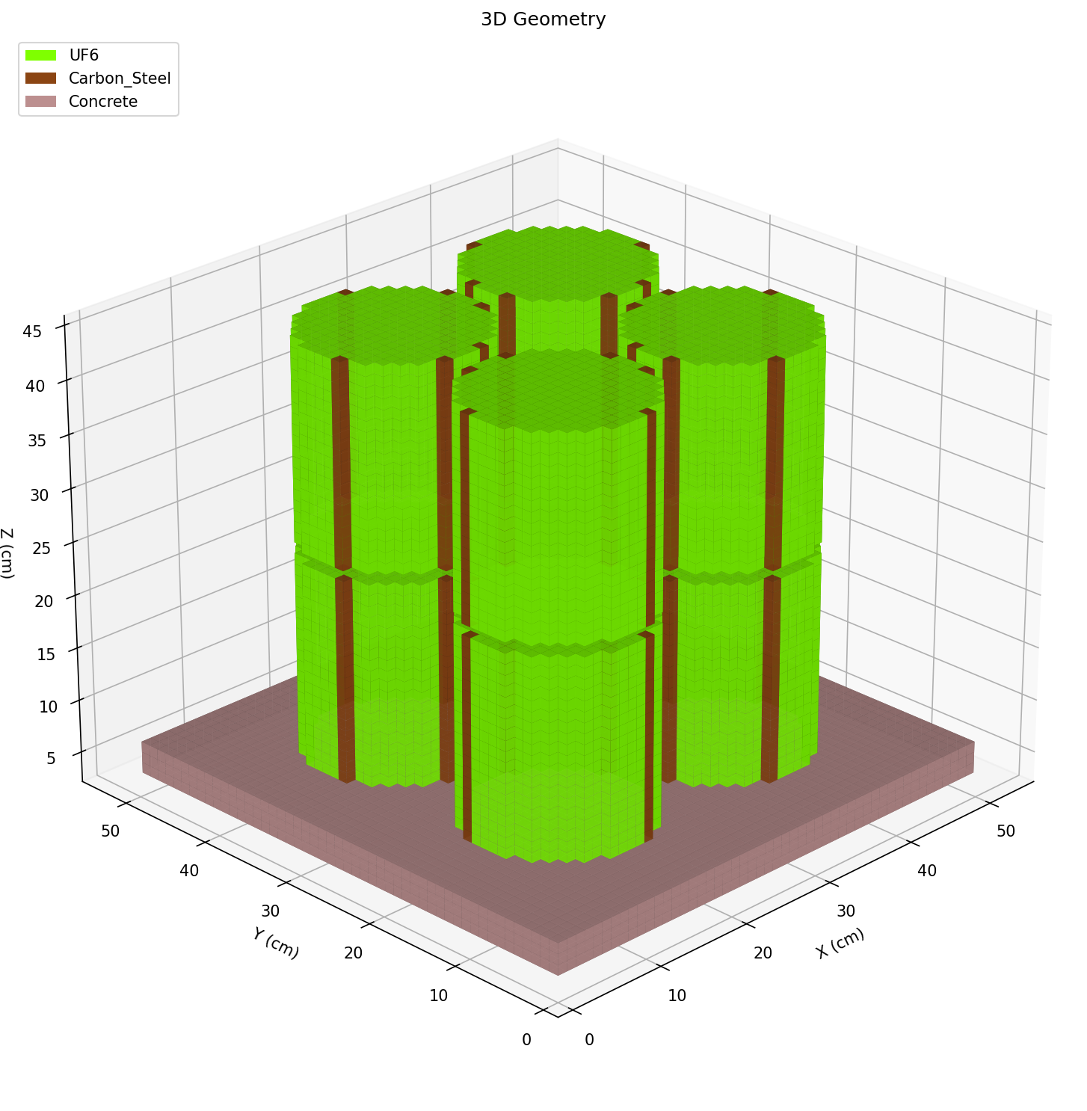
APPLICATION CATALOG

Available Problem Types
Review the geometry visualizations below to understand what each problem type models.

Single Cylinder
Template: | single_cylinder
Applications: | Process piping, cold traps, RUTS traps, pump cavities, cylindrical GEVS
Geometry: | Vertical cylinder with wall and reflector
Key Parameters: | radius_cm, height_cm, wall_thickness_cm
2D Cross-Sections: |  | 3D Voxel View:
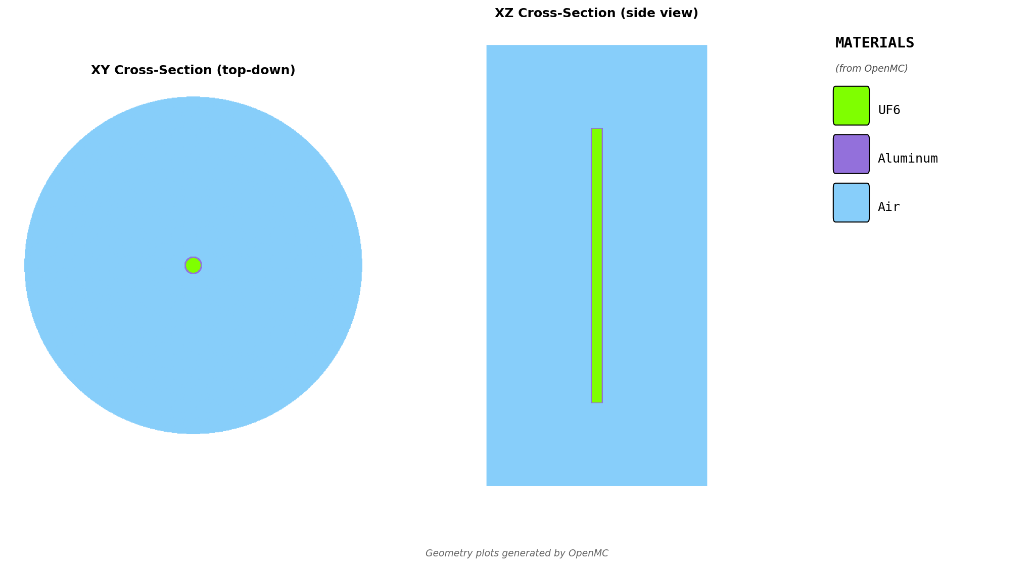
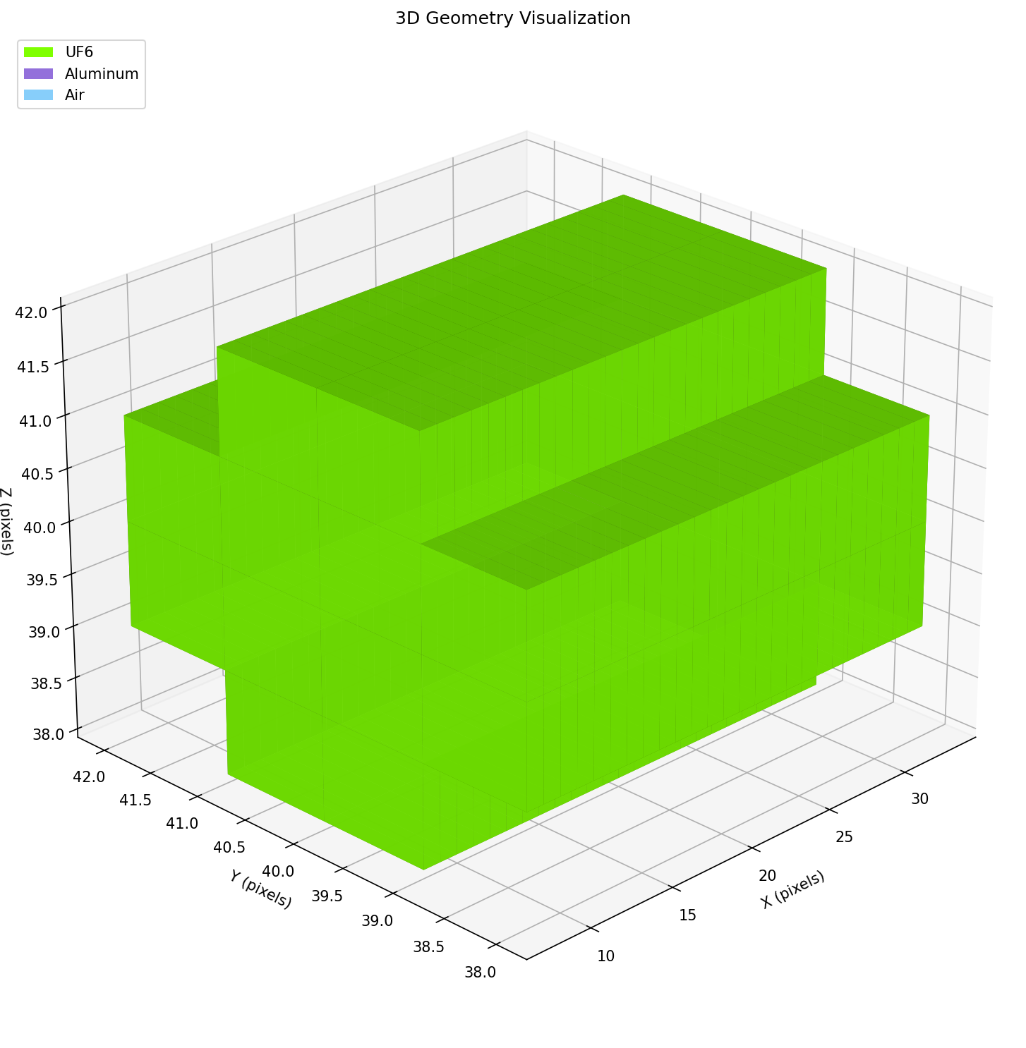

Shipping Cylinder (5B, 30B, 48Y)
Template: | uf6_cylinder
Applications: | 5B, 30B, 48Y, 48X shipping/storage cylinders
Geometry: | Standard UF6 cylinder per ANSI N14.1 specifications
Key Parameters: | cylinder_type, enrichment, fill_fraction
2D Cross-Sections: |  | 3D Voxel View:
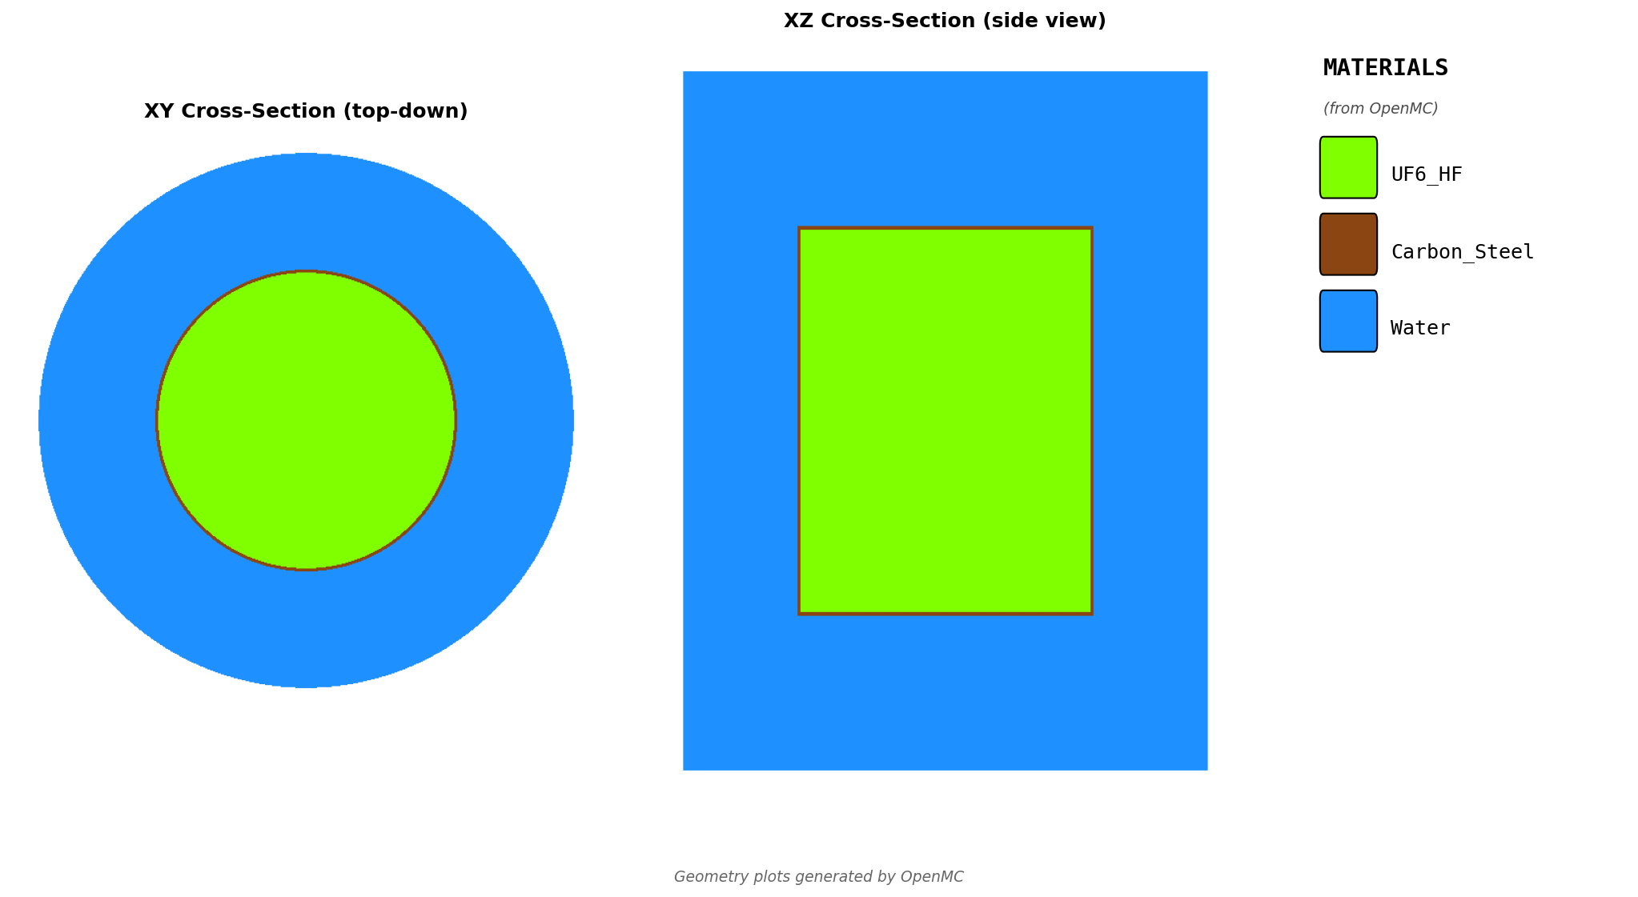
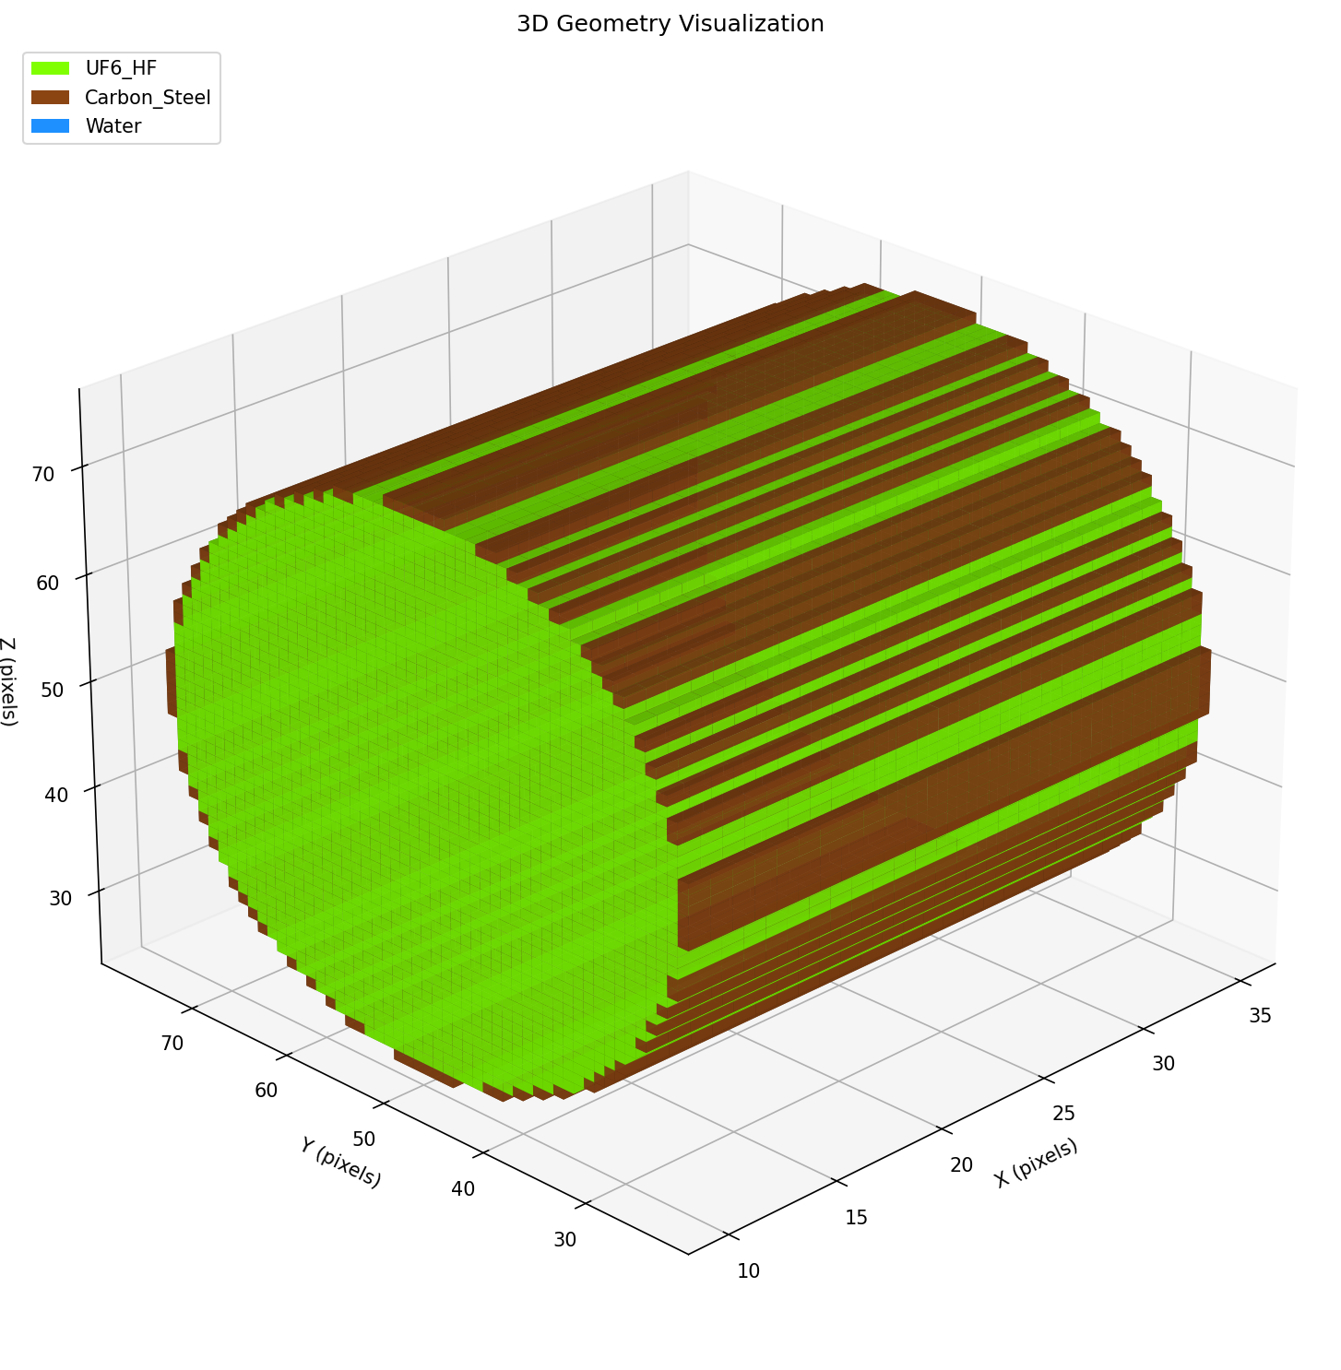

Rectangular Box
Template: | rectangular_box
Applications: | Chemical traps, HEPA filters, rectangular GEVS components
Geometry: | Rectangular parallelepiped (box) with wall and reflector
Key Parameters: | length_cm, width_cm, height_cm
2D Cross-Sections: |  | 3D Voxel View:
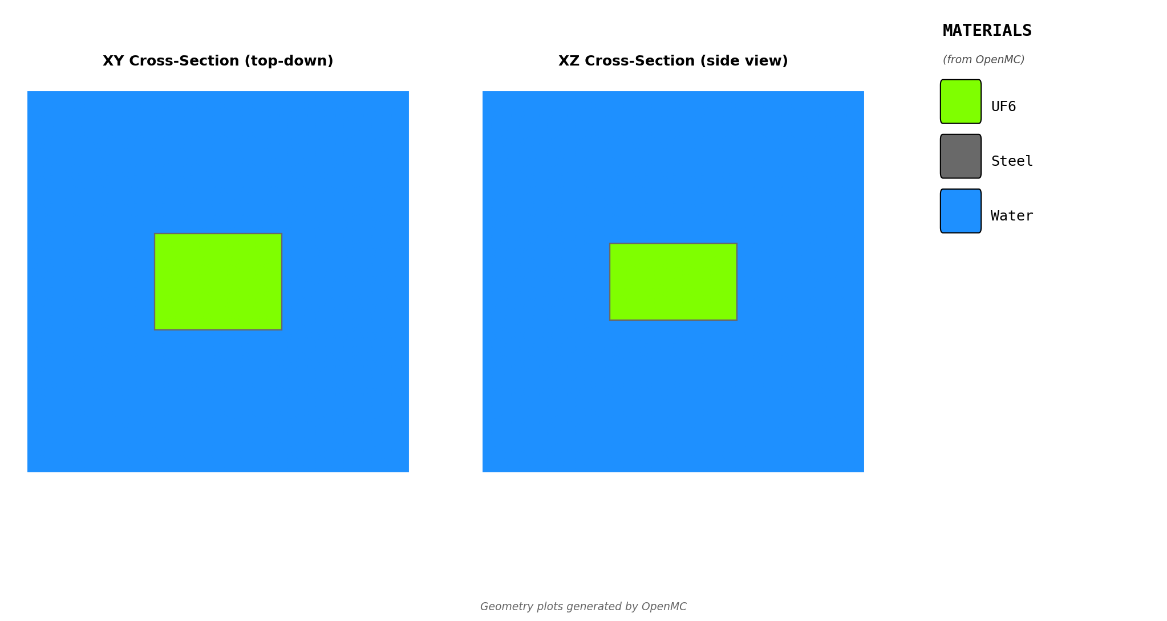
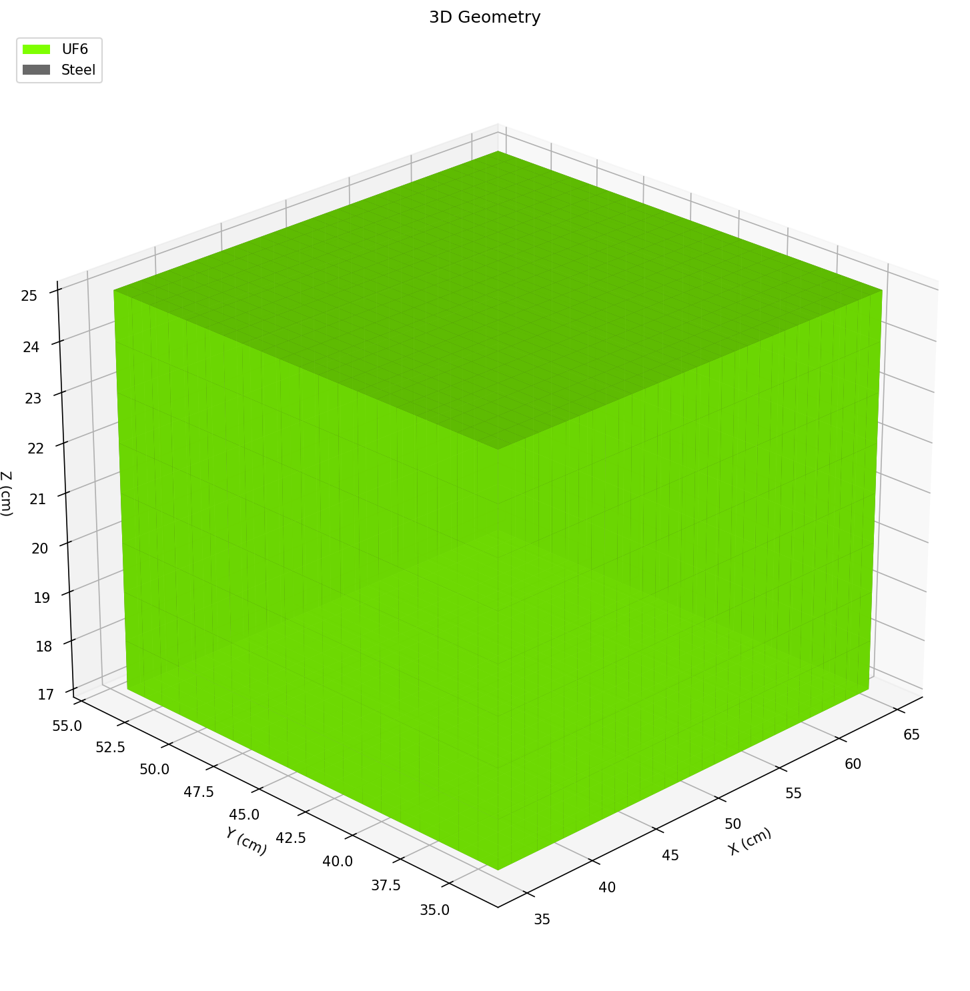

2D Cylinder Array
Template: | cylinder_array
Applications: | Cassette spacing, piping spacing, RUTS trap spacing
Geometry: | Rectangular array of identical cylinders (single layer)
Key Parameters: | rows, cols, gap_cm (edge-to-edge)
2D Cross-Sections: |  | 3D Voxel View:
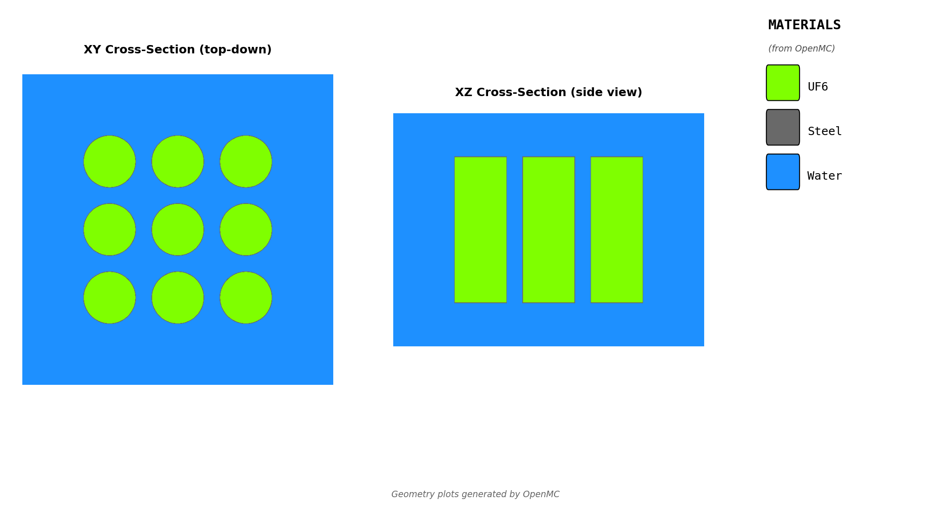
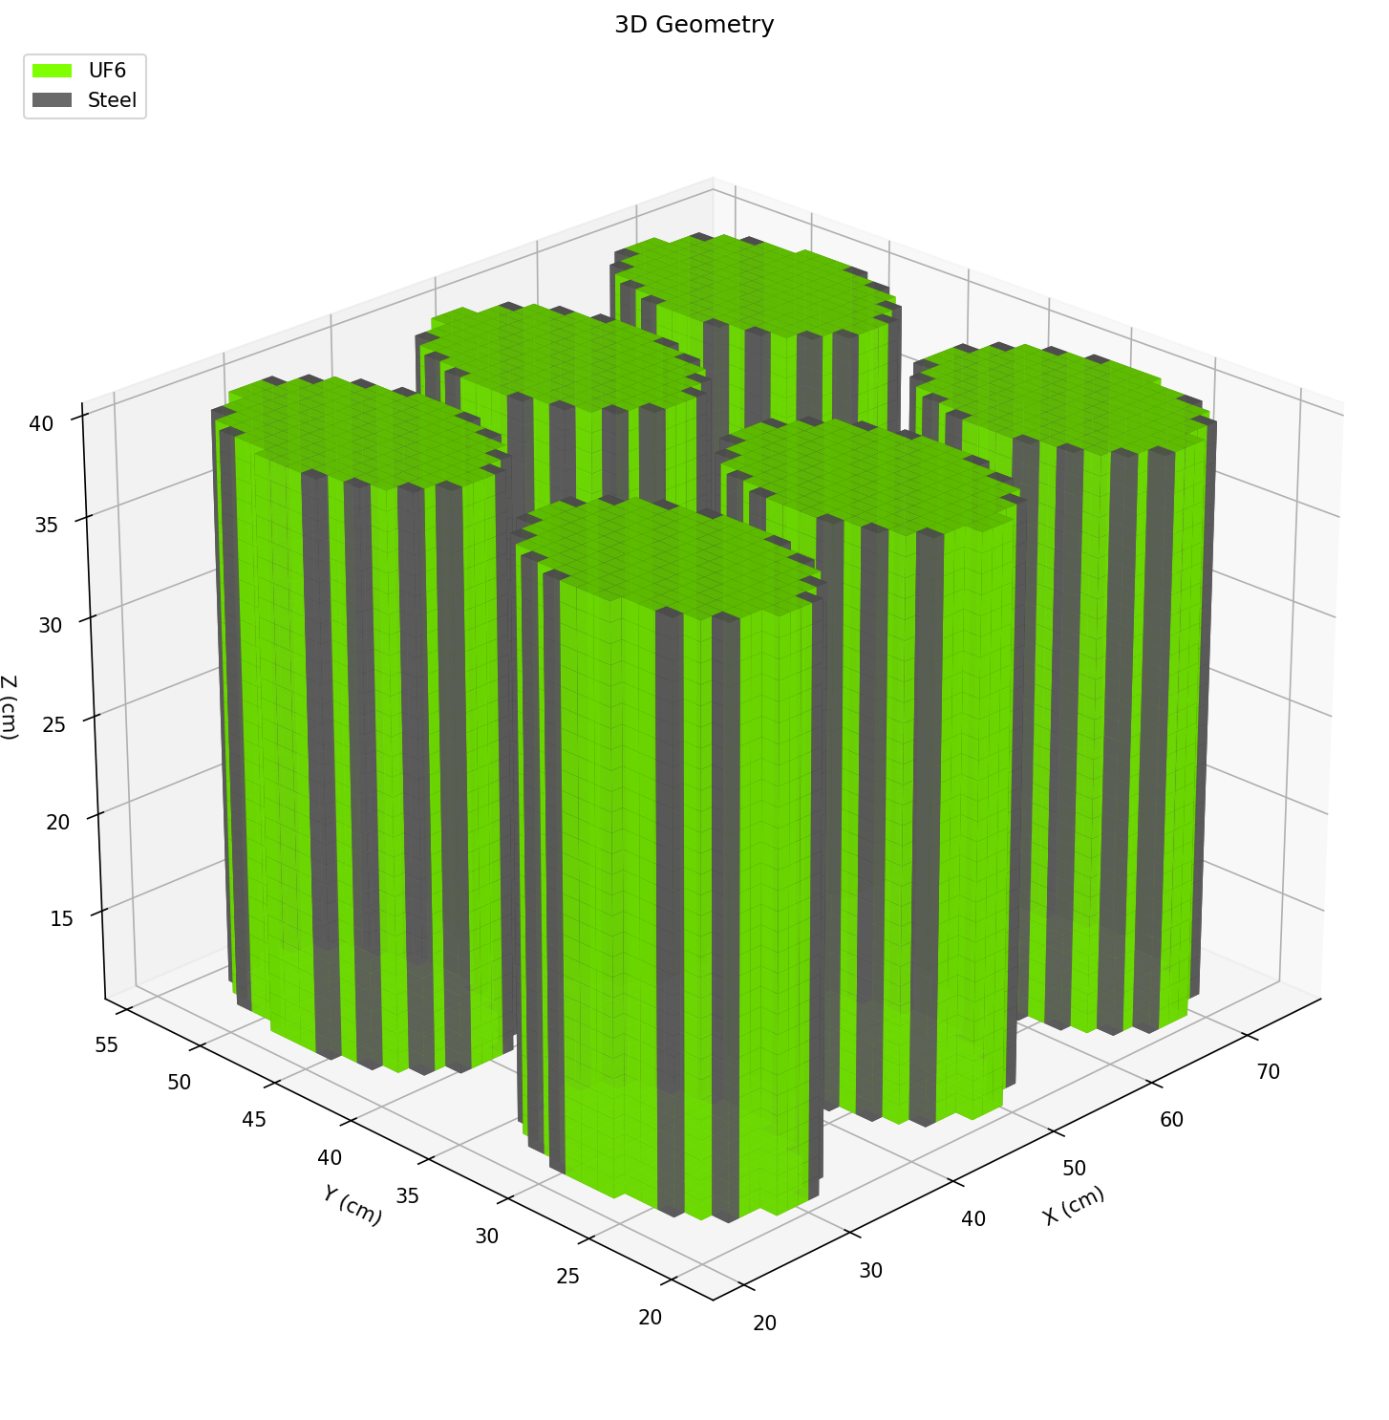

3D Cylinder Array (Stacked)
Template: | cylinder_array_3d
Applications: | Stacked shipping cylinders (2-3 high), storage arrays
Geometry: | 3D array with floor modeling (rows × cols × layers)
Key Parameters: | rows, cols, layers, gap_x_cm, gap_y_cm, gap_z_cm
2D Cross-Sections: |  | 3D Voxel View:

