Request Form
CRITICALITY ANALYSIS REQUESTS

Fill in the appropriate section(s) below. Each section shows geometry images and has its own defaults.

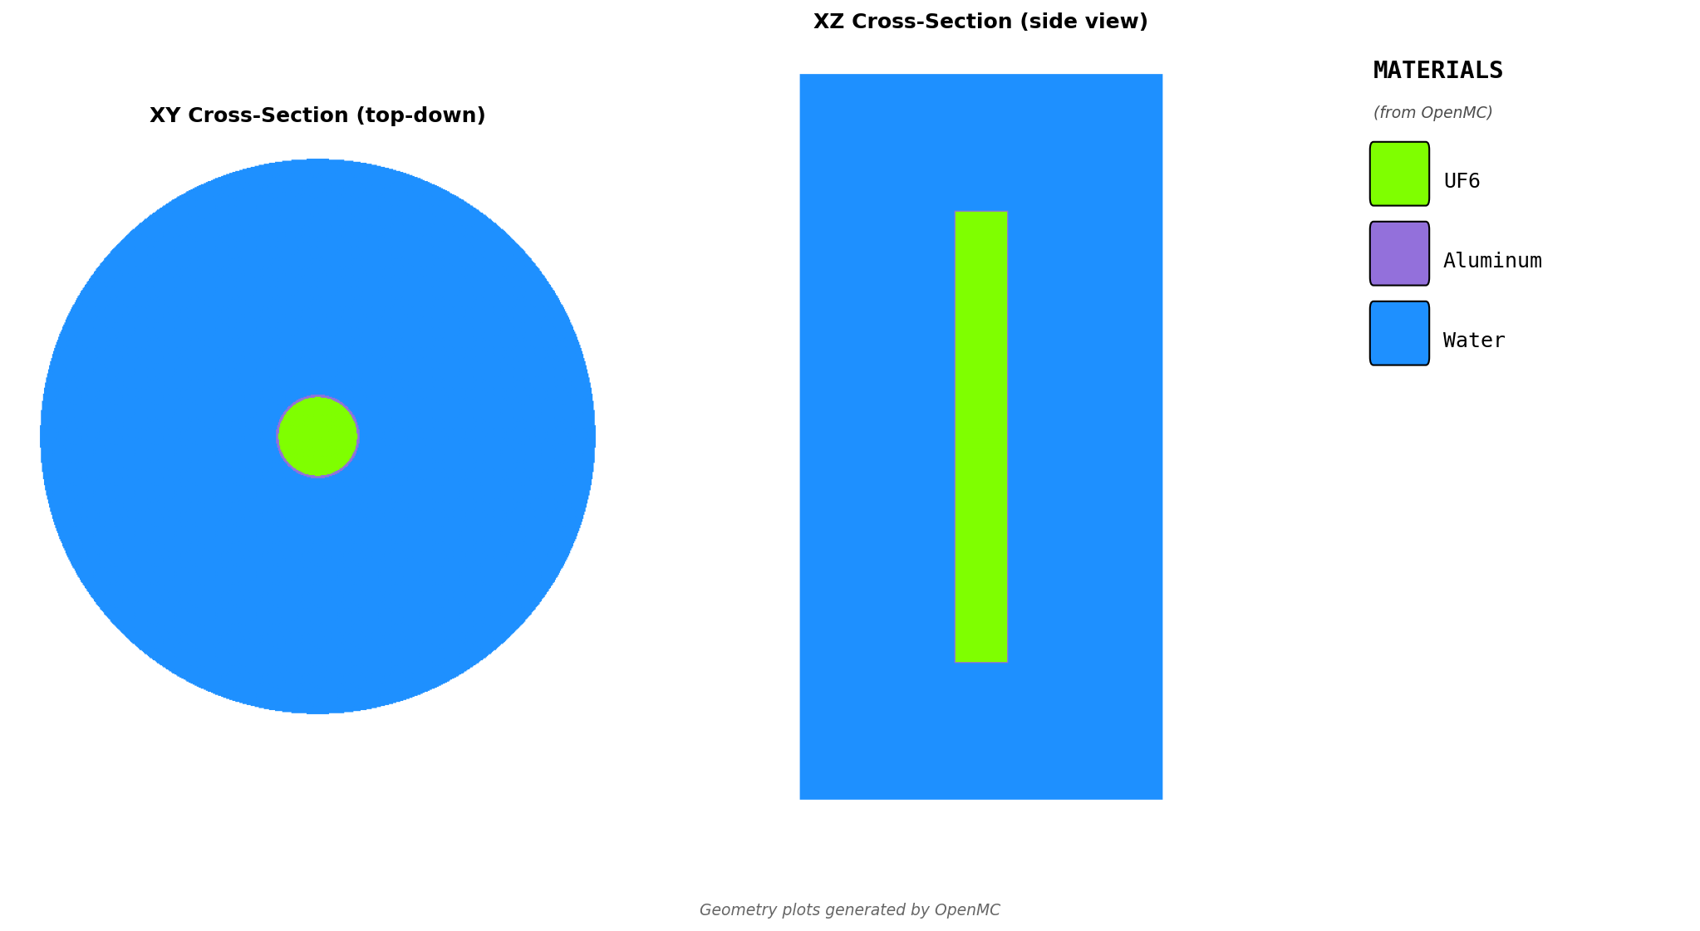
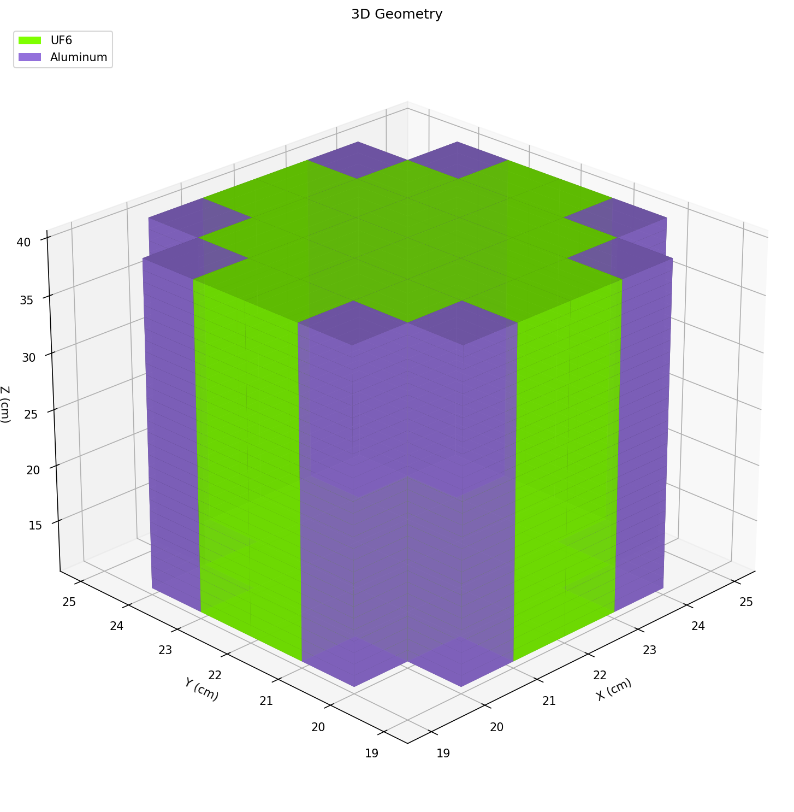
SINGLE CYLINDER
Cold traps, RUTS traps, pump cavities
# | Description | radius_cm | height_cm | enrichment | Notes
1
2
3
4

Defaults Applied:
Wall material | Aluminum
Wall thickness | 0.32 cm (1/8")
Reflector | Water, 30 cm
UF6 density | 5.09 g/cc

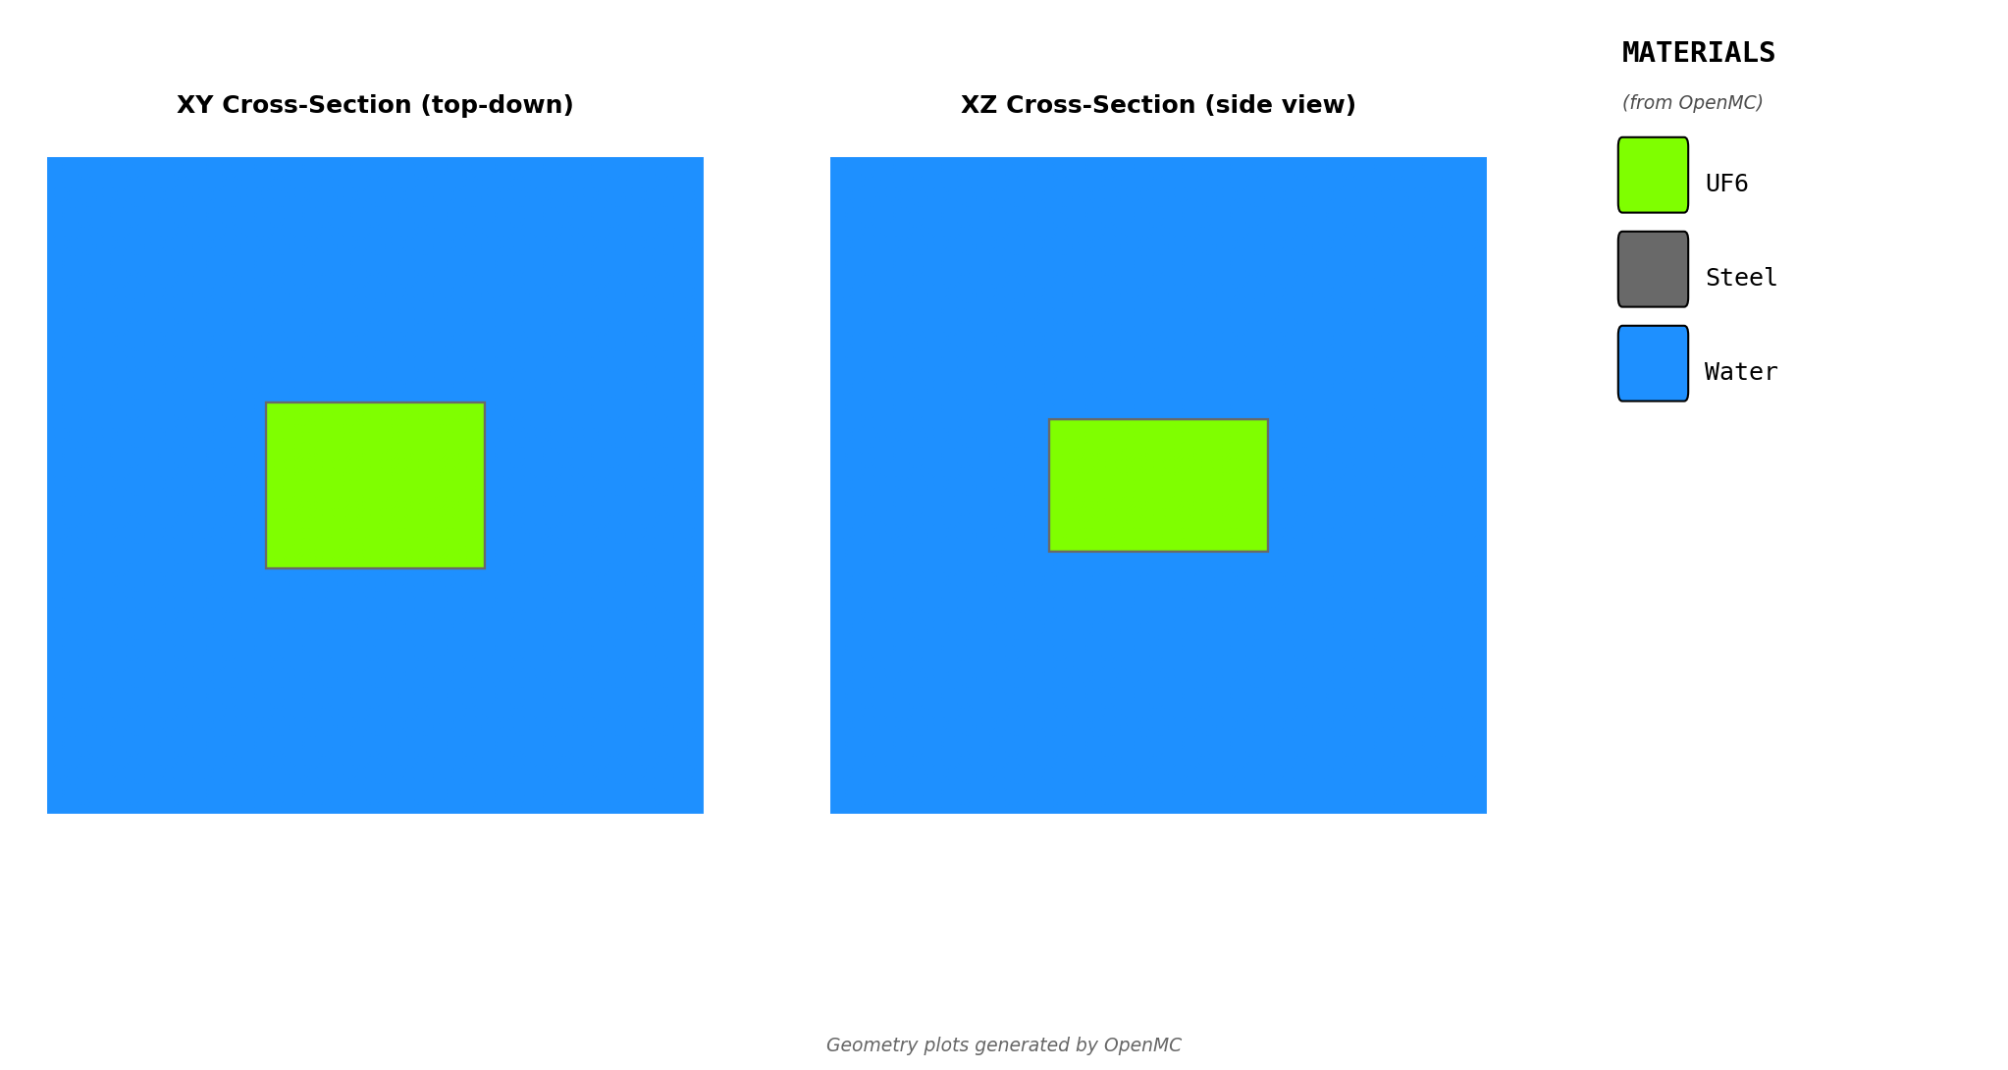
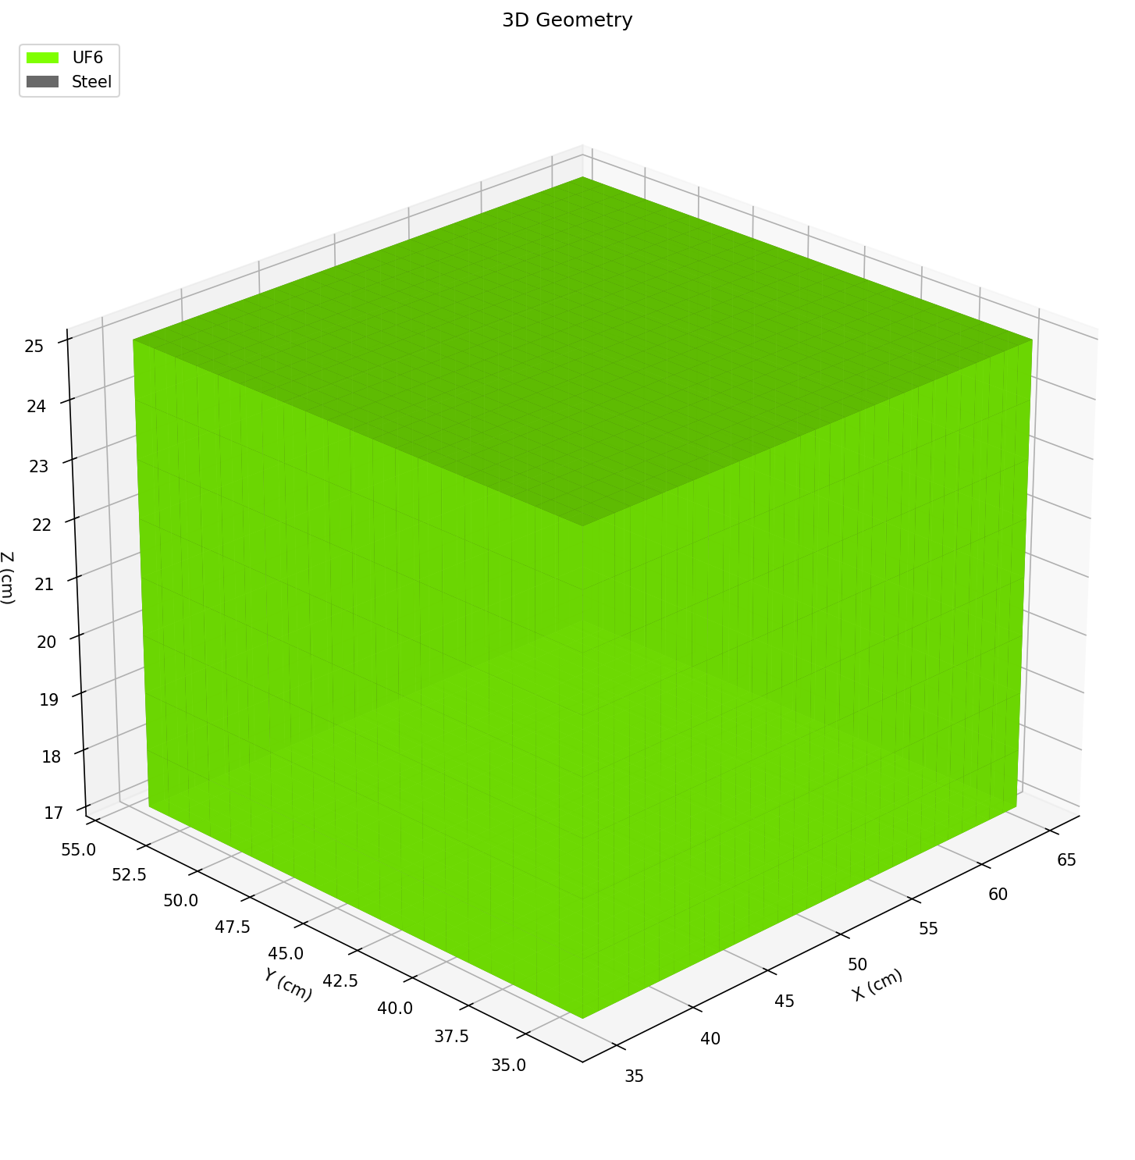
RECTANGULAR BOX
Chemical traps, HEPA filters, rectangular GEVS
# | Description | length_cm | width_cm | height_cm | enrichment | Notes
1
2
3
4

Defaults Applied:
Wall material | Steel
Wall thickness | 0.32 cm (1/8")
Reflector | Water, 30 cm
UF6 density | 5.09 g/cc

PROCESS PIPE
Cascade lines, pigtails - single pipe
pipe_size: 1, 1-1/2, 2, 3, 4, 6, 8 (NPS Schedule 10)
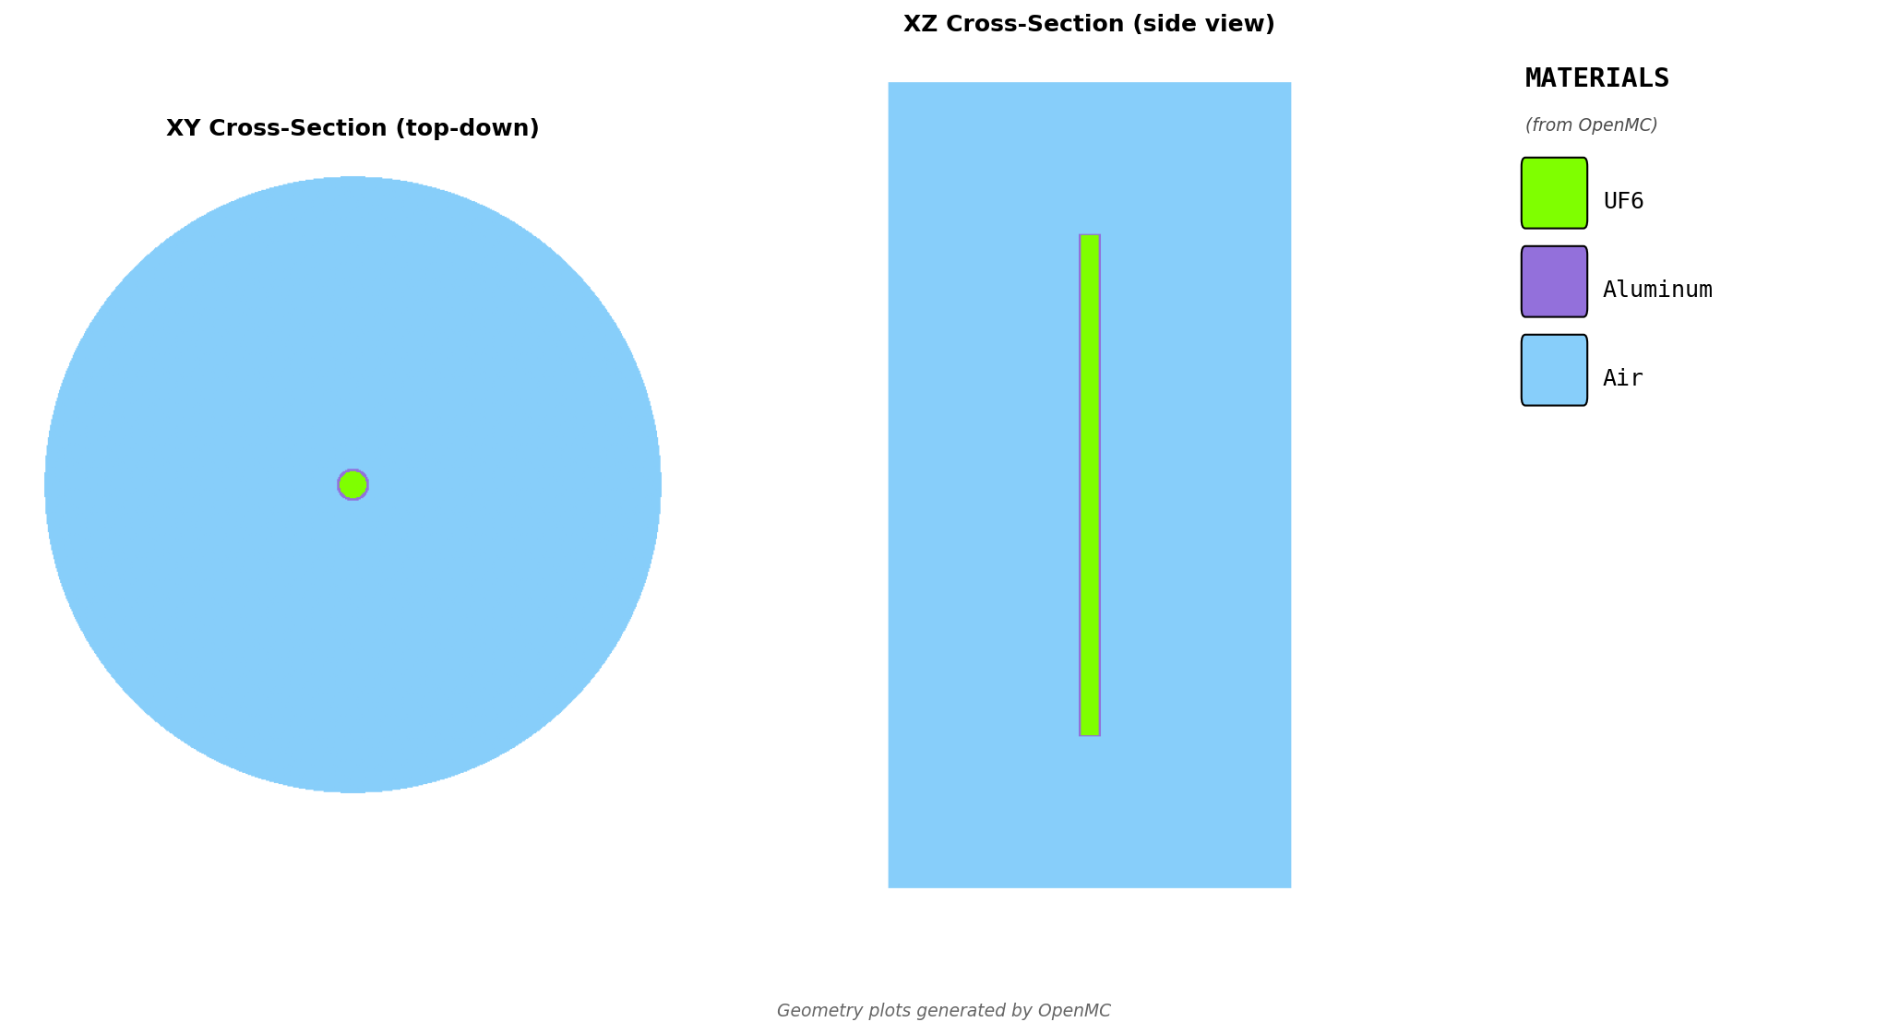
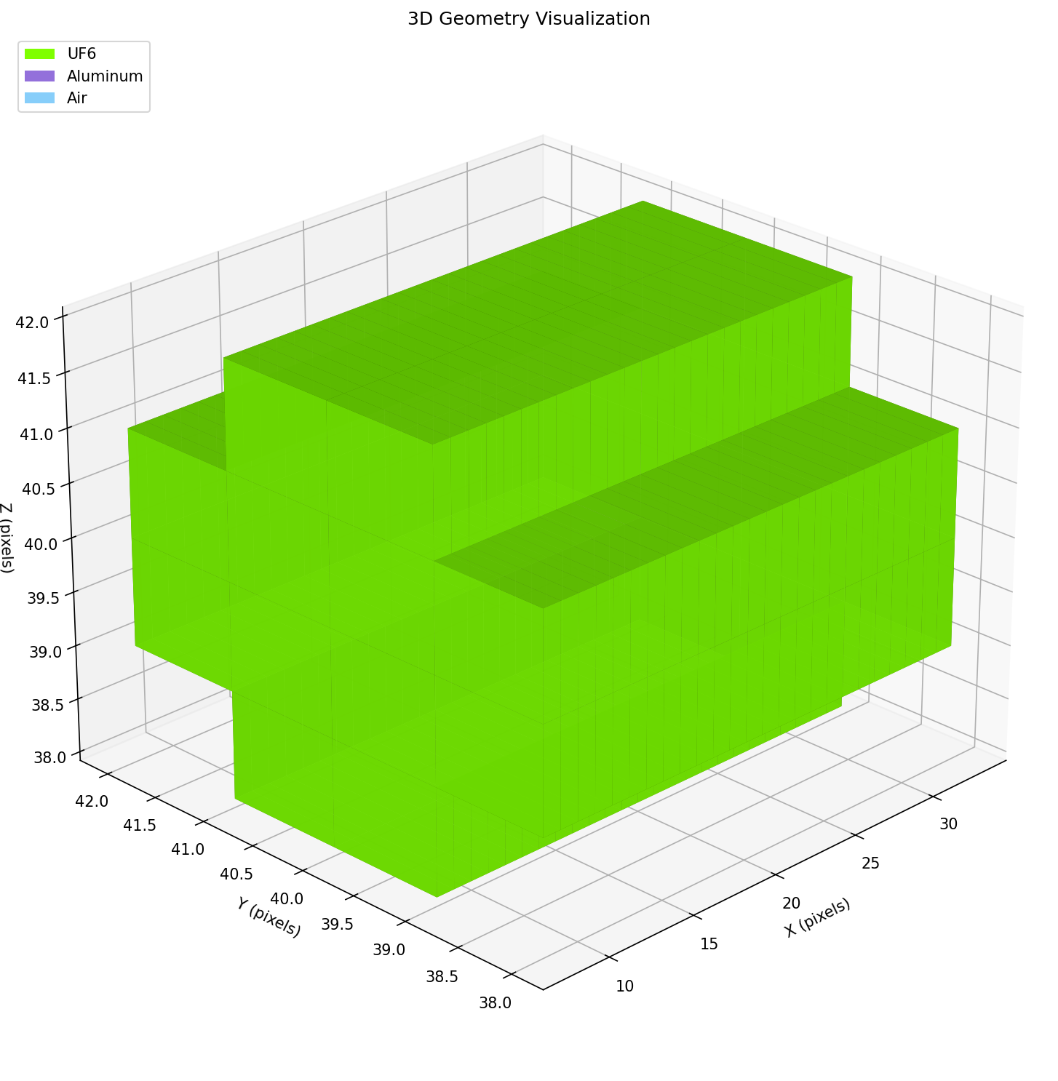
# | Description | pipe_size | length_cm | enrichment | Notes
1
2
3
4

Defaults Applied:
Wall material | SS304
Wall thickness | Per ASME B36.10M
Reflector | Water, 30 cm
UF6 density | 5.09 g/cc

PARALLEL PIPES
Piping runs, pipe rack spacing studies
num_pipes: 1, 2, or 3 | gap_cm: edge-to-edge spacing
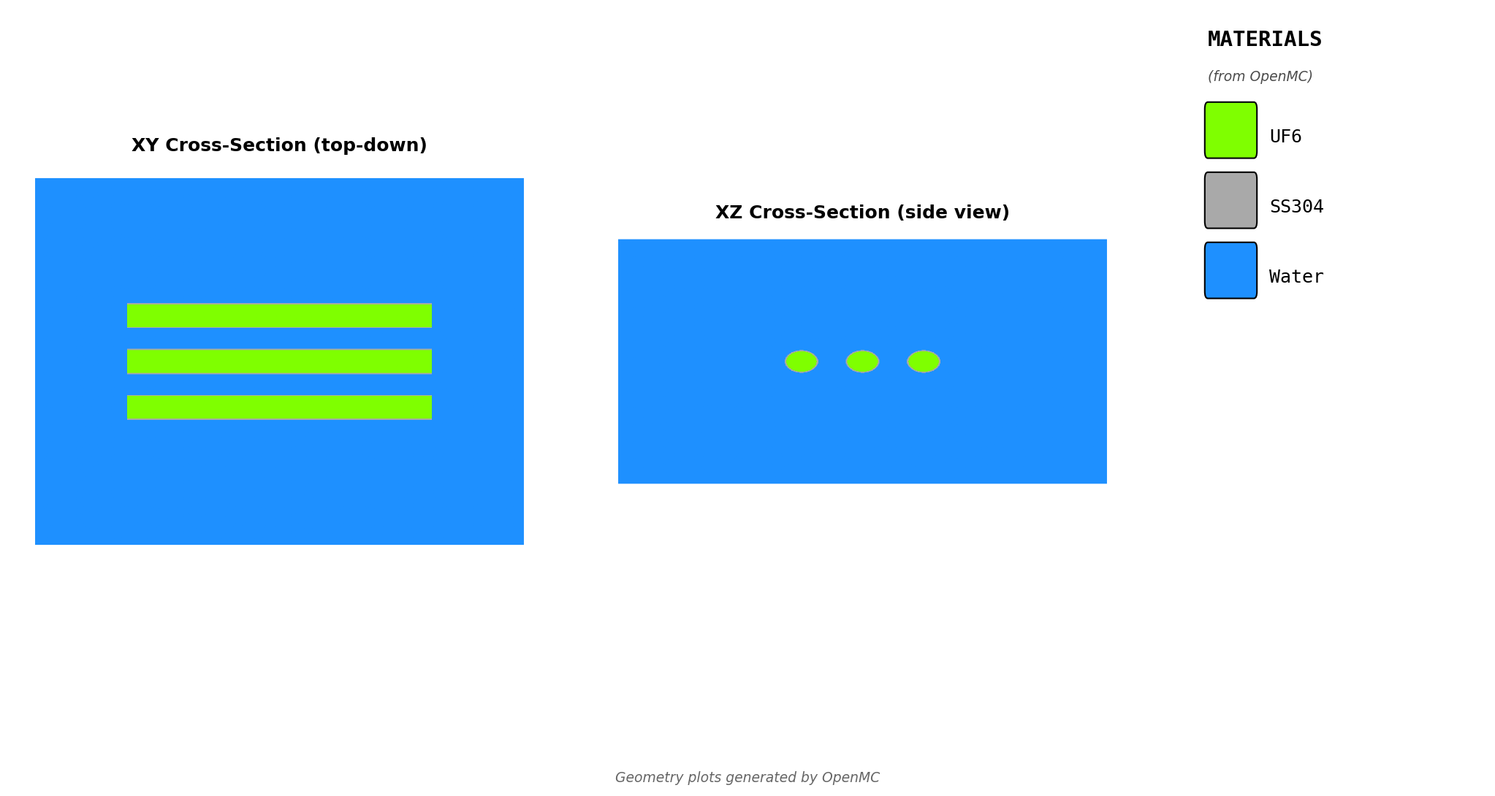
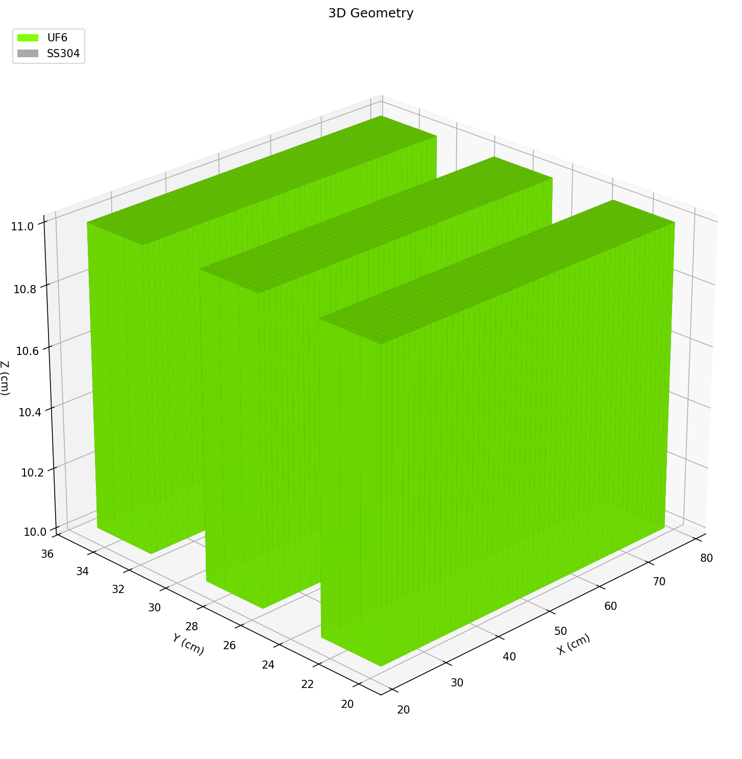
# | Description | num_pipes | pipe_size | length_cm | gap_cm | enrichment | Notes
1
2
3
4

Defaults Applied:
Wall material | SS304
Wall thickness | Per ASME B36.10M
Reflector | Water, 30 cm
UF6 density | 5.09 g/cc

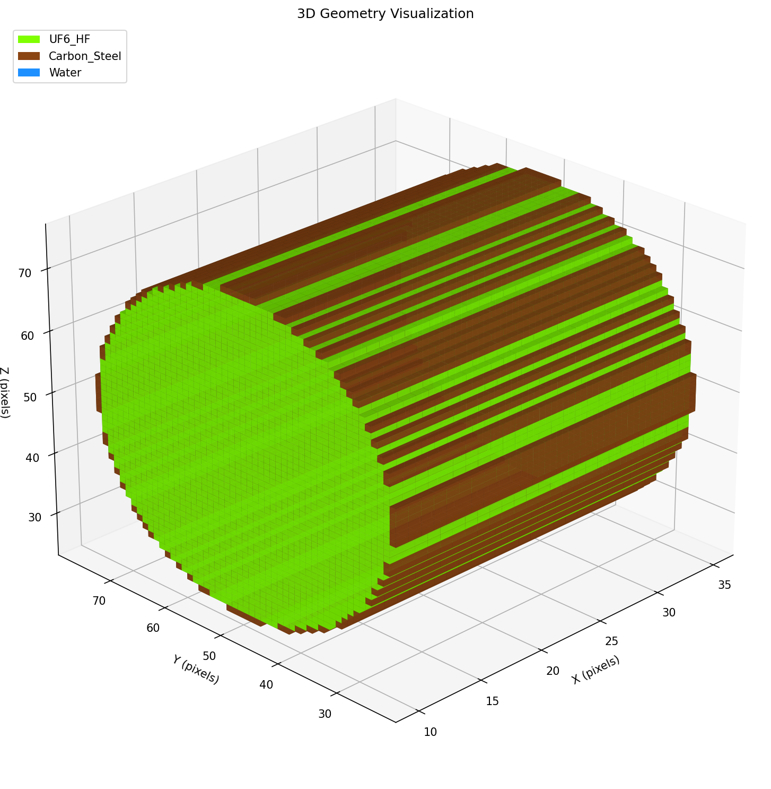
SHIPPING CYLINDER - SINGLE
Single 5B, 30B, 48Y cylinder
cylinder_type: 5a, 5b, 30b, 48x, 48y
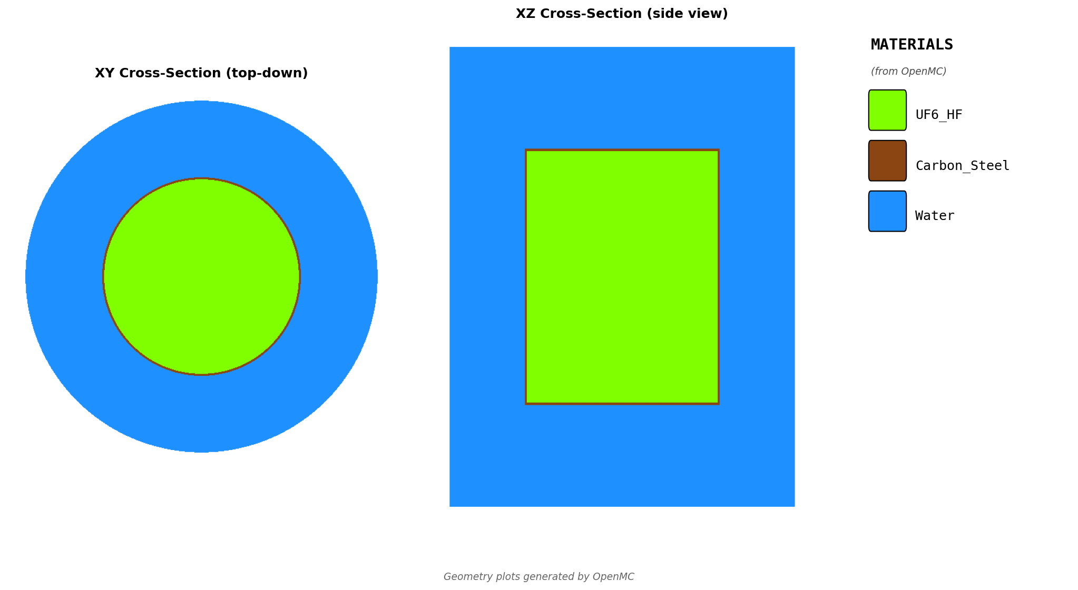
# | Description | cylinder_type | enrichment | Notes
1
2
3
4

Defaults Applied:
Wall material | Per ANSI N14.1 (Monel for 5A/5B, carbon steel for larger)
Reflector | Water, 30 cm
Fill fraction | 100%
UF6 density | 5.09 g/cc

CYLINDER ARRAY - 2D
Custom traps/vessels arranged in rows x cols
gap_cm: edge-to-edge spacing between cylinder walls
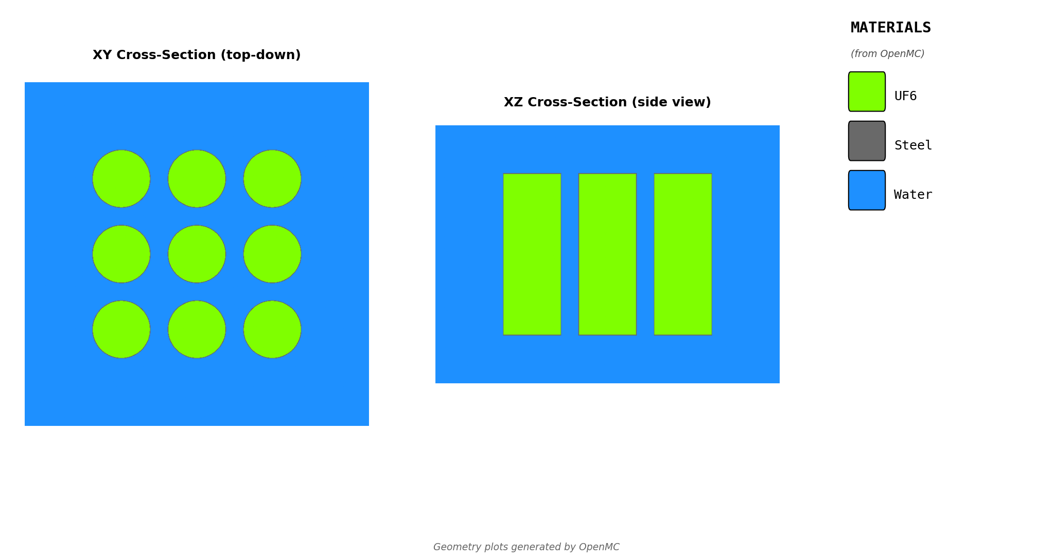
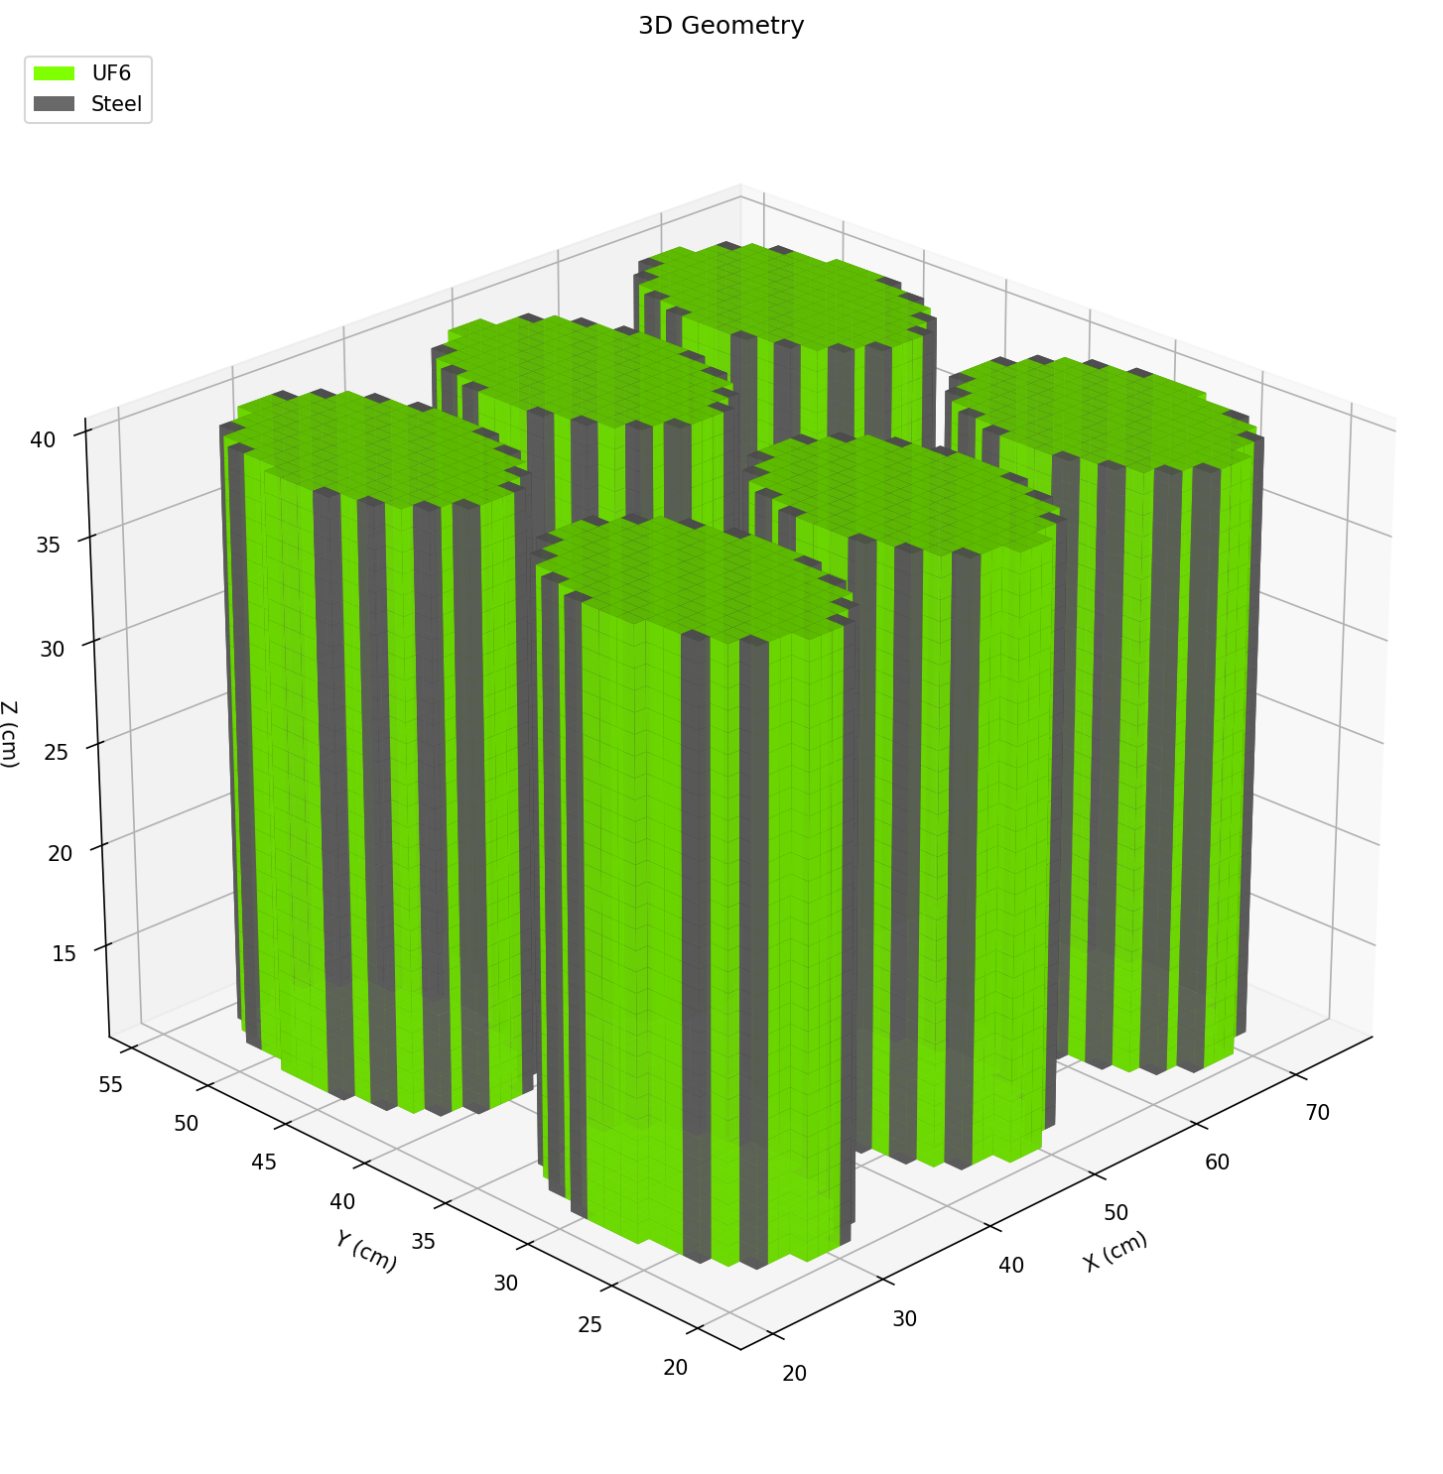
# | Description | rows | cols | radius_cm | height_cm | gap_cm | enrichment | Notes
1
2
3
4

Defaults Applied:
Wall material | Steel
Wall thickness | 0.6 cm
Environment | Air, 30 cm boundary
UF6 density | 5.09 g/cc

SHIPPING CYLINDER ARRAY - 3D
Stacked shipping cylinders in warehouse storage
orientation: vertical or horizontal | configuration: '2x3x2' (RxCxL) for vertical, '3,2,1' (pattern) for horizontal | environment: air or water
# | Description | cylinder_type | orientation | configuration | gap_xy_cm | gap_z_cm | environment | enrichment | Notes
1
2
3
4

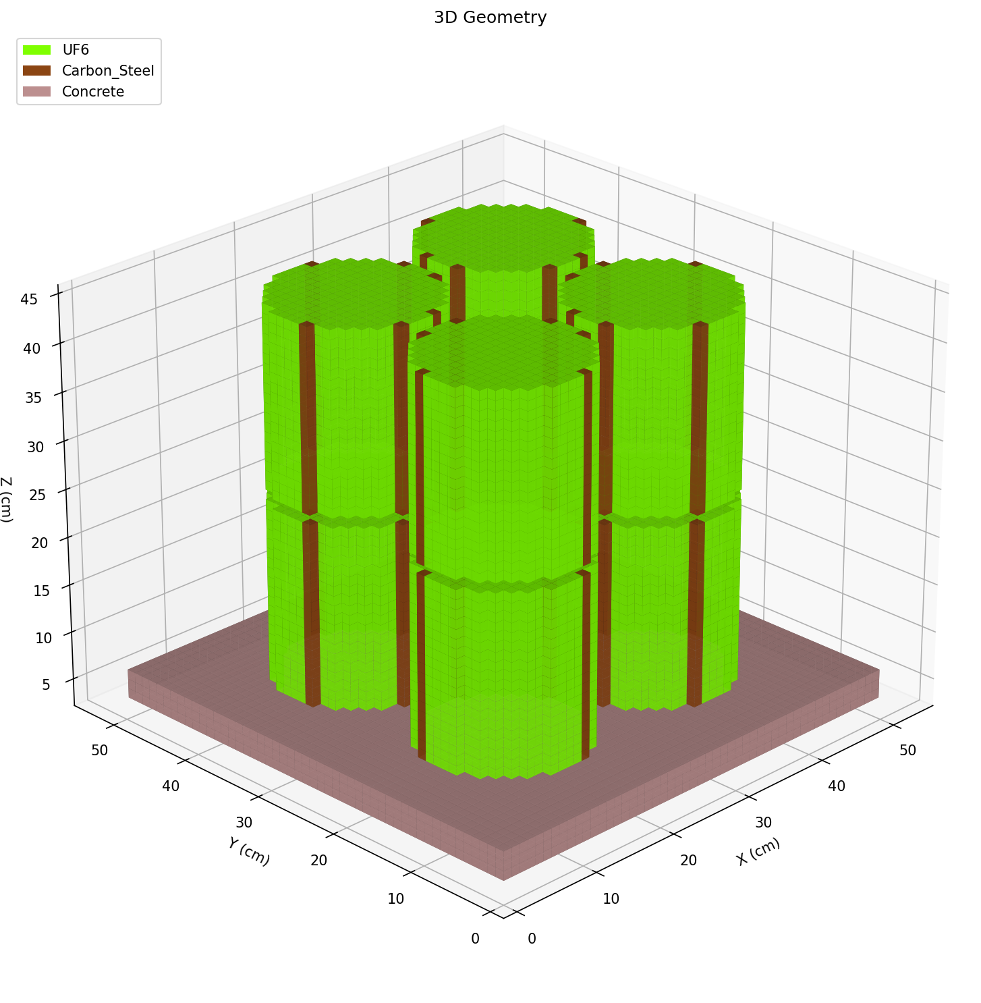
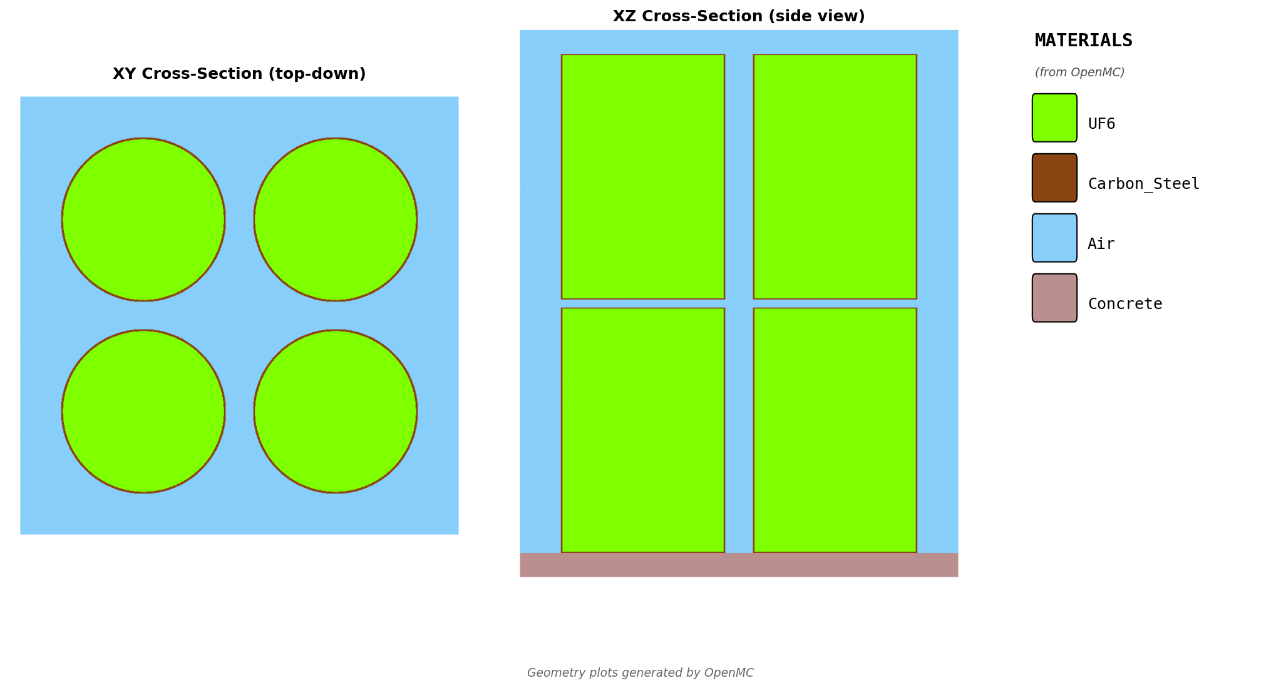
Defaults Applied:
Wall material | Per ANSI N14.1
Floor | Concrete, 30 cm
Environment boundary | 30 cm
UF6 density | 5.09 g/cc

