Summary
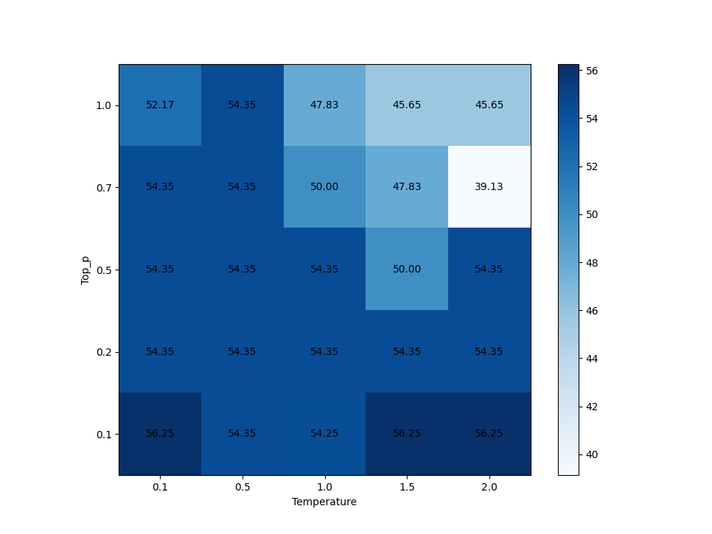
SUMMARY RESULT BETWEEN TEST
Temp | 0.1 |  |  |  |  | 0.5 |  |  |  |  | 1.0 |  |  |  |  | 2024-05-01 |  |  |  |  | 2.0
Topp | 0.1 | 0.2 | 0.5 | 0.7 | 1.0 | 0.1 | 0.2 | 0.5 | 0.7 | 1.0 | 0.1 | 0.2 | 0.5 | 0.7 | 1.0 | 0.1 | 0.2 | 0.5 | 0.7 | 1.0 | 0.1 | 0.2 | 0.5 | 0.7 | 1.0
Parameters | embed_model=None max_new_tokens = 500 | embed_model=None max_new_tokens = 500 | embed_model=None max_new_tokens = 500 | embed_model=None max_new_tokens = 500 | embed_model=None max_new_tokens = 500 | embed_model=None max_new_tokens = 500 | embed_model=None max_new_tokens = 500 | embed_model=None max_new_tokens = 500 | embed_model=None max_new_tokens = 500 | embed_model=None max_new_tokens = 500 | embed_model=None max_new_tokens = 500 | embed_model=None max_new_tokens = 500 | embed_model=None max_new_tokens = 500 | embed_model=None max_new_tokens = 500 | embed_model=None max_new_tokens = 500 | embed_model=None max_new_tokens = 500 | embed_model=None max_new_tokens = 500 | embed_model=None max_new_tokens = 500 | embed_model=None max_new_tokens = 500 | embed_model=None max_new_tokens = 500 | embed_model=None max_new_tokens = 500 | embed_model=None max_new_tokens = 500 | embed_model=None max_new_tokens = 500 | embed_model=None max_new_tokens = 500 | embed_model=None max_new_tokens = 500
Correct answers | 26 | 25 | 25 | 25 | 24 | 25 | 25 | 25 | 25 | 25 | 25 | 25 | 25 | 23 | 22 | 26 | 25 | 23 | 22 | 21 | 26 | 25 | 25 | 18 | 21
Total questions | 46 | 46 | 46 | 46 | 46 | 46 | 46 | 46 | 46 | 46 | 46 | 46 | 46 | 46 | 46 | 46 | 46 | 46 | 46 | 46 | 46 | 46 | 46 | 46 | 46
Correct ratio | 56.52% | 54.35% | 54.35% | 54.35% | 52.17% | 54.35% | 54.35% | 54.35% | 54.35% | 54.35% | 54.35% | 54.35% | 54.35% | 50.00% | 47.83% | 56.52% | 54.35% | 50.00% | 47.83% | 45.65% | 56.52% | 54.35% | 54.35% | 39.13% | 45.65% | 52.35%
1 | WRONG | CORRECT | WRONG | WRONG | WRONG | WRONG | WRONG | WRONG | WRONG | WRONG | WRONG | WRONG | WRONG | WRONG | WRONG | WRONG | WRONG | WRONG | WRONG | CORRECT | WRONG | WRONG | WRONG | WRONG | WRONG
2 | CORRECT | CORRECT | CORRECT | CORRECT | CORRECT | CORRECT | CORRECT | CORRECT | CORRECT | CORRECT | CORRECT | CORRECT | CORRECT | CORRECT | CORRECT | CORRECT | CORRECT | CORRECT | CORRECT | WRONG | CORRECT | CORRECT | CORRECT | CORRECT | CORRECT
3 | CORRECT | CORRECT | CORRECT | CORRECT | CORRECT | CORRECT | CORRECT | CORRECT | CORRECT | CORRECT | CORRECT | CORRECT | CORRECT | CORRECT | CORRECT | CORRECT | CORRECT | CORRECT | CORRECT | CORRECT | CORRECT | CORRECT | CORRECT | CORRECT | CORRECT
4 | WRONG | CORRECT | WRONG | WRONG | WRONG | WRONG | WRONG | WRONG | WRONG | WRONG | WRONG | WRONG | WRONG | WRONG | WRONG | WRONG | WRONG | WRONG | WRONG | WRONG | WRONG | WRONG | WRONG | WRONG | CORRECT
5 | CORRECT | CORRECT | CORRECT | CORRECT | CORRECT | CORRECT | CORRECT | CORRECT | CORRECT | CORRECT | CORRECT | CORRECT | CORRECT | CORRECT | WRONG | CORRECT | CORRECT | CORRECT | CORRECT | WRONG | CORRECT | CORRECT | WRONG | WRONG | CORRECT
6 | CORRECT | CORRECT | CORRECT | CORRECT | CORRECT | CORRECT | CORRECT | CORRECT | CORRECT | CORRECT | CORRECT | CORRECT | CORRECT | CORRECT | CORRECT | CORRECT | CORRECT | CORRECT | CORRECT | WRONG | CORRECT | CORRECT | CORRECT | CORRECT | CORRECT
7 | CORRECT | WRONG | CORRECT | CORRECT | CORRECT | CORRECT | CORRECT | CORRECT | CORRECT | CORRECT | CORRECT | CORRECT | CORRECT | CORRECT | CORRECT | CORRECT | CORRECT | CORRECT | CORRECT | WRONG | CORRECT | CORRECT | CORRECT | CORRECT | WRONG
8 | CORRECT | WRONG | WRONG | WRONG | WRONG | WRONG | WRONG | WRONG | WRONG | WRONG | WRONG | WRONG | WRONG | CORRECT | CORRECT | WRONG | WRONG | WRONG | WRONG | WRONG | WRONG | WRONG | WRONG | WRONG | WRONG
9 | WRONG | WRONG | WRONG | WRONG | WRONG | WRONG | WRONG | WRONG | WRONG | WRONG | WRONG | WRONG | WRONG | CORRECT | WRONG | WRONG | WRONG | WRONG | WRONG | WRONG | WRONG | WRONG | WRONG | CORRECT | CORRECT
10 | WRONG | WRONG | WRONG | WRONG | WRONG | WRONG | WRONG | WRONG | WRONG | WRONG | WRONG | WRONG | WRONG | WRONG | WRONG | WRONG | WRONG | WRONG | WRONG | WRONG | WRONG | WRONG | WRONG | WRONG | WRONG
11 | WRONG | WRONG | WRONG | WRONG | WRONG | WRONG | WRONG | WRONG | WRONG | WRONG | WRONG | WRONG | WRONG | WRONG | WRONG | WRONG | WRONG | WRONG | WRONG | WRONG | WRONG | WRONG | WRONG | WRONG | CORRECT
12 | CORRECT | CORRECT | CORRECT | CORRECT | CORRECT | CORRECT | CORRECT | CORRECT | CORRECT | CORRECT | CORRECT | CORRECT | CORRECT | CORRECT | CORRECT | CORRECT | CORRECT | CORRECT | CORRECT | CORRECT | CORRECT | CORRECT | CORRECT | CORRECT | CORRECT
13 | CORRECT | CORRECT | CORRECT | CORRECT | CORRECT | CORRECT | CORRECT | CORRECT | CORRECT | CORRECT | CORRECT | CORRECT | CORRECT | CORRECT | CORRECT | CORRECT | CORRECT | CORRECT | CORRECT | CORRECT | CORRECT | CORRECT | CORRECT | CORRECT | WRONG
14 | WRONG | WRONG | WRONG | WRONG | WRONG | WRONG | WRONG | WRONG | WRONG | WRONG | WRONG | WRONG | WRONG | WRONG | WRONG | WRONG | WRONG | WRONG | WRONG | WRONG | WRONG | WRONG | WRONG | WRONG | WRONG
15 | CORRECT | CORRECT | CORRECT | CORRECT | CORRECT | CORRECT | CORRECT | CORRECT | CORRECT | CORRECT | CORRECT | CORRECT | CORRECT | CORRECT | CORRECT | CORRECT | CORRECT | CORRECT | CORRECT | CORRECT | CORRECT | CORRECT | CORRECT | CORRECT | CORRECT
16 | CORRECT | WRONG | CORRECT | CORRECT | CORRECT | CORRECT | CORRECT | CORRECT | CORRECT | CORRECT | CORRECT | CORRECT | CORRECT | CORRECT | CORRECT | CORRECT | CORRECT | CORRECT | CORRECT | CORRECT | CORRECT | CORRECT | CORRECT | WRONG | CORRECT
17 | WRONG | WRONG | WRONG | WRONG | WRONG | WRONG | WRONG | WRONG | WRONG | WRONG | WRONG | WRONG | WRONG | WRONG | WRONG | WRONG | WRONG | WRONG | WRONG | CORRECT | WRONG | WRONG | WRONG | WRONG | WRONG
18 | CORRECT | CORRECT | CORRECT | CORRECT | CORRECT | CORRECT | CORRECT | CORRECT | CORRECT | CORRECT | CORRECT | CORRECT | CORRECT | CORRECT | CORRECT | CORRECT | CORRECT | CORRECT | CORRECT | CORRECT | CORRECT | CORRECT | CORRECT | CORRECT | CORRECT
19 | CORRECT | WRONG | CORRECT | CORRECT | CORRECT | CORRECT | CORRECT | CORRECT | CORRECT | CORRECT | CORRECT | CORRECT | CORRECT | WRONG | WRONG | CORRECT | CORRECT | WRONG | WRONG | WRONG | CORRECT | CORRECT | CORRECT | WRONG | WRONG
20 | WRONG | WRONG | WRONG | WRONG | WRONG | WRONG | WRONG | WRONG | WRONG | WRONG | WRONG | WRONG | WRONG | WRONG | WRONG | WRONG | WRONG | WRONG | WRONG | WRONG | WRONG | WRONG | WRONG | WRONG | WRONG
21 | WRONG | WRONG | WRONG | WRONG | WRONG | WRONG | WRONG | WRONG | WRONG | WRONG | WRONG | WRONG | WRONG | WRONG | WRONG | WRONG | WRONG | WRONG | WRONG | WRONG | WRONG | WRONG | WRONG | WRONG | WRONG
22 | CORRECT | CORRECT | CORRECT | CORRECT | CORRECT | CORRECT | CORRECT | CORRECT | CORRECT | CORRECT | CORRECT | CORRECT | CORRECT | CORRECT | WRONG | CORRECT | CORRECT | CORRECT | CORRECT | CORRECT | CORRECT | CORRECT | CORRECT | CORRECT | WRONG
23 | CORRECT | CORRECT | CORRECT | CORRECT | CORRECT | CORRECT | CORRECT | CORRECT | CORRECT | CORRECT | CORRECT | CORRECT | CORRECT | CORRECT | CORRECT | CORRECT | CORRECT | CORRECT | CORRECT | CORRECT | CORRECT | CORRECT | CORRECT | WRONG | CORRECT
24 | WRONG | CORRECT | WRONG | WRONG | WRONG | WRONG | WRONG | WRONG | WRONG | WRONG | WRONG | WRONG | WRONG | WRONG | WRONG | WRONG | WRONG | WRONG | WRONG | WRONG | WRONG | WRONG | WRONG | WRONG | WRONG
25 | WRONG | CORRECT | WRONG | WRONG | WRONG | WRONG | WRONG | WRONG | WRONG | WRONG | WRONG | WRONG | WRONG | WRONG | WRONG | WRONG | WRONG | WRONG | WRONG | WRONG | WRONG | WRONG | WRONG | CORRECT | CORRECT
26 | WRONG | WRONG | WRONG | WRONG | WRONG | WRONG | WRONG | WRONG | WRONG | WRONG | WRONG | WRONG | WRONG | WRONG | WRONG | WRONG | WRONG | WRONG | WRONG | CORRECT | WRONG | WRONG | WRONG | WRONG | WRONG
27 | CORRECT | CORRECT | CORRECT | CORRECT | CORRECT | CORRECT | CORRECT | CORRECT | CORRECT | CORRECT | CORRECT | CORRECT | CORRECT | CORRECT | WRONG | CORRECT | CORRECT | CORRECT | CORRECT | CORRECT | CORRECT | CORRECT | CORRECT | CORRECT | CORRECT
28 | CORRECT | CORRECT | CORRECT | CORRECT | CORRECT | CORRECT | CORRECT | CORRECT | CORRECT | CORRECT | CORRECT | CORRECT | CORRECT | WRONG | CORRECT | CORRECT | CORRECT | CORRECT | CORRECT | CORRECT | CORRECT | CORRECT | CORRECT | CORRECT | WRONG
29 | CORRECT | CORRECT | CORRECT | CORRECT | CORRECT | CORRECT | CORRECT | CORRECT | CORRECT | CORRECT | CORRECT | CORRECT | CORRECT | CORRECT | CORRECT | CORRECT | CORRECT | CORRECT | CORRECT | WRONG | CORRECT | CORRECT | CORRECT | WRONG | CORRECT
30 | WRONG | WRONG | WRONG | WRONG | WRONG | WRONG | WRONG | WRONG | WRONG | WRONG | WRONG | WRONG | WRONG | WRONG | WRONG | WRONG | WRONG | WRONG | WRONG | WRONG | WRONG | WRONG | WRONG | WRONG | CORRECT
31 | WRONG | WRONG | WRONG | WRONG | WRONG | WRONG | WRONG | WRONG | WRONG | WRONG | WRONG | WRONG | WRONG | WRONG | WRONG | WRONG | WRONG | WRONG | WRONG | WRONG | WRONG | WRONG | WRONG | WRONG | WRONG
32 | WRONG | CORRECT | WRONG | WRONG | WRONG | WRONG | WRONG | WRONG | WRONG | CORRECT | WRONG | WRONG | WRONG | WRONG | CORRECT | CORRECT | WRONG | CORRECT | WRONG | CORRECT | CORRECT | WRONG | CORRECT | WRONG | WRONG
33 | CORRECT | WRONG | CORRECT | CORRECT | CORRECT | CORRECT | CORRECT | CORRECT | WRONG | WRONG | CORRECT | CORRECT | CORRECT | WRONG | WRONG | CORRECT | CORRECT | WRONG | WRONG | CORRECT | CORRECT | CORRECT | WRONG | WRONG | WRONG
34 | CORRECT | CORRECT | CORRECT | CORRECT | CORRECT | CORRECT | CORRECT | CORRECT | CORRECT | CORRECT | CORRECT | CORRECT | CORRECT | CORRECT | CORRECT | CORRECT | CORRECT | CORRECT | CORRECT | WRONG | CORRECT | CORRECT | CORRECT | CORRECT | WRONG
35 | CORRECT | CORRECT | CORRECT | CORRECT | CORRECT | CORRECT | CORRECT | CORRECT | CORRECT | CORRECT | CORRECT | CORRECT | CORRECT | CORRECT | CORRECT | CORRECT | CORRECT | CORRECT | WRONG | CORRECT | CORRECT | CORRECT | CORRECT | WRONG | WRONG
36 | CORRECT | CORRECT | CORRECT | CORRECT | CORRECT | CORRECT | CORRECT | CORRECT | CORRECT | CORRECT | CORRECT | CORRECT | CORRECT | CORRECT | CORRECT | CORRECT | CORRECT | CORRECT | CORRECT | CORRECT | CORRECT | CORRECT | CORRECT | WRONG | CORRECT
37 | WRONG | WRONG | WRONG | WRONG | WRONG | WRONG | WRONG | WRONG | WRONG | WRONG | WRONG | WRONG | WRONG | WRONG | WRONG | WRONG | WRONG | WRONG | WRONG | WRONG | WRONG | WRONG | WRONG | WRONG | WRONG
38 | CORRECT | CORRECT | CORRECT | CORRECT | CORRECT | CORRECT | CORRECT | CORRECT | CORRECT | CORRECT | CORRECT | CORRECT | CORRECT | CORRECT | CORRECT | CORRECT | CORRECT | CORRECT | CORRECT | CORRECT | CORRECT | CORRECT | CORRECT | CORRECT | CORRECT
39 | WRONG | WRONG | WRONG | WRONG | WRONG | WRONG | WRONG | WRONG | WRONG | WRONG | WRONG | WRONG | WRONG | WRONG | WRONG | WRONG | WRONG | WRONG | WRONG | WRONG | WRONG | WRONG | WRONG | WRONG | WRONG
40 | CORRECT | WRONG | CORRECT | CORRECT | WRONG | CORRECT | CORRECT | CORRECT | CORRECT | CORRECT | CORRECT | CORRECT | CORRECT | CORRECT | WRONG | CORRECT | CORRECT | WRONG | CORRECT | WRONG | CORRECT | CORRECT | CORRECT | WRONG | CORRECT
41 | CORRECT | CORRECT | CORRECT | CORRECT | CORRECT | CORRECT | CORRECT | CORRECT | CORRECT | CORRECT | CORRECT | CORRECT | CORRECT | CORRECT | WRONG | CORRECT | CORRECT | CORRECT | CORRECT | CORRECT | CORRECT | CORRECT | CORRECT | CORRECT | CORRECT
42 | WRONG | WRONG | WRONG | WRONG | WRONG | WRONG | WRONG | WRONG | WRONG | WRONG | WRONG | WRONG | WRONG | WRONG | WRONG | WRONG | WRONG | WRONG | WRONG | WRONG | WRONG | WRONG | WRONG | WRONG | WRONG
43 | WRONG | WRONG | WRONG | WRONG | WRONG | WRONG | WRONG | WRONG | CORRECT | WRONG | WRONG | WRONG | WRONG | WRONG | CORRECT | WRONG | WRONG | WRONG | WRONG | WRONG | WRONG | WRONG | CORRECT | WRONG | WRONG
44 | WRONG | WRONG | WRONG | WRONG | WRONG | WRONG | WRONG | WRONG | WRONG | WRONG | WRONG | WRONG | WRONG | WRONG | CORRECT | WRONG | WRONG | WRONG | WRONG | WRONG | WRONG | WRONG | WRONG | WRONG | WRONG
45 | CORRECT | CORRECT | CORRECT | CORRECT | CORRECT | CORRECT | CORRECT | CORRECT | CORRECT | CORRECT | CORRECT | CORRECT | CORRECT | WRONG | CORRECT | CORRECT | CORRECT | CORRECT | CORRECT | CORRECT | CORRECT | CORRECT | CORRECT | CORRECT | CORRECT
46 | CORRECT | CORRECT | CORRECT | CORRECT | CORRECT | CORRECT | CORRECT | CORRECT | CORRECT | CORRECT | CORRECT | CORRECT | CORRECT | CORRECT | CORRECT | CORRECT | CORRECT | CORRECT | CORRECT | CORRECT | CORRECT | CORRECT | CORRECT | CORRECT | WRONG

