README
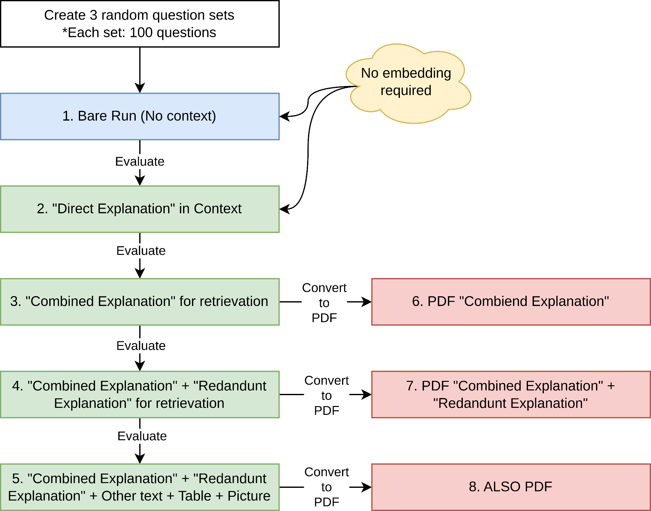
MANAGE THE TEST PARAMETERS
3 Question_Sets | Set 1 |  | Set 2 |  | Set 3 |  | Notes |  | Test Flow

Model | Category | Name |  | Expect required GPUs
 | Old Model set | Qwen-2.5-72B-Instruct |  | 4 |  |  | All models will be loaded in 8-bit quantization | Done 3/5
 |  | Llama-3.0-8B-Instruct |  | 1 |  |  |  | Done 3/5
 |  | Llama-3.1-8B-Instruct |  | 1 |  |  |  | Done 3/5
 |  | Llama-3.2-3B-Instruct |  | 1 |  |  |  | Done 3/5
 |  | Llama-3.3-70B-Instruct |  | 4 |  |  |  | Done 3/5
 | Reasoning Model | Qwen3-4B-FP8 |  | 1 | These model have to be tested with 1 sample first (before massive run) |  |  | Done 3/5
 |  | Qwen3-8B-FP8 |  | 1 |  |  |  | Done 3/5
 |  | Qwen3-14B-FP8 |  | 1 |  |  |  | Done 0/5
 |  | Qwen3-32B-FP8 |  | 1 (or 2) |  |  |  | Done 3/5
 | MoE Model | Qwen3-30B-A3B-FP8 |  | 3 (or 4) |  |  |  | Done 0/5

Embedding Models | Category | Embedding model name |  | k | Chunking | Threshold
 | Text embedding only | *gte-Qwen2-1.5B-instruct |  | 1 | Semantic chunking with 'percentile' & 'gradient' | *percentile = 95 gradient = 95 *currently using this
 |  | *multilingual-e5-large-instruct
 |  | gte-reranker-modernbert-base
 | Multimodal embedding | gme-Qwen2-VL-2B-Instruct

Abbreviation | Direct Explanation | The explanation from the question textbook is put into the corresponding question prompt directly
 | Combined Explanation | All explanation is combined into 1 text/string ==> retriever ==> documents
 | Combined + Redundant | Add other NOT RELEVANT questions' explanation into the combined original explanation text
 | Others + Table + Picture | Make the source documents more complicated
 | Miller | Run with miller textbook again (use

NOTES
1. Reasoning model may stuck at some points
2. Reasoning model may reject the context and answer on its own if it think that the context IS IRRELEVANT
 |  |  |  |  |  |  |  |  | DeepSeek-R1 | AnesBench | 0.85

 |  |  |  |  |  |  |  |  | Anesbench | https://arxiv.org/html/2504.02404v1

