Sheet1
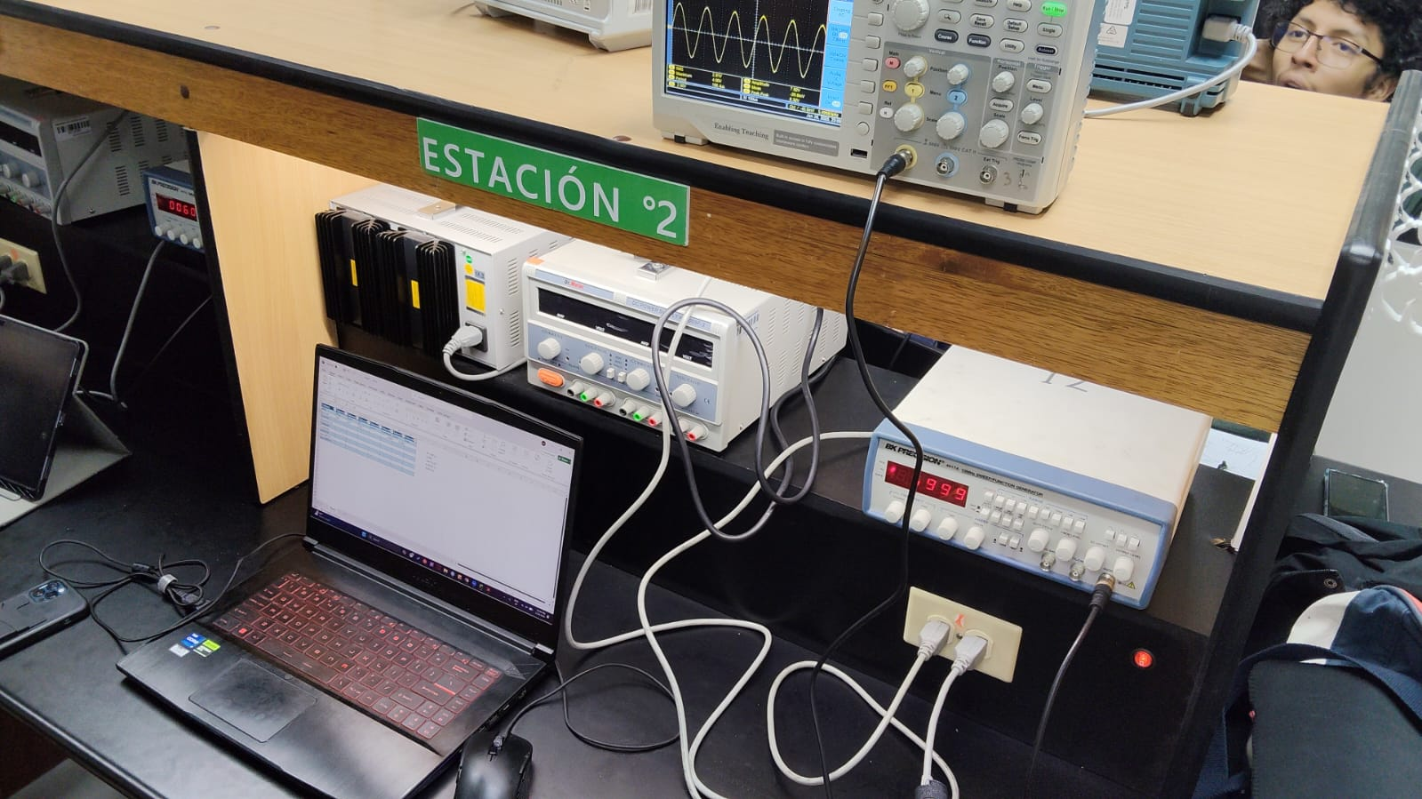
Column1 | Column2 | Column3 | Column4 | Column6 | Column7
60Hz | Pico | P a P | T | Vcd Media | Vrms
Reticula | 2x2 | 4x2 | 160 | 0.099 | 2.086 | M= 100 us
Cursores | 3.84 V | 8 V |  |  |  | 2.00V | 0.01 V
Autom[aticas | 4V | 7.92V | 166.0 us |  | 2.77v | \pm 0.1 (V)
Triangular | 4.00v | 8.2v | 17.2 ms | -0.033 | 2.29 | 0.001(V ~)
Cuadrada | 4.8 | 8.24V | 166.4us | -0.037 | 2.802 | 0.001 (V)-
Sinoidal 60Hz | 3.20V | 6.52v | 176.8 ms | 1.973V | 3.256V
Sinoidal 600 HZ | 2.86v | 10v | 1.550US | 0.139v | 3.300v
Sinoidal 6000 HZ | 5.00v | 10.1v | 166.8.us | 0.132 V | 2.559V

