Sheet2


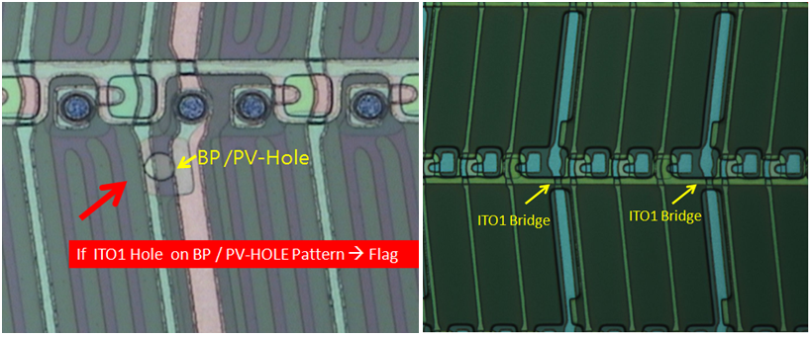
Function | defect code | 要求確認機台狀況 (mail) | 單批異常立即停機 one lot→stop machine (mail+hold)
T/F | T-Brush defect
 | T-M1-Fiber |  | 5
 | T-M1-Film Peeling
 | T-M1-Particle | 0.5 | 0.8
 | T-M1-Residue | 0.3 | 0.5
 | T-AS-M2short | 1 | 1
 | T-AS-Particle Small | 0205 : 7 0690 : 10 | YC不發MAIL YC no need send mail 0690 : 15
 | T-AS-Residue | 0205 : 2 0690 : 1 | 0205 : 7 0690 : 2
 | T-AS-SiN Hole | 1 | 1
 | T-M2-Fiber | 1 | 5
 | T-M2-Film Peeling
 | T-M2-Particle | 1 | 1.5
 | T-M2-Particle Small
 | T-M2-Residue | 0.6 | 0.8
 | T-ITO1-Hole | JY : 0713/0733/0783=15 JY : 0583/1140=1 PR : 1 其他產品 : 20 other products：20 | JY :0713/ 0733/0783=20 JY : 0583/1140=2 PR : 1.5 | T-ITO1-Hole造成M2斷線 T-ITO1-Hole which cause M2 Open By 各產品的chip數，卡單片chip數的10%→ mail +hold Depend on the different product chips , our spc is 10% of one sheet chips → mail +hold
 | T-ITO1-Residue | 2 0690 : 單片Flag 4 ea | 2 0690 : Flag 0.4 ea/sheet
 | T-M3-Particle
 | T-M3-Residue
 | T-PV-Dirt
 | T-PV-Hole | 0.8 | 1.2
 | T-PV-Particle Small
 | T-PV-Residue | 2 | 5
 | T-PV-Ring
 | T-PV-Short
 | T-PE-Hole
 | T-PE-Residue | 2 | 6
 | T-PE-Short
PH | P-Abnormal - KO-0330 |  | 6
 | P-Abnormal - JY(ITO1喬接斷) | 看到立刻停機 stop machine right now | 看到立刻停機 stop machine right now
 | P-Fiber
 | P-M1-Open | 1 | 1
 | P-M1-Residue | 1 | 1
 | P-M1-Short | 1 | 1
 | P-AS-BPADJ | 1 | 1
 | P-AS-Residue | 1 | 2
 | P-AS-NO | 單批3顆 3 ea/lot | 第2批(3顆以上)停機 2 consecutive lots second lot(>3ea),stop machine
 | P-AS-Rework Circle
 | P-M2-Open | 1 | 1
 | P-M2-Residue | 1 | 4
 | P-M2-Short | 1 | 1
 | P-ITO1-Hole | JY : 0.2 | JT : 0.4
 | P-ITO1-Residue | 2 0690 : Flag 4 ea/ sheet | 2 0690 : Flag 0.4 ea/sheet
 | P-PV-Hole | 1 | 1
 | P-PL-Hole | 1
 | P-PL-Hole Small | 5
 | P-PL-Particle | 1 | 5
 | P-PL-Peeling
 | P-PV-Residue
 | P-PV-TH-No | 1 | 2
 | P-M3-Open
 | P-M3-Residue
 | P-M3-Short
 | P-PE-Hole | Linear<25 spin>1 | Linear>25 spin>1 | Liner : CAR-06.09.12.14.15.16 Spin : CAR-01.02.03.04.05.07.08.10.11.13 CAJ-03.CAJ-04
 | P-PE-Residue | 2 | 4 PR* 1140 : 3 ea/sheet
ET | E-M1-Al Residue | 1 | 1 PR : 10 | (僅ZP.YC.ZK.UR需要停機其他Model 不用) |  |  |  | (ZP.YC.ZK.UR need stop machine, other Model no need)
 | E-M1-PR Residue | 1 | 5
 | E-AS-BPADJ | 1 | 1
 | E-AS-PR Residue | 1 | 5
 | E-AS-Residue | 1 | 5
 | E-TH-No(0380) - JM.JN.JR.LX | 1 | 2 左.右側群聚→停機 left/right side gathered→stop machine
 | E-TH-No(0690) - JM.JN.JR.LX | 1 | 2 左.右側群聚→停機 left/right side gathered→stop machine
 | E-TH-Abnormal |  | TITAN顆數大於1000 TITAN Density >1000
 | E-TH-PR Residue | 1 | 5
 | E-M2-Al Residue | 1 | 1
 | E-M2-Dirt
 | E-M2-PR Residue | 1 | 5 HH* : 4
 | E-M2-Residue | 1 YQ* : 4 YC* : 5 | 3 HH* : 2 YQ* : 5 YC* : 15
 | E-M2-Short | 1 | 1
 | E-M2-Water Mark | 單批3顆 3 ea/lot | 第2批(3顆以上)停機 second lot(>3ea)→stop machine
 | E-ITO1-Hole | JY : 0783=2 JY : 0583/1140=0.5 其他產品 : 1 other product：1 | JY : 0783=3 JY : 0583/1140=1 其它產品 : 10 other product：10
 | E-ITO1-Residue |  | 1
 | E-Moly Loss
 | E-PV-DP Hole | 1 | 2
 | E-PV-Hole(0380) - JM.JN.JR.LX | 0.2 | 0.4
 | E-PV-Hole(0690) - JM.JN.JR.LX | 0.2 | 0.4
 | E-PV-Hole | 0583.1140 : 3 | 0583.1140 : 5 CK* 2033 : 5 破洞Hole : 1
 | E-PV-PR Residue | 1 | 5
 | E-PV-TH White
 | E-PE-Hole | 0.8 | 10
 | E-PE-PR Residue | 1 | 5
 | E-PE-Residue | 0.2 | 0.2
 | E-PL-Particle
INT | I-Defect
 | I-Drain-Defect
 | I-Dust | JY : 0713=60
 | I-ESD | 1 | 1
 | I-Glass Flake | 1
 | I-Glass Issue
 | I-Glass Scratch
 | I-ITO1-Crack | 1
 | I-ITO2-Peeling
 | I-Laser Repair
 | I-M1-Abnormal
 | I-AS-Abnormal (+I-AS-Discolor) |  | 1
 | I-M2-Abnormal
 | I-M2-Crack | 0600_M2-SPT ~ 0640_M2-WMO 48 hrs ZD* 0600_M2-SPT ~ 0610_M2-IEX 24 hrs 0610_M2-IEX ~ 0640_M2-WMO 24 hrs
 | I-M2-Defect
 | I-M2-Open
 | I-MD-Defect |  | 1 只要有看到就通知EB 停機 stop machine right now
 | I-No thing
 | I-Oil Like | Follow Oil Like rule |  | I-Oil Like stop rule
 | I-PV-Discolor |  |  | Op Seq | 停機 | Op Seq | 停機
 | I-PV-Peeling |  |  | 40 | 1.5 | 805 | 3
 | I-Rework Shadow |  |  | 105 | 1.5 | 830 | 3
 | I-Sand Defect |  |  | 205 | 4 | 1025 | 3
 | I-Scratch | 1 |  | 220 | 4 | 1040 | 3
 | I-SR_Residue | 1 | 1 | 260 | 4 | 1140 | 1.5
 | I-SR_Defect |  |  | 330 | 3 | others | 1.5
 | I-SR_Dust |  |  | 605 | 3
 | I-SR_Nothing |  |  | 620 | 3
 | I-SR_Open | 1 | 1 | 713 | 1.5
 | I-Stage |  |  | 733 | 1.5
 | I-Unknow | Follow Unknow defect rule |  | 690 | 3

Sheet4
LR資料
RS99H98Y90

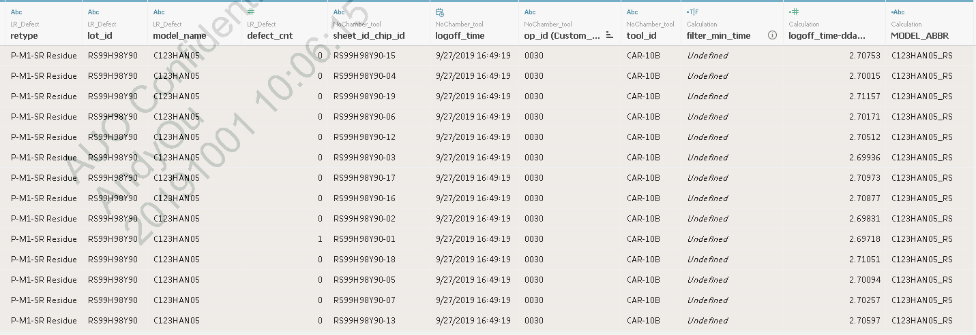
C123HAN05_RS

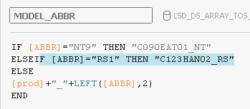

TOS資料
RS99H98Y90
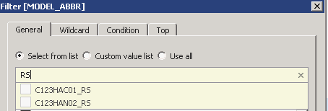
TOS | C123HAC01_RS | RS1
 | C123HAN02_RS | RS1
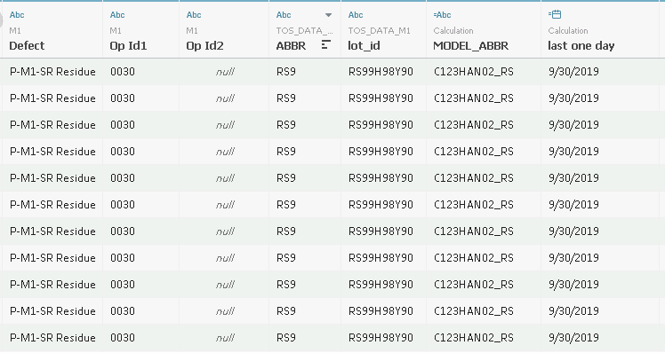

 | 共同轉成C123HAN02_RS
C123HAN02_RS

LR

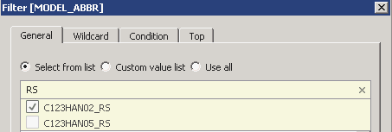

 | C123HAN02_RS | RS1
 | C123HAN05_RS | RS6 | RS9

