Table 1
Solar Inverter
Modbus Interface Definitions (V2.0)
Issue 01 Date 2020-07-28
HUAWEI TECHNOLOGIES CO., LTD.



Copyright © Huawei Technologies Co., Ltd. 2020. All rights reserved. No part of this document may be reproduced or transmitted in any form or by any means without prior written consent of Huawei Technologies Co., Ltd.
Trademarks and Permissions
and other Huawei trademarks are trademarks of Huawei Technologies Co., Ltd. All other trademarks and trade names mentioned in this document are the property of their respective holders.
Notice The purchased products, services and features are stipulated by the contract made between Huawei and the customer. All or part of the products, services and features described in this document may not be within the purchase scope or the usage scope. Unless otherwise specified in the contract, all statements, information, and recommendations in this document are provided "AS IS" without warranties, guarantees or representations of any kind, either express or implied.
The information in this document is subject to change without notice. Every effort has been made in the preparation of this document to ensure accuracy of the contents, but all statements, information, and recommendations in this document do not constitute a warranty of any kind, express or implied.
Huawei Technologies Co., Ltd. Address: Huawei Industrial Base Bantian, Longgang Shenzhen 518129 People's Republic of China Website: https://e.huawei.com
Contents
1 Supported Models 1 1.1 Model Description. 1 2 Overview. 4 2.1 Terms and Abbreviations 4 3 Register Definitions 6 4 Interface Instructions 20 4.1 Alarm Information 20 4.2 Power Grid Scheduling 24 4.2.1 Active Power Adjustment 24 4.2.1.1 Disabling Active Power Limitation 25 4.2.1.2 Communication Limit by Percentage 25 4.2.1.3 Communication Limit by Fixed Value 26 4.2.1.4 Parameter Setting by Percentage

5.2.1.3 CRC 47 5.2.2 Modbus-TCP 48 5.2.2.1 ADU Length 48 5.2.2.2 MBAP Packet Header 49 5.2.2.3 Communications Address 50 5.2.2.4 TCP Port 50 5.2.2.5 TCP Link Establishment Process 50 5.3 Application Layer. 51 5.3.1 Function Code List 51 5.3.2 Exception Code List 51 5.3.3 Reading Registers (0x03) 53 5.3.3.1 Frame Format of a Request from a Master Node

1 Supported Models
This chapter describes the solar inverter models that use the Modbus protocol and the earliest firmware version. When a host needs to connect to these solar inverters, ensure that the firmware version is correct. 1.1 Model Description 1.1 Model Description
Table 1-1 Supported models and firmware versions
Model | Mo del ID | Earliest Firm Version | Pmax (kW) | Qmax (kVar) | Smax (kVA) | Pn (kW) | Num ber of PV Strin gs
SUN2000-8KTL | 5 | SUN2000 V100R001C81 | 8.8 | 5.28 | 8.8 | 8 | 4
SUN2000-10KTL | 4 | SUN2000 V100R001C81 | 11 | 6.6 | 11 | 10 | 4
SUN2000-12KTL | 3 | SUN2000 V100R001C81 | 13.2 | 7.92 | 13.2 | 12 | 4
SUN2000-15KTL | 2 | SUN2000 V100R001C81 | 16.5 | 9.9 | 16.5 | 15 | 6
SUN2000-17KTL | 1 | SUN2000 V100R001C81 | 18.7 | 11.22 | 18.7 | 17 | 6
SUN2000-20KTL | 0 | SUN2000 V100R001C81 | 22 | 13.2 | 22 | 20 | 6
SUN2000-22KTL-US | 25 | SUN2000 V200R001C02 | 22.2 | 14.64 | 24.4 | 22.2 | 6
SUN2000-23KTL | 17 | SUN2000 V100R001C81 | 23 | 13.8 | 23 | 23 | 6
SUN2000-24.5KTL | 16 | SUN2000 V100R001C81 | 24.5 | 14.7 | 24.5 | 24.5 | 6
SUN2000-24.7KTL- JP | 32 | SUN2000 V200R002C00 | 24.7 | 15 | 25 | 24.7 | 8
SUN2000-25KTL-US | 21 | SUN2000 V200R001C02 | 25 | 16.5 | 27.5 | 25 | 6
SUN2000-28KTL | 18 | SUN2000 V100R001C81 | 27.5 | 16.5 | 27.5 | 27.5 | 6
SUN2000-29.9KTL | 60 | SUN2000 V200R002C00 | 29.9 | 17.94 | 29.9 | 29.9 | 8
SUN2000-30KTL-US | 22 | SUN2000 V200R001C02 | 30 | 19.8 | 33 | 30 | 6
SUN2000-30KTL-A | 23 | SUN2000 V200R001C90 | 30 | 19.8 | 33 | 30 | 6
SUN2000-33KTL | 19 | SUN2000 V200R001C90 | 33 | 19.8 | 33 | 30 | 6
SUN2000-33KTL-A | 43 | SUN2000 V200R002C00 | 33 | 19.8 | 33 | 30 | 8
SUN2000-33KTL- E001 | 44 | SUN2000 V200R001C90 | 30 | 19.8 | 33 | 30 | 6
SUN2000-33KTL-JP | 28 | SUN2000 V200R002C00 | 33.3 | 22.8 | 38 | 33.3 | 8
SUN2000-33KTL-US | 36 | SUN2000 V200R002C20 | 36.6 | 21.96 | 36.6 | 33.3 | 8
SUN2000-40KTL | 20 | SUN2000 V200R001C90 | 40 | 24 | 40 | 36 | 6
SUN2000-36KTL | 27 | SUN2000 V200R002C00 | 40 | 24 | 40 | 36 | 8
SUN2000-36KTL-US | 37 | SUN2000 V200R002C20 | 40 | 24 | 40 | 36 | 8
SUN2000-40KTL-JP | 29 | SUN2000 V200R002C00 | 40 | 27.6 | 46 | 40 | 8
SUN2000-40KTL-US | 35 | SUN2000 V200R002C20 | 44 | 26.4 | 44 | 40 | 8
SUN2000-42KTL | 26 | SUN2000 V200R002C00 | 47 | 28.2 | 47 | 42 | 8
SUN2000-43KTL- IN-C1 | 31 | SUN2000 V200R002C00 | 52.5 | 31.5 | 52.5 | 43 | 8
SUN2000-45KTL- US-HV-D0 | 34 | SUN2000HA V100R001C00 | 50 | 30 | 50 | 45 | 8
SUN2000-50KTL | 30 | SUN2000 V200R002C00 | 50.5 | 30.3 | 50.5 | 46 | 8
SUN2000-50KTL-C1 | 24 | SUN2000 V200R002C00 | 52.5 | 31.5 | 52.5 | 47.5 | 8
SUN2000-55KTL- HV-D1 | 38 | SUN2000HA V100R001C00 | 60 | 36 | 60 | 55 | 8
SUN2000-55KTL- IN-HV-D1 | 39 | SUN2000HA V100R001C00 | 66 | 39.6 | 66 | 55 | 8
SUN2000-55KTL- HV-D1-001 | 40 | SUN2000HA V100R001C00 | 66 | 39.6 | 66 | 55 | 8
SUN2000-60KTL- HV-D1 | 33 | SUN2000HA V100R001C00 | 66 | 39.6 | 66 | 60 | 8
SUN2000-60KTL- HV-D1-001 | 41 | SUN2000HA V100R001C00 | 66 | 39.6 | 66 | 60 | 8
NOTE The maximum active power (Pmax), maximum reactive power (Qmax), maximum apparent power (Smax), and rated power (Pn) of each model are for reference only. For details, see the corresponding model specifications.

Table 16
Table 5-2 MBAP definition
Data Field | Length (Byte) | Description | Client | Server
Transmission | 2 | Matching | Assigned by | The identifier
identifier |  | identifier | the client; | of the
 |  | between a | better be | response
 |  | request frame | unique for | frame from
 |  | and a | each data | the server
 |  | response | frame | must be
 |  | frame |  | consistent
 |  |  |  | with that of
 |  |  |  | the request
 |  |  |  | frame.
Protocol type | 2 | 0 = Modbus | Assigned by | The identifier
 |  | protocol | the client; 0 | of the
 |  |  | by default | response
 |  |  |  | frame from
 |  |  |  | the server
 |  |  |  | must be
 |  |  |  | consistent
 |  |  |  | with that of
 |  |  |  | the request
 |  |  |  | frame.
Data length | 2 | Follow-up | Assigned by | Assigned by
 |  | data length | the client | the server
 |  |  | based on the | based on the
 |  |  | actual data | actual frame
 |  |  | frame | length
Logical device | 1 | 0 | Assigned by | The identifier
ID |  |  | the client | of the
 |  |  | based on the | response
 |  |  | actual data | frame from
 |  |  | frame request | the server
 |  |  |  | must be
 |  |  |  | consistent
 |  |  |  | with that of
 |  |  |  | the request
 |  |  |  | frame.
5.2.2.3 Communications Address Based on the TCP communications host, unit 0 is used by default to access the directly connected slave node, and other addresses are used to access the downstream devices of the slave node. The default address of the slave node is 0. The address is adjustable.
Figure 5-5 Communications address of the three-layer object structure
5.2.2.4 TCP Port In a local area network or VPN environment, the master node may actively initiate TCP socket link establishment to the slave node. The master node can use the 502 port to request data services from the slave node. In a non-VPN environment across the public network, the device deployed on the internal network needs to initiate TCP socket link establishment to the master node exposed on the public network. In this case, you need to preset the fixed access port number of the master node on the slave node. To ensure security and reduce traffic, the master node must provide at least one encrypted port and one non-encrypted port.
5.2.2.5 TCP Link Establishment Process This section focuses on the cross-public network application. The following figure shows the process of connecting a slave node.
 | 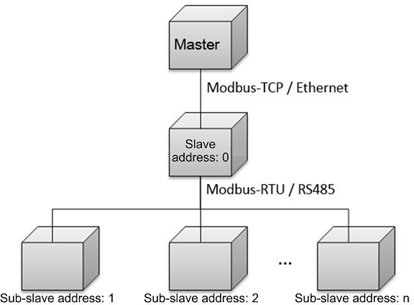

Table 17
Figure 5-6 Process of establishing a secure TCP connection
5.3 Application Layer 5.3.1 Function Code List
Table 5-3 Function code list
Function Code | Description | Remarks
0x03 | Read registers. | Continuously reads a single register or multiple registers.
0x06 | Write a single register. | Writes into a single register.
0x10 | Write multiple registers. | Continuously writes into multiple registers.
5.3.2 Exception Code List The exception codes must be unique for each network element (NE) type. The names and descriptions should be provided in both the Chinese and English NE
 | 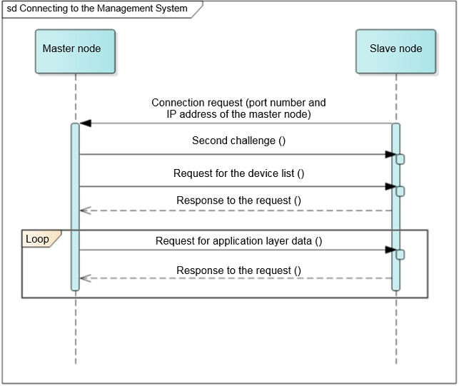
interface document. Different versions of the same NE type must be backward compatible. Exception codes in use cannot be assigned to other exceptions.

Table 31
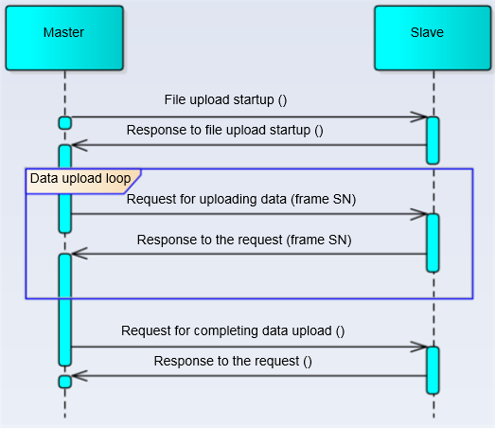
Figure 5-7 File uploading process
5.3.7.1.1 Starting the Upload Frame format of a request from a master node
Table 5-15 PDU data field of the request frame for starting upload (0x05)

PDU Data Field | Length (Byte) | Description
Function code | 1 | 0x41
Sub- function code | 1 | 0x05
Data length | 1 | 1 + N
File type | 1 | Unique ID of a file
Customi zed data | N | -

