Summary
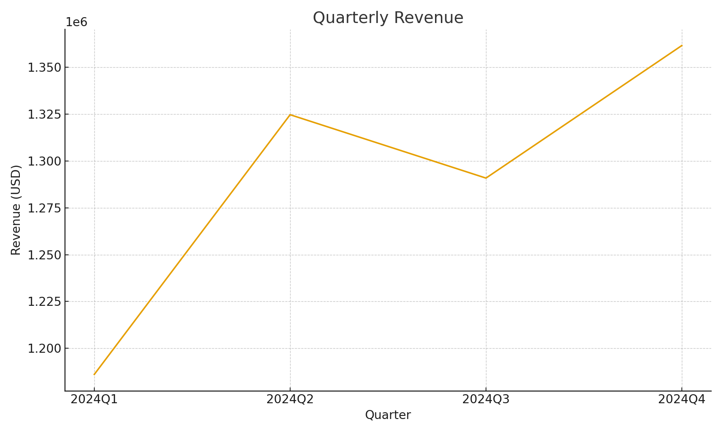
Summary note: Quarterly KPIs with cross-sheet formulas
Quarter | Total Revenue (SUMIFS) | Total Expenses (SUMIFS) | Gross Margin | GM %
Q1 2024 | 1966567.3027 | 1016549.374 | 950017.92868 | 0.48308437111
Q2 2024 | 2176251.1699 | 1105714.174 | 1070536.9958 | 0.49191794158
Q3 2024 | 2127801.0699 | 1185310.9009 | 942490.16893 | 0.44294092257
Q4 2024 | 1361664.9192 | 630282.94505 | 731381.97415 | 0.53712331414

 |  |  |  |  | Summary_image_001 – Line chart of quarterly revenue

