Dept_Summary
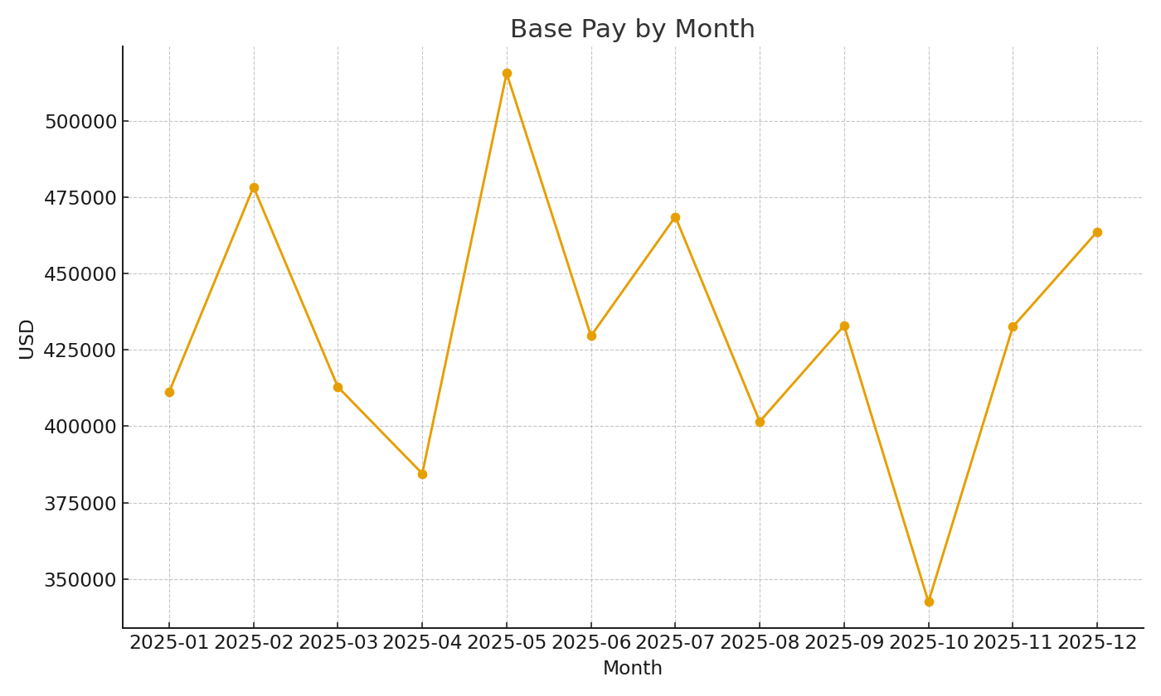
Note: Department summary with cross-sheet SUMIFS.
Department | BaseUSD | BonusUSD | BenefitsUSD | TotalUSD
Sales | $1,313,305.52 | $117,207.78 | $157,659.53 | $1,945,801.12
Engineering | $1,711,021.16 | $139,005.87 | $193,815.17 | $2,506,348.87
Operations | $1,107,021.00 | $91,160.56 | $124,338.93 | $1,622,065.88
Finance | $536,758.53 | $42,577.19 | $62,075.15 | $786,244.78
HR | $506,084.44 | $46,314.89 | $56,747.81 | $747,246.98

 |  |  |  |  | Payroll_image_001 – Line chart of base pay by month.

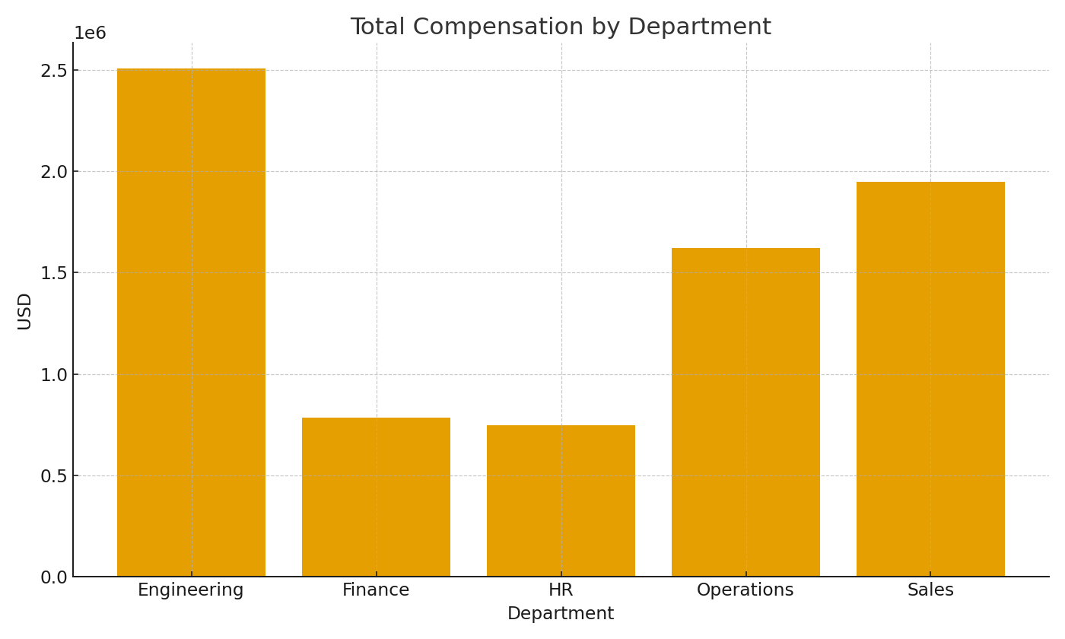

 |  |  |  |  | Payroll_image_002 – Department total compensation.

