Category_Summary
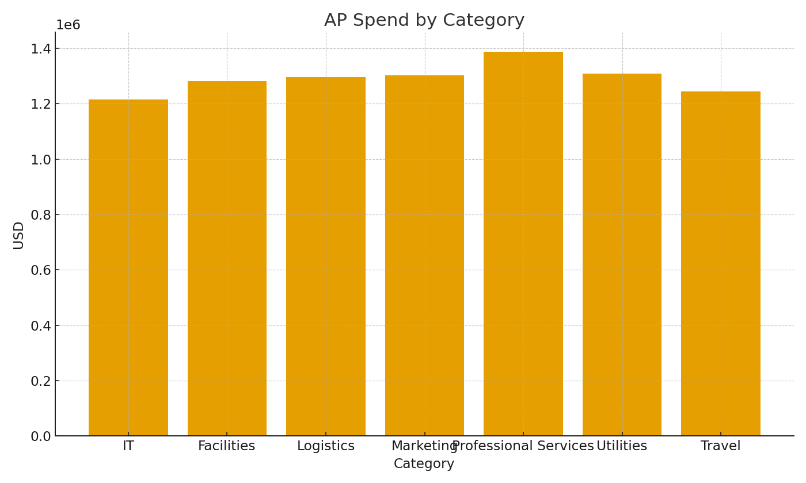
Note: Category summary with cross-sheet formulas.
Category | InvoiceUSD | PaidUSD | OpenUSD
IT | $1,215,273.07 | $5,036.21 | $1,210,236.86
Facilities | $1,280,654.08 | $3,154.01 | $1,277,500.07
Logistics | $1,295,988.68 | $3,406.89 | $1,292,581.79
Marketing | $1,301,601.53 | $0.00 | $1,301,601.53
Professional Services | $1,387,579.57 | $4,130.06 | $1,383,449.51
Utilities | $1,309,097.27 | $2,357.49 | $1,306,739.78
Travel | $1,244,816.84 | $3,314.81 | $1,241,502.03

 |  |  |  | AP_image_001 – Category spend bar chart.

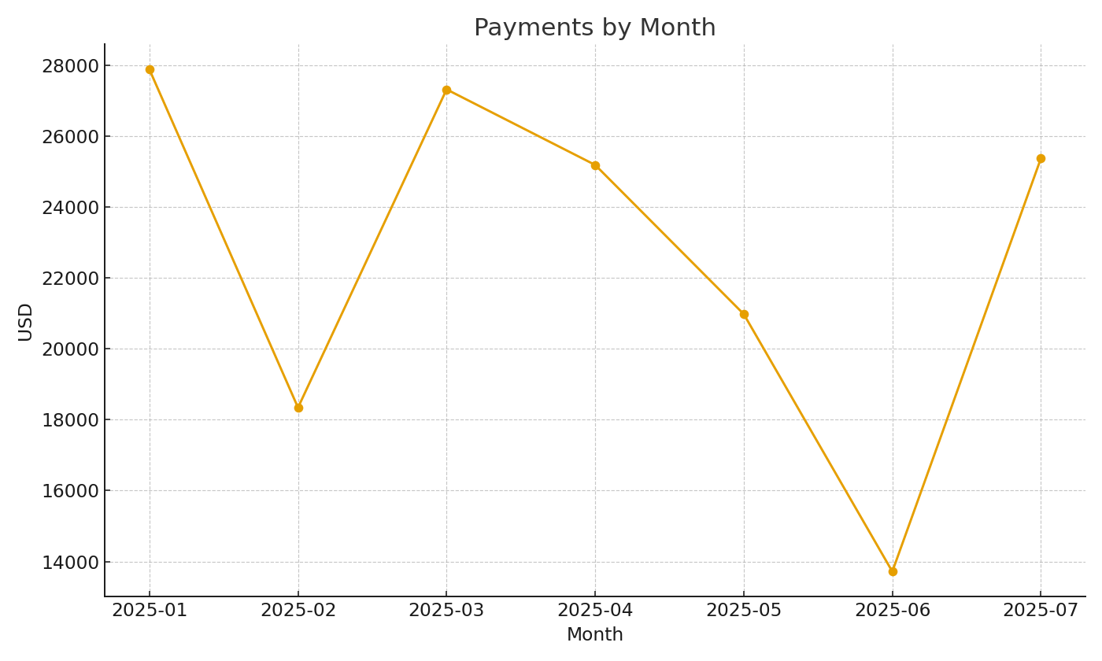

 |  |  |  | AP_image_002 – Monthly payments trend.

