Channel_Summary
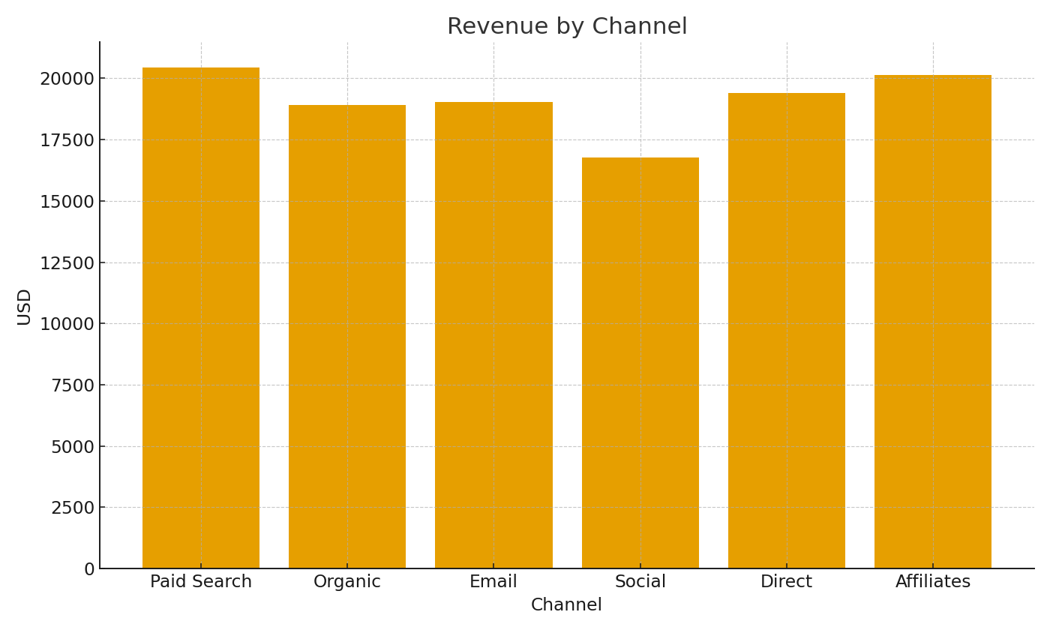
Note: Channel summary with cross-sheet formulas.
Channel | Sessions | Orders | ConvRate | RevenueUSD
Paid Search | 68,396 | 210 | 0.31% | $20,446.32
Organic | 59,661 | 204 | 0.34% | $18,920.89
Email | 36,278 | 183 | 0.50% | $19,043.03
Social | 37,950 | 180 | 0.47% | $16,781.71
Direct | 23,445 | 215 | 0.92% | $19,410.73
Affiliates | 13,868 | 208 | 1.50% | $20,126.53

 |  |  |  |  | Ecom_image_001 – Revenue by channel.

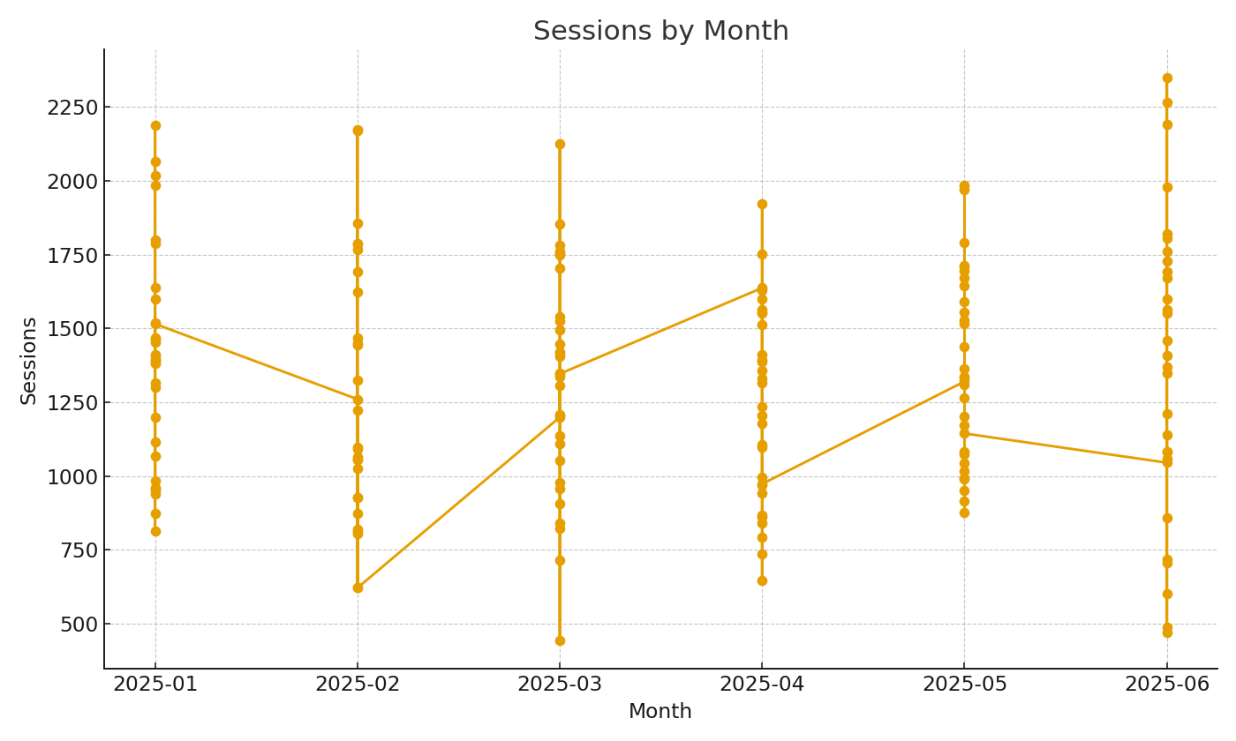

 |  |  |  |  | Ecom_image_002 – Sessions trend by month.

