CF_Summary
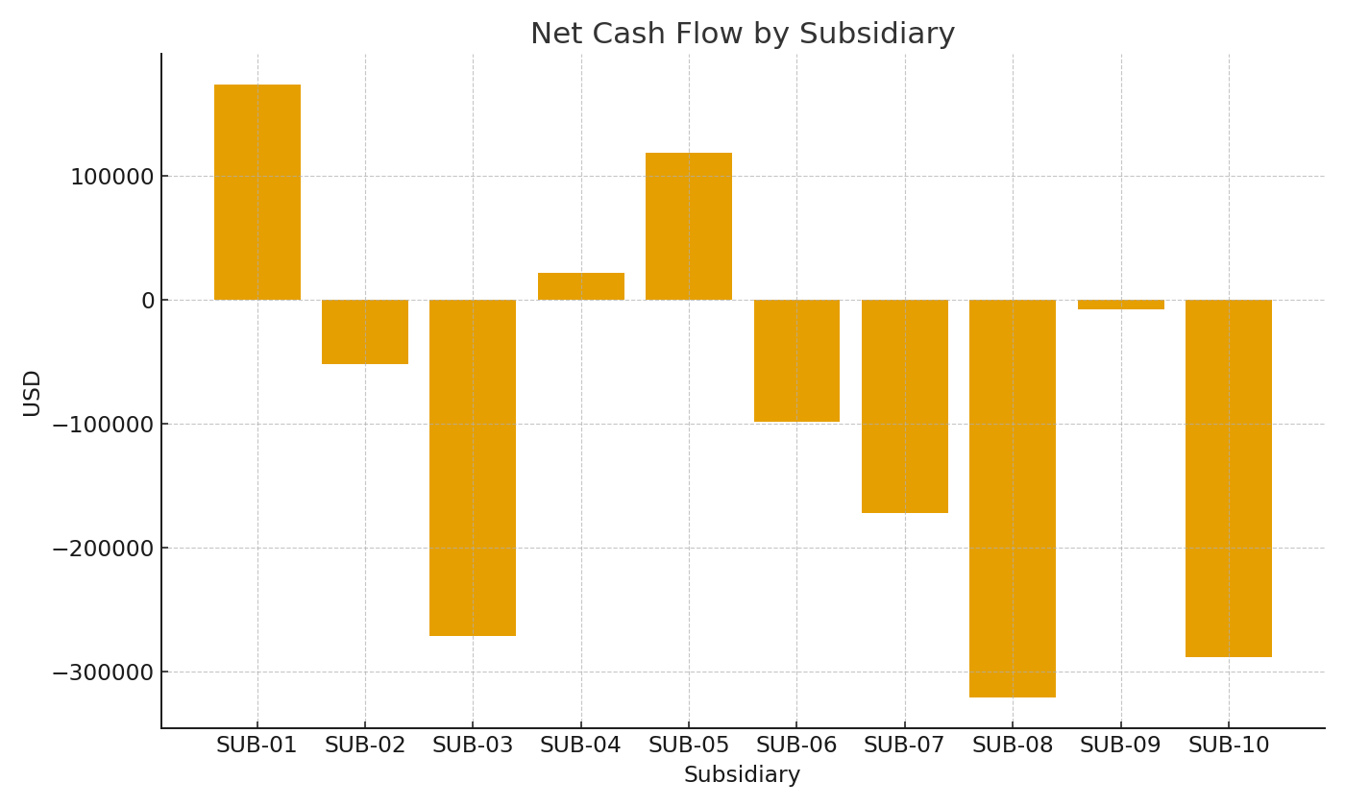
Note: Consolidated cash flow by subsidiary using SUMIFS.
Subsidiary | OpUSD | InvUSD | FinUSD | NetUSD
SUB-01 | $192,769.23 | -$133,701.80 | $114,063.49 | $173,130.92
SUB-02 | $50,622.87 | -$5,930.87 | -$96,550.96 | -$51,858.96
SUB-03 | -$144,206.65 | -$55,392.20 | -$72,019.69 | -$271,618.54
SUB-04 | -$16,249.60 | -$7,282.67 | $45,262.48 | $21,730.21
SUB-05 | $162,295.49 | $11,147.45 | -$55,239.11 | $118,203.83
SUB-06 | $12,197.23 | -$40,171.79 | -$70,593.39 | -$98,567.95
SUB-07 | -$220,550.47 | -$26,400.80 | $74,453.30 | -$172,497.97
SUB-08 | -$167,454.87 | -$124,311.74 | -$29,604.08 | -$321,370.69
SUB-09 | -$118,940.19 | $62,661.87 | $48,679.89 | -$7,598.43
SUB-10 | -$80,682.76 | -$17,096.14 | -$190,727.08 | -$288,505.98

 |  |  |  |  | CF_image_001 – Net cash flow by subsidiary.

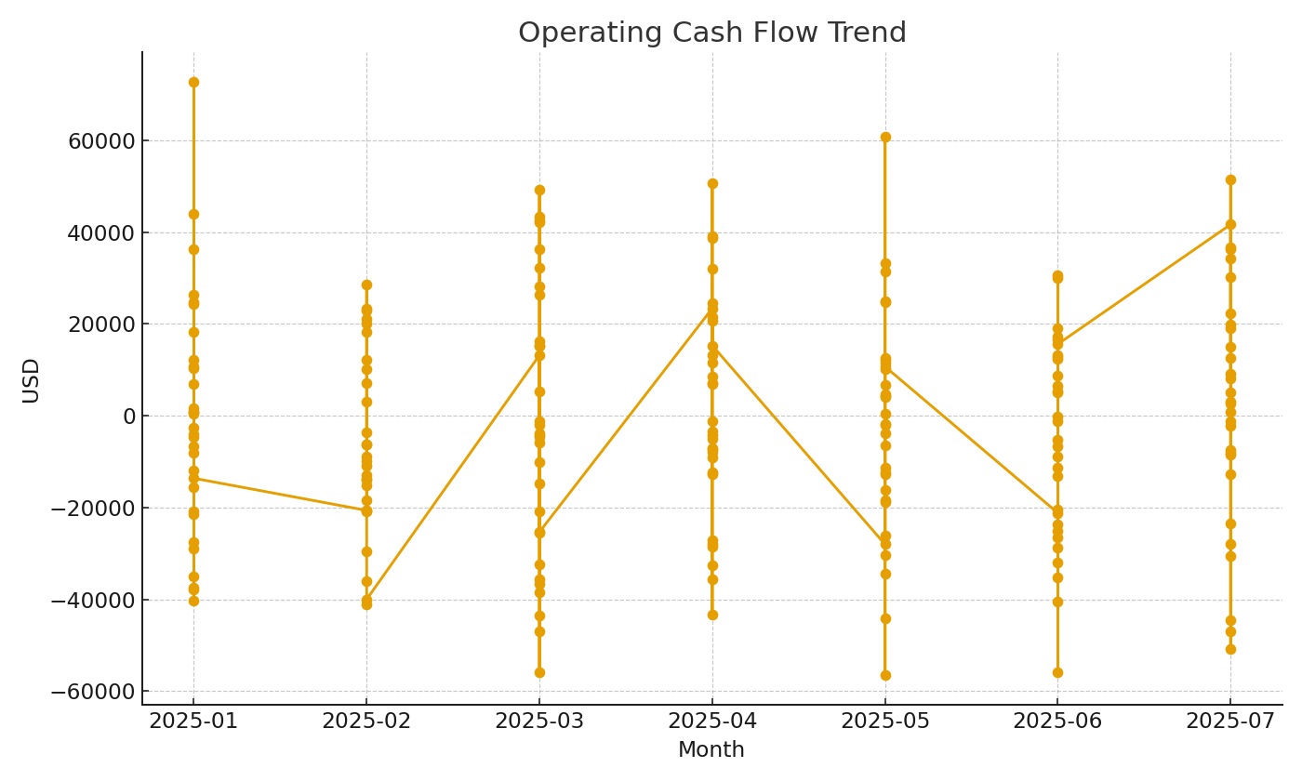

 |  |  |  |  | CF_image_002 – Operating cash flow trend.

