Payer_Summary
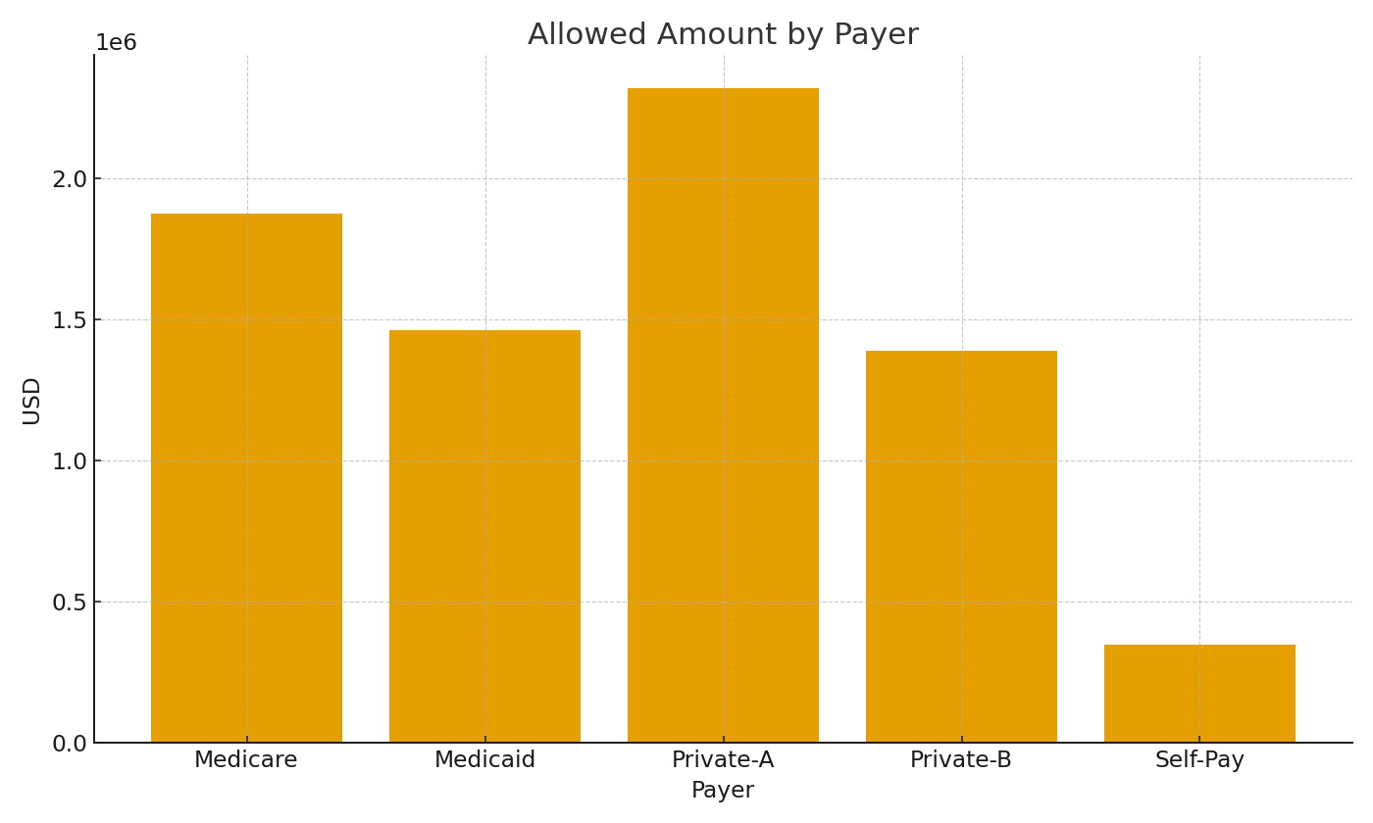
Note: Payer summary with cross-sheet formulas.
Payer | TotalChargesUSD | TotalAllowedUSD | PaymentsUSD
Medicare | $2,415,703.06 | $1,873,662.17 | $365,880.24
Medicaid | $1,885,859.13 | $1,461,117.01 | $373,078.19
Private-A | $2,981,743.14 | $2,319,622.60 | $332,731.50
Private-B | $1,796,604.88 | $1,388,957.44 | $345,971.38
Self-Pay | $452,540.07 | $348,173.13 | $339,154.09

 |  |  |  | HC_image_001 – Allowed amount by payer.

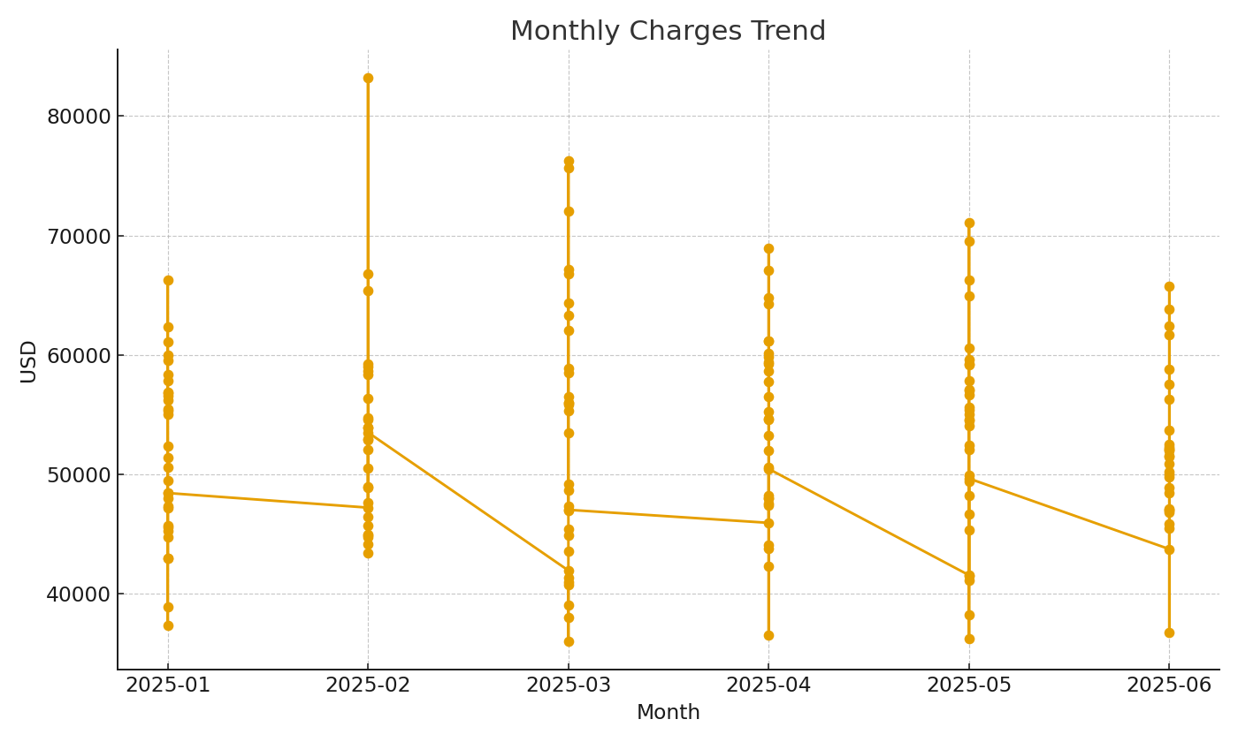

 |  |  |  | HC_image_002 – Monthly charges trend.

