Plant_Summary
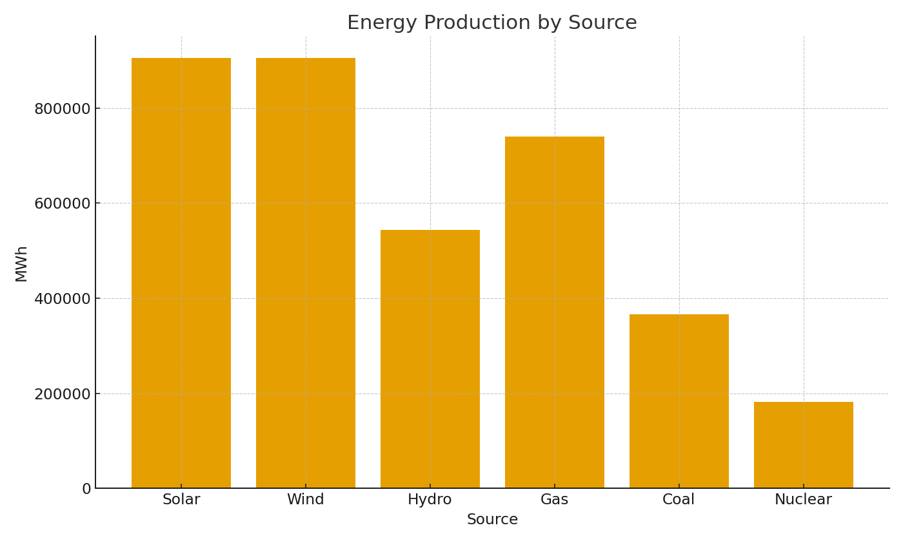
Note: Summary by plant with cross-sheet formulas.
Plant | TotalMWh | AvgCapacityMW | OutageHours
PLANT-001 | 307,247 | 125.28 | 1,342.93
PLANT-002 | 300,266 | 124.56 | 1,353.41
PLANT-003 | 311,248 | 124.75 | 1,264.71
PLANT-004 | 307,771 | 125.78 | 1,368.87
PLANT-005 | 297,773 | 124.60 | 1,265.93
PLANT-006 | 305,808 | 126.09 | 1,459.49
PLANT-007 | 302,970 | 124.53 | 1,200.12
PLANT-008 | 309,017 | 124.54 | 1,175.87
PLANT-009 | 301,744 | 126.30 | 1,326.81
PLANT-010 | 298,234 | 124.97 | 1,344.42
PLANT-011 | 299,105 | 124.64 | 1,242.57
PLANT-012 | 301,411 | 124.52 | 1,335.96

 |  |  |  | Energy_image_001 – MWh by source.

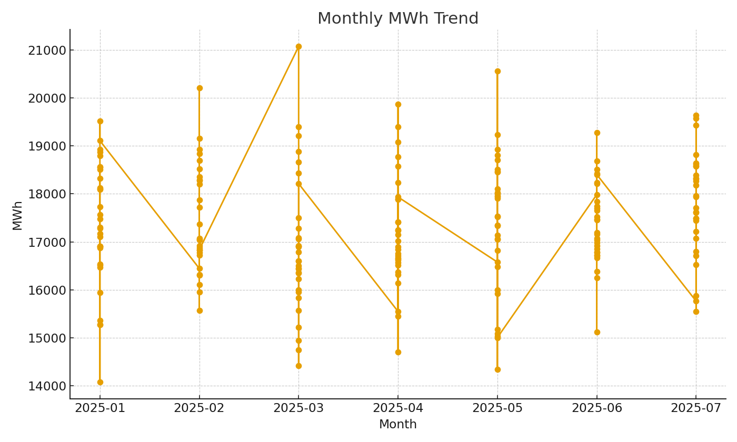

 |  |  |  | Energy_image_002 – Monthly MWh trend.

