Agency_Summary
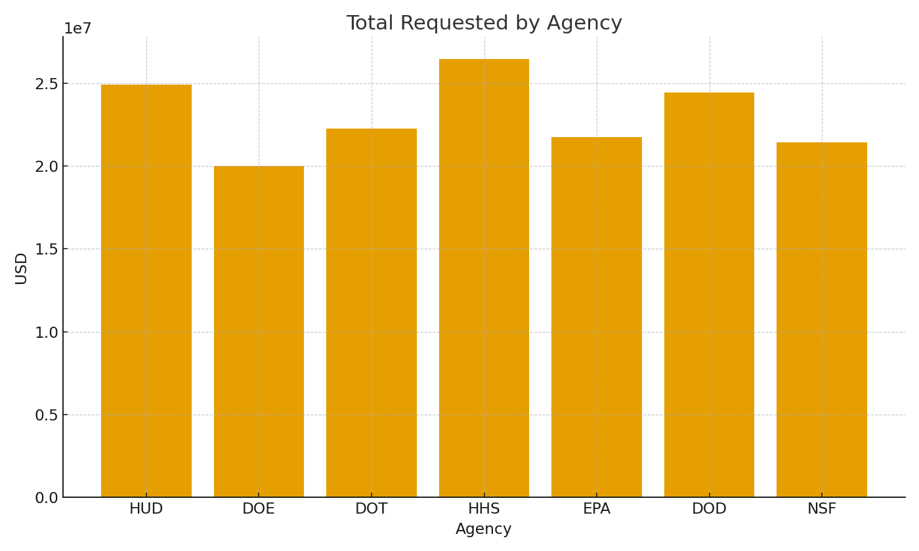
Note: Agency summary with cross-sheet formulas.
Agency | RequestsUSD | AwardsUSD | WinRate
HUD | $24,900,624.83 | $6,617,282.34 | 26.6%
DOE | $20,016,665.96 | $6,108,862.76 | 30.5%
DOT | $22,254,676.47 | $8,355,323.63 | 37.5%
HHS | $26,453,907.48 | $8,613,279.62 | 32.6%
EPA | $21,738,143.26 | $7,846,733.68 | 36.1%
DOD | $24,447,552.46 | $9,935,754.01 | 40.6%
NSF | $21,419,601.82 | $10,902,038.82 | 50.9%

 |  |  |  | Grants_image_001 – Requested amounts by agency.

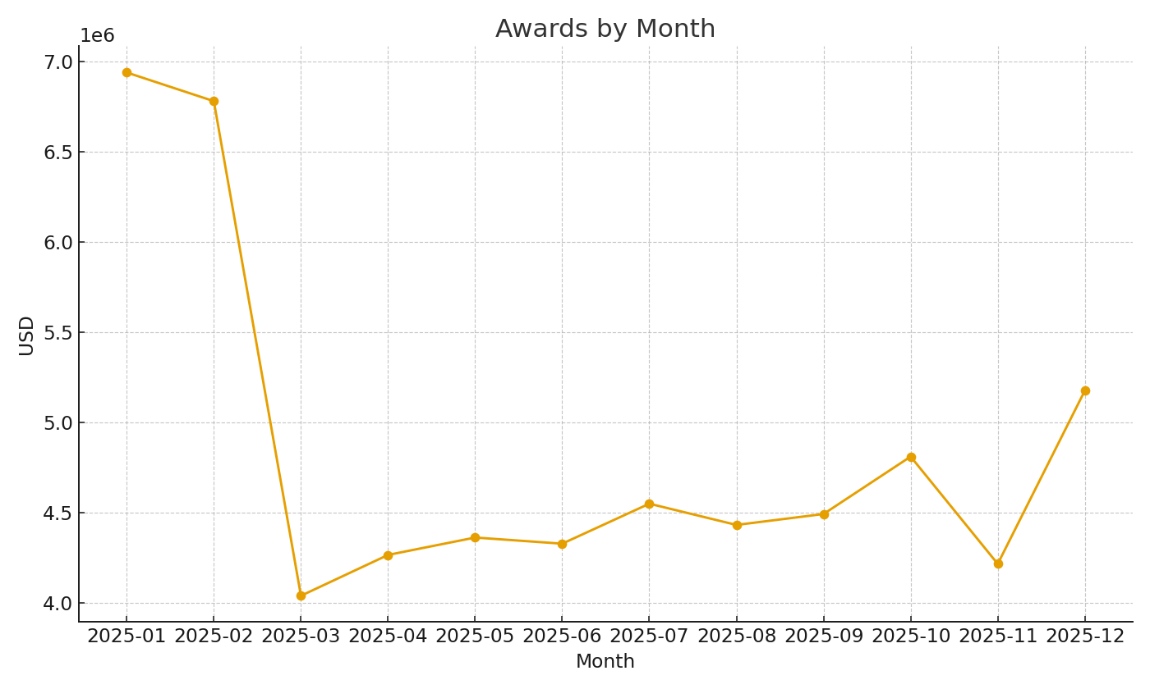

 |  |  |  | Grants_image_002 – Awards by month.

