Campaign_Summary
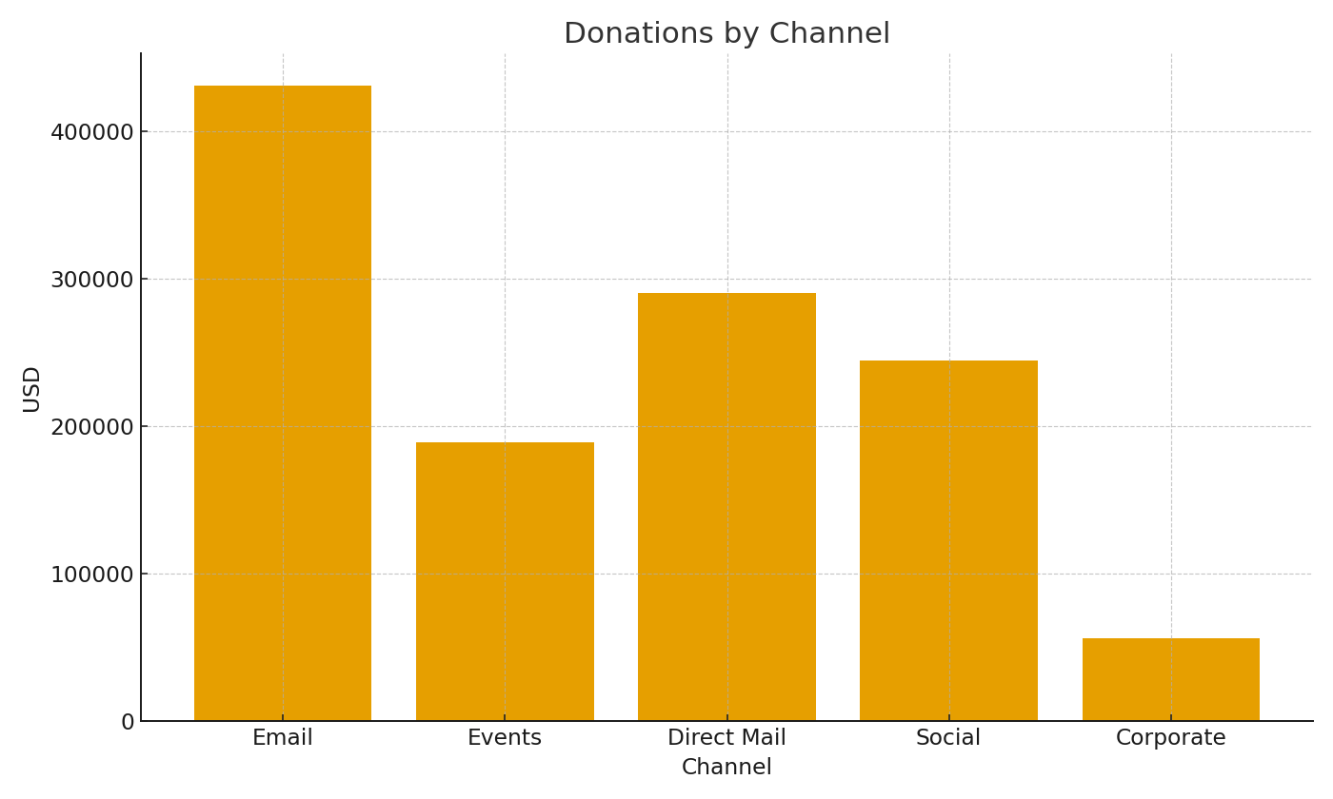
Note: Campaign summary with cross-sheet formulas.
Campaign | GiftsUSD | PledgesUSD | TotalUSD
CMP-001 | $21,745.39 | $6,634.46 | $28,379.85
CMP-002 | $19,574.37 | $4,830.32 | $24,404.69
CMP-003 | $18,857.70 | $4,463.42 | $23,321.12
CMP-004 | $20,326.25 | $7,726.44 | $28,052.69
CMP-005 | $19,657.98 | $9,343.44 | $29,001.42
CMP-006 | $18,601.13 | $5,309.03 | $23,910.16
CMP-007 | $19,294.82 | $6,855.16 | $26,149.98
CMP-008 | $21,503.65 | $5,771.04 | $27,274.69
CMP-009 | $21,062.93 | $5,736.52 | $26,799.45
CMP-010 | $20,438.47 | $6,542.12 | $26,980.59
CMP-011 | $17,867.86 | $7,120.97 | $24,988.83
CMP-012 | $19,449.83 | $6,640.04 | $26,089.87
CMP-013 | $18,438.76 | $5,602.55 | $24,041.31
CMP-014 | $20,589.14 | $6,150.65 | $26,739.79
CMP-015 | $21,852.42 | $4,088.64 | $25,941.06
CMP-016 | $19,354.05 | $6,538.25 | $25,892.30
CMP-017 | $16,773.27 | $5,301.22 | $22,074.49 | NP_image_001 – Donations by channel.
CMP-018 | $19,616.21 | $6,479.63 | $26,095.84
CMP-019 | $20,013.79 | $3,310.63 | $23,324.42
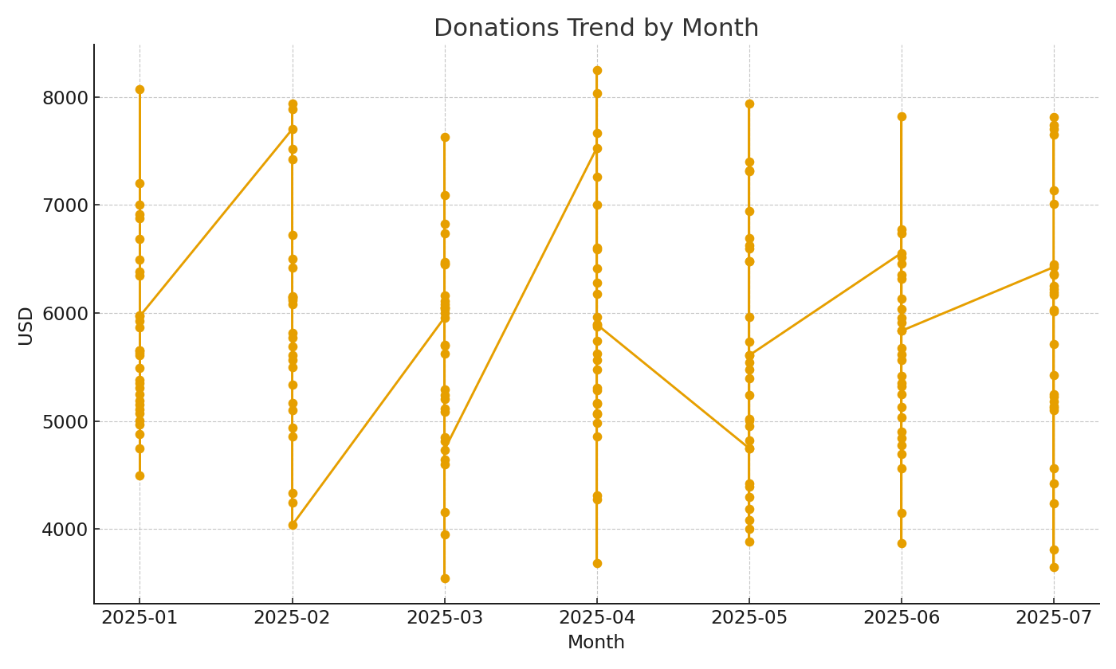
CMP-020 | $22,725.22 | $5,532.26 | $28,257.48

 |  |  |  | NP_image_002 – Monthly donations trend.

