Plan_Summary
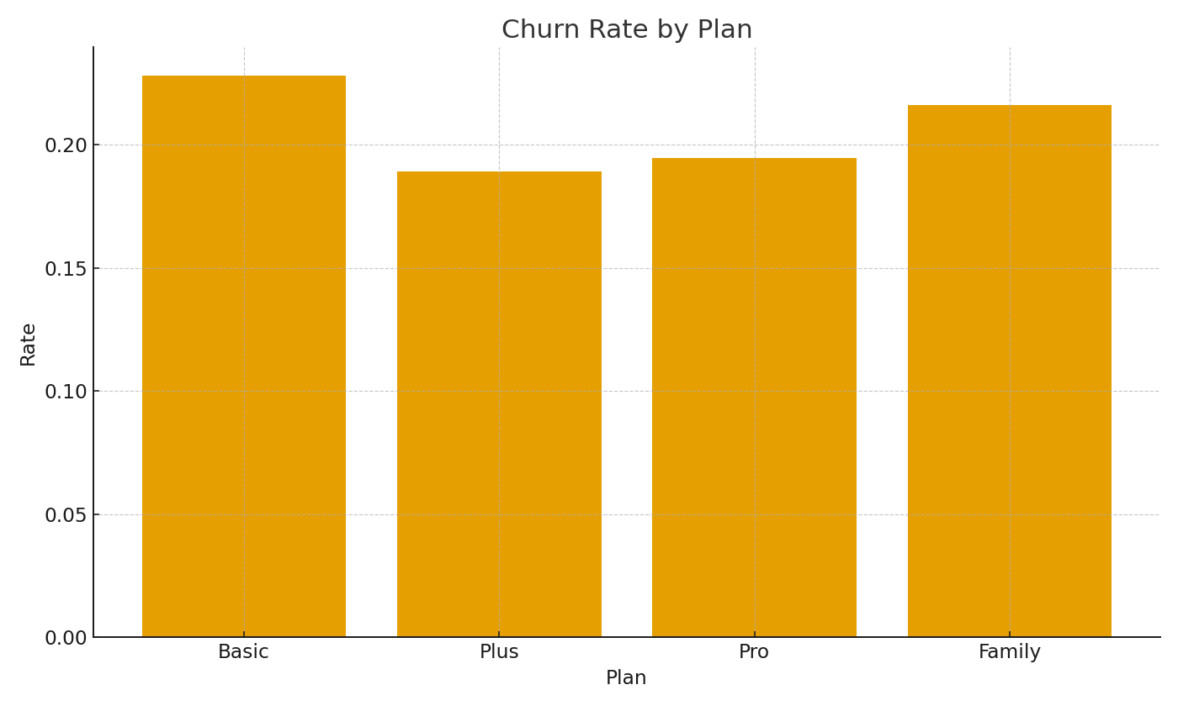
Note: Summary by plan with cross-sheet formulas.
Plan | Subs | ChurnRate | ARPUUSD
Basic | 377 | 22.8% | $60.85
Plus | 291 | 18.9% | $60.95
Pro | 221 | 19.5% | $60.59
Family | 111 | 21.6% | $60.02

 |  |  |  | Telco_image_001 – Churn rate by plan.

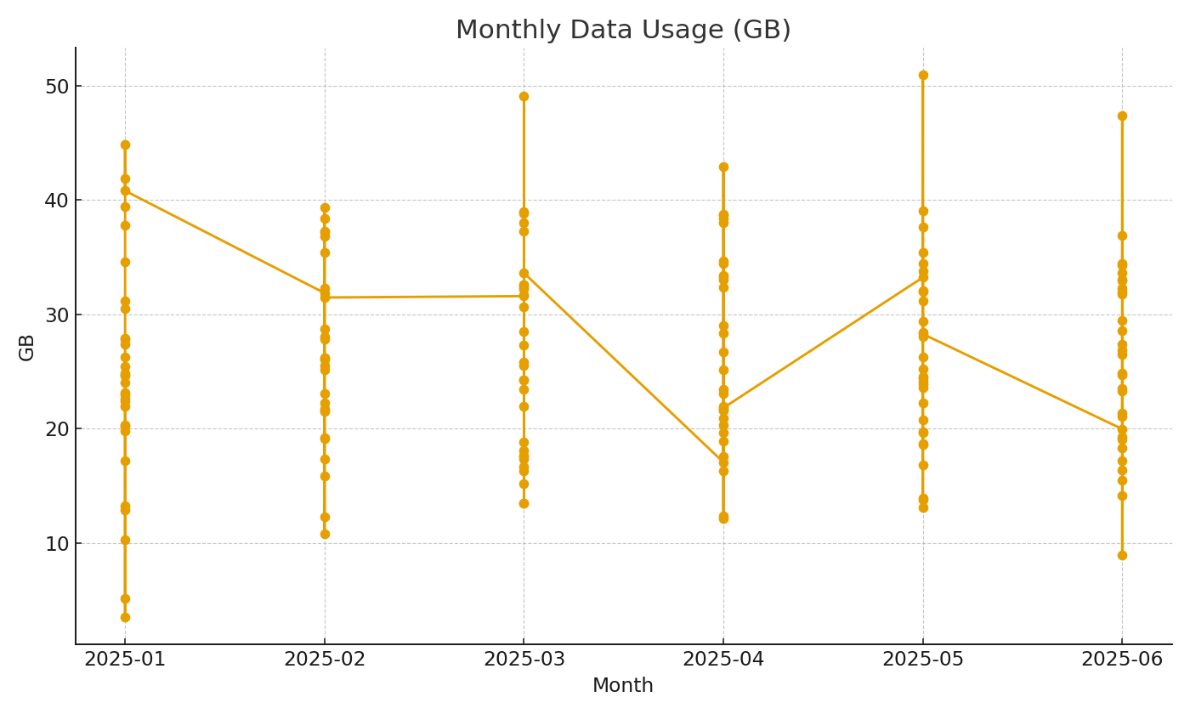

 |  |  |  | Telco_image_002 – Monthly GB usage trend.

