Route_Summary
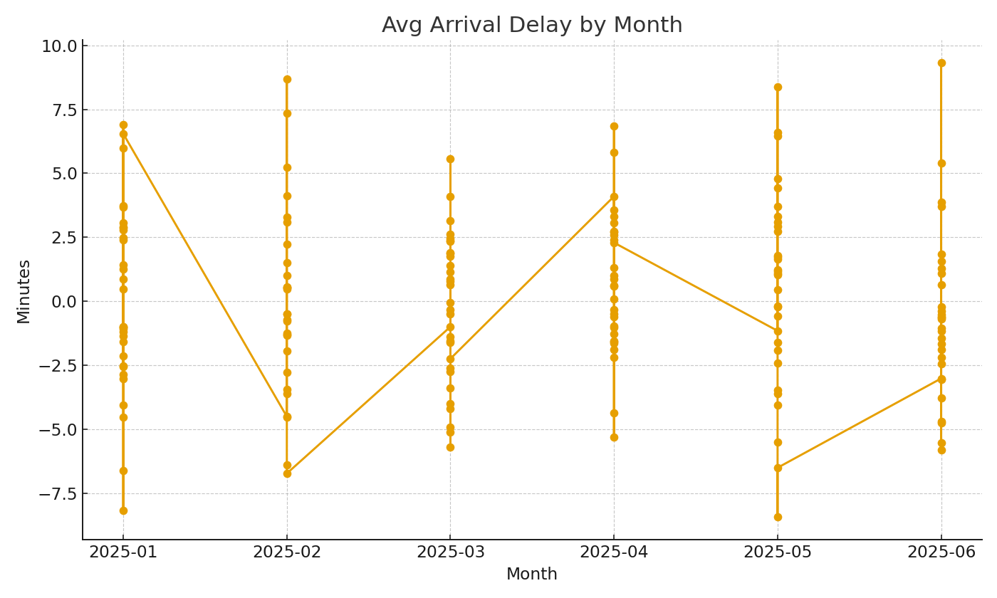
Note: Summary by route with cross-sheet formulas.
Route | Flights | AvgArrDelayMin | Passengers
RT-0001 | 33 | -4.5 | 4,426
RT-0002 | 22 | 6.1 | 2,765
RT-0003 | 28 | 8.1 | 3,712
RT-0004 | 20 | 2.0 | 2,827
RT-0005 | 23 | -3.3 | 3,249
RT-0006 | 25 | 1.0 | 3,792
RT-0007 | 23 | -3.8 | 3,271
RT-0008 | 23 | -5.4 | 3,218
RT-0009 | 26 | -8.2 | 3,964
RT-0010 | 22 | 3.9 | 3,046
RT-0011 | 32 | -2.5 | 4,400
RT-0012 | 24 | 1.1 | 3,030
RT-0013 | 26 | 7.0 | 3,999
RT-0014 | 21 | -6.4 | 2,914
RT-0015 | 28 | 3.1 | 4,122
RT-0016 | 22 | 0.2 | 2,881
RT-0017 | 28 | 1.1 | 4,082 | Air_image_001 – Avg arrival delay by month.
RT-0018 | 25 | -3.4 | 3,674
RT-0019 | 33 | 4.9 | 4,619
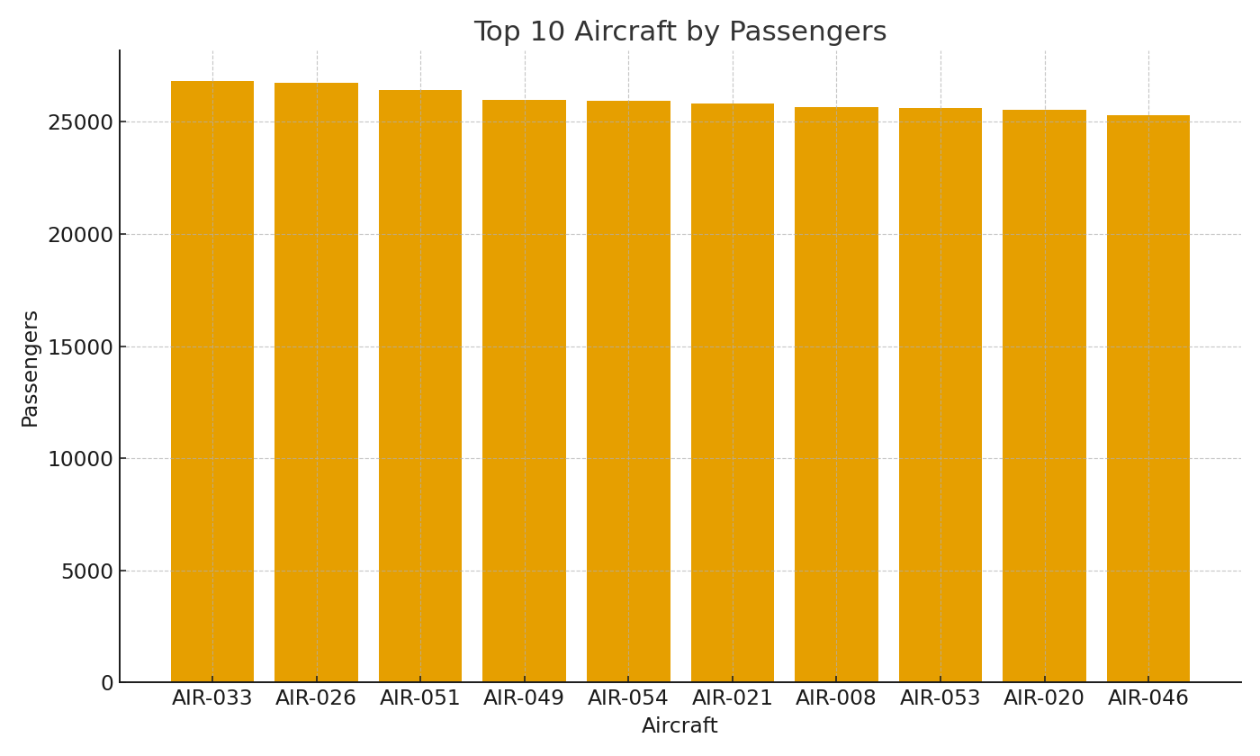
RT-0020 | 23 | 9.8 | 3,356
RT-0021 | 32 | -5.1 | 4,464
RT-0022 | 20 | 9.1 | 2,928
RT-0023 | 21 | -3.3 | 2,846
RT-0024 | 21 | -9.2 | 3,179
RT-0025 | 29 | 5.3 | 3,876
RT-0026 | 26 | -3.8 | 3,363
RT-0027 | 24 | 13.7 | 3,423
RT-0028 | 34 | 2.6 | 4,988
RT-0029 | 31 | -5.8 | 3,900
RT-0030 | 24 | -11.0 | 3,428
RT-0031 | 29 | -4.0 | 4,124
RT-0032 | 24 | -13.1 | 3,307
RT-0033 | 24 | -9.8 | 3,629
RT-0034 | 27 | 11.7 | 3,599
RT-0035 | 29 | -5.2 | 3,938
RT-0036 | 25 | 8.7 | 3,547 | Air_image_002 – Top aircraft by passenger volume.
RT-0037 | 23 | -6.9 | 2,994
RT-0038 | 19 | -1.6 | 2,891
RT-0039 | 27 | 4.0 | 3,882
RT-0040 | 24 | -10.9 | 3,075
RT-0041 | 24 | 1.5 | 3,432
RT-0042 | 18 | 0.7 | 2,746
RT-0043 | 32 | -1.1 | 4,643
RT-0044 | 20 | -2.5 | 2,886
RT-0045 | 27 | 3.0 | 3,667
RT-0046 | 21 | -6.3 | 2,717
RT-0047 | 22 | -3.3 | 3,026
RT-0048 | 20 | -8.9 | 2,813
RT-0049 | 25 | 0.6 | 3,701
RT-0050 | 20 | -4.8 | 2,830
RT-0051 | 20 | 3.7 | 2,628
RT-0052 | 25 | 0.7 | 3,189
RT-0053 | 24 | -6.8 | 3,352
RT-0054 | 25 | 0.5 | 3,552
RT-0055 | 30 | -7.2 | 3,858
RT-0056 | 25 | 0.4 | 3,459
RT-0057 | 27 | 0.4 | 3,700
RT-0058 | 31 | 0.8 | 4,340
RT-0059 | 21 | -8.0 | 2,781
RT-0060 | 30 | -3.3 | 4,289

