Type_Summary
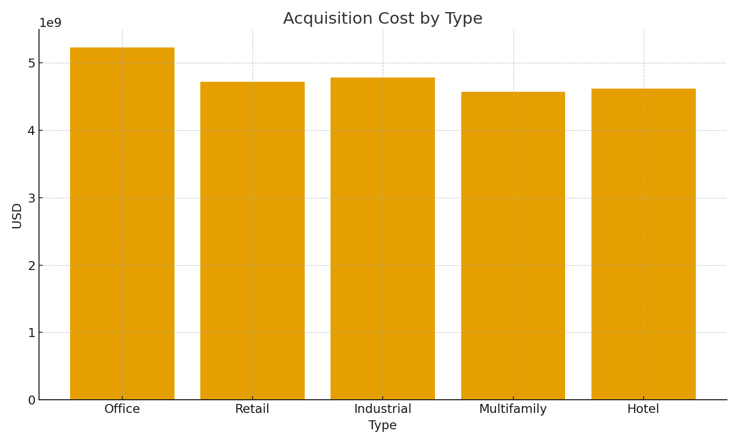
Note: Summary by property type with formulas.
Type | CountProps | TotalAcqUSD | AvgRentUSDpsf
Office | 428 | $5,227,372,727.06 | 27.81
Retail | 398 | $4,719,666,648.75 | 27.81
Industrial | 387 | $4,781,772,817.45 | 27.81
Multifamily | 389 | $4,567,704,320.66 | 27.81
Hotel | 398 | $4,617,801,513.90 | 27.81

 |  |  |  | RE_image_001 – Acquisition cost by asset type.

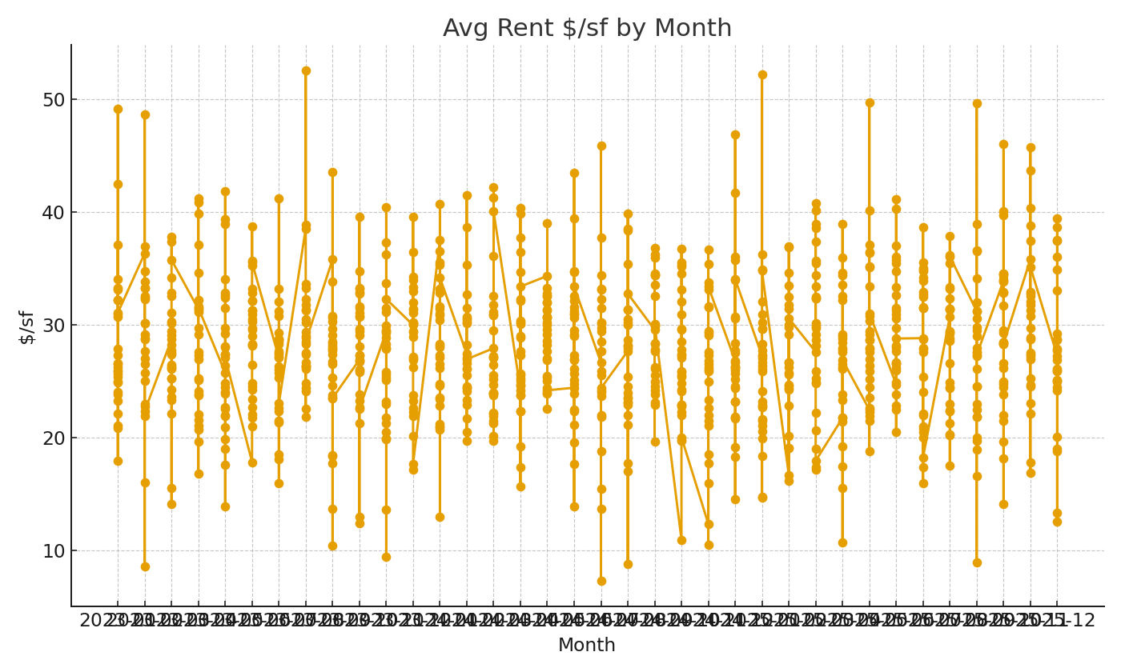

 |  |  |  | RE_image_002 – Average rent trend.

