Channel_Summary
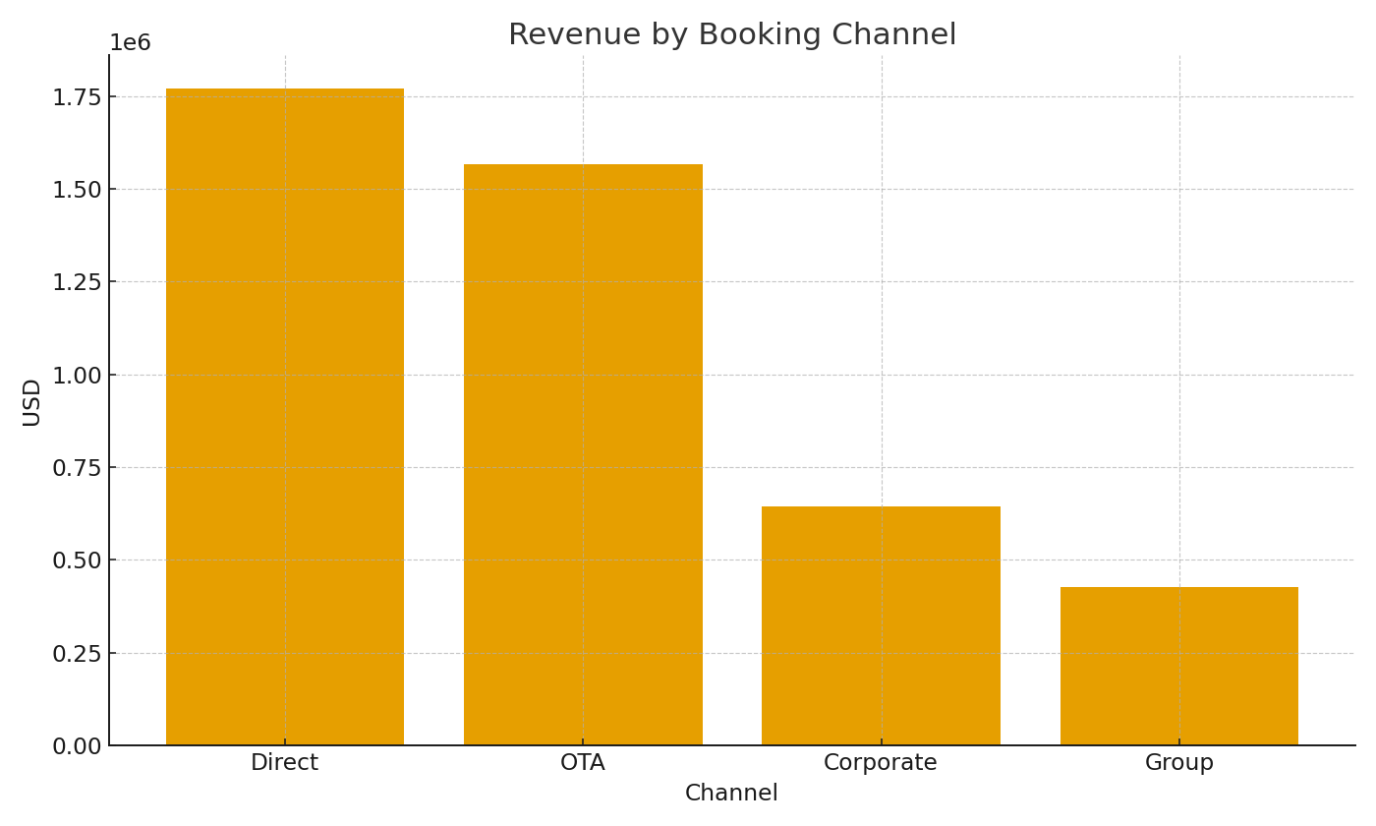
Note: Summary by channel with formulas.
Channel | RoomsSold | RevenueUSD | RevPAR
Direct | 12,243 | $1,770,336.00 | $309.82
OTA | 10,773 | $1,566,864.68 | $274.22
Corporate | 4,422 | $643,200.55 | $112.57
Group | 2,967 | $427,985.38 | $74.90

 |  |  |  | Hotel_image_001 – Revenue by booking channel.

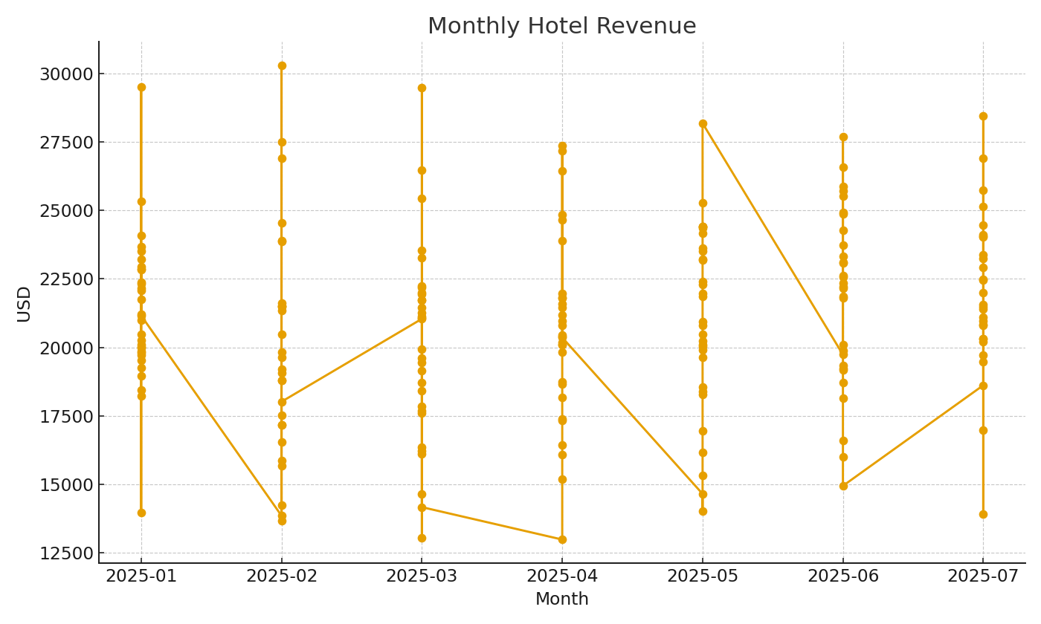

 |  |  |  | Hotel_image_002 – Monthly revenue trend.

