Crop_Summary
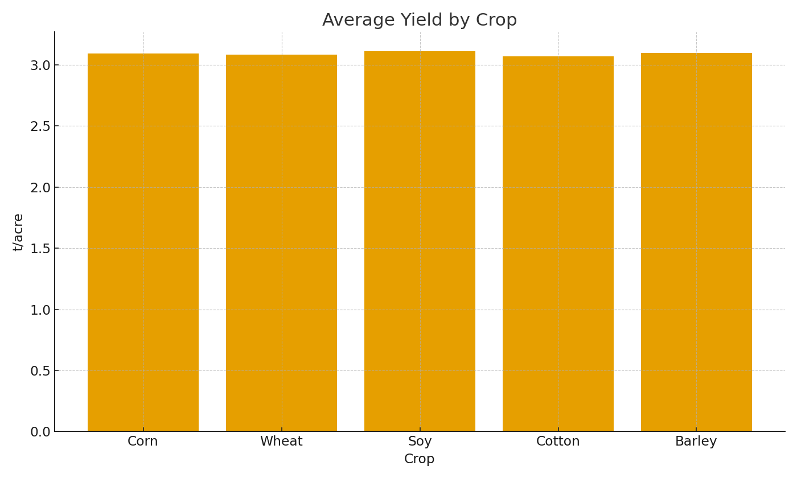
Note: Summary by crop with formulas.
Crop | AvgYield_t_per_acre | TotalCostUSD
Corn | 3.09 | $46,522.98
Wheat | 3.09 | $47,683.10
Soy | 3.11 | $48,196.52
Cotton | 3.07 | $51,183.51
Barley | 3.10 | $47,259.79

 |  |  | Ag_image_001 – Avg yield by crop.

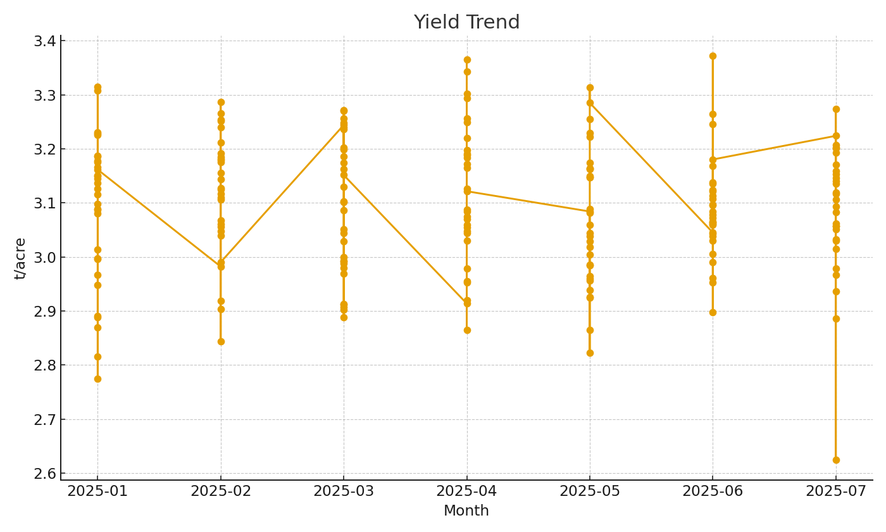

 |  |  | Ag_image_002 – Yield trend by month.

