Site_Summary
Note: Summary by site with formulas.
SiteID | Enrollments | AvgALT
SITE-001 | 59 | 110.1
SITE-002 | 96 | 108.5
SITE-003 | 71 | #DIV/0!
SITE-004 | 70 | 115.4
SITE-005 | 61 | 112.5
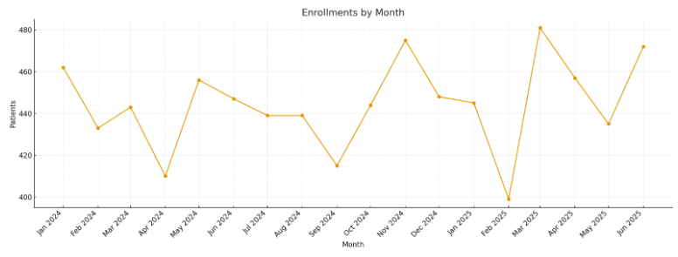
SITE-006 | 77 | 117.1
SITE-007 | 64 | 116.0
SITE-008 | 73 | #DIV/0!
SITE-009 | 56 | 115.5
SITE-010 | 63 | 122.4
SITE-011 | 53 | #DIV/0!
SITE-012 | 72 | #DIV/0!
SITE-013 | 64 | 119.6
SITE-014 | 64 | 106.4
SITE-015 | 76 | 100.8
SITE-016 | 52 | #DIV/0!
SITE-017 | 65 | 102.8 | Pharma_image_001 – Enrollments by month.
SITE-018 | 59 | 125.4
SITE-019 | 73 | 127.2
SITE-020 | 82 | 124.9
SITE-021 | 57 | 126.7
SITE-022 | 72 | 116.5
SITE-023 | 64 | #DIV/0!
SITE-024 | 64 | #DIV/0!
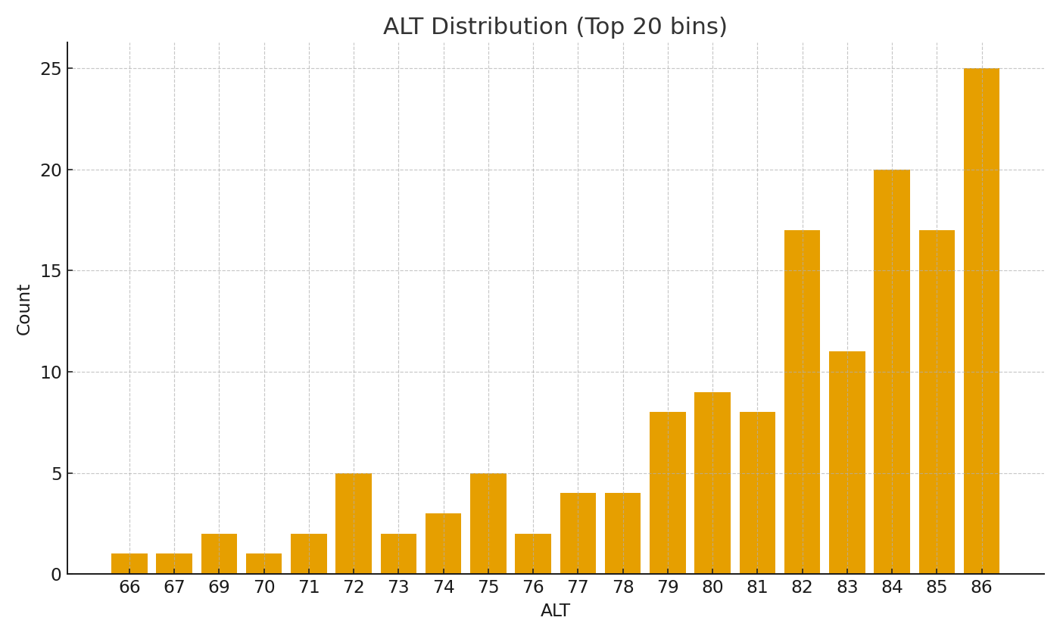
SITE-025 | 70 | 106.7
SITE-026 | 69 | #DIV/0!
SITE-027 | 70 | 108.1
SITE-028 | 70 | #DIV/0!
SITE-029 | 56 | #DIV/0!
SITE-030 | 67 | #DIV/0!
SITE-031 | 51 | 120.1
SITE-032 | 60 | #DIV/0!
SITE-033 | 64 | #DIV/0!
SITE-034 | 61 | #DIV/0!
SITE-035 | 64 | #DIV/0!
SITE-036 | 63 | 109.3 | Pharma_image_002 – ALT distribution bars (top bins).
SITE-037 | 62 | 108.8
SITE-038 | 76 | 100.8
SITE-039 | 72 | #DIV/0!
SITE-040 | 59 | #DIV/0!
SITE-041 | 65 | #DIV/0!
SITE-042 | 80 | 114.8
SITE-043 | 59 | 106.2
SITE-044 | 61 | 103.8
SITE-045 | 56 | #DIV/0!
SITE-046 | 62 | #DIV/0!
SITE-047 | 61 | #DIV/0!
SITE-048 | 63 | #DIV/0!
SITE-049 | 69 | 93.0
SITE-050 | 63 | #DIV/0!

