LOB_Summary
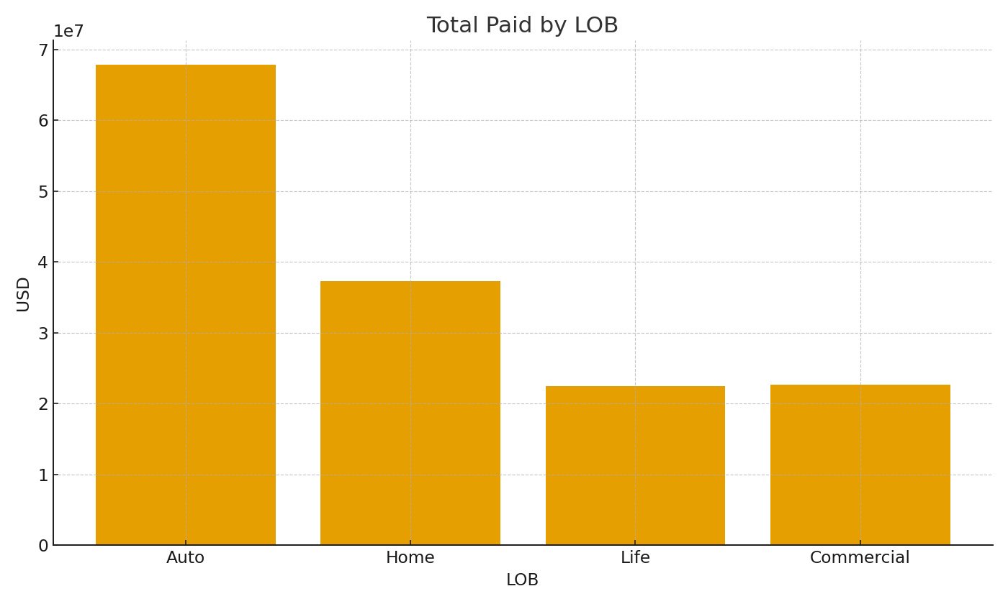
Note: Summary with cross-sheet formulas.
LOB | TotalPaidUSD | AvgPaidUSD | PaymentsUSD
Auto | $67,877,464.21 | $3,747.24 | $10,516,561.91
Home | $37,343,880.38 | $3,762.23 | $10,516,561.91
Life | $22,475,014.86 | $3,791.33 | $10,516,561.91
Commercial | $22,643,548.78 | $3,753.90 | $10,516,561.91

 |  |  |  | Ins_image_001 – Total paid by LOB.

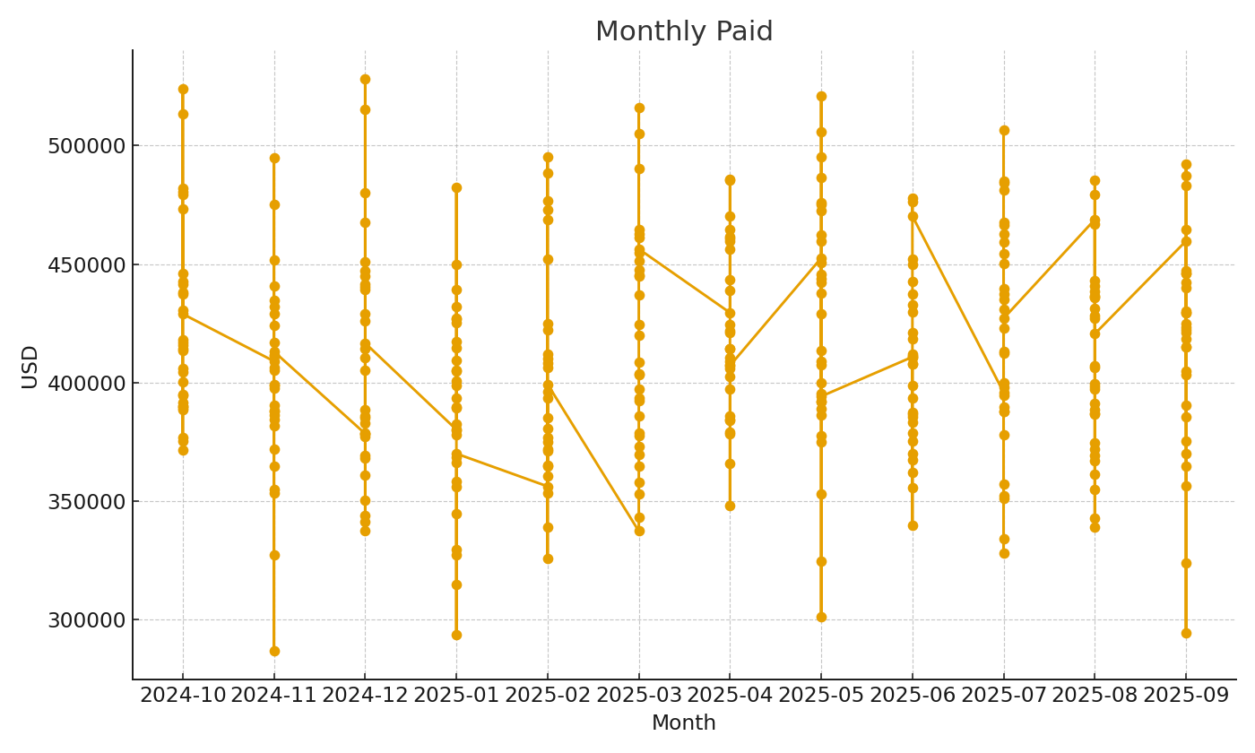

 |  |  |  | Ins_image_002 – Monthly paid trend.

