Carrier_Summary
Note: Summary by carrier with formulas.
CarrierID | Shipments | AvgCostUSD | OnTimeRate
CAR-001 | 175 | $1,261.90 | 79.4%
CAR-002 | 169 | $1,185.07 | 79.9%
CAR-003 | 157 | $1,237.51 | 76.4%
CAR-004 | 161 | $1,314.02 | 77.0%
CAR-005 | 165 | $1,312.85 | 79.4%
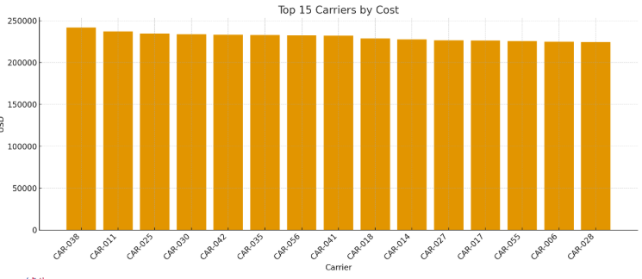
CAR-006 | 172 | $1,307.57 | 82.6%
CAR-007 | 161 | $1,249.59 | 83.2%
CAR-008 | 169 | $1,327.90 | 77.5%
CAR-009 | 153 | $1,218.56 | 85.0%
CAR-010 | 170 | $1,287.25 | 79.4%
CAR-011 | 185 | $1,281.89 | 81.1%
CAR-012 | 176 | $1,274.21 | 80.1%
CAR-013 | 143 | $1,228.53 | 75.5%
CAR-014 | 179 | $1,272.29 | 82.7%
CAR-015 | 168 | $1,284.90 | 79.2%
CAR-016 | 146 | $1,273.06 | 78.1%
CAR-017 | 175 | $1,292.56 | 80.6% | Log_image_001 – Top carriers by total cost.
CAR-018 | 175 | $1,306.74 | 81.7%
CAR-019 | 177 | $1,240.50 | 77.4%
CAR-020 | 163 | $1,276.35 | 80.4%
CAR-021 | 145 | $1,295.16 | 80.0%
CAR-022 | 151 | $1,257.30 | 82.8%
CAR-023 | 165 | $1,295.47 | 84.8%
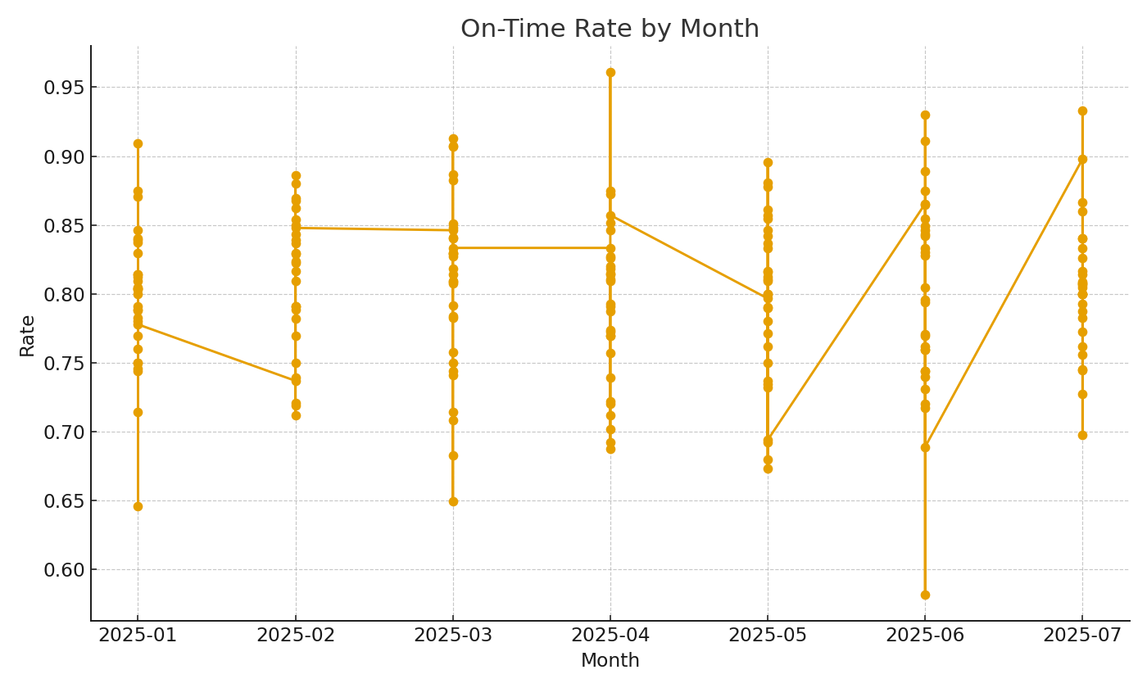
CAR-024 | 154 | $1,281.86 | 76.0%
CAR-025 | 175 | $1,341.05 | 76.0%
CAR-026 | 170 | $1,288.79 | 83.5%
CAR-027 | 174 | $1,302.52 | 80.5%
CAR-028 | 177 | $1,268.61 | 80.8%
CAR-029 | 171 | $1,304.21 | 78.9%
CAR-030 | 183 | $1,276.82 | 80.3%

 |  |  |  | Log_image_002 – On-time rate trend.

