Title_Summary
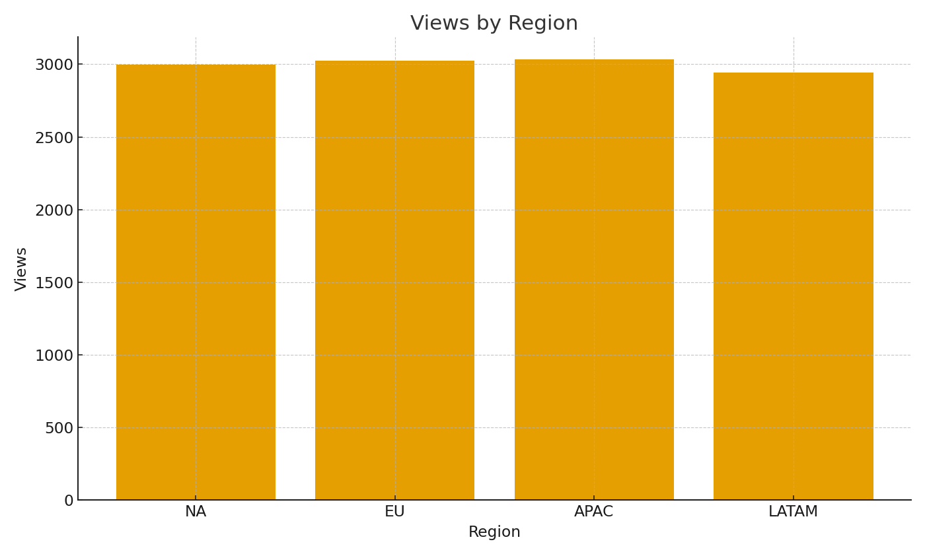
Note: Summary by title with formulas.
TitleID | Views | AvgMinutes | BufferRate
TIT-00001 | 2 | 67.9 | 0.5
TIT-00002 | 3 | 67.3 | 1.7
TIT-00003 | 3 | 31.9 | 0.7
TIT-00004 | 6 | 49.9 | 1.0
TIT-00005 | 11 | 48.8 | 1.2
TIT-00006 | 11 | 43.2 | 1.2
TIT-00007 | 11 | 50.4 | 0.6
TIT-00008 | 5 | 59.4 | 1.2
TIT-00009 | 7 | 46.5 | 1.0
TIT-00010 | 6 | 40.8 | 1.3
TIT-00011 | 3 | 63.3 | 1.0
TIT-00012 | 5 | 56.4 | 0.0
TIT-00013 | 6 | 51.1 | 1.3
TIT-00014 | 8 | 65.2 | 0.5
TIT-00015 | 8 | 63.1 | 1.6
TIT-00016 | 6 | 43.6 | 1.5
TIT-00017 | 5 | 52.1 | 1.8 | Media_image_001 – Views by region.
TIT-00018 | 9 | 93.7 | 1.1
TIT-00019 | 5 | 47.0 | 0.8
TIT-00020 | 9 | 38.5 | 1.6
TIT-00021 | 5 | 71.7 | 1.2
TIT-00022 | 4 | 42.1 | 0.8
TIT-00023 | 7 | 49.7 | 0.7
TIT-00024 | 6 | 45.4 | 1.5
TIT-00025 | 5 | 67.6 | 1.4
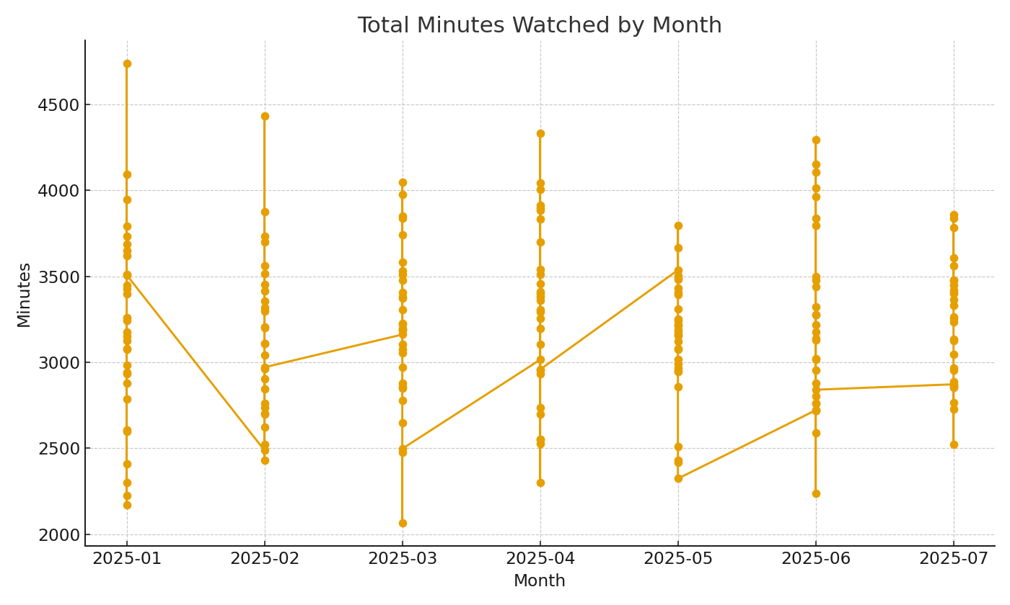
TIT-00026 | 7 | 53.6 | 0.9
TIT-00027 | 7 | 32.7 | 1.3
TIT-00028 | 6 | 49.1 | 0.8
TIT-00029 | 3 | 49.6 | 1.7
TIT-00030 | 8 | 44.3 | 1.5
TIT-00031 | 3 | 68.4 | 0.3
TIT-00032 | 4 | 57.3 | 0.5
TIT-00033 | 6 | 72.8 | 1.0
TIT-00034 | 3 | 46.9 | 0.7
TIT-00035 | 6 | 65.3 | 1.5
TIT-00036 | 8 | 48.2 | 1.4 | Media_image_002 – Total minutes watched by month.
TIT-00037 | 9 | 54.9 | 0.6
TIT-00038 | 2 | 67.9 | 2.5
TIT-00039 | 4 | 58.7 | 1.5
TIT-00040 | 8 | 70.0 | 1.5
TIT-00041 | 2 | 59.6 | 0.0
TIT-00042 | 4 | 56.1 | 1.0
TIT-00043 | 4 | 62.9 | 1.8
TIT-00044 | 2 | 103.4 | 1.5
TIT-00045 | 2 | 60.9 | 0.5
TIT-00046 | 6 | 61.9 | 1.3
TIT-00047 | 5 | 78.0 | 0.6
TIT-00048 | 6 | 58.0 | 0.5
TIT-00049 | 8 | 79.5 | 1.4
TIT-00050 | 4 | 64.3 | 1.0

