Team_Summary
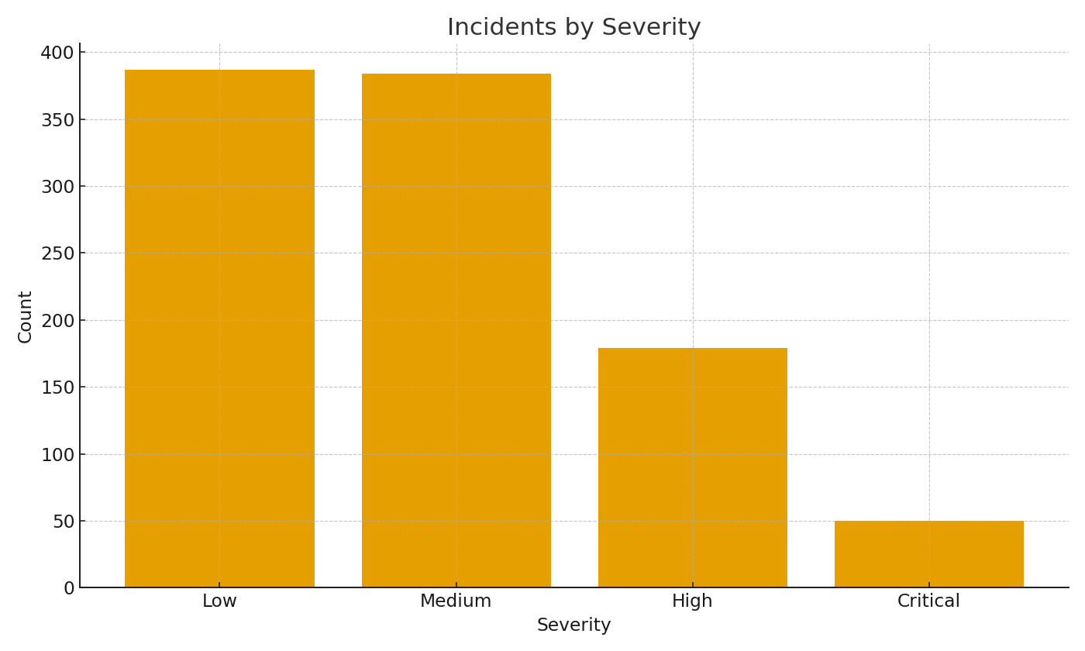
Note: Summary by SOC team with formulas.
Team | Incidents | AvgMTTR_hours
SOC-East | 255 | 18.5
SOC-West | 264 | 19.2
SOC-EMEA | 240 | 19.1
SOC-APAC | 241 | 18.6

 |  |  | Cyber_image_001 – Incidents by severity.

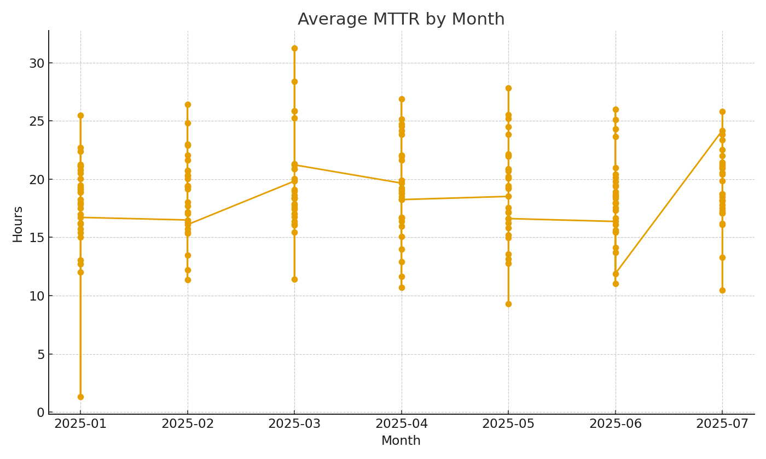

 |  |  | Cyber_image_002 – Average MTTR by month.

