Portfolio_Summary
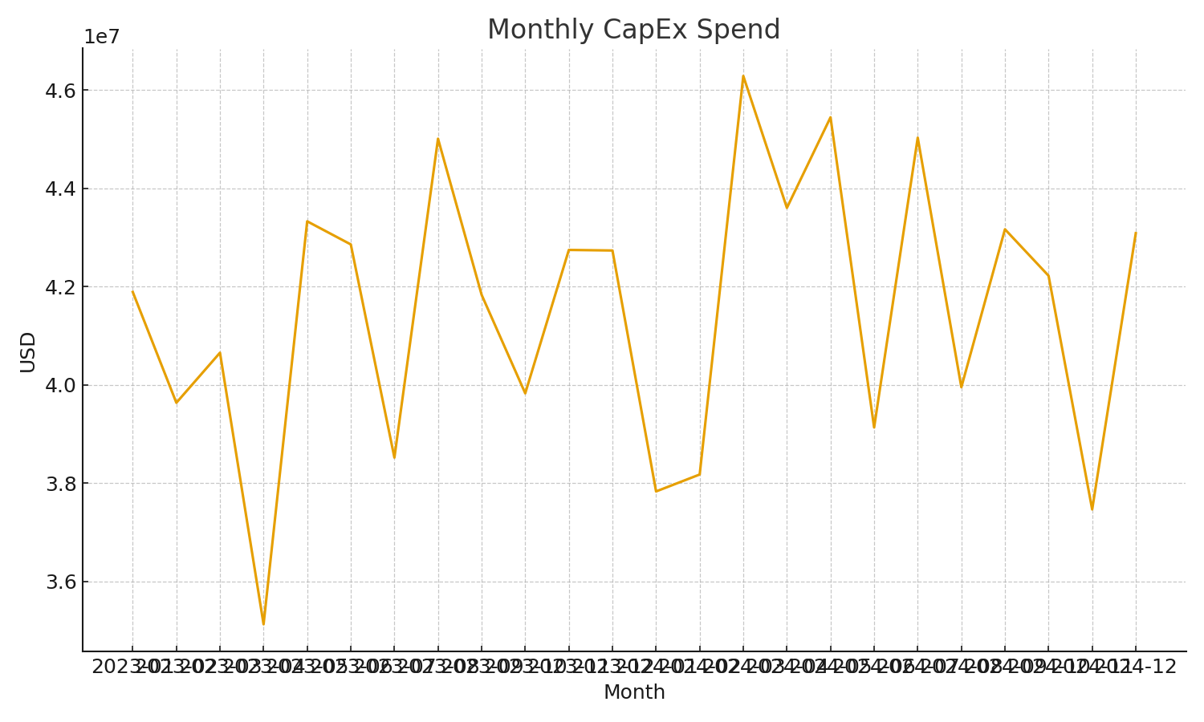
Portfolio KPIs by BusinessUnit; uses XLOOKUP to Projects.
Month | BusinessUnit | SpendUSD | BudgetUSD | Utilization | ActiveProjects
2023-01-01 | Manufacturing | $10,086,856.97 | $1,276,321,592.50 | 0.79% | 0
2023-01-01 | Retail | $8,909,259.36 | $1,240,715,395.68 | 0.72% | 0
2023-01-01 | Energy | $6,359,125.80 | $1,185,390,456.25 | 0.54% | 0
2023-01-01 | Healthcare | $8,727,891.31 | $1,348,922,923.48 | 0.65% | 0
2023-01-01 | Tech | $7,809,504.03 | $1,235,390,006.04 | 0.63% | 0
2023-02-01 | Manufacturing | $7,314,496.21 | $1,276,321,592.50 | 0.57% | 0
2023-02-01 | Retail | $9,736,241.18 | $1,240,715,395.68 | 0.78% | 0
2023-02-01 | Energy | $6,620,311.30 | $1,185,390,456.25 | 0.56% | 0
2023-02-01 | Healthcare | $7,472,589.51 | $1,348,922,923.48 | 0.55% | 0
2023-02-01 | Tech | $8,494,067.26 | $1,235,390,006.04 | 0.69% | 0
2023-03-01 | Manufacturing | $6,339,782.39 | $1,276,321,592.50 | 0.50% | 0
2023-03-01 | Retail | $11,014,733.21 | $1,240,715,395.68 | 0.89% | 0
2023-03-01 | Energy | $6,740,601.82 | $1,185,390,456.25 | 0.57% | 0
2023-03-01 | Healthcare | $9,057,370.53 | $1,348,922,923.48 | 0.67% | 0
2023-03-01 | Tech | $7,503,290.24 | $1,235,390,006.04 | 0.61% | 0
2023-04-01 | Manufacturing | $6,862,470.68 | $1,276,321,592.50 | 0.54% | 0
2023-04-01 | Retail | $7,514,434.70 | $1,240,715,395.68 | 0.61% | 0
2023-04-01 | Energy | $6,281,844.83 | $1,185,390,456.25 | 0.53% | 0
2023-04-01 | Healthcare | $6,839,813.67 | $1,348,922,923.48 | 0.51% | 0
2023-04-01 | Tech | $7,631,113.01 | $1,235,390,006.04 | 0.62% | 0 | Capex_image_001 – Line chart of monthly capital spend.
2023-05-01 | Manufacturing | $9,135,373.36 | $1,276,321,592.50 | 0.72% | 0
2023-05-01 | Retail | $8,129,109.53 | $1,240,715,395.68 | 0.66% | 0
2023-05-01 | Energy | $6,897,807.50 | $1,185,390,456.25 | 0.58% | 0
2023-05-01 | Healthcare | $9,851,371.57 | $1,348,922,923.48 | 0.73% | 0
2023-05-01 | Tech | $9,316,127.99 | $1,235,390,006.04 | 0.75% | 0
2023-06-01 | Manufacturing | $8,527,821.45 | $1,276,321,592.50 | 0.67% | 0
2023-06-01 | Retail | $8,690,871.06 | $1,240,715,395.68 | 0.70% | 0
2023-06-01 | Energy | $8,081,617.01 | $1,185,390,456.25 | 0.68% | 0
2023-06-01 | Healthcare | $10,445,430.50 | $1,348,922,923.48 | 0.77% | 0
2023-06-01 | Tech | $7,113,786.68 | $1,235,390,006.04 | 0.58% | 0
2023-07-01 | Manufacturing | $8,007,784.22 | $1,276,321,592.50 | 0.63% | 0
2023-07-01 | Retail | $7,372,020.15 | $1,240,715,395.68 | 0.59% | 0
2023-07-01 | Energy | $6,357,942.27 | $1,185,390,456.25 | 0.54% | 0
2023-07-01 | Healthcare | $7,871,188.16 | $1,348,922,923.48 | 0.58% | 0
2023-07-01 | Tech | $8,912,646.68 | $1,235,390,006.04 | 0.72% | 0
2023-08-01 | Manufacturing | $10,220,129.31 | $1,276,321,592.50 | 0.80% | 0
2023-08-01 | Retail | $9,870,452.98 | $1,240,715,395.68 | 0.80% | 0
2023-08-01 | Energy | $7,758,624.86 | $1,185,390,456.25 | 0.65% | 0
2023-08-01 | Healthcare | $9,308,721.23 | $1,348,922,923.48 | 0.69% | 0
2023-08-01 | Tech | $7,852,969.84 | $1,235,390,006.04 | 0.64% | 0
2023-09-01 | Manufacturing | $8,159,115.66 | $1,276,321,592.50 | 0.64% | 0
2023-09-01 | Retail | $8,953,654.38 | $1,240,715,395.68 | 0.72% | 0
2023-09-01 | Energy | $9,225,158.84 | $1,185,390,456.25 | 0.78% | 0
2023-09-01 | Healthcare | $7,443,289.44 | $1,348,922,923.48 | 0.55% | 0
2023-09-01 | Tech | $8,052,388.04 | $1,235,390,006.04 | 0.65% | 0
2023-10-01 | Manufacturing | $8,074,714.46 | $1,276,321,592.50 | 0.63% | 0
2023-10-01 | Retail | $6,129,857.85 | $1,240,715,395.68 | 0.49% | 0
2023-10-01 | Energy | $7,794,300.76 | $1,185,390,456.25 | 0.66% | 0
2023-10-01 | Healthcare | $10,317,166.30 | $1,348,922,923.48 | 0.76% | 0
2023-10-01 | Tech | $7,513,546.76 | $1,235,390,006.04 | 0.61% | 0
2023-11-01 | Manufacturing | $10,052,126.84 | $1,276,321,592.50 | 0.79% | 0
2023-11-01 | Retail | $7,322,533.24 | $1,240,715,395.68 | 0.59% | 0
2023-11-01 | Energy | $6,443,511.46 | $1,185,390,456.25 | 0.54% | 0
2023-11-01 | Healthcare | $10,799,900.05 | $1,348,922,923.48 | 0.80% | 0
2023-11-01 | Tech | $8,129,470.53 | $1,235,390,006.04 | 0.66% | 0
2023-12-01 | Manufacturing | $8,863,198.24 | $1,276,321,592.50 | 0.69% | 0
2023-12-01 | Retail | $8,458,761.12 | $1,240,715,395.68 | 0.68% | 0
2023-12-01 | Energy | $8,299,565.85 | $1,185,390,456.25 | 0.70% | 0
2023-12-01 | Healthcare | $9,353,425.80 | $1,348,922,923.48 | 0.69% | 0
2023-12-01 | Tech | $7,760,978.42 | $1,235,390,006.04 | 0.63% | 0
2024-01-01 | Manufacturing | $6,090,340.30 | $1,276,321,592.50 | 0.48% | 0
2024-01-01 | Retail | $6,998,168.94 | $1,240,715,395.68 | 0.56% | 0
2024-01-01 | Energy | $7,487,757.40 | $1,185,390,456.25 | 0.63% | 0
2024-01-01 | Healthcare | $9,269,827.97 | $1,348,922,923.48 | 0.69% | 0
2024-01-01 | Tech | $7,987,071.35 | $1,235,390,006.04 | 0.65% | 0
2024-02-01 | Manufacturing | $6,812,989.24 | $1,276,321,592.50 | 0.53% | 0
2024-02-01 | Retail | $6,946,512.21 | $1,240,715,395.68 | 0.56% | 0
2024-02-01 | Energy | $8,580,461.68 | $1,185,390,456.25 | 0.72% | 0
2024-02-01 | Healthcare | $8,118,154.26 | $1,348,922,923.48 | 0.60% | 0
2024-02-01 | Tech | $7,719,666.03 | $1,235,390,006.04 | 0.62% | 0
2024-03-01 | Manufacturing | $8,833,811.77 | $1,276,321,592.50 | 0.69% | 0
2024-03-01 | Retail | $8,490,194.07 | $1,240,715,395.68 | 0.68% | 0
2024-03-01 | Energy | $9,070,423.09 | $1,185,390,456.25 | 0.77% | 0
2024-03-01 | Healthcare | $11,790,987.44 | $1,348,922,923.48 | 0.87% | 0
2024-03-01 | Tech | $8,102,449.92 | $1,235,390,006.04 | 0.66% | 0
2024-04-01 | Manufacturing | $9,413,903.70 | $1,276,321,592.50 | 0.74% | 0
2024-04-01 | Retail | $8,739,568.72 | $1,240,715,395.68 | 0.70% | 0
2024-04-01 | Energy | $8,183,339.98 | $1,185,390,456.25 | 0.69% | 0
2024-04-01 | Healthcare | $9,183,210.98 | $1,348,922,923.48 | 0.68% | 0
2024-04-01 | Tech | $8,083,546.04 | $1,235,390,006.04 | 0.65% | 0
2024-05-01 | Manufacturing | $8,290,387.48 | $1,276,321,592.50 | 0.65% | 0
2024-05-01 | Retail | $9,068,150.02 | $1,240,715,395.68 | 0.73% | 0
2024-05-01 | Energy | $10,730,703.45 | $1,185,390,456.25 | 0.91% | 0
2024-05-01 | Healthcare | $9,362,737.13 | $1,348,922,923.48 | 0.69% | 0
2024-05-01 | Tech | $7,994,017.96 | $1,235,390,006.04 | 0.65% | 0
2024-06-01 | Manufacturing | $8,089,781.42 | $1,276,321,592.50 | 0.63% | 0
2024-06-01 | Retail | $8,249,378.07 | $1,240,715,395.68 | 0.66% | 0
2024-06-01 | Energy | $7,504,481.35 | $1,185,390,456.25 | 0.63% | 0
2024-06-01 | Healthcare | $7,119,865.29 | $1,348,922,923.48 | 0.53% | 0
2024-06-01 | Tech | $8,171,605.60 | $1,235,390,006.04 | 0.66% | 0
2024-07-01 | Manufacturing | $11,860,981.98 | $1,276,321,592.50 | 0.93% | 0
2024-07-01 | Retail | $8,475,197.65 | $1,240,715,395.68 | 0.68% | 0
2024-07-01 | Energy | $7,836,962.18 | $1,185,390,456.25 | 0.66% | 0
2024-07-01 | Healthcare | $6,330,422.63 | $1,348,922,923.48 | 0.47% | 0
2024-07-01 | Tech | $10,528,099.45 | $1,235,390,006.04 | 0.85% | 0
2024-08-01 | Manufacturing | $8,922,701.65 | $1,276,321,592.50 | 0.70% | 0
2024-08-01 | Retail | $9,427,953.05 | $1,240,715,395.68 | 0.76% | 0
2024-08-01 | Energy | $6,910,528.42 | $1,185,390,456.25 | 0.58% | 0
2024-08-01 | Healthcare | $7,337,613.23 | $1,348,922,923.48 | 0.54% | 0
2024-08-01 | Tech | $7,355,504.04 | $1,235,390,006.04 | 0.60% | 0
2024-09-01 | Manufacturing | $9,177,807.93 | $1,276,321,592.50 | 0.72% | 0
2024-09-01 | Retail | $8,215,825.24 | $1,240,715,395.68 | 0.66% | 0
2024-09-01 | Energy | $8,474,375.95 | $1,185,390,456.25 | 0.71% | 0
2024-09-01 | Healthcare | $9,876,570.44 | $1,348,922,923.48 | 0.73% | 0
2024-09-01 | Tech | $7,423,202.04 | $1,235,390,006.04 | 0.60% | 0
2024-10-01 | Manufacturing | $9,653,970.38 | $1,276,321,592.50 | 0.76% | 0
2024-10-01 | Retail | $7,573,340.17 | $1,240,715,395.68 | 0.61% | 0
2024-10-01 | Energy | $7,104,215.08 | $1,185,390,456.25 | 0.60% | 0
2024-10-01 | Healthcare | $11,184,789.34 | $1,348,922,923.48 | 0.83% | 0
2024-10-01 | Tech | $6,705,935.98 | $1,235,390,006.04 | 0.54% | 0
2024-11-01 | Manufacturing | $8,150,085.16 | $1,276,321,592.50 | 0.64% | 0
2024-11-01 | Retail | $7,057,035.03 | $1,240,715,395.68 | 0.57% | 0
2024-11-01 | Energy | $6,898,154.03 | $1,185,390,456.25 | 0.58% | 0
2024-11-01 | Healthcare | $7,773,026.64 | $1,348,922,923.48 | 0.58% | 0
2024-11-01 | Tech | $7,588,563.14 | $1,235,390,006.04 | 0.61% | 0
2024-12-01 | Manufacturing | $8,938,550.52 | $1,276,321,592.50 | 0.70% | 0
2024-12-01 | Retail | $8,520,149.59 | $1,240,715,395.68 | 0.69% | 0
2024-12-01 | Energy | $8,017,516.44 | $1,185,390,456.25 | 0.68% | 0
2024-12-01 | Healthcare | $10,247,362.38 | $1,348,922,923.48 | 0.76% | 0
2024-12-01 | Tech | $7,365,315.36 | $1,235,390,006.04 | 0.60% | 0

