Summary
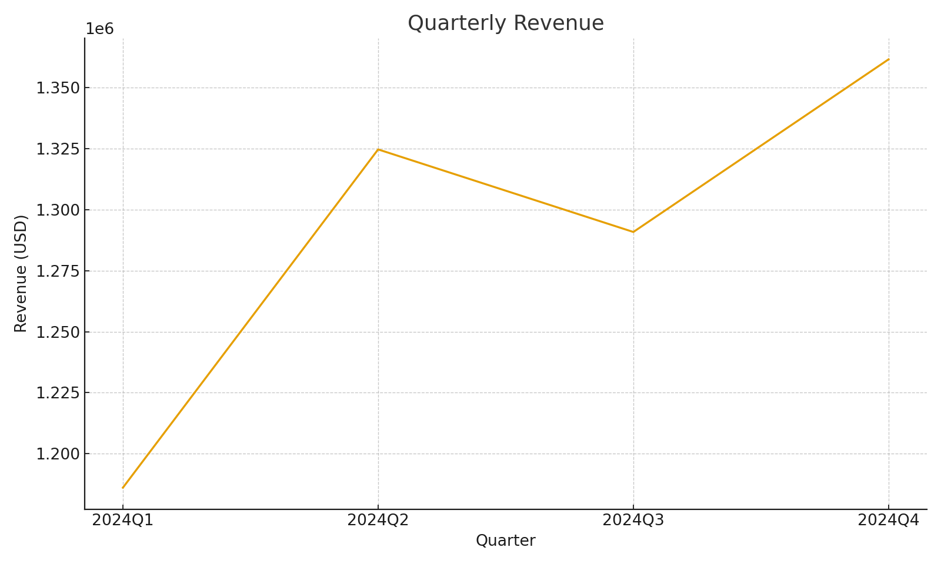
Quarter | Total Revenue (SUMIFS) | Total Expenses (SUMIFS) | Gross Margin | GM %
Q1 2024 | #VALUE! | #VALUE! | #VALUE! | 0
Q2 2024 | #VALUE! | #VALUE! | #VALUE! | 0
Q3 2024 | #VALUE! | #VALUE! | #VALUE! | 0
Q4 2024 | #VALUE! | #VALUE! | #VALUE! | 0

 |  |  |  |  | Summary_image_001 – Line chart of quarterly revenue

