Dept_Summary
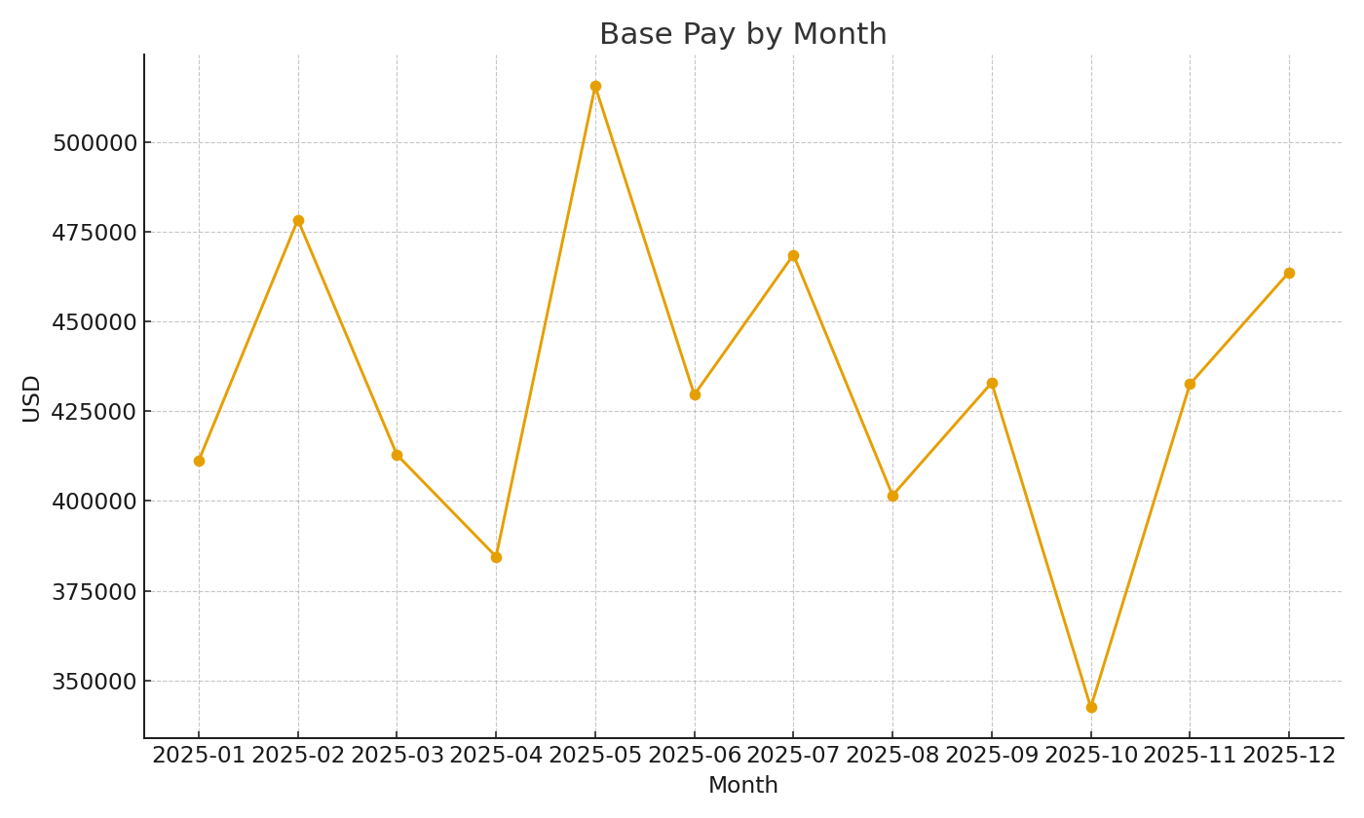
Department | BaseUSD | BonusUSD | BenefitsUSD | TotalUSD
Sales | #VALUE! | #VALUE! | #VALUE! | #VALUE!
Engineering | #VALUE! | #VALUE! | #VALUE! | #VALUE!
Operations | #VALUE! | #VALUE! | #VALUE! | #VALUE!
Finance | #VALUE! | #VALUE! | #VALUE! | #VALUE!
HR | #VALUE! | #VALUE! | #VALUE! | #VALUE!

 |  |  |  |  | Payroll_image_001 – Line chart of base pay by month.

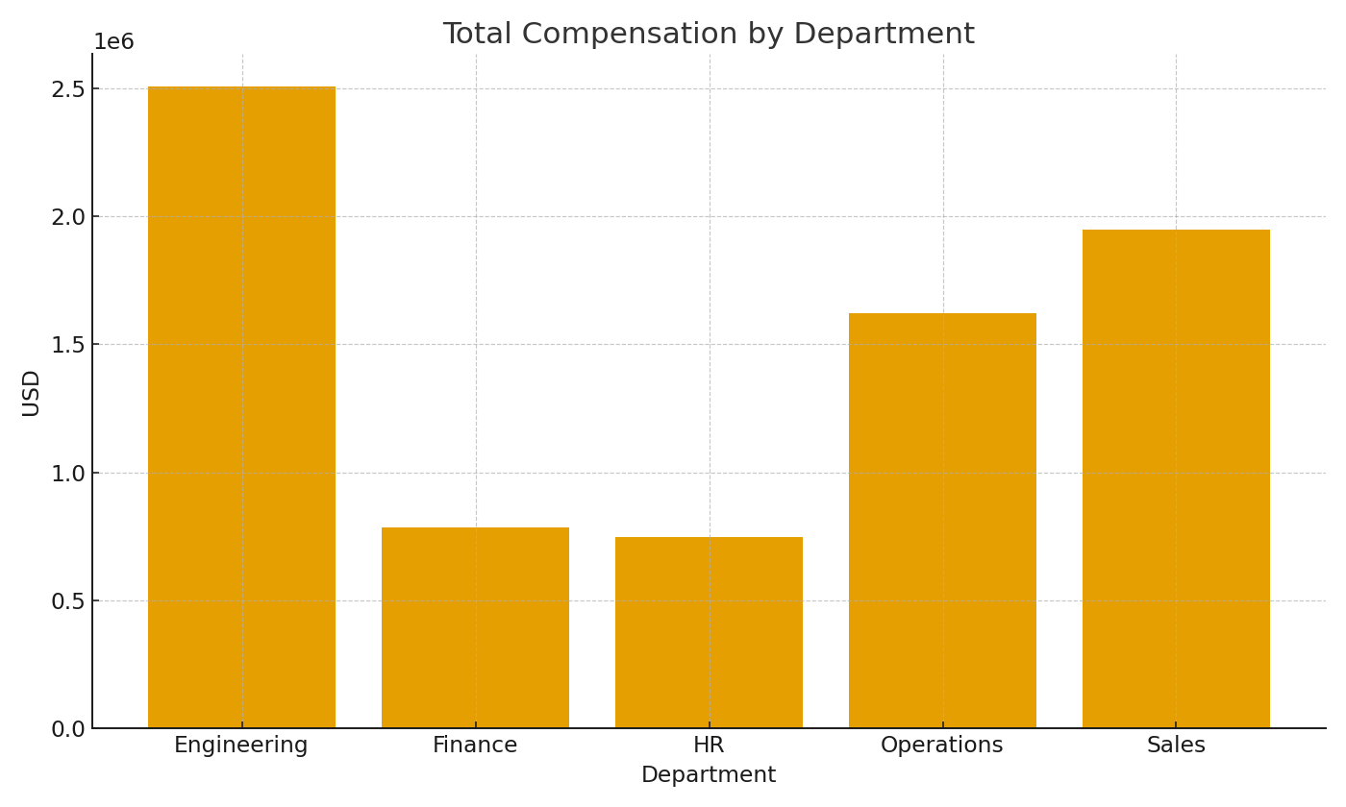

 |  |  |  |  | Payroll_image_002 – Department total compensation.

