Category_Summary
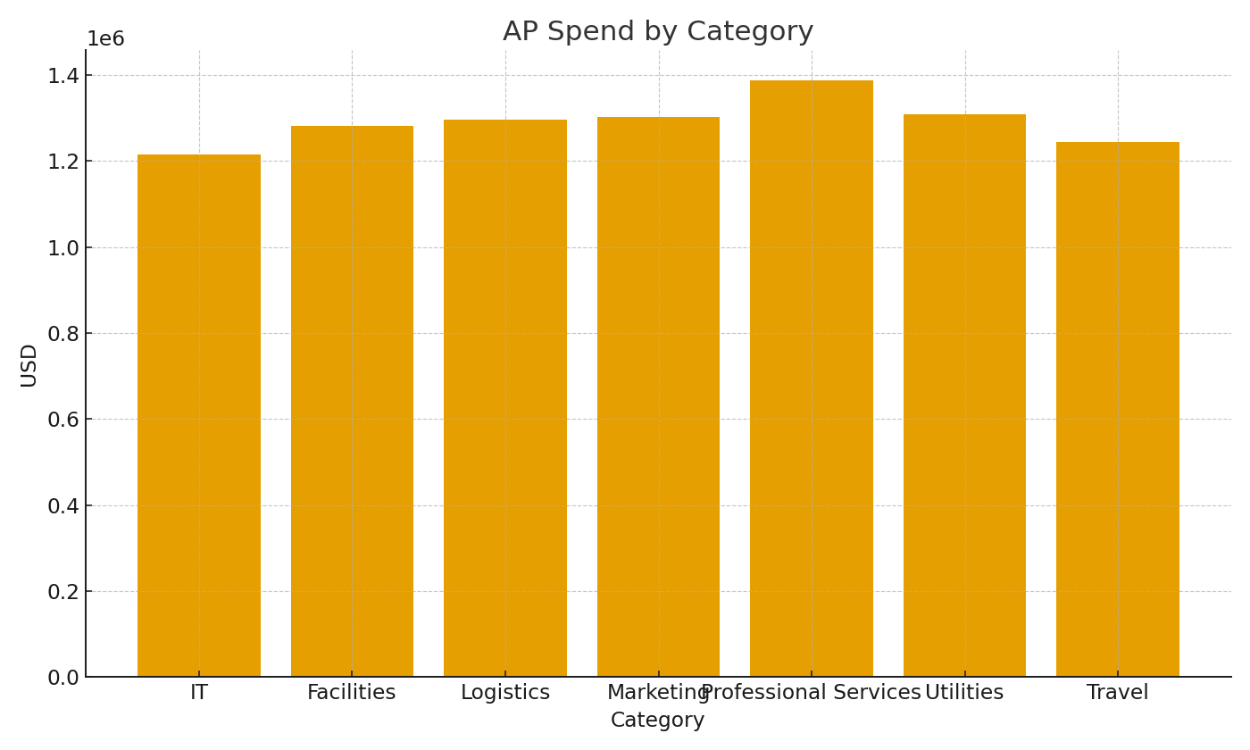
Category | InvoiceUSD | PaidUSD | OpenUSD
IT | #VALUE! | #VALUE! | #VALUE!
Facilities | #VALUE! | #VALUE! | #VALUE!
Logistics | #VALUE! | #VALUE! | #VALUE!
Marketing | #VALUE! | #VALUE! | #VALUE!
Professional Services | #VALUE! | #VALUE! | #VALUE!
Utilities | #VALUE! | #VALUE! | #VALUE!
Travel | #VALUE! | #VALUE! | #VALUE!

 |  |  |  | AP_image_001 – Category spend bar chart.

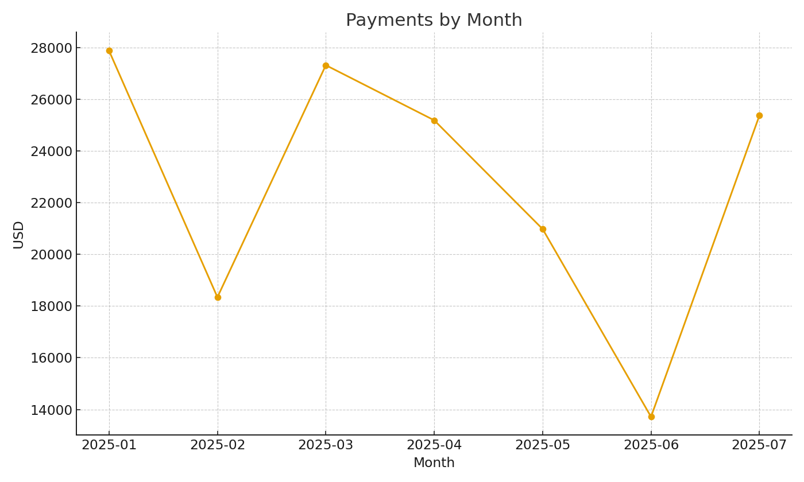

 |  |  |  | AP_image_002 – Monthly payments trend.

