Channel_Summary
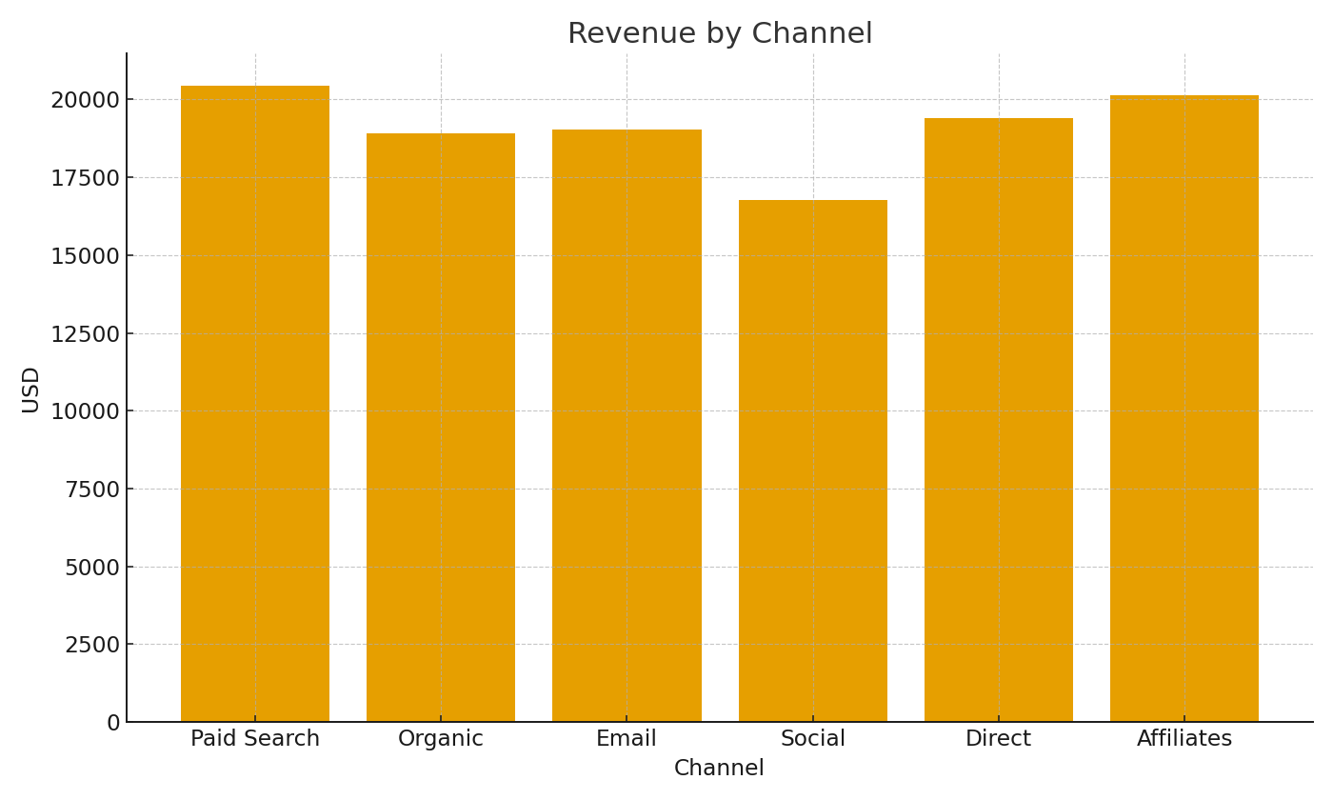
Channel | Sessions | Orders | ConvRate | RevenueUSD
Paid Search | #VALUE! | #VALUE! | #VALUE! | #VALUE!
Organic | #VALUE! | #VALUE! | #VALUE! | #VALUE!
Email | #VALUE! | #VALUE! | #VALUE! | #VALUE!
Social | #VALUE! | #VALUE! | #VALUE! | #VALUE!
Direct | #VALUE! | #VALUE! | #VALUE! | #VALUE!
Affiliates | #VALUE! | #VALUE! | #VALUE! | #VALUE!

 |  |  |  |  | Ecom_image_001 – Revenue by channel.

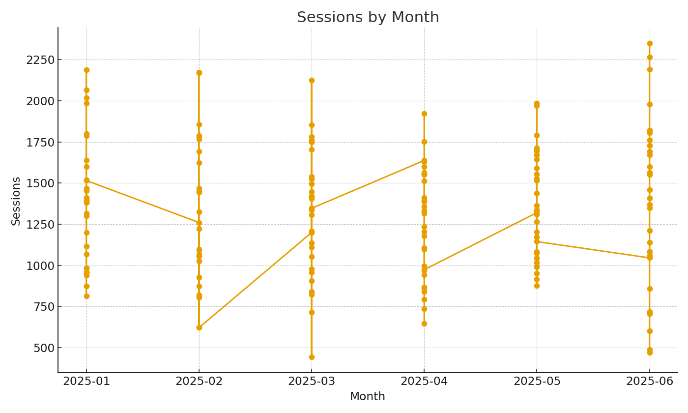

 |  |  |  |  | Ecom_image_002 – Sessions trend by month.

