CF_Summary
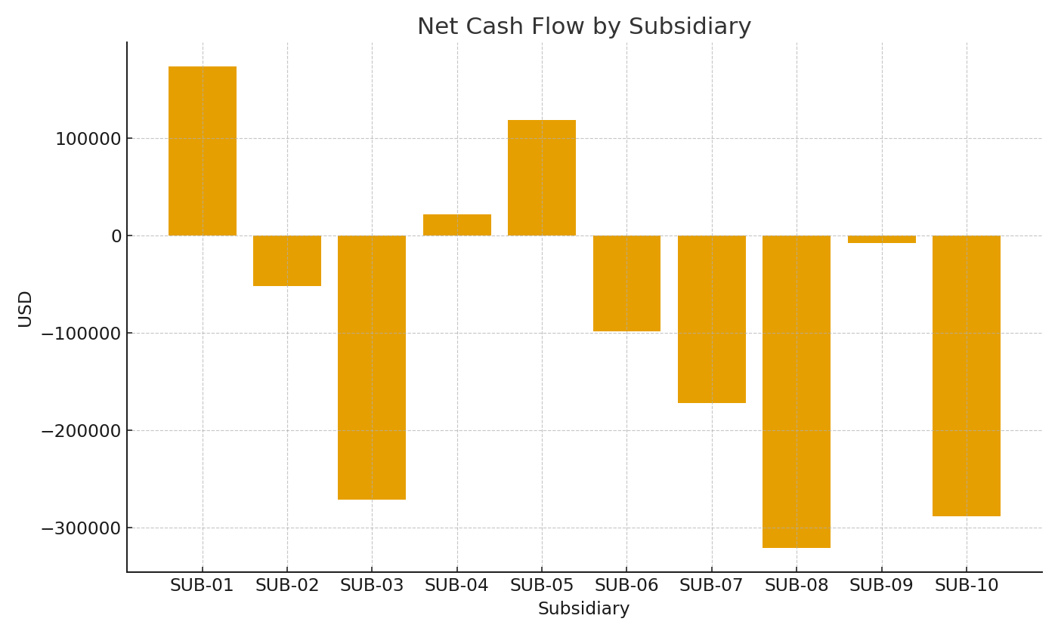
Subsidiary | OpUSD | InvUSD | FinUSD | NetUSD
SUB-01 | #VALUE! | #VALUE! | #VALUE! | #VALUE!
SUB-02 | #VALUE! | #VALUE! | #VALUE! | #VALUE!
SUB-03 | #VALUE! | #VALUE! | #VALUE! | #VALUE!
SUB-04 | #VALUE! | #VALUE! | #VALUE! | #VALUE!
SUB-05 | #VALUE! | #VALUE! | #VALUE! | #VALUE!
SUB-06 | #VALUE! | #VALUE! | #VALUE! | #VALUE!
SUB-07 | #VALUE! | #VALUE! | #VALUE! | #VALUE!
SUB-08 | #VALUE! | #VALUE! | #VALUE! | #VALUE!
SUB-09 | #VALUE! | #VALUE! | #VALUE! | #VALUE!
SUB-10 | #VALUE! | #VALUE! | #VALUE! | #VALUE!

 |  |  |  |  | CF_image_001 – Net cash flow by subsidiary.

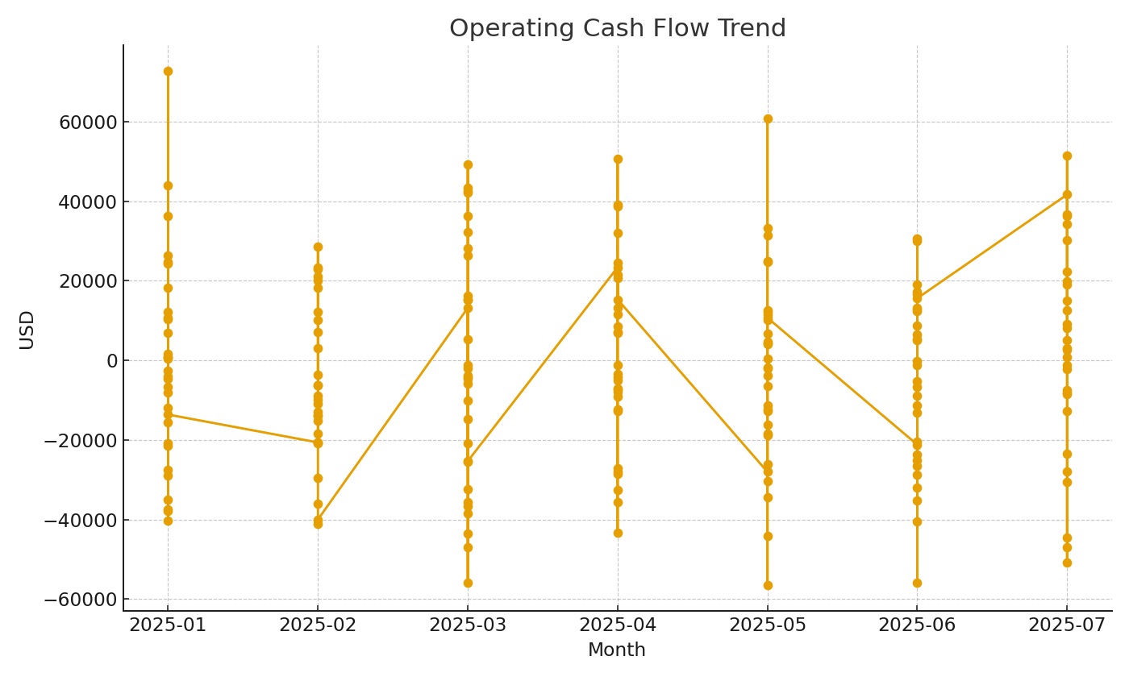

 |  |  |  |  | CF_image_002 – Operating cash flow trend.

