Payer_Summary
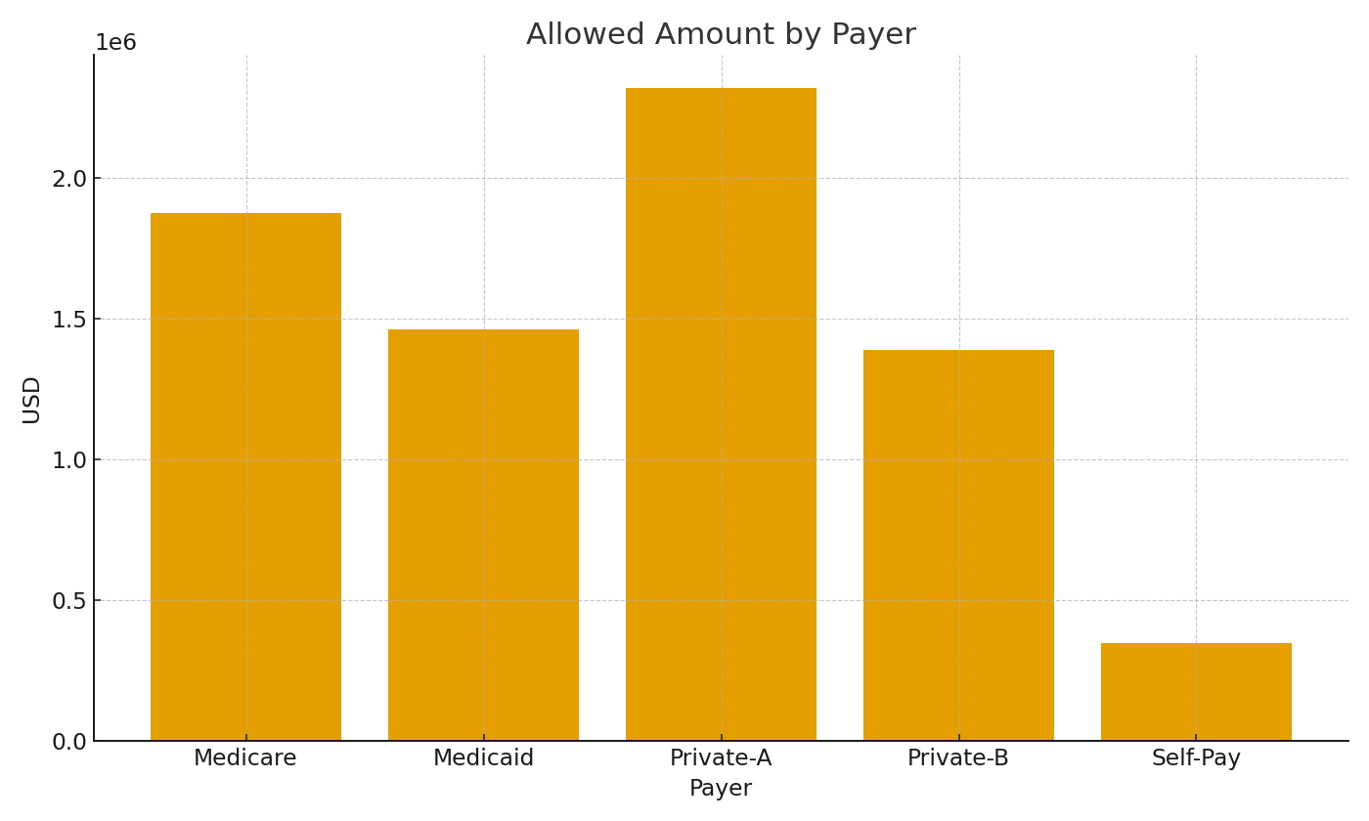
Payer | TotalChargesUSD | TotalAllowedUSD | PaymentsUSD
Medicare | #VALUE! | #VALUE! | #VALUE!
Medicaid | #VALUE! | #VALUE! | #VALUE!
Private-A | #VALUE! | #VALUE! | #VALUE!
Private-B | #VALUE! | #VALUE! | #VALUE!
Self-Pay | #VALUE! | #VALUE! | #VALUE!

 |  |  |  | HC_image_001 – Allowed amount by payer.

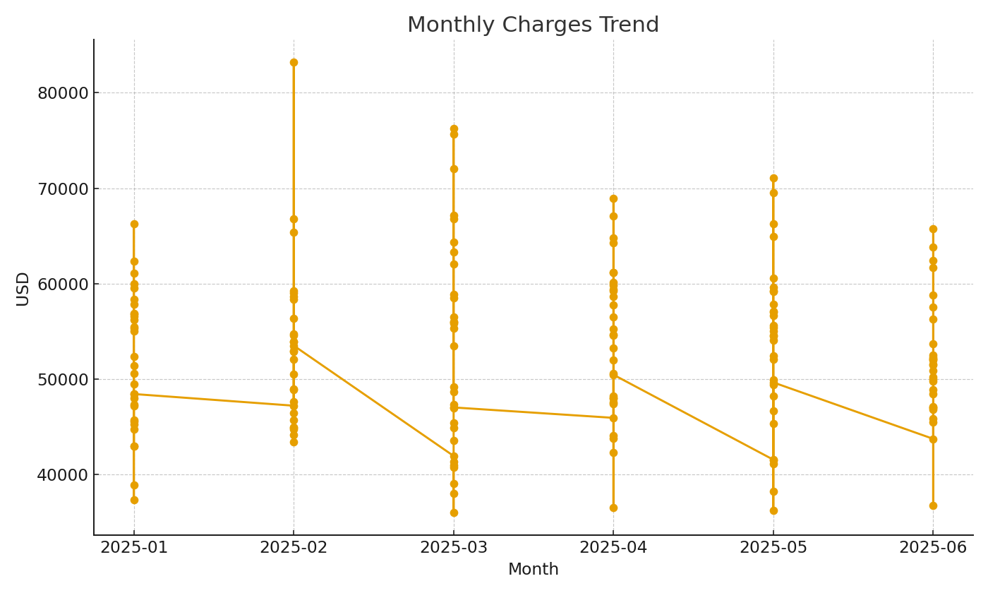

 |  |  |  | HC_image_002 – Monthly charges trend.

