Plant_Summary
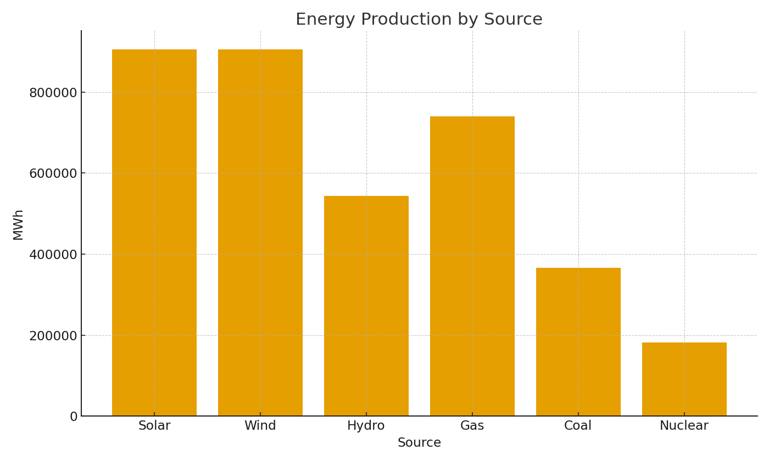
Plant | TotalMWh | AvgCapacityMW | OutageHours
PLANT-001 | #VALUE! | #VALUE! | #VALUE!
PLANT-002 | #VALUE! | #VALUE! | #VALUE!
PLANT-003 | #VALUE! | #VALUE! | #VALUE!
PLANT-004 | #VALUE! | #VALUE! | #VALUE!
PLANT-005 | #VALUE! | #VALUE! | #VALUE!
PLANT-006 | #VALUE! | #VALUE! | #VALUE!
PLANT-007 | #VALUE! | #VALUE! | #VALUE!
PLANT-008 | #VALUE! | #VALUE! | #VALUE!
PLANT-009 | #VALUE! | #VALUE! | #VALUE!
PLANT-010 | #VALUE! | #VALUE! | #VALUE!
PLANT-011 | #VALUE! | #VALUE! | #VALUE!
PLANT-012 | #VALUE! | #VALUE! | #VALUE!

 |  |  |  | Energy_image_001 – MWh by source.

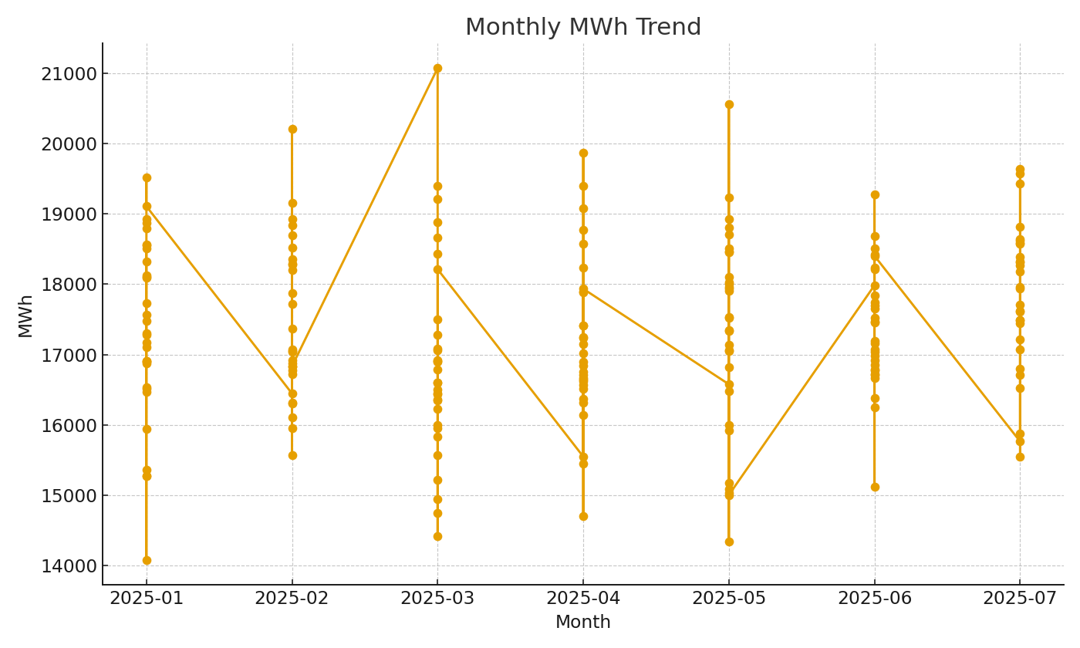

 |  |  |  | Energy_image_002 – Monthly MWh trend.

