Agency_Summary
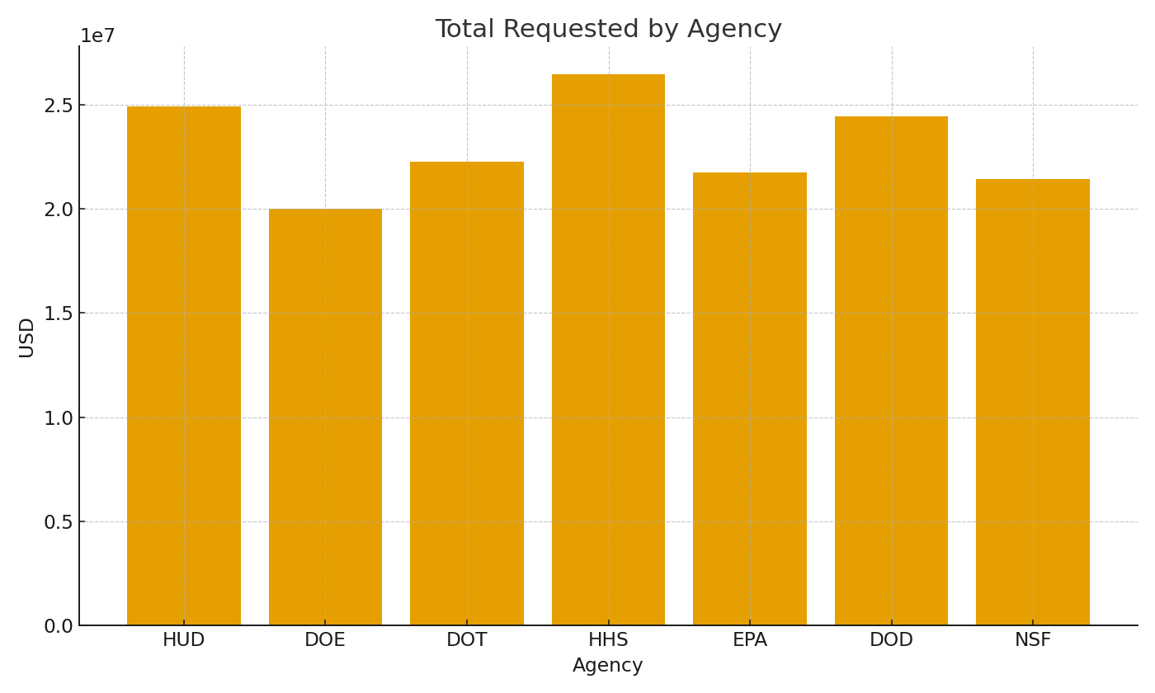
Agency | RequestsUSD | AwardsUSD | WinRate
HUD | #VALUE! | #VALUE! | #VALUE!
DOE | #VALUE! | #VALUE! | #VALUE!
DOT | #VALUE! | #VALUE! | #VALUE!
HHS | #VALUE! | #VALUE! | #VALUE!
EPA | #VALUE! | #VALUE! | #VALUE!
DOD | #VALUE! | #VALUE! | #VALUE!
NSF | #VALUE! | #VALUE! | #VALUE!

 |  |  |  | Grants_image_001 – Requested amounts by agency.

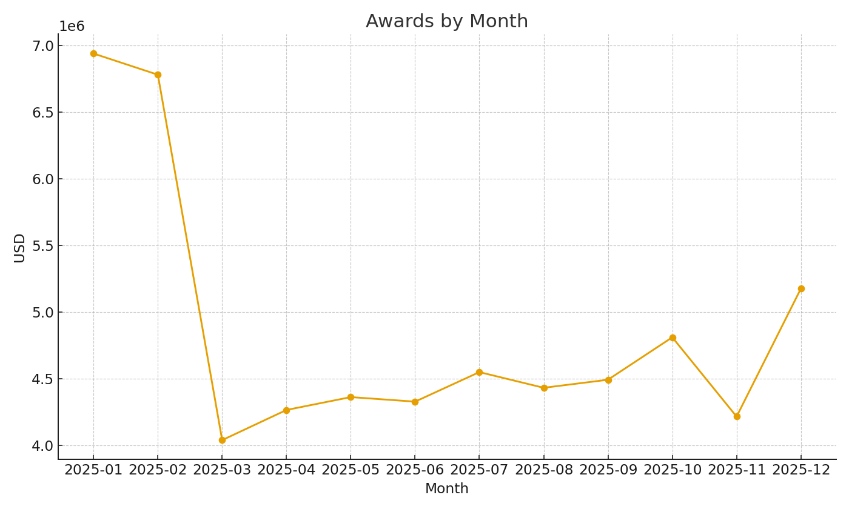

 |  |  |  | Grants_image_002 – Awards by month.

