Campaign_Summary
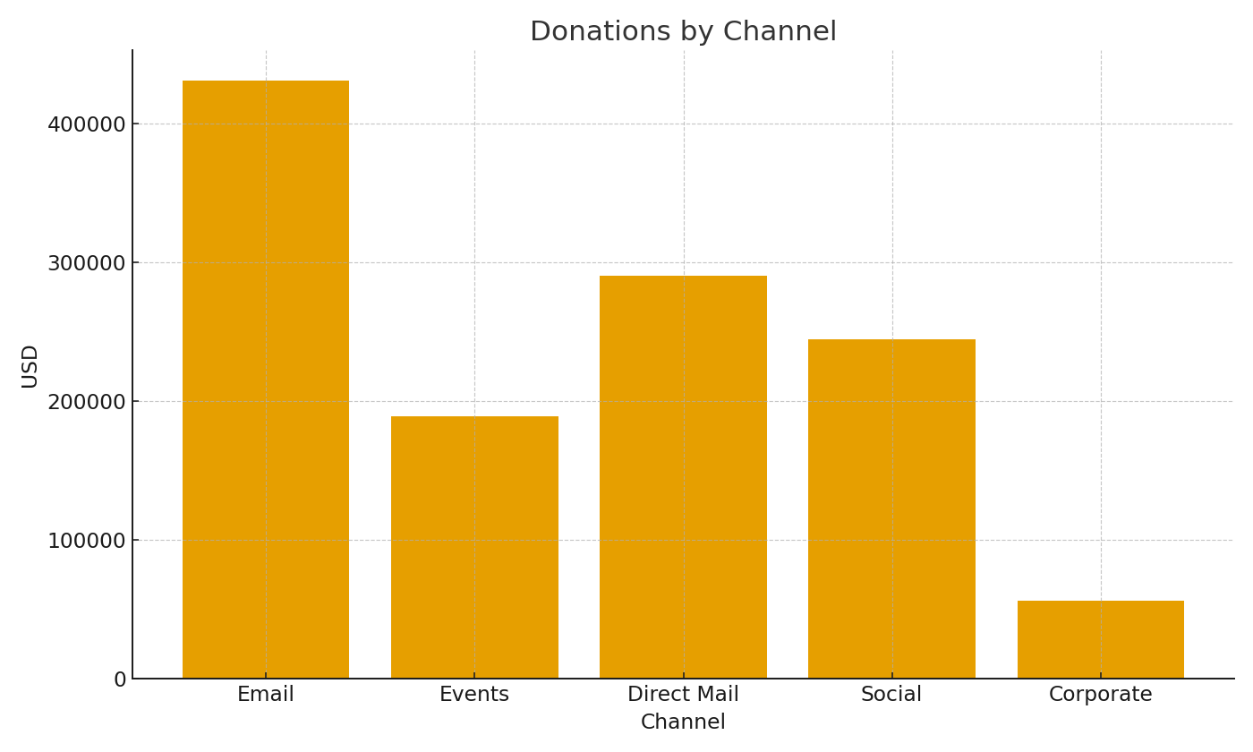
Campaign | GiftsUSD | PledgesUSD | TotalUSD
CMP-001 | #VALUE! | #VALUE! | #VALUE!
CMP-002 | #VALUE! | #VALUE! | #VALUE!
CMP-003 | #VALUE! | #VALUE! | #VALUE!
CMP-004 | #VALUE! | #VALUE! | #VALUE!
CMP-005 | #VALUE! | #VALUE! | #VALUE!
CMP-006 | #VALUE! | #VALUE! | #VALUE!
CMP-007 | #VALUE! | #VALUE! | #VALUE!
CMP-008 | #VALUE! | #VALUE! | #VALUE!
CMP-009 | #VALUE! | #VALUE! | #VALUE!
CMP-010 | #VALUE! | #VALUE! | #VALUE!
CMP-011 | #VALUE! | #VALUE! | #VALUE!
CMP-012 | #VALUE! | #VALUE! | #VALUE!
CMP-013 | #VALUE! | #VALUE! | #VALUE!
CMP-014 | #VALUE! | #VALUE! | #VALUE!
CMP-015 | #VALUE! | #VALUE! | #VALUE!
CMP-016 | #VALUE! | #VALUE! | #VALUE!
CMP-017 | #VALUE! | #VALUE! | #VALUE! | NP_image_001 – Donations by channel.
CMP-018 | #VALUE! | #VALUE! | #VALUE!
CMP-019 | #VALUE! | #VALUE! | #VALUE!
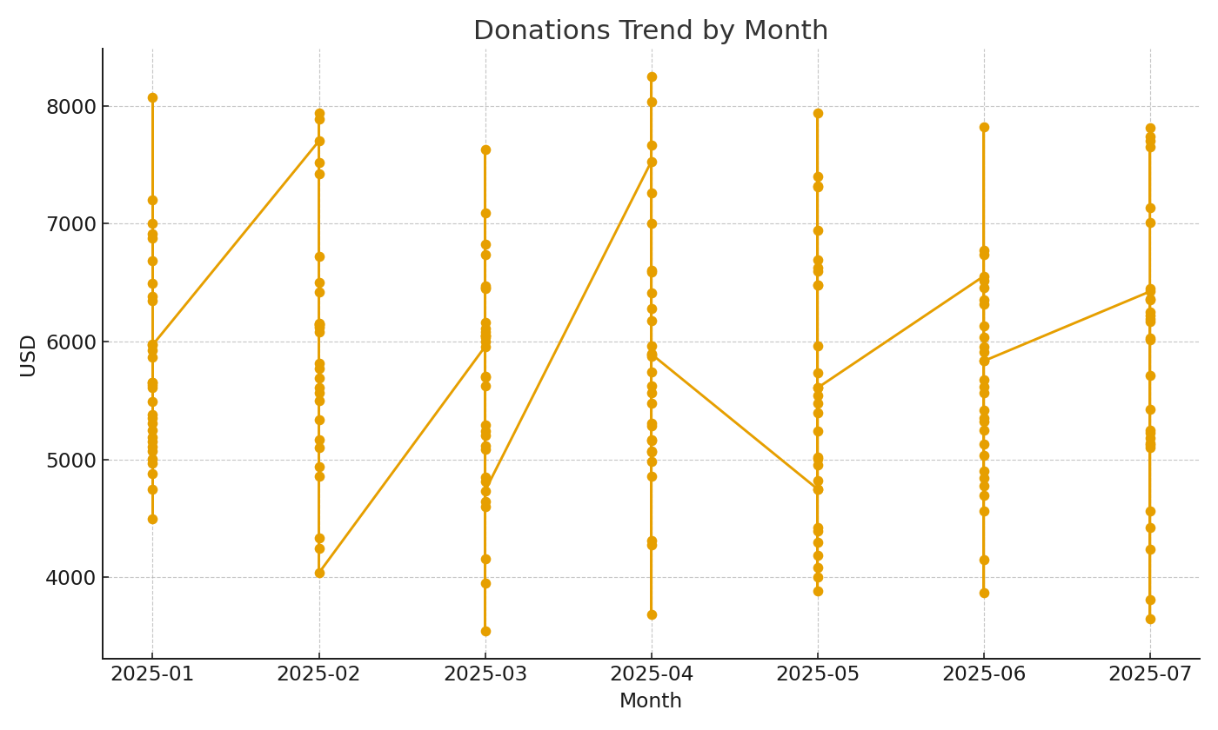
CMP-020 | #VALUE! | #VALUE! | #VALUE!

 |  |  |  | NP_image_002 – Monthly donations trend.

