Plan_Summary
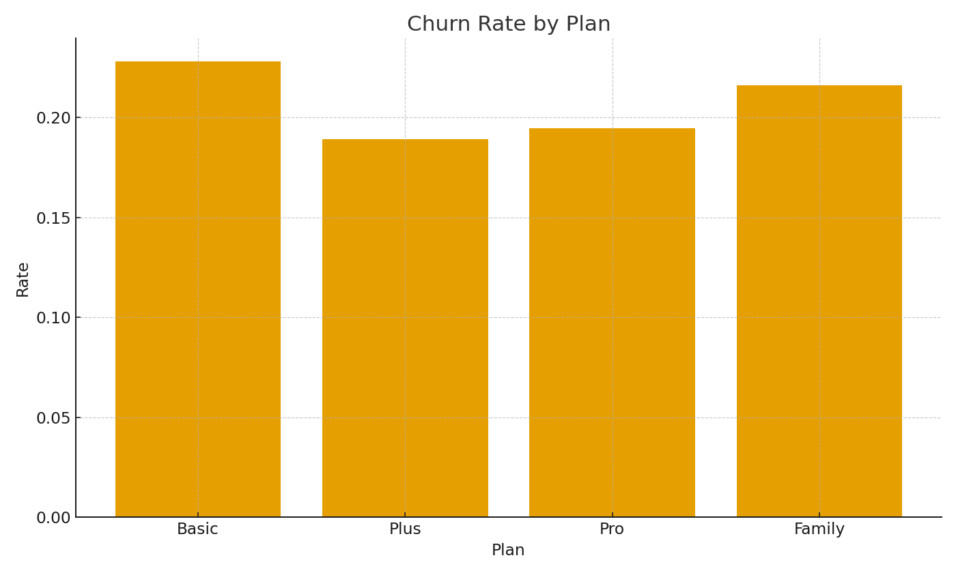
Note: Summary by plan with cross-sheet formulas.
Plan | Subs | ChurnRate | ARPUUSD
Basic
Plus
Pro
Family

 |  |  |  | Telco_image_001 – Churn rate by plan.

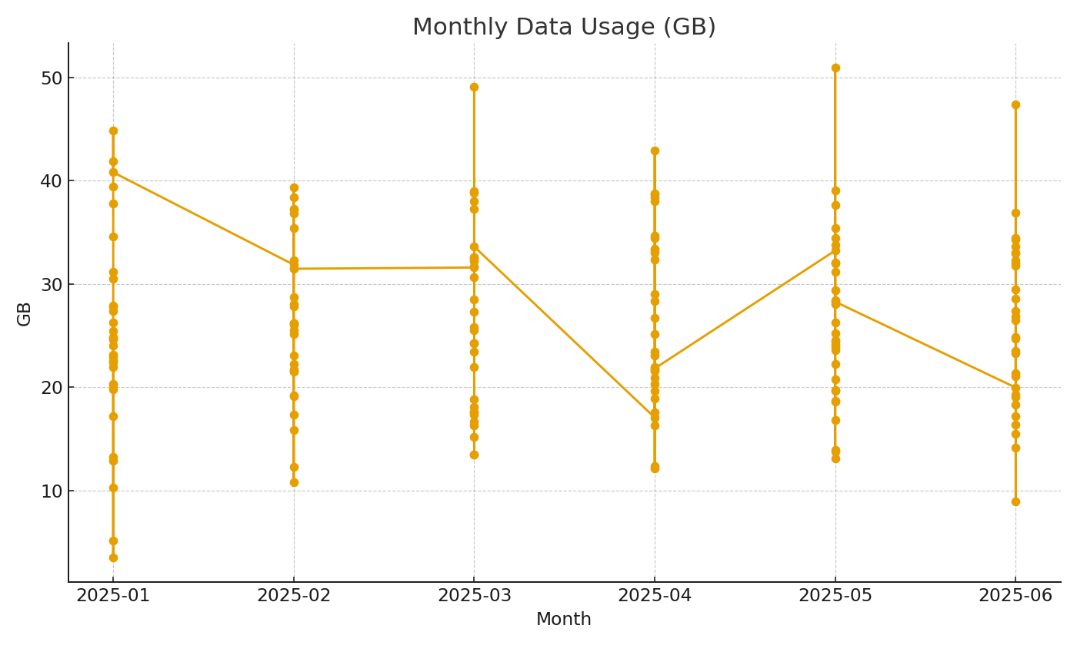

 |  |  |  | Telco_image_002 – Monthly GB usage trend.

